Sheet1
S.N | Item | Image | Interface | PINS | Description
1 | SHARP 2Y0A21 |  | Analog | AO,GND,VCC O-15 | GP2Y0A21YK0F is a distance measuring sensor unit, composed of an integrated combination of PSD (position sensitive detector), IRED (infrared emittingdiode) and signal processing circuit.
2 | Ultrasonic Sensor (HC-SR04) |  | GPIO | VCC,Trig, Echo, GND NodeMCU D1= TRIGGER, D2= ECHO | Tutorials available - http://roboindia.com/tutorials/arduino-ultrasonic-range-sensor-HC-SR04
3 | Vibration Sensor |  | GPIO | D0,GND,VCC N-14 | Designed using wide LM393 voltage comparator. When it is not shock, vibrate switch is closed on-State, output output low level, the green indicator light is on; When vibration, vibration switches disconnected moments, output output line, the Green led is not lit;
4 | TTP223 Capacitive Touch Sensor |  | GPIO | OUT,VCC,GND H-8 | Capacitive touch sensor module
5 | BMP180 Pressure Sensor |  | I2C | SCL-20,SDA-21 | Temperature measurement included I2C interface, Application: GPS precise navigation (dead reckoning, upper and lower bridge detection etc.), Indoor and outdoor navigation Leisure, sports and health monitoring, The weather forecast, The vertical speed indicator (rising or sinking speed)
6 | MQ-3 Alcohol Ethanol Sensor |  | Analog, GPIO | AO,DO,GND,VCC F-6 (D0) G-7 (A0) | The alcohol detection has a better sensitivity. With DO switch signal (TTL) output and AO analog signal output TTL output valid signal is low.
7 | MQ135 Air Quality Sensor |  | Analog, GPIO | AO,DO,GND,VCC K-11(D0) L-12(A0) | Used in gas leakage like smoke methane and liquefied flammable gas, Detecting LPG, i-butane, propane, methane, alcohol, hydrogen and smoke
8 | Sound Detection Sensor |  | GPIO | VCC,GND,OUT A-1 | Designed using wide LM393 voltage comparator. Based on the Sound low level switch is closed on-State, output output low level, the green indicator light is on; When Sound is High switches disconnected moments, output line the Green led is not lit;
9 | IR Flame Sensor |  | GPIO | M-13 | Designed using wide LM393 voltage comparator. When there is no Flame switch is closed on-State, output output low level, the green indicator light is on; When there is Flame switches disconnected moments, output output line, the Green led is not lit
10 | Soil Moisture Sensor |  | Analog, GPIO | AO,DO,GND,VCC I-9 (D0) J-10 (A0) | This is a simple water sensor that can be used to detect soil moisture.Can be used in module plant waterer device, and the plants in your garden.Module dual output mode, digital output, analog output more accurate
11 | Heart Rate Pulse Sensor | 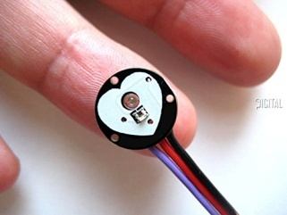 | Pulse O/P | AO, VCC,GND C-3 | Pulse rate sensor is used to detect heartbeats. It can be wore on the finger or earlobe and connected to NodeMCU via cables
12 | DHT-11 Temperature and Humidity Sensor |  | Serial | Serial B-2 to Node MCU-D4 | The DHT11 is a digital temperature and humidity sensor. It uses a capacitive humidity sensor and a thermistor to measure the surrounding air, and spits out a digital signal on every 2 seconds.
13 | Rain Sensitive Sensor |  | Analog, GPIO | AO,DO,GND,VCC D-4 (D0) E-5 (A0) | Comparator LM393 output signal, Power adjust sensitivity; Rated voltage and 3.3V-5V, Output: digital switching output (0 and 1) and AO analog voltage output
14 | MOC7811 | 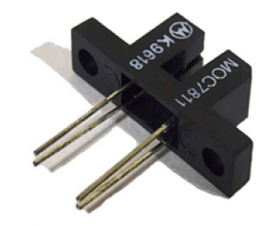 | Pulse O/P | S-19 | MOC7811 is a slotted Opto isolator module, with an IR transmitter & a photodiode mounted on it. Performs Non-Contact Object Sensing.
15 | LDR | 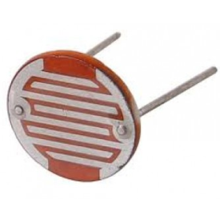 | Analog | P-16 | An LDR is a component that has a (variable) resistance that changes with the light intensity that falls upon it. This allows them to be used in light sensing circuits.
16 | LM35 | 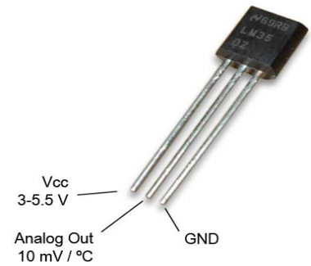 | Analog | R-18 | The operating temperature range is from -55°C to 150°C. The output voltage varies by 10mV in response to every oC rise/fall in ambient temperature, i.e., its scale factor is 0.01V/ oC.
17 | WSH135 | 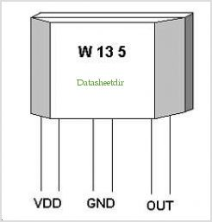 | GPIO | Q-17 | The W135 integrates Hall sensing element. It accurately tracks extremely small change in magnetic flux density to operate Hall effect switch.
18 | Infrared (IR) Proximity / Obstacle Detecting Module | 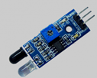 | GPIO | OUT,GND,VCC | Obstacle Avoider or Obstacle sensor for robots and electronics with range between 3cms to 7cms
19 | ADXL335 | 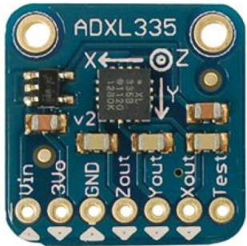 | Analog | Vin, VCC,GND,Z,Y, X,Test X-23, Y-24, Z-25 | The ADXL335 is a 3-axis accelerometer with signal conditioned voltage outputs. It measures acceleration with a minimum full-scale range of ±3 g. Bandwidths 0.5 Hz to 1600 Hz for the X and Y axes, and 0.5 Hz to 550 Hz for the Z axis.
20 | DIP SW 4x2 |  | GPIO | any GPIO | Pullup ON/OFF Switch i.e. ON = 0
21 | RED LED SM 1206 |  | GPIO | any GPIO | Common Cathode LEDs i.e. 1 = ON

