ANALYZING_CRITERIA
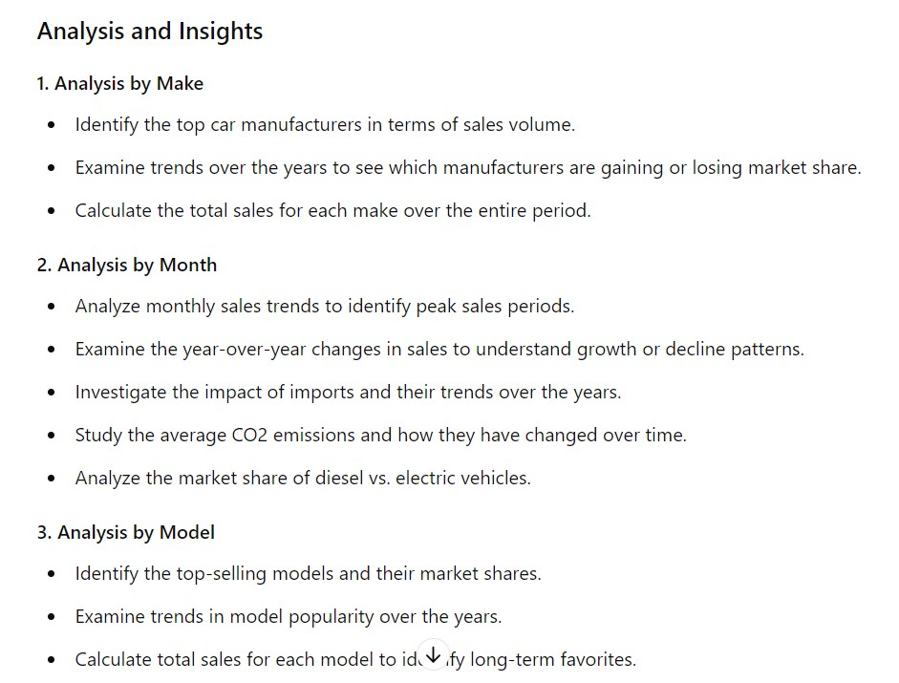

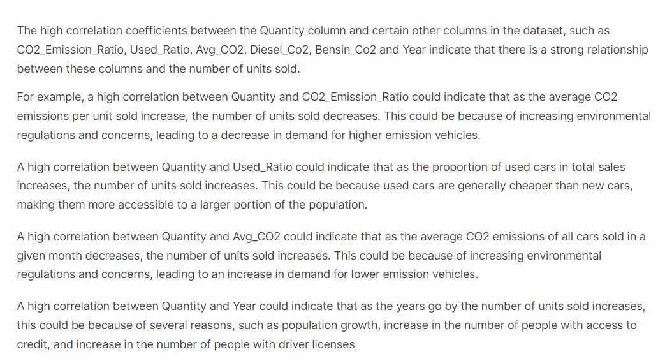

Dashboard
TOP 20 MODELS THAT HAS BEEN SOLD MOST OF THE MONTHS IN LAST 10 YEARS

Market share%

Row Labels | Sum of Quantity | POPULAR model for months
Honda CR-V | 1,117 | 9
Mazda 6 | 1,163 | 10
Toyota Prius | 1,269 | 6
Volvo XC60 | 1,398 | 10
Peugeot 308 | 1,425 | 12
Volvo V50 | 1,496 | 9
Toyota Yaris | 1,646 | 12
BMW 3-serie | 1,752 | 11
Opel Insignia | 2,015 | 12
Toyota Auris | 2,041 | 12
Audi A4 | 2,175 | 12
Ford Focus | 2,321 | 12
Volkswagen Tiguan | 2,440 | 12
Skoda Octavia | 2,532 | 12
Nissan Qashqai | 2,763 | 12
Volvo V70 | 2,895 | 9
Volkswagen Passat | 3,210 | 12
Ford Mondeo | 3,466 | 12
Toyota Avensis | 4,044 | 12
Volkswagen Golf | 5,401 | 12
Grand Total | 46,569 | 220

 | Row Labels | Sum of marketshare
 | Volkswagen | 15.34
 | Toyota | 12.48
 | Volvo | 7.42
 | Ford | 7.40
 | BMW | 5.44
 | Audi | 5.23
 | Grand Total | 53.31

 | Row Labels | Sum of Quantity
 | Subaru | 2,668
 | Mazda | 3,023
 | Honda | 3,059
 | Hyundai | 3,139
 | Mercedes-Benz | 3,777
 | Nissan | 3,779
 | Opel | 3,992
 | Skoda | 4,206
 | Peugeot | 4,401
 | BMW | 4,458
 | Audi | 5,426
 | Volvo | 7,317
 | Ford | 9,804
 | Volkswagen | 14,267
 | Toyota | 14,605
 | Grand Total | 87,921

Presentation_data
1.top car manufacturers interms of sales value

Row Labels | Sum of marketshare
Volkswagen | 15.34%
Toyota | 12.48%
Volvo | 7.42%
Ford | 7.40%
BMW | 5.44%
Audi | 5.23%
Grand Total | 53.31%

2.Trend over the years by manufacturers gaining and losing the market

Row Labels | Sum of Quantity
Mercedes-Benz | 5616
Peugeot | 6209
Nissan | 6658
Skoda | 6793
BMW | 7325
Audi | 8321
Ford | 11007
Volvo | 11550
Toyota | 16903
Volkswagen | 20507
Grand Total | 100889

3.year and month with highest sale pattern
Sales Trend By Month
Row Labels | Sum of Quantity
1 | 116,439
2 | 102,684
3 | 118,439
4 | 113,946
5 | 114,407
6 | 111,137
7 | 112,113
8 | 109,194
9 | 111,359
10 | 115,847
11 | 112,615
12 | 109,070
Grand Total | 1,347,250
Saes trend by year

Row Labels | Sum of Quantity
2007 | 129,195
2008 | 110,617
2009 | 98,675
2010 | 127,754
2011 | 138,345
2012 | 137,967
2013 | 142,151
2014 | 144,202
2015 | 150,686
2016 | 154,603
Grand Total | 1,334,195

4.Difference between First five years market and next five year market

Row Labels | Sum of Quantity | Helper_column
2007 | 129195 | First Five Years
2008 | 110617 | First Five Years
2009 | 98675 | First Five Years
2010 | 127754 | First Five Years
2011 | 138345 | First Five Years
2012 | 137967 | Next Five Years
2013 | 142151 | Next Five Years
2014 | 144202 | Next Five Years
2015 | 150686 | Next Five Years
2016 | 154603 | Next Five Years

Row Labels | Sum of Sum of Quantity
First Five Years | 45.31%
Next Five Years | 54.69%

 | date | 2012
 | 5.Difference between First five years market and next five year market
 | Row Labels | Sum of Quantity | Sum of Quantity
 | Volkswagen | 20507 | 16560
 | Toyota | 16903 | 12417
 | Volvo | 11550 | 10061
 | Ford | 11007 | 6960
 | Audi | 8321 | 1122
 | BMW | 7325 | 2503
 | Skoda | 6793 | 2927
 | Nissan | 6658 | 5195
 | Peugeot | 6209 | 1298
 | Mercedes-Benz | 5616 | 585
 | Hyundai | 5557 | 373
 | Kia | 4917 | 1092
 | Mitsubishi | 4654 | 2444
 | Opel | 3616
 | Citroen | 3583 | 129
 | Subaru | 3559 | 1496
 | Mazda | 2927 | 567
 | Suzuki | 2060 | 158
 | Honda | 1731 | 263
 | MINI | 856
 | Land Rover | 684
 | Renault | 657
 | Fiat | 631
 | Lexus | 493
 | Porsche | 328
 | Alfa Romeo | 283
 | Jeep | 209
 | Chevrolet | 77
 | Smart | 48
 | Jaguar | 47
 | Ssangyong | 36
 | Tesla | 32
 | Think | 18
 | Saab | 11
 | Mia | 8
 | Fisker | 6
 | Dacia | 6
 | Cadillac | 5
 | Morgan | 5
 | Nilsson | 5
 | Ferrari | 4
 | Aston Martin | 4
 | Bentley | 4
 | NA | 3
 | Isuzu | 3
 | Chevrolet US | 2
 | Iveco | 2
 | Seat | 2
 | McLaren | 1
 | Binz | 1
 | Westfield | 1
 | Martin Motors | 1
 | Dodge | 1
 | Grand Total | 137967 | 66150

monthly_trend
Row Labels | Sum of Quantity |  |  |  | MONTHLY SALES TREND
1 | 116439
2 | 102684
3 | 118439
4 | 113946
5 | 114407
6 | 111137
7 | 112113
8 | 109194
9 | 111359
10 | 115847
11 | 112615
12 | 109070
Grand Total | 1347250

 |  |  |  |  | PATTERN BETWEEN YOY SALES AND YOY IMPORT

 | Row Labels | Sum of Quantity_YoY | Sum of Import_YoY
 | 2007 | 20031 | 366
 | 2008 | -18578 | -6138
 | 2009 | -11942 | -2395
 | 2010 | 29079 | 4191
 | 2011 | 10591 | -1945
 | Grand Total | 29181 | -5921

 |  |  |  |  |  | diff between quantity and import

 | Row Labels | Sum of Import | Sum of Quantity | Average of Diff%
 | 2007 | 33356 | 129195 | 0.80
 | 2008 | 27218 | 110617 | 0.68
 | 2009 | 24823 | 98675 | 0.61
 | 2010 | 29014 | 127754 | 0.79
 | 2011 | 27069 | 138345 | 0.86
 | 2012 | 30556 | 137967 | 0.85
 | 2013 | 30312 | 142151 | 0.88
 | 2014 | 24757 | 144202 | 0.89
 | 2015 | 21756 | 150686 | 0.93
 | 2016 | 16319 | 154603 | 0.96
 | Grand Total | 265180 | 1334195 | 0.83

 | Row Labels | Sum of Diff%
 | 2007 | 9.59
 | 2008 | 8.21
 | 2009 | 7.32
 | 2010 | 9.48
 | 2011 | 10.27
 | 2012 | 10.24
 | 2013 | 10.55
 | 2014 | 10.70
 | 2015 | 11.18
 | 2016 | 11.48
 | Grand Total | 99.03

