3D VIEWS
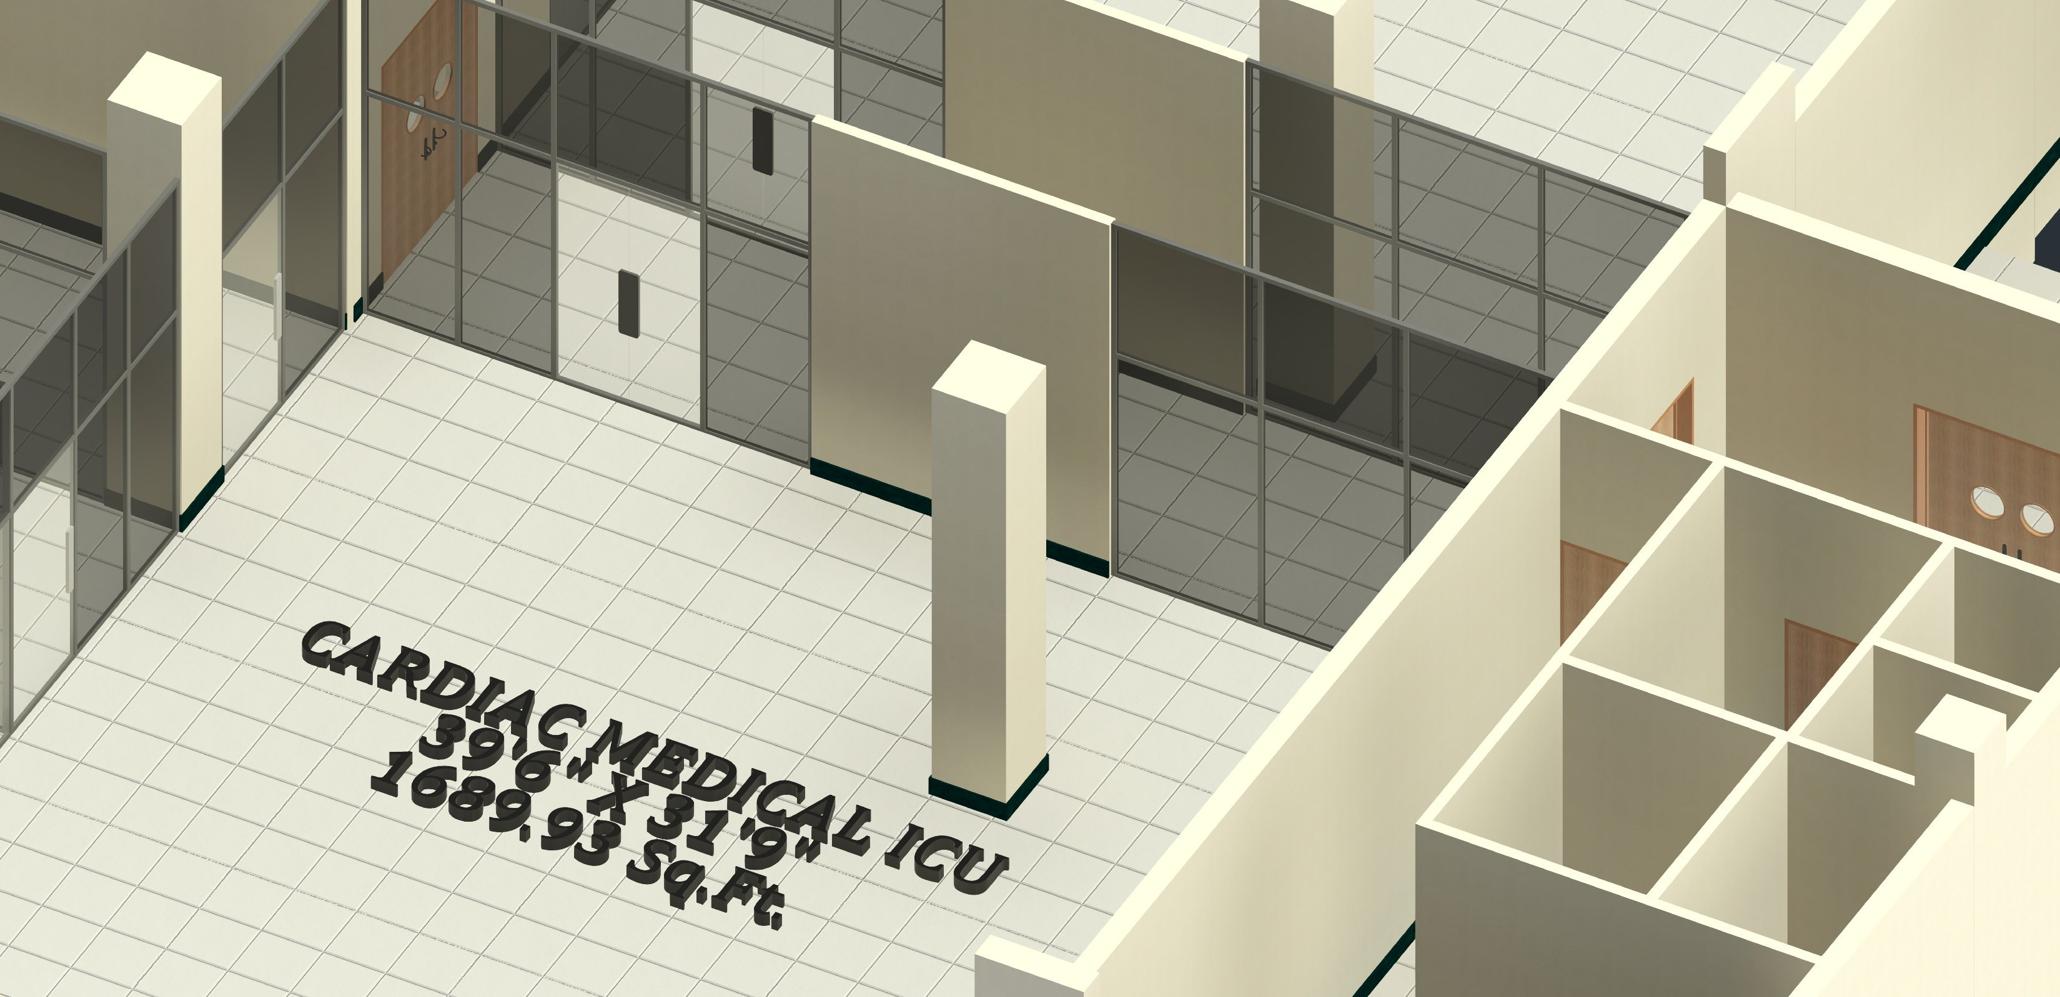
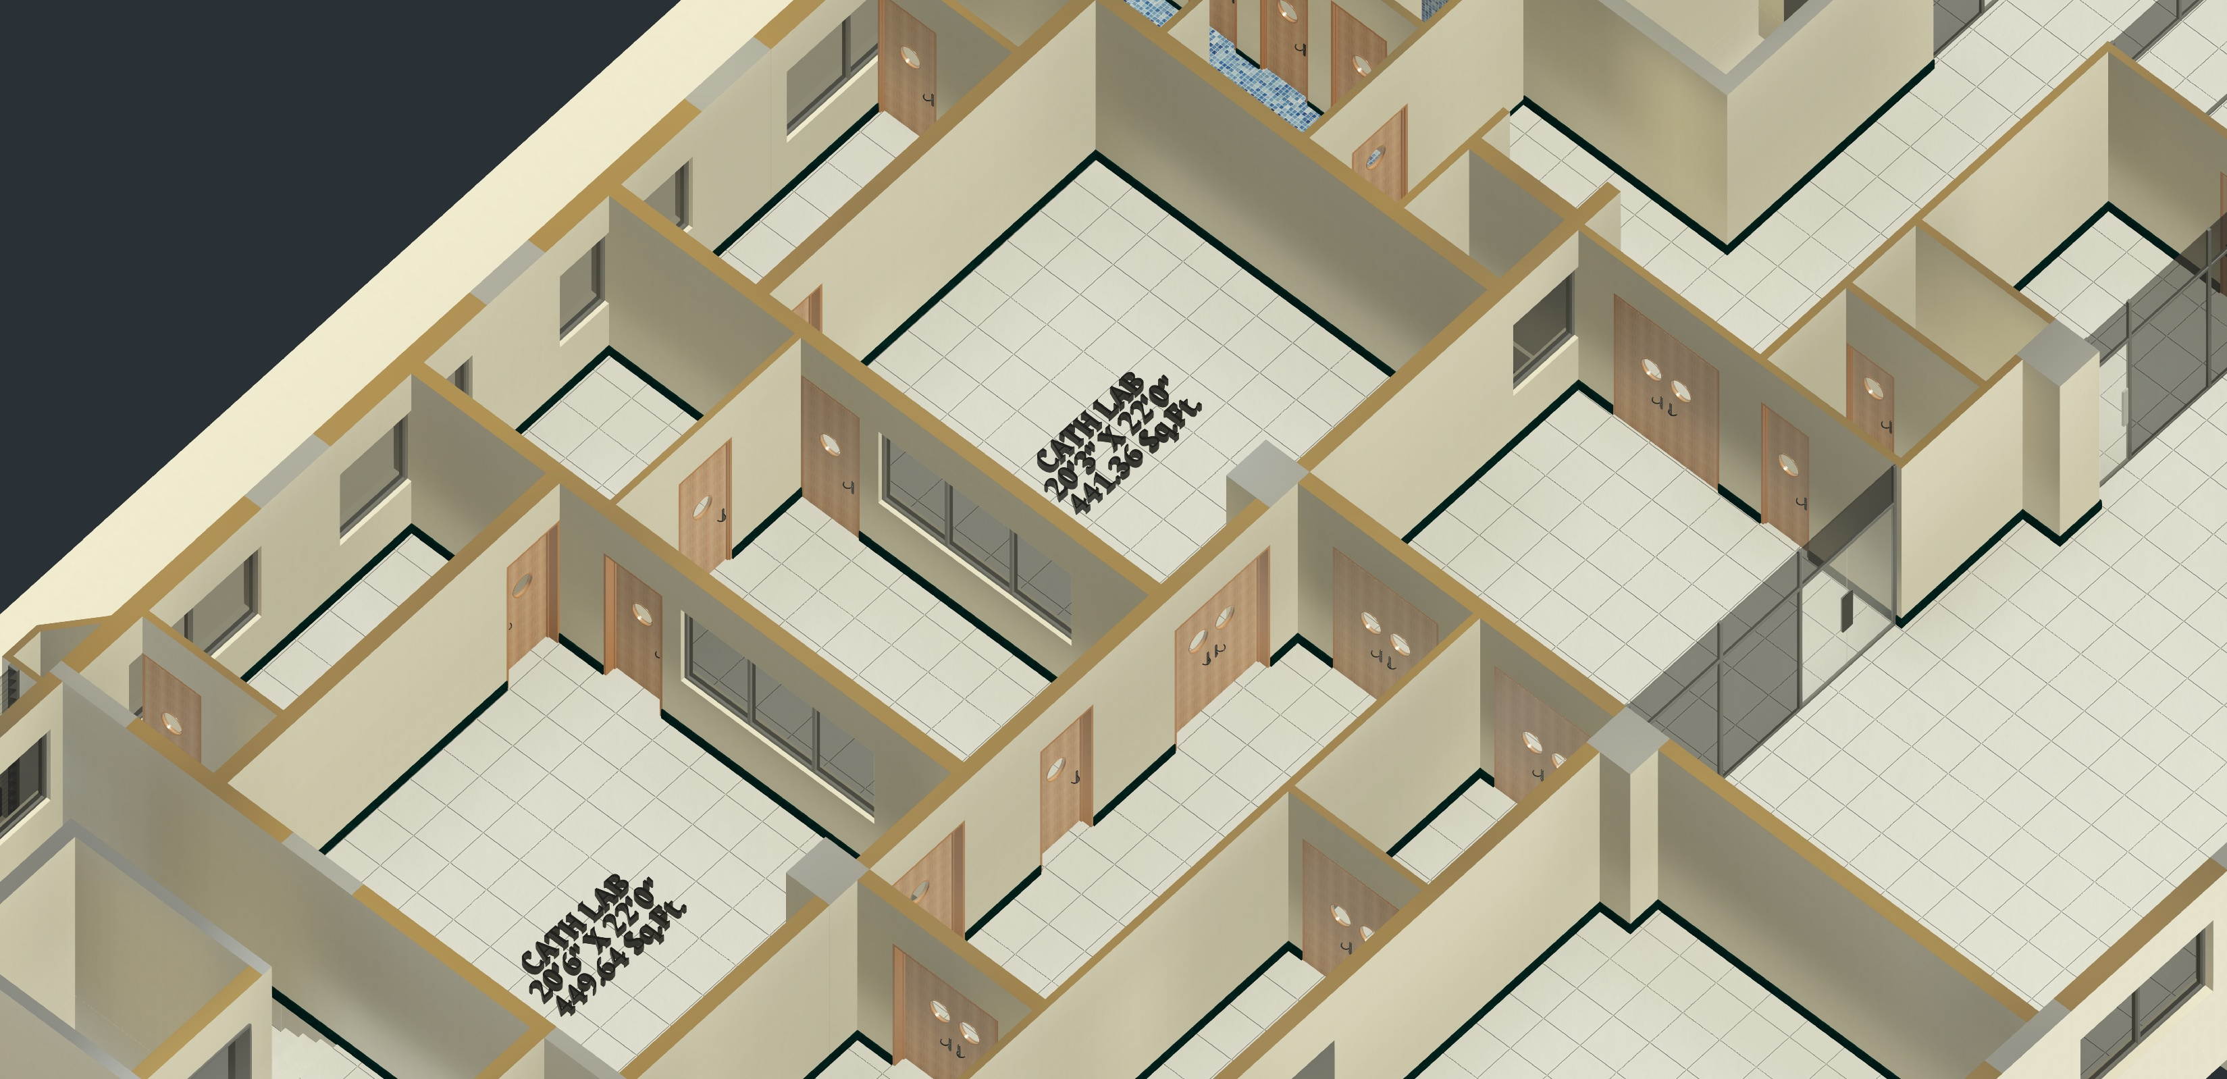
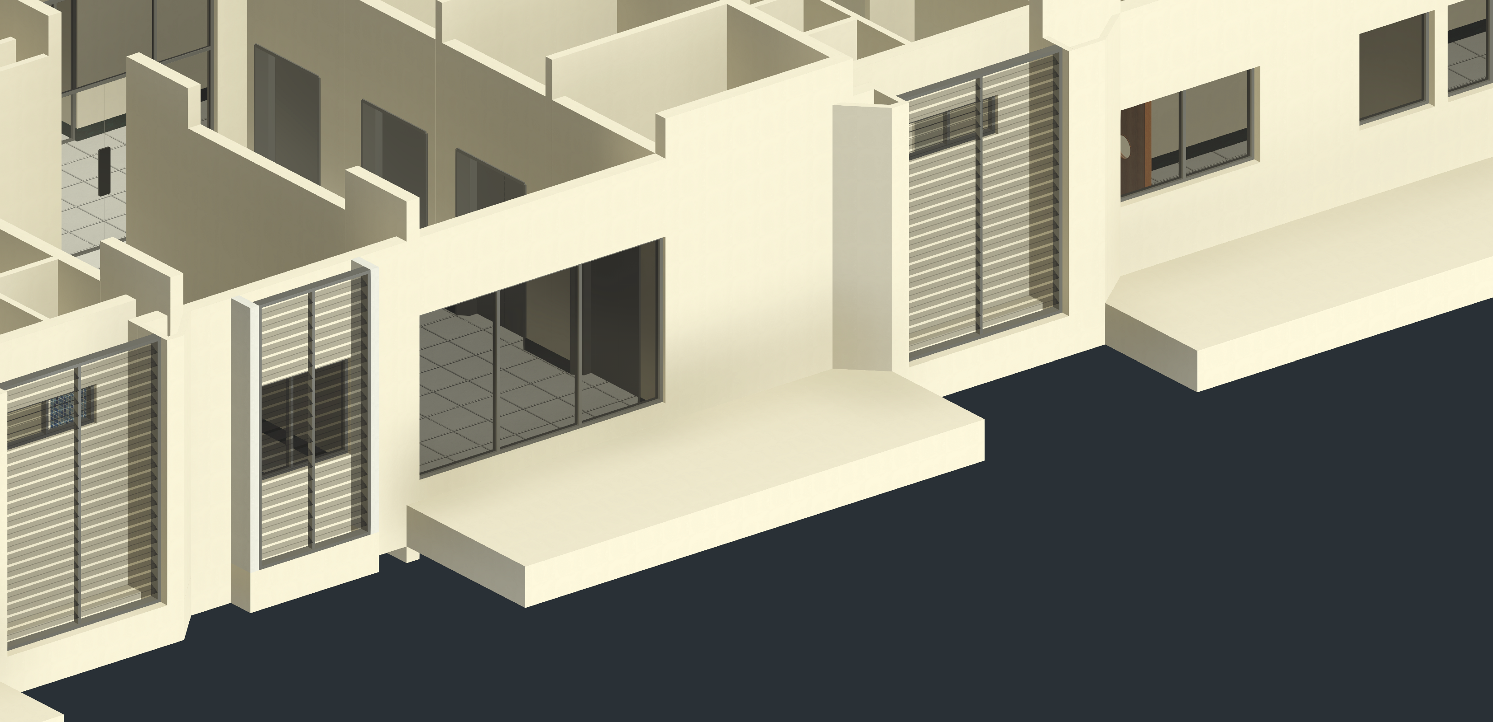
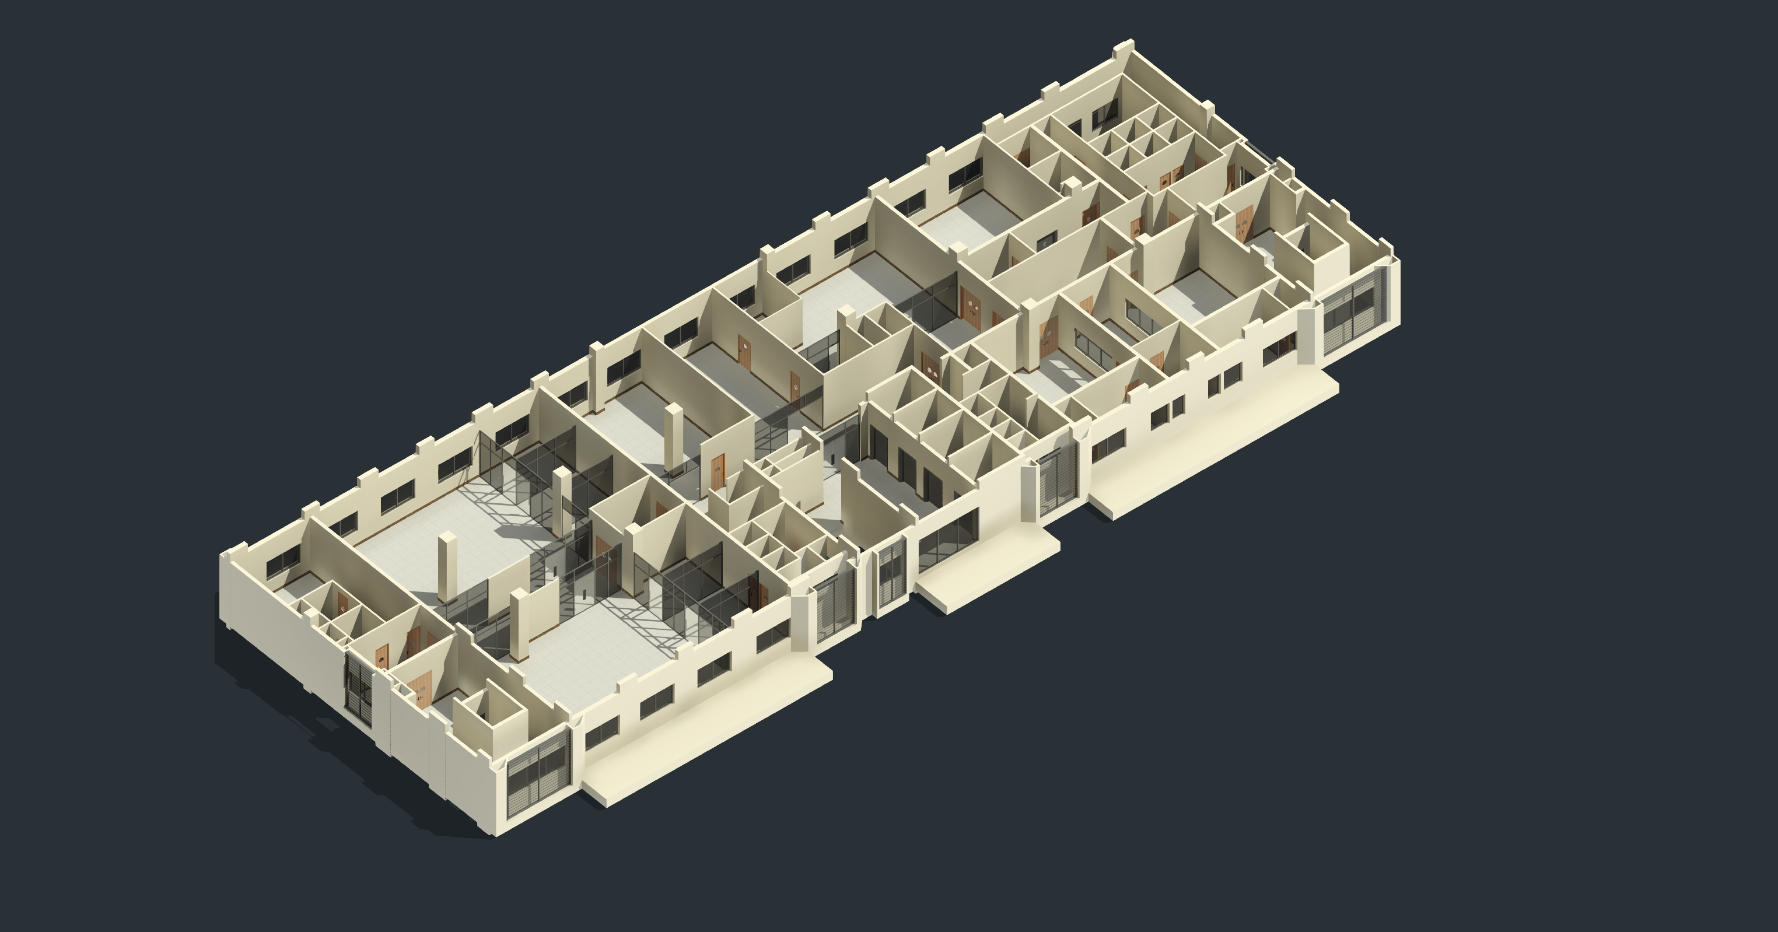
2ND FLOOR
3D RENDER- ARCH
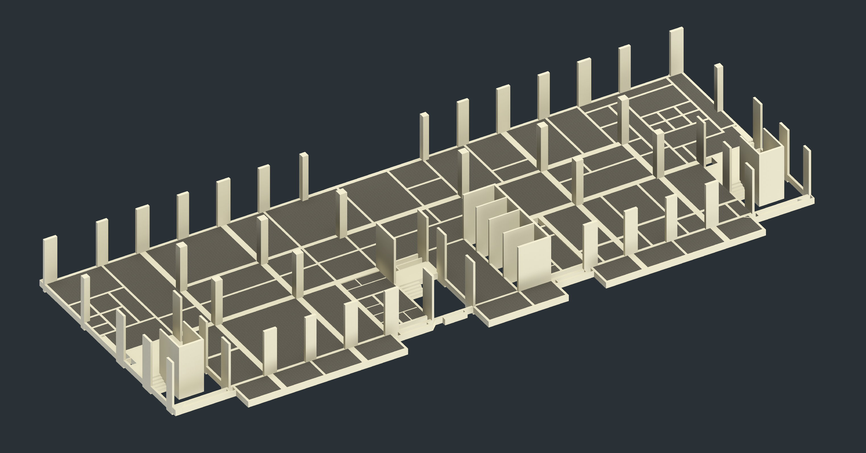
2ND FLOOR
3D STRUC

2ND FLOOR - ARCH PLAN
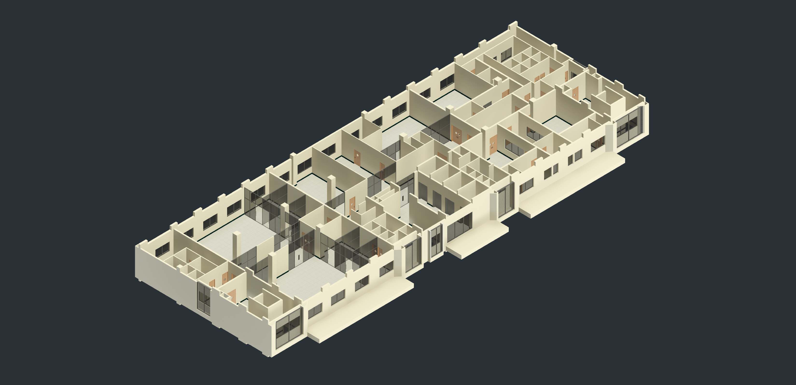
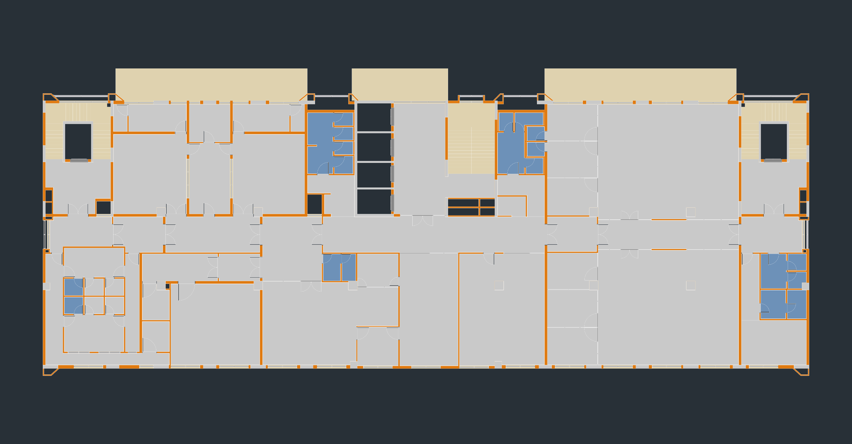
2ND FLOOR
3D ARCH

FRONT ELEVATION
BACK ELEVATION

