Sheet1
Name | Picture | Location | Capacity | Facility | Authority
Main Auditorium | 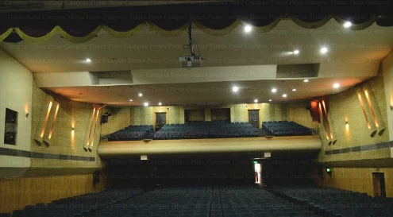 | South Campus, beside Central Library | 960 | Projector, Display screen, Sound systems, AC, spotlights,Wifi | Ms. N. R. Kolhare
Mini Auditorium | 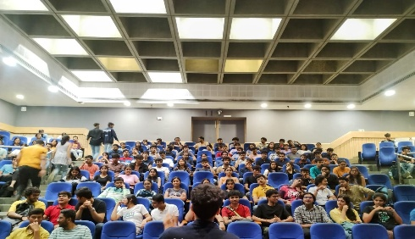 | North Campus, Academic Complex Ground Floor | 250 | Projector, Display screen, Sound systems, AC,Wifi | Dr. M. R. Shindikar
Academic Complex | 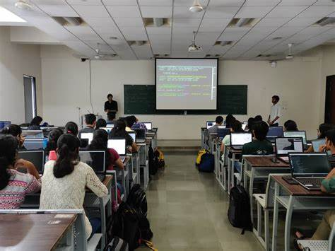 | North Campus, Beside COEP Boat Club | 8 classrooms, 100 each | Projector, Screen,Wifi | Dr. M. R. Shindikar
FOSS | 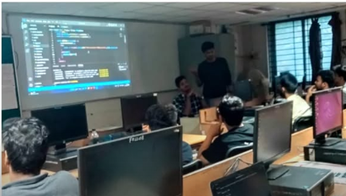 | North Campus, Third Floor,Electronics Extension(New) Building, | 40 | PCs, Projector, AC, Wifi | Prof. Abhijit. AM
BHAU | 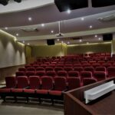 | Ground floor, Bhau Institute, COEP Technological University | 120 | AC,Projector,Sound Systems, Wifi | Mr.Swapnil Mali
Cognizant Lab | 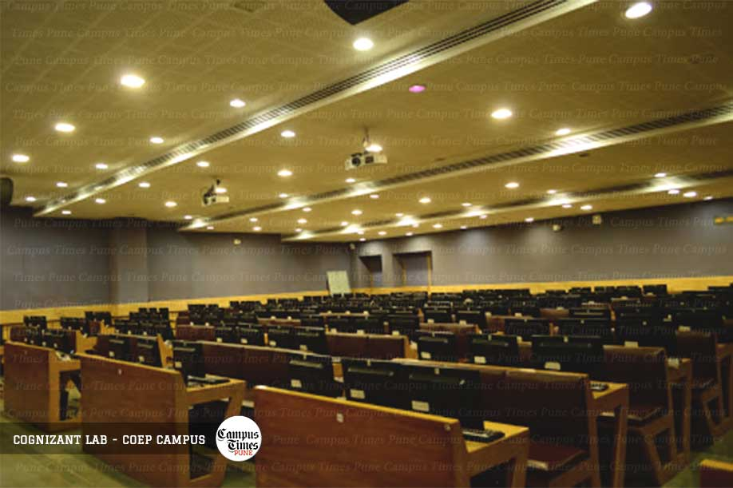 | Ground Floor Academic Complex, North Campus | 200 | AC,Projector,Sound Systems, Wifi,PCs | Prof.S.B. Mane

