in
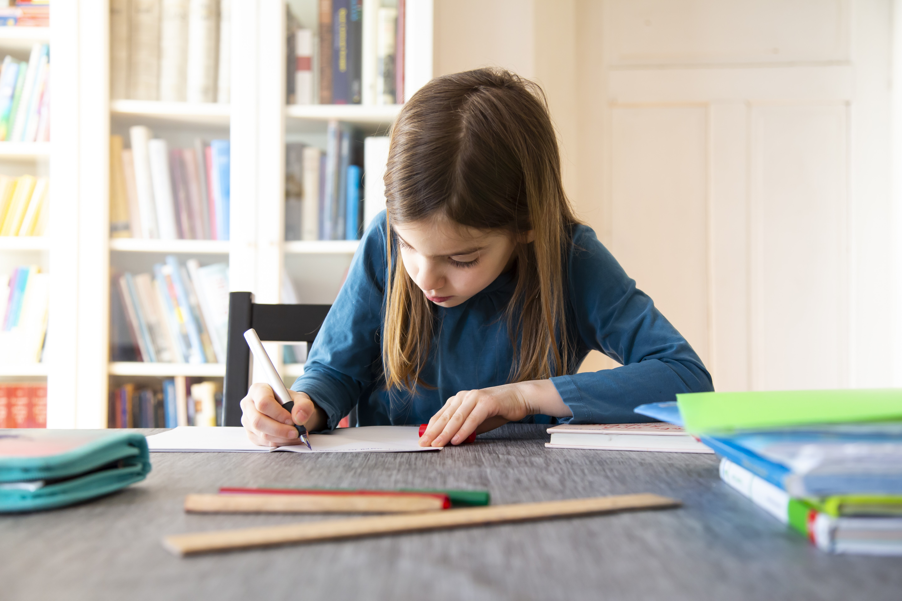
Sr No | Building Name | Floor | Venue Name | Class Room/Lab/Seminar Hall | Class Room No/Lab No/Seminar Hall No | Length | D/h | Area (Sqm) | Capacity(eg 120, 50) | Features(eg projector, MIC , wifi, etc) | Pictures URL | Venue Can be Used for(eg hands-on session, lecture, lab,etc) | Venue Location(eg AC 101 is in AC first floor near boat club) | Department incharge name | Department incharge phone number | Department incharge email | Department assistant name 1 | Department assistant name 2 | Campus (North/South)
 | Academic Complex Building | 1 | Academic Complex 102 | Class Room | 4 | 10.65 | 11.34 | 483.08
 |  | 1st Floor | Academic Complex 102 | Class Room | 4 | 10.65 | 11.34 | 483.08
 |  | 1st Floor | Academic Complex 103 | Class Room | 4 | 10.65 | 11.34 | 483.08
 |  | 1st Floor | Academic Complex 104 | Class Room | 4 | 10.65 | 11.34 | 483.08

 |  | 2nd floor | Academic Complex 201 | Class Room | 4 | 10.65 | 11.34 | 483.08
 |  | 2nd floor | Academic Complex 202 | Class Room | 4 | 10.65 | 11.34 | 483.08
 |  | 2nd floor | Academic Complex 203 | Class Room | 4 | 10.65 | 11.34 | 483.08
 |  | 2nd floor | Academic Complex 204 | Class Room | 4 | 10.65 | 11.34 | 483.08

2 | E&TC Extension Building | Computer Department (E&TC Extension Building ) Ground Floor
 |  | Ground Floor | Seminar Hall | Seminar Hall | 1 | 12.15 | 7.2 | 87.48 | 60 | TV, Wifi | https://coepac-my.sharepoint.com/:i:/g/personal/ksp_comp_coeptech_ac_in/EXHWOoyhaSxHm7Lao21I5xQBIQJnC9zkwJAsWTPrz0VqbQ?e=iPwYTM | Lecture | Seminar hall, Ground Floor, E&TC Extension Building | Computer Science Department (Dr. Anish Khobragade ) | 2020-25507318 |  | Mr. Shriraj Chavhan | Mr. Shriraj Chavhan | North

3 |  | E&TC Old Building
 |  | Ground Floor | Class Room-1 | Class Room-1 | 1 | 6 | 9.1 | 54.6
 |  | Ground Floor | Class Room-2 | Class Room-2 | 1 | 9.12 | 9.1 | 82.99
 |  | Ground Floor | Class Room-3 | Class Room-3 | 1 | 9.27 | 9.1 | 84.36
 |  | 2nd Floor | Seminar Hall-1 | Seminar Hall | 1 | 12.46 | 9.1 | 113.39
 |  | 2nd Floor | Seminar Hall-2 | Seminar Hall | 1 | 6.4 | 9.1 | 58.24

4 | Acadmic Complex | Computer Department (in Acadmic Complex)
 | Acadmic Complex | 2nd floor | Academic Complex 201 | Class Room | 4 | 10.65 | 11.34 | 483.08 | 72 | Projector,Mic, Speaker, Wifi | https://coepac-my.sharepoint.com/:i:/g/personal/ksp_comp_coeptech_ac_in/EY7XfX1KNQlMkCTxXJQI0BABleLdKq1eLj2eJ2QNIOqH1A?e=GsPQog | Lecture | AC 201 is in AC first floor near boat club | Applied Science |  |  |  |  | North
 | Acadmic Complex | 2nd floor | Academic Complex 202 | Class Room | 4 | 10.65 | 11.34 | 483.08 | 72 | Projector,Mic, Speaker, Wifi | https://coepac-my.sharepoint.com/:i:/g/personal/ksp_comp_coeptech_ac_in/EfGEwf925gBLsi9eaW-g3ykBCPS2_nS6iGvPHJ5mHA9sng?e=W93FeG | Lecture | AC 202 is in AC first floor near boat club | Applied Science |  |  |  |  | North
 | Acadmic Complex | 2nd floor | Academic Complex 203 | Class Room | 4 | 10.65 | 11.34 | 483.08 | 72 | Projector,Mic, Speaker, Wifi | https://coepac-my.sharepoint.com/:i:/g/personal/ksp_comp_coeptech_ac_in/ERduddtqsJtIm4vagtvySXMB-Qy2JgeP6JgyjARhwvcrfA?e=2yJlmo | Lecture | AC 203 is in AC first floor near boat club | Applied Science |  |  |  |  | North

5 |  | Instrumentation Engineering Department
 | Department of Instrumentation and Control Engineering | Ground Floor | Seminar Hall I | Seminar Hall | 1 | 10.68 | 5.45 | 58.21 | 40 | Smart Board, MIC, wifi | https://coepac-my.sharepoint.com/:i:/g/personal/kab_instru_coeptech_ac_in/Edav63Kjl2BLiMK7zwACu1gBt1v2VpqIYJvCvYyvpEESGg?e=FfvEO4 | Lecture | Seminar hall I is at ground floor | Instrumentation and Control
 |  | 2nd Floor | Class Room | Class Room | 1 | 5.7 | 5.45 | 31.07 | 60 | TV, Wifi | https://coepac-my.sharepoint.com/:i:/g/personal/kab_instru_coeptech_ac_in/EQV193k-k_pNq0ihEG9vBHIBUbOPsCqlm1XRtDJ9Dwq6qw?e=qgBbbB | Lecture | Classroom is at second floor | Instrumentation and Control
 |  | 2nd Floor | Seminar Hall II | Seminar Hall | 1 | 10.68 | 5.45 | 58.21 | 40 | TV, Wifi | https://coepac-my.sharepoint.com/:i:/g/personal/kab_instru_coeptech_ac_in/Edav63Kjl2BLiMK7zwACu1gBt1v2VpqIYJvCvYyvpEESGg?e=yIhjgd | Lecture | Seminar hall II is at second floor | Instrumentation and Control

5 |  | Applied Mech
 |  | basement (Fluid Lab) | basement (Fluid Lab) | Lab | 1 | 4.35 | 6.62 | 28.8 | 30 |  | Fluid Mechanics_Basement1.jpg
 |  | First Floor | Class Room | Class Room | 1 | 4 | 7.05 | 28.2 | 30 | Projector | App Mechanics_First Floor_Classroom.jpg
 |  |  |  |  | 1 | 7.31 | 4.75 | 34.72

 |  | Applied Mech | Class Room No 2 | Class Room | 1 | 7.42 | 4.35 | 32.28 | 30 |  | App Mechanics_Classroom2.jpg
 |  |  | Class Room No 1 | Class Room | 1 | 5.2 | 6.05 | 31.46 | 30 |  | App Mechanics Classroom1 (1).jpg

 |  | Ground Floor | Seminar Hall | Seminar Hall | 1 | 13.43 | 5.63 | 75.61 | 40 | Projector | App Mech Ground Floor Seminar Hall.jpg

 |  | 1st Floor | Class Room No 22 | Class Room | 1 | 11.57 | 9.6 | 111.07 | 80 | Projector | R22.jpg

6 |  | Mechanical Engineering Department
 |  | Mechanical Old Bajaj Building
 |  | Ground Floor | ME-001 | UG Class Room | 1 |  |  |  | 90 | Projector,Wifi,Mic | https://drive.google.com/file/d/11r8JUGcdvTO0ylOI_nn1YEYv9b4CKOKq/view?usp=sharing
 |  | Ground Floor | ME-002 | UG Class Room | 1 |  |  |  | 120 | Projector,Wifi,Mic | https://drive.google.com/file/d/1xfCJ7OavNoyQdfRC-VI19CAZpL4tOAEL/view?usp=sharing
 |  | Ground Floor | ME-003 | UG Class Room | 1 |  |  |  | 120 | Projector,Wifi,Mic | https://drive.google.com/file/d/1WSBvMorlthEbWyaCh8JdxRMas7G4kjVu/view?usp=sharing
 |  | Ground Floor | Conference Room | Conference Room | 1 |  |  |  | 15 | TV,Wifi
 |  | 1st Floor | ME-101 | Tutorial Room | 1 | 30 | 20.8 | 624 | 30 | TV,Wifi | https://drive.google.com/file/d/1zkM7jOLKgqLJAzCTxcQH-GfV_CBt2ZKh/view?usp=sharing
 |  | 2nd Floor | ME-201 | UG Class Room | 1 | 48 | 24.8 | 1190.4 | 90 | Projector,Wifi,Mic | https://drive.google.com/file/d/1E-q97N6HQpt942F05ddKGT_D6nsHbDe_/view?usp=sharing
 |  | 2nd floor | ME-301 | Tutorial Room | 1 | 29.1 | 21.5 | 625.65 | 40 | TV,Wifi | https://drive.google.com/file/d/1orGoTWToL2cNbFSvNjVnGiJBTqj4-x7p/view?usp=sharing

7 |  | Mechanical New Bajaj Building
 |  | First Floor | ME-108 | PG | 1 | 44.8 | 24.11 | 1080.128 | 36 | No Wifi | https://drive.google.com/file/d/1bJecDqhyMaVv0s9jZLgIDUpY1PGb-2qw/view?usp=sharing
 |  | First Floor | ME-110 | PG | 1 | 25.01 | 18.8 | 470.188 | 18 | No Wifi | https://drive.google.com/file/d/1zkM7jOLKgqLJAzCTxcQH-GfV_CBt2ZKh/view?usp=sharing
 |  | Second Floor | ME-201 | PG | 1 | 25.01 | 18.8 | 470.188 | 18 | No Wifi | https://drive.google.com/file/d/1V56Qmp1d-mKg5U3SGllOvQp56yiec8hE/view?usp=sharing
 |  | Drawing Hall | Drawing Hall |  | 1 | 117 | 41 | 4797 | 180 | Projector | https://drive.google.com/file/d/1pcndMBRukVQKbKa81_jG_82Q2cZywHFu/view?usp=sharing

8 |  | Electrical Engg Dept
 |  | K R Natu Buildig | EE 209 | UG Class Room | 1 | 13.56 | 11 | 66.17 | 100 | Smart TV | EED Classrooms_ 24 4 2025
 |  | First Floor Plan | EE 101 | UG Class Room (46 Benches) | 1 | 10.89 | 12.81 | 139.5 | 120 | Projector | EED Classrooms_ 24 4 2025
 |  | First Floor Plan | EE 102 | UG Class Room (25 Brnches) | 1 | 10.89 | 6.25 | 68.06 | 50 | Projector | EED Classrooms_ 24 4 2025
 |  | First Floor Plan | EE 103 | PG Class Room (25 Benches) | 1 | 10.89 | 6.05 | 65.88 | 50 | Projector | EED Classrooms_ 24 4 2025
 |  | First Floor Plan | EE 104 | PG Class Room (34 Benches) | 1 | 10.89 | 8.93 | 97.25 | 105 | Projector | EED Classrooms_ 24 4 2025
 |  | First Floor Plan | Conference Hall | Conference Hall | 1 | 12.28 | 8.18 | 100.45 | 40 | Projector | EED Classrooms_ 24 4 2025

9 |  | Civil Engg Dept
 |  | 2nd Floor (Town Planning) |  | Class Room | 1 | 11.27 | 6.44 | 72.58 |  | Projector , Podium
 |  |  |  | Class Room | 1 | 8.62 | 6.44 | 55.51 |  | Projector
 |  | 1st Floor (Environment Lab) | Classroom Environment Lab | Class Room | 1 | 6.64 | 4.49 | 29.81 | 25 | Projector | Env Classroom.jpeg | Lectues | 1st floor ( Environment Lab) | Dr. M.U. Khobragade |  | muk.civil@coep.ac.in |  |  | South
 |  |  |  | Seminar Hal | 1 | 5.15 | 6.35 | 32.7 |  | projector
 |  | (Construction Managment) | 1st Floor (Civil Department) | Class Room | 1 | 6.94 | 4.1 | 28.45 | 20 | projector | CM Classroom.jpeg | Lectures | 1st Floor Civil Department | Dr. G.S. Vyas |  | gsv.civil@coeptech.ac.in |  |  | South
 |  | Ground Floor | Room No.7 | Class Room | 2 | 8.46 | 8.56 | 72.42 | 60 | projector, wifi |  | Lectures | Ground Floor
 |  |  | Room No. 8 |  |  |  |  |  | 60 | Projector, wifi | R8.jpeg
 |  | (Transportation & Geotech) | 1st floor (Geotech classroom) | Classroom | 1 | 9.29 | 8.56 | 79.52 | 25 | projector | Geotech Classroom.jpeg | Lectures | 1st floor (Near Environment Lab) | Dr. Y.A. Kolekar |  | yak.civl@coeptech.ac.in
 |  |  |  |  | 1 | 5.78 | 6.83 | 39.48
10 |  | Production
 |  | 3D Lab 1st Floor |  | Class Room | 1 | 11.28 | 6.64 | 74.9
 |  |  | Class Room |  | 1 | 9.69 | 6.64 | 64.34
 |  |  |  |  | 2 | 6.42 | 8.75 | 112.35
 |  |  |  | Tutorial Room | 1 | 5.33 | 6.66 | 35.5
 |  | Ground Floor Old |  |  | 1 | 9.46 | 3.67 | 34.72
 |  | Basment |  | Seminar Hall | 2 | 12.08 | 12.8 | 309.25
 |  | Basment | Seminar Hall | Class Room | 1 | 12.16 | 6.65 | 80.86
 |  | Basment | Class Room | Tutorial Room | 1 | 6.51 | 4.95 | 32.22
 |  |  | Tutorial Room
11 |  | Meta Basment

 |  | Ground Floor |  | Class Room | 1 | 7.24 | 9.67 | 70.01
 |  | First Floor |  | Class Room | 1 | 7.24 | 9.67 | 70.01
 |  | 2nd Floor |  | Class Room | 1 | 12.47 | 7.75 | 96.64
 |  |  |  |  | 1 | 6.8 | 7.75 | 52.7
 |  | 3rd Floor |  | PG Class Room | 1 | 7.24 | 9.67 | 70.01

