QRG
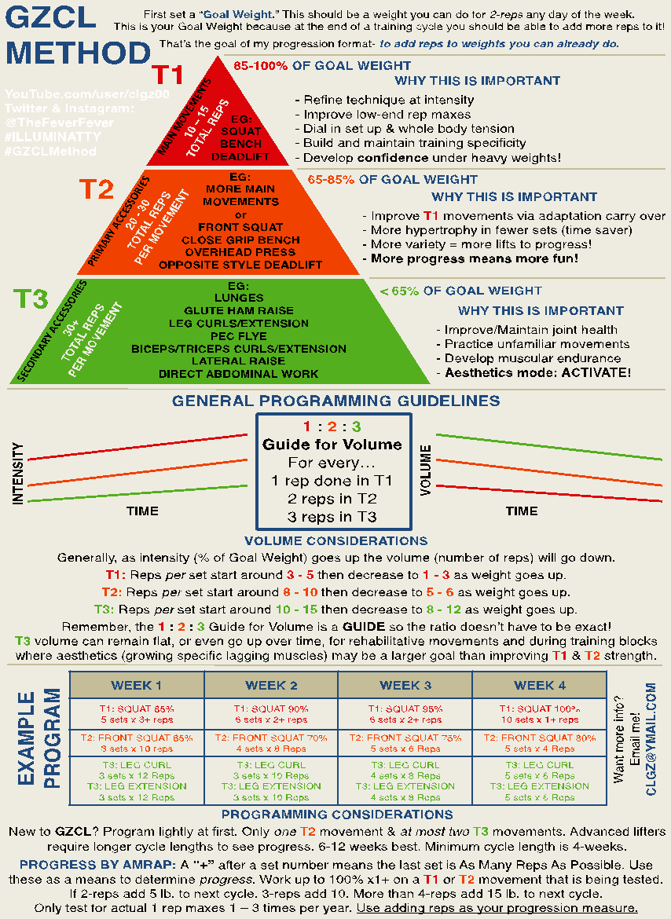

VDIP

 |  | T1 Movements | Training | (Training Max is an estimated daily 2RM.) |  |  |  |  |  |  |  |  | T2 Movements |  |  | Progression Guide |  |  |  |  |  |  |  |  | INSTRUCTIONS FOR USE
 |  |  | Max | T1 Movements should be competition lifts. |  |  |  |  |  |  |  |  | Incline Bench | 200 |  | T1: | 15 or more total reps in 3MRS +10 lb. to next week
 |  | Squat | 405 | Exceptions: Any close variation of a competition lift. |  |  |  |  |  |  |  |  | Sling Shot Bench | 310 |  |  | 10-14 total reps in 3MRS +5 lb. to next week |  |  |  |  |  |  |  |  |  | DON'T BE DUMB!
 |  | Bench Press | 285 | Examples: Front Squat, Close Grip Bench, opposite DL. |  |  |  |  |  |  |  |  | Barbell Row | 240 |  | T2: | 30 or more total reps in 3MRS +10 lb. to next week |  |  |  |  |  |  |  |  |  | READ THE BLOG POST | Volume-Dependent Intensity Progression
 |  | Deadlift | 515 | Sling Shot Bench, High Bar, Low Bar, etc. |  |  |  |  |  |  |  |  |  |  |  |  | 25-29 total reps in 3MRS +5 lb. to next week |  |  |  |  |  |  |  |  |  | WATCH THE VIDEO | https://www.youtube.com/watch?v=lFsCxxqJiKM
 |  | OHP | 170 |  |  |  |  |  |  |  |  |  |  |  |  | T3: | If 50 in 4MRS then add 5 lb. to next week |  |  |  |  |  |  |  |  |  | ASK QUESTIONS | REDDIT.COM/R/GZCL
 |  | Front Squat | 315 |  |  |  |  |  |  |  |  |  |  |  |  |  | If less than 50 total reps in 4MRS stay

 |  |  |  |  | MOVEMENT WEEKLY AVERAGES
 |  |  | STARTING |  | Reps | Rep
Tier 1 |  |  | INTENSITIES |  | Per Set | Total | Tons | Add
Day One | 1 | Back Squat | 0.850 |  | 4.67 | 14.00 | 4936 | 5.00
Day Two | 1 | Bench Press | 0.850 |  | 4.00 | 12.00 | 2973 | 5.00
Day Three | 1 | Deadlift | 0.850 |  | 3.83 | 11.50 | 5149 | 5.00
Day Four | 1 | OHP | 0.850 |  | 3.58 | 10.75 | 1644 | 5.00
Day Five | 1 | Front Squat | 0.850 |  | 4.58 | 13.75 | 3804 | 5.00
Tier 2
Day One | 2 | Stiff Leg Deadlift | 0.650 |  | 9.17 | 27.50 | 9421 | 5.00
Day Two | 2 | Spoto Bench | 0.650 |  | 12.08 | 36.25 | 6980 | 5.00
Day Three | 2 | Front Squat | 0.650 |  | 7.08 | 21.25 | 4418 | 5.00
Day Four | 2 | Push Press | 0.650 |  | 12.00 | 36.00 | 4238 | 5.00
Day Five | 2 | Back Squat | 0.650 |  | 10.92 | 32.75 | 8928 | 5.00
Tier 3
Day One | 3a | Back Step Barbell Lunge | 65 |  | 10.50 | 21.00 | 1416 | 1.25
 | 3b | Pull Up | 175 |  | 10.63 | 21.25 | 3719 | 0.00
Day Two | 3a | Close Grip Bench | 0.55 |  | 8.75 | 8.75 | 1356 | 0.00
 | 3b | 1-Arm Standing DB Press | 35.00 |  | 11.25 | 11.25 | 394 | 0.00
Day Three | 3a | Kroc Row | 75 |  | 11.75 | 11.75 | 881 | 0.00
 | 3b | V Grip Cable Row | 105 |  | 12.75 | 12.75 | 1339 | 0.00
Day Four | 3a | Incline Bench | 0.55 |  | 12.00 | 12.00 | 1320 | 0.00
 | 3b | Dips | 175 |  | 14.25 | 14.25 | 2494 | 0.00
Day Five | 3a | Barbell Row | 0.55 |  | 8.50 | 8.50 | 1105 | 0.00
 | 3b | EZ Bar Curl | 65 |  | 13.50 | 13.50 | 878 | 0.00
 |  | Week One |  |  |  |  |  |  |  |  |  |  | Week Two |  |  |  |  |  |  |  |  |  |  | Week Three |  |  |  |  |  |  |  |  |  |  | Week Four
 | From | 2016-11-20 |  |  |  |  |  |  |  |  |  |  | 2016-11-27 |  |  |  |  |  |  |  |  |  |  | 2016-12-04 |  |  |  |  |  |  |  |  |  |  | 2016-12-11
 | To | 2016-11-26 |  |  |  |  |  |  |  |  |  |  | 2016-12-03 |  |  |  |  |  |  |  |  |  |  | 2016-12-10 |  |  |  |  |  |  |  |  |  |  | 2016-12-17
 |  | Week 1 |  |  |  |  |  |  |  |  |  |  | Week 2 |  |  |  |  |  |  |  |  |  |  | Week 3 |  |  |  |  |  |  |  |  |  |  | Week 4
 |  | Day One |  |  |  | MRS |  |  |  | Rep | Tier | Add | Day One |  |  |  | MRS |  |  |  | Rep | Tier | Add | Day One |  |  |  | MRS |  |  |  | Rep | Tier | Add | Day One |  |  |  | MRS |  |  |  | Rep | Tier | Add
 | Tier | Exercise | Weight | Rep | Set | 1 | 2 | 3 | 4 | Totals | Tonnage | Wk2 | Exercise | Weight | Rep | Set | 1 | 2 | 3 | 4 | Totals | Tonnage | Wk3 | Exercise | Weight | Rep | Set | 1 | 2 | 3 | 4 | Totals | Tonnage | Wk3 | Exercise | Weight | Rep | Set | 1 | 2 | 3 | 4 | Totals | Tonnage | Wk3
 | 1 | Back Squat | 345 | Max | 3 | 6 | 4 | 4 |  | 14 | 4830 | 5 | Back Squat | 350 | Max | 3 | 6 | 4 | 3 |  | 13 | 4550 | 5 | Back Squat | 355 | Max | 3 | 6 | 5 | 4 |  | 15 | 5325 | 5 | Back Squat | 360 | Max | 3 | 7 | 4 | 3 |  | 14 | 5040 | 5
 | 1
 | 1
 | 2 | Stiff Leg Deadlift | 335 | Max | 3 | 8 | 8 | 11 |  | 27 | 9045 | 5 | Stiff Leg Deadlift | 340 | Max | 3 | 9 | 8 | 10 |  | 27 | 9180 | 5 | Stiff Leg Deadlift | 345 | Max | 3 | 10 | 9 | 9 |  | 28 | 9660 | 5 | Stiff Leg Deadlift | 350 | Max | 3 | 10 | 10 | 8 |  | 28 | 9800 | 5
 | 3a | Back Step Barbell Lunge | 65 | Max | 4 | 10 | 10 | 11 | 12 | 43 | 2795 | 5 | Back Step Barbell Lunge | 70 | Max | 4 | 10 | 10 | 10 | 11 | 41 | 2870 | 0 | Back Step Barbell Lunge | 70 | Max | 4 |  |  |  |  | 0 | 0 | 0 | Back Step Barbell Lunge | 70 | Max | 4 |  |  |  |  | 0 | 0 | 0
 | 3b | Pull Up | 175 | Max | 4 | 14 | 11 | 9 | 7 | 41 | 7175 | 0 | Pull Up | 175 | Max | 4 | 15 | 11 | 9 | 9 | 44 | 7700 | 0 | Pull Up | 175 | Max | 4 |  |  |  |  | 0 | 0 | 0 | Pull Up | 175 | Max | 4 |  |  |  |  | 0 | 0 | 0
 |  | Training Notes: |  |  |  |  |  |  | Rep Grand Total | 125 |  |  | Training Notes: |  |  |  |  |  |  | Rep Grand Total | 125 |  |  | Training Notes: |  |  |  |  |  |  | Rep Grand Total | 43 |  |  | Training Notes: |  |  |  |  |  |  | Rep Grand Total | 42
 |  |  |  |  |  |  |  |  |  | Total Workout Tonnage | 23845 |  |  |  |  |  |  |  |  |  | Total Workout Tonnage | 24300 |  |  |  |  |  |  |  |  |  | Total Workout Tonnage | 14985 |  |  |  |  |  |  |  |  |  | Total Workout Tonnage | 14840
 |  |  |  |  |  |  |  |  |  |  | Total Pounds Earned | 15 |  |  |  |  |  |  |  |  |  | Total Pounds Earned | 10 |  |  |  |  |  |  |  |  |  | Total Pounds Earned | 10 |  |  |  |  |  |  |  |  |  | Total Pounds Earned | 10
 |  | Day Two |  |  |  | MRS |  |  |  | Rep | Tier | Add | Day Two |  |  |  | MRS |  |  |  | Rep | Tier | Add | Day Two |  |  |  | MRS |  |  |  | Rep | Tier | Add | Day Two |  |  |  | MRS |  |  |  | Rep | Tier | Add
 | Tier | Exercise | Weight | Rep | Set | 1 | 2 | 3 | 4 | Totals | Tonnage | Wk2 | Exercise | Weight | Rep | Set | 1 | 2 | 3 | 4 | Totals | Tonnage | Wk3 | Exercise | Weight | Rep | Set | 1 | 2 | 3 | 4 | Totals | Tonnage | Wk3 | Exercise | Weight | Rep | Set | 1 | 2 | 3 | 4 | Totals | Tonnage | Wk3
 | 1 | Bench Press | 240 | Max | 3 | 4 | 4 | 3 |  | 11 | 2640 | 5 | Bench Press | 245 | Max | 3 | 5 | 4 | 3 |  | 12 | 2940 | 5 | Bench Press | 250 | Max | 3 | 5 | 5 | 3 |  | 13 | 3250 | 5 | Bench Press | 255 | Max | 3 | 5 | 4 | 3 |  | 12 | 3060 | 5
 | 1
 | 1
 | 2 | Spoto Bench | 185 | Max | 3 | 13 | 11 | 10 |  | 34 | 6290 | 5 | Spoto Bench | 190 | Max | 3 | 12 | 12 | 14 |  | 38 | 7220 | 5 | Spoto Bench | 195 | Max | 3 | 13 | 12 | 13 |  | 38 | 7410 | 5 | Spoto Bench | 200 | Max | 3 | 13 | 11 | 11 |  | 35 | 7000 | 5
 | 3a | Close Grip Bench | 155 | Max | 4 | 10 | 9 | 8 | 8 | 35 | 5425 | 0 | Close Grip Bench | 155 | Max | 4 |  |  |  |  | 0 | 0 | 0 | Close Grip Bench | 155 | Max | 4 |  |  |  |  | 0 | 0 | 0 | Close Grip Bench | 155 | Max | 4 |  |  |  |  | 0 | 0 | 0
 | 3b | 1-Arm Standing DB Press | 35 | Max | 4 | 12 | 12 | 11 | 10 | 45 | 1575 | 0 | 1-Arm Standing DB Press | 35 | Max | 4 |  |  |  |  | 0 | 0 | 0 | 1-Arm Standing DB Press | 35 | Max | 4 |  |  |  |  | 0 | 0 | 0 | 1-Arm Standing DB Press | 35 | Max | 4 |  |  |  |  | 0 | 0 | 0
 |  | Training Notes: |  |  |  |  |  |  | Rep Grand Total | 125 |  |  | Training Notes: |  |  |  |  |  |  | Rep Grand Total | 50 |  |  | Training Notes: |  |  |  |  |  |  | Rep Grand Total | 51 |  |  | Training Notes: |  |  |  |  |  |  | Rep Grand Total | 47
 |  |  |  |  |  |  |  |  |  | Total Workout Tonnage | 15930 |  |  |  |  |  |  |  |  |  | Total Workout Tonnage | 10160 |  |  |  |  |  |  |  |  |  | Total Workout Tonnage | 10660 |  |  |  |  |  |  |  |  |  | Total Workout Tonnage | 10060
 |  |  |  |  |  |  |  |  |  |  | Total Pounds Earned | 10 |  |  |  |  |  |  |  |  |  | Total Pounds Earned | 10 |  |  |  |  |  |  |  |  |  | Total Pounds Earned | 10 |  |  |  |  |  |  |  |  |  | Total Pounds Earned | 10
 |  | Day Three |  |  |  |  |  |  |  | Rep | Tier | Add | Day Three |  |  |  |  |  |  |  | Rep | Tier | Add | Day Three |  |  |  |  |  |  |  | Rep | Tier | Add | Day Three |  |  |  |  |  |  |  | Rep | Tier | Add
 | Tier | Exercise | Weight | Rep | Set | 1 | 2 | 3 | 4 | Totals | Tonnage | Wk2 | Exercise | Weight | Rep | Set | 1 | 2 | 3 | 4 | Totals | Tonnage | Wk3 | Exercise | Weight | Rep | Set | 1 | 2 | 3 | 4 | Totals | Tonnage | Wk3 | Exercise | Weight | Rep | Set | 1 | 2 | 3 | 4 | Totals | Tonnage | Wk3
 | 1 | Deadlift | 440 | Max | 3 | 4 | 3 | 3 |  | 10 | 4400 | 5 | Deadlift | 445 | Max | 3 | 5 | 4 | 3 |  | 12 | 5340 | 5 | Deadlift | 450 | Max | 3 | 5 | 4 | 4 |  | 13 | 5850 | 5 | Deadlift | 455 | Max | 3 | 5 | 3 | 3 |  | 11 | 5005 | 5
 | 1
 | 1
 | 2 | Front Squat | 200 | Max | 3 | 7 | 6 | 6 |  | 19 | 3800 | 5 | Front Squat | 205 | Max | 3 | 8 | 7 | 6 |  | 21 | 4305 | 5 | Front Squat | 210 | Max | 3 | 8 | 7 | 7 |  | 22 | 4620 | 5 | Front Squat | 215 | Max | 3 | 8 | 8 | 7 |  | 23 | 4945 | 5
 | 3a | Kroc Row | 75 | Max | 4 | 12 | 12 | 11 | 12 | 47 | 3525 | 0 | Kroc Row | 75 | Max | 4 |  |  |  |  | 0 | 0 | 0 | Kroc Row | 75 | Max | 4 |  |  |  |  | 0 | 0 | 0 | Kroc Row | 75 | Max | 4 |  |  |  |  | 0 | 0 | 0
 | 3b | V Grip Cable Row | 105 | Max | 4 | 14 | 13 | 12 | 12 | 51 | 5355 | 0 | V Grip Cable Row | 105 | Max | 4 |  |  |  |  | 0 | 0 | 0 | V Grip Cable Row | 105 | Max | 4 |  |  |  |  | 0 | 0 | 0 | V Grip Cable Row | 105 | Max | 4 |  |  |  |  | 0 | 0 | 0
 |  | Training Notes: |  |  |  |  |  |  | Rep Grand Total | 127 |  |  | Training Notes: |  |  |  |  |  |  | Rep Grand Total | 33 |  |  | Training Notes: |  |  |  |  |  |  | Rep Grand Total | 35 |  |  | Training Notes: |  |  |  |  |  |  | Rep Grand Total | 34
 |  |  |  |  |  |  |  |  |  | Total Workout Tonnage | 17080 |  |  |  |  |  |  |  |  |  | Total Workout Tonnage | 9645 |  |  |  |  |  |  |  |  |  | Total Workout Tonnage | 10470 |  |  |  |  |  |  |  |  |  | Total Workout Tonnage | 9950
 |  |  |  |  |  |  |  |  |  |  | Total Pounds Earned | 10 |  |  |  |  |  |  |  |  |  | Total Pounds Earned | 10 |  |  |  |  |  |  |  |  |  | Total Pounds Earned | 10 |  |  |  |  |  |  |  |  |  | Total Pounds Earned | 10
 |  | Day Four |  |  |  | MRS |  |  |  | Rep | Tier | Add | Day Four |  |  |  | MRS |  |  |  | Rep | Tier | Add | Day Four |  |  |  | MRS |  |  |  | Rep | Tier | Add | Day Four |  |  |  | MRS |  |  |  | Rep | Tier | Add
 | Tier | Exercise | Weight | Rep | Set | 1 | 2 | 3 | 4 | Totals | Tonnage | Wk2 | Exercise | Weight | Rep | Set | 1 | 2 | 3 | 4 | Totals | Tonnage | Wk3 | Exercise | Weight | Rep | Set | 1 | 2 | 3 | 4 | Totals | Tonnage | Wk3 | Exercise | Weight | Rep | Set | 1 | 2 | 3 | 4 | Totals | Tonnage | Wk3
 | 1 | OHP | 145 | Max | 3 | 3 | 3 | 2 |  | 8 | 1160 | 5 | OHP | 150 | Max | 3 | 5 | 5 | 3 |  | 13 | 1950 | 5 | OHP | 155 | Max | 3 | 4 | 4 | 3 |  | 11 | 1705 | 5 | OHP | 160 | Max | 3 | 4 | 3 | 4 |  | 11 | 1760 | 5
 | 1
 | 1
 | 2 | Push Press | 110 | Max | 3 | 13 | 11 | 10 |  | 34 | 3740 | 5 | Push Press | 115 | Max | 3 | 13 | 11 | 11 |  | 35 | 4025 | 5 | Push Press | 120 | Max | 3 | 13 | 13 | 12 |  | 38 | 4560 | 5 | Push Press | 125 | Max | 3 | 14 | 12 | 11 |  | 37 | 4625 | 5
 | 3a | Incline Bench | 110 | Max | 4 | 14 | 12 | 12 | 10 | 48 | 5280 | 0 | Incline Bench | 110 | Max | 4 |  |  |  |  | 0 | 0 | 0 | Incline Bench | 110 | Max | 4 |  |  |  |  | 0 | 0 | 0 | Incline Bench | 110 | Max | 4 |  |  |  |  | 0 | 0 | 0
 | 3b | Dips | 175 | Max | 4 | 16 | 14 | 14 | 13 | 57 | 9975 | 0 | Dips | 175 | Max | 4 |  |  |  |  | 0 | 0 | 0 | Dips | 175 | Max | 4 |  |  |  |  | 0 | 0 | 0 | Dips | 175 | Max | 4 |  |  |  |  | 0 | 0 | 0
 |  | Training Notes: |  |  |  |  |  |  | Rep Grand Total | 147 |  |  | Training Notes: |  |  |  |  |  |  | Rep Grand Total | 48 |  |  | Training Notes: |  |  |  |  |  |  | Rep Grand Total | 49 |  |  | Training Notes: |  |  |  |  |  |  | Rep Grand Total | 48
 |  |  |  |  |  |  |  |  |  | Total Workout Tonnage | 20155 |  |  |  |  |  |  |  |  |  | Total Workout Tonnage | 5975 |  |  |  |  |  |  |  |  |  | Total Workout Tonnage | 6265 |  |  |  |  |  |  |  |  |  | Total Workout Tonnage | 6385
 |  |  |  |  |  |  |  |  |  |  | Total Pounds Earned | 10 |  |  |  |  |  |  |  |  |  | Total Pounds Earned | 10 |  |  |  |  |  |  |  |  |  | Total Pounds Earned | 10 |  |  |  |  |  |  |  |  |  | Total Pounds Earned | 10
 |  | Day Five |  |  |  | MRS |  |  |  | Rep | Tier | Add | Day Five |  |  |  | MRS |  |  |  | Rep | Tier | Add | Day Five |  |  |  | MRS |  |  |  | Rep | Tier | Add | Day Five |  |  |  | MRS |  |  |  | Rep | Tier | Add
 | Tier | Exercise | Weight | Rep | Set | 1 | 2 | 3 | 4 | Totals | Tonnage | Wk2 | Exercise | Weight | Rep | Set | 1 | 2 | 3 | 4 | Totals | Tonnage | Wk3 | Exercise | Weight | Rep | Set | 1 | 2 | 3 | 4 | Totals | Tonnage | Wk3 | Exercise | Weight | Rep | Set | 1 | 2 | 3 | 4 | Totals | Tonnage | Wk3
 | 1 | Front Squat | 270 | Max | 3 | 6 | 5 | 6 |  | 17 | 4590 | 5 | Front Squat | 275 | Max | 3 | 6 | 5 | 3 |  | 14 | 3850 | 5 | Front Squat | 280 | Max | 3 | 5 | 4 | 4 |  | 13 | 3640 | 5 | Front Squat | 285 | Max | 3 | 4 | 4 | 3 |  | 11 | 3135 | 5
 | 1
 | 1
 | 2 | Back Squat | 265 | Max | 3 | 12 | 10 | 10 |  | 32 | 8480 | 5 | Back Squat | 270 | Max | 3 | 12 | 11 | 10 |  | 33 | 8910 | 5 | Back Squat | 275 | Max | 3 | 13 | 10 | 9 |  | 32 | 8800 | 5 | Back Squat | 280 | Max | 3 | 13 | 11 | 10 |  | 34 | 9520 | 5
 | 3a | Barbell Row | 130 | Max | 4 | 9 | 9 | 8 | 8 | 34 | 4420 | 0 | Barbell Row | 130 | Max | 4 |  |  |  |  | 0 | 0 | 0 | Barbell Row | 130 | Max | 4 |  |  |  |  | 0 | 0 | 0 | Barbell Row | 130 | Max | 4 |  |  |  |  | 0 | 0 | 0
 | 3b | EZ Bar Curl | 65 | Max | 4 | 15 | 14 | 13 | 12 | 54 | 3510 | 0 | EZ Bar Curl | 65 | Max | 4 |  |  |  |  | 0 | 0 | 0 | EZ Bar Curl | 65 | Max | 4 |  |  |  |  | 0 | 0 | 0 | EZ Bar Curl | 65 | Max | 4 |  |  |  |  | 0 | 0 | 0
 |  | Training Notes: |  |  |  |  |  |  | Rep Grand Total | 137 |  |  | Training Notes: |  |  |  |  |  |  | Rep Grand Total | 47 |  |  | Training Notes: |  |  |  |  |  |  | Rep Grand Total | 45 |  |  | Training Notes: |  |  |  |  |  |  | Rep Grand Total | 45
 |  |  |  |  |  |  |  |  |  | Total Workout Tonnage | 21000 |  |  |  |  |  |  |  |  |  | Total Workout Tonnage | 12760 |  |  |  |  |  |  |  |  |  | Total Workout Tonnage | 12440 |  |  |  |  |  |  |  |  |  | Total Workout Tonnage | 12655
 |  |  |  |  |  |  |  |  |  |  | Total Pounds Earned | 10 |  |  |  |  |  |  |  |  |  | Total Pounds Earned | 10 |  |  |  |  |  |  |  |  |  | Total Pounds Earned | 10 |  |  |  |  |  |  |  |  |  | Total Pounds Earned | 10

 | End of Week Info & Data | Training Notes: Hard week of training did a ton of volume in the T1 but managed by reducing some T2 later in the week. Went easy on T3 at end of week also. |  |  |  |  |  | WEEKLY TOTALS |  |  |  |  | Training Notes: |  |  |  |  |  | WEEKLY TOTALS |  |  |  |  | Training Notes: |  |  |  |  |  | WEEKLY TOTALS |  |  |  |  | Training Notes: |  |  |  |  |  | WEEKLY TOTALS
 |  |  |  |  |  |  |  |  |  | Reps |  |  |  |  |  |  |  |  |  |  | Reps |  |  |  |  |  |  |  |  |  |  | Reps |  |  |  |  |  |  |  |  |  |  | Reps
 |  |  |  |  |  |  |  |  | T1 | 60 |  |  |  |  |  |  |  |  |  | T1 | 64 |  |  |  |  |  |  |  |  |  | T1 | 65 |  |  |  |  |  |  |  |  |  | T1 | 59
 |  |  |  |  |  |  |  |  | T2 | 146 |  |  |  |  |  |  |  |  |  | T2 | 154 |  |  |  |  |  |  |  |  |  | T2 | 158 |  |  |  |  |  |  |  |  |  | T2 | 157
 |  |  |  |  |  |  |  |  | T3 | 455 |  |  |  |  |  |  |  |  |  | T3 | 85 |  |  |  |  |  |  |  |  |  | T3 | 0 |  |  |  |  |  |  |  |  |  | T3 | 0
 |  |  |  |  |  |  |  |  | Total Reps | 661 |  |  |  |  |  |  |  |  |  | Total Reps | 303 |  |  |  |  |  |  |  |  |  | Total Reps | 223 |  |  |  |  |  |  |  |  |  | Total Reps | 216
 |  |  |  |  |  |  |  |  |  |  | Tons Per Tier |  |  |  |  |  |  |  |  |  |  | Tons Per Tier |  |  |  |  |  |  |  |  |  |  | Tons Per Tier |  |  |  |  |  |  |  |  |  |  | Tons Per Tier
 |  |  |  |  |  |  |  |  |  | T1 | 17620 |  |  |  |  |  |  |  |  |  | T1 | 18630 |  |  |  |  |  |  |  |  |  | T1 | 19770 |  |  |  |  |  |  |  |  |  | T1 | 18000
 |  |  |  |  |  |  |  |  |  | T2 | 31355 |  |  |  |  |  |  |  |  |  | T2 | 33640 |  |  |  |  |  |  |  |  |  | T2 | 35050 |  |  |  |  |  |  |  |  |  | T2 | 35890
 |  |  |  |  |  |  |  |  |  | T3 | 49035 |  |  |  |  |  |  |  |  |  | T3 | 10570 |  |  |  |  |  |  |  |  |  | T3 | 0 |  |  |  |  |  |  |  |  |  | T3 | 0
 |  |  |  |  |  |  |  |  |  | Total Tons | 98010 |  |  |  |  |  |  |  |  |  | Total Tons | 62840 |  |  |  |  |  |  |  |  |  | Total Tons | 54820 |  |  |  |  |  |  |  |  |  | Total Tons | 53890
 |  |  |  |  |  |  |  |  |  |  |  | Pounds Earned |  |  |  |  |  |  |  |  |  |  | Pounds Earned |  |  |  |  |  |  |  |  |  |  | Pounds Earned |  |  |  |  |  |  |  |  |  |  | Pounds Earned
 |  |  |  |  |  |  |  |  |  |  | T1 | 25 |  |  |  |  |  |  |  |  |  | T1 | 25 |  |  |  |  |  |  |  |  |  | T1 | 25 |  |  |  |  |  |  |  |  |  | T1 | 25
 |  |  |  |  |  |  |  |  |  |  | T2 | 25 |  |  |  |  |  |  |  |  |  | T2 | 25 |  |  |  |  |  |  |  |  |  | T2 | 25 |  |  |  |  |  |  |  |  |  | T2 | 25
 |  |  |  |  |  |  |  |  |  |  | T3 | 5 |  |  |  |  |  |  |  |  |  | T3 | 0 |  |  |  |  |  |  |  |  |  | T3 | 0 |  |  |  |  |  |  |  |  |  | T3 | 0
 |  |  |  |  |  |  |  |  |  |  | Pounds Earned | 55 |  |  |  |  |  |  |  |  |  | Pounds Earned | 50 |  |  |  |  |  |  |  |  |  | Pounds Earned | 50 |  |  |  |  |  |  |  |  |  | Pounds Earned | 50

DLWF Guide
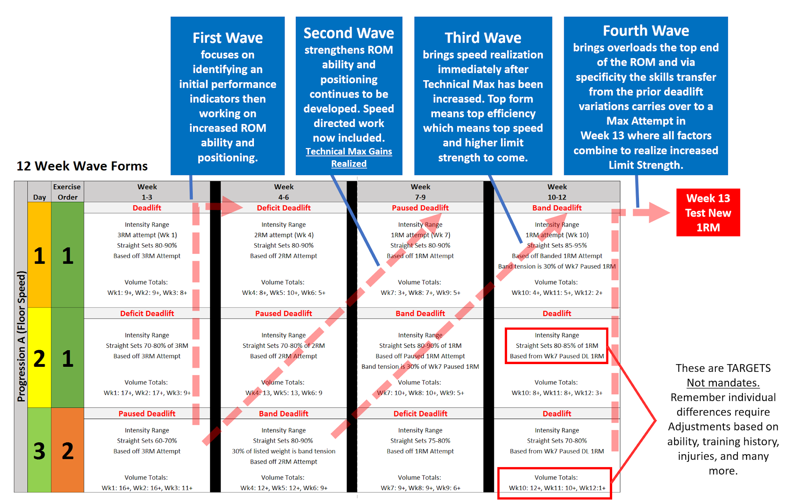
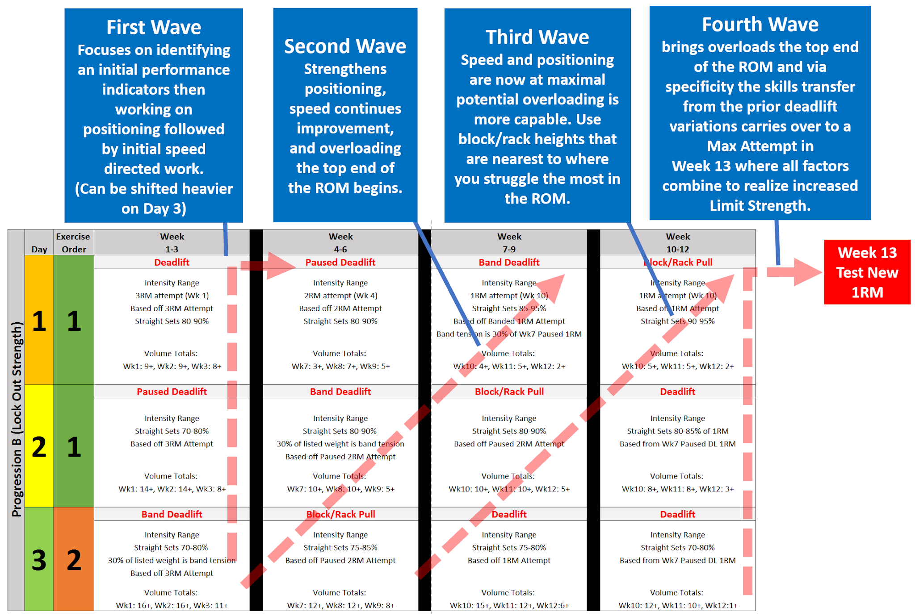
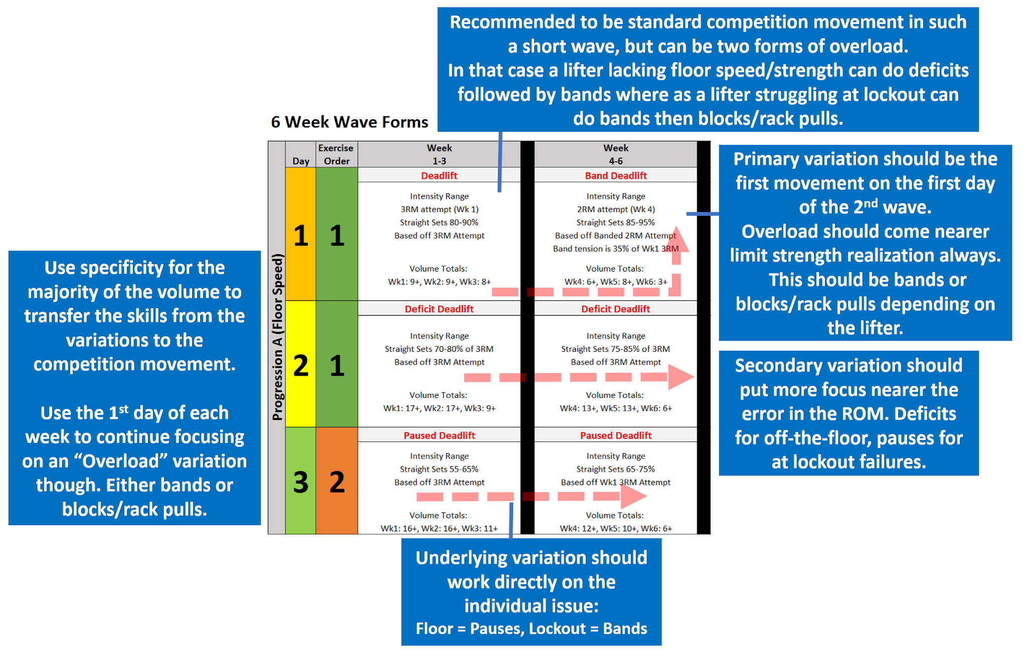
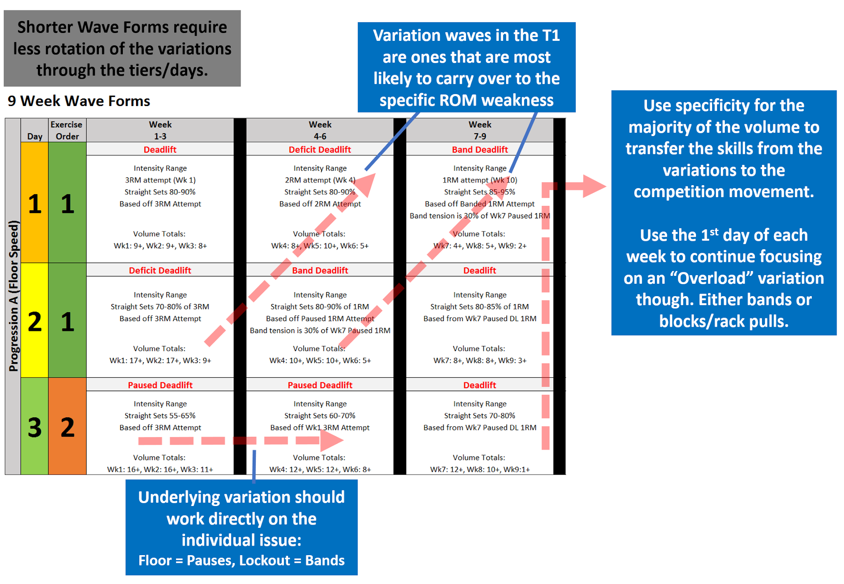
12 Week Wave Forms |  |  |  |  |  |  | 9 Week Wave Forms |  |  |  |  |  | 6 Week Wave Forms

Progression A (Floor Speed) |  | Exercise | Week | Week | Week | Week | Progression A (Floor Speed) |  | Exercise | Week | Week | Week | Progression A (Floor Speed) |  | Exercise | Week | Week
 | Day | Order | 1-3 | 4-6 | 7-9 | 10-12 |  | Day | Order | 1-3 | 4-6 | 7-9 |  | Day | Order | 1-3 | 4-6
 | 1 | 1 | Deadlift | Deficit Deadlift | Paused Deadlift | Band Deadlift |  | 1 | 1 | Deadlift | Deficit Deadlift | Band Deadlift |  | 1 | 1 | Deadlift | Band Deadlift

 |  |  | Intensity Range | Intensity Range | Intensity Range | Intensity Range |  |  |  | Intensity Range | Intensity Range | Intensity Range |  |  |  | Intensity Range | Intensity Range
 |  |  | 3RM attempt (Wk 1) | 2RM attempt (Wk 4) | 1RM attempt (Wk 7) | 1RM attempt (Wk 10) |  |  |  | 3RM attempt (Wk 1) | 2RM attempt (Wk 4) | 1RM attempt (Wk 10) |  |  |  | 3RM attempt (Wk 1) | 2RM attempt (Wk 4)
 |  |  | Straight Sets 80-90% | Straight Sets 80-90% | Straight Sets 80-90% | Straight Sets 85-95% |  |  |  | Straight Sets 80-90% | Straight Sets 80-90% | Straight Sets 85-95% |  |  |  | Straight Sets 80-90% | Straight Sets 85-95%
 |  |  | Based off 3RM Attempt | Based off 2RM Attempt | Based off 1RM Attempt | Based off Banded 1RM Attempt |  |  |  | Based off 3RM Attempt | Based off 2RM Attempt | Based off Banded 1RM Attempt |  |  |  | Based off 3RM Attempt | Based off Banded 2RM Attempt
 |  |  |  |  |  | Band tension is 30% of Wk7 Paused 1RM |  |  |  |  |  | Band tension is 30% of Wk7 Paused 1RM |  |  |  |  | Band tension is 35% of Wk1 3RM

 |  |  | Volume Totals: | Volume Totals: | Volume Totals: | Volume Totals: |  |  |  | Volume Totals: | Volume Totals: | Volume Totals: |  |  |  | Volume Totals: | Volume Totals:
 |  |  | Wk1: 9+, Wk2: 9+, Wk3: 8+ | Wk4: 8+, Wk5: 10+, Wk6: 5+ | Wk7: 3+, Wk8: 7+, Wk9: 5+ | Wk10: 4+, Wk11: 5+, Wk12: 2+ |  |  |  | Wk1: 9+, Wk2: 9+, Wk3: 8+ | Wk4: 8+, Wk5: 10+, Wk6: 5+ | Wk7: 4+, Wk8: 5+, Wk9: 2+ |  |  |  | Wk1: 9+, Wk2: 9+, Wk3: 8+ | Wk4: 6+, Wk5: 8+, Wk6: 3+

 | 2 | 1 | Deficit Deadlift | Paused Deadlift | Band Deadlift | Deadlift |  | 2 | 1 | Deficit Deadlift | Band Deadlift | Deadlift |  | 2 | 1 | Deficit Deadlift | Deficit Deadlift

 |  |  | Intensity Range | Intensity Range | Intensity Range | Intensity Range |  |  |  | Intensity Range | Intensity Range | Intensity Range |  |  |  | Intensity Range | Intensity Range
 |  |  | Straight Sets 70-80% of 3RM | Straight Sets 70-80% of 2RM | Straight Sets 80-90% of 1RM | Straight Sets 80-85% of 1RM |  |  |  | Straight Sets 70-80% of 3RM | Straight Sets 80-90% of 1RM | Straight Sets 80-85% of 1RM |  |  |  | Straight Sets 70-80% of 3RM | Straight Sets 75-85% of 3RM
 |  |  | Based off 3RM Attempt | Based off 2RM Attempt | Based off Paused 1RM Attempt | Based from Wk7 Paused DL 1RM |  |  |  | Based off 3RM Attempt | Based off Paused 1RM Attempt | Based from Wk7 Paused DL 1RM |  |  |  | Based off 3RM Attempt | Based off 3RM Attempt
 |  |  |  |  | Band tension is 30% of Wk7 Paused 1RM |  |  |  |  |  | Band tension is 30% of Wk7 Paused 1RM

 |  |  | Volume Totals: | Volume Totals: | Volume Totals: | Volume Totals: |  |  |  | Volume Totals: | Volume Totals: | Volume Totals: |  |  |  | Volume Totals: | Volume Totals:
 |  |  | Wk1: 17+, Wk2: 17+, Wk3: 9+ | Wk4: 13, Wk5: 13, Wk6: 9 | Wk7: 10+, Wk8: 10+, Wk9: 5+ | Wk10: 8+, Wk11: 8+, Wk12: 3+ |  |  |  | Wk1: 17+, Wk2: 17+, Wk3: 9+ | Wk4: 10+, Wk5: 10+, Wk6: 5+ | Wk7: 8+, Wk8: 8+, Wk9: 3+ |  |  |  | Wk1: 17+, Wk2: 17+, Wk3: 9+ | Wk4: 13+, Wk5: 13+, Wk6: 6+

 | 3 | 2 | Paused Deadlift | Band Deadlift | Deficit Deadlift | Deadlift |  | 3 | 2 | Paused Deadlift | Paused Deadlift | Deadlift |  | 3 | 2 | Paused Deadlift | Paused Deadlift

 |  |  | Intensity Range | Intensity Range | Intensity Range | Intensity Range |  |  |  | Intensity Range | Intensity Range | Intensity Range |  |  |  | Intensity Range | Intensity Range
 |  |  | Straight Sets 60-70% | Straight Sets 80-90% | Straight Sets 75-80% | Straight Sets 70-80% |  |  |  | Straight Sets 55-65% | Straight Sets 60-70% | Straight Sets 70-80% |  |  |  | Straight Sets 55-65% | Straight Sets 65-75%
 |  |  | Based off 3RM Attempt | 30% of listed weight is band tension | Based off 1RM Attempt | Based from Wk7 Paused DL 1RM |  |  |  | Based off 3RM Attempt | Based off Wk1 3RM Attempt | Based from Wk7 Paused DL 1RM |  |  |  | Based off 3RM Attempt | Based off Wk1 3RM Attempt
 |  |  |  | Based off 2RM Attempt

 |  |  | Volume Totals: | Volume Totals: | Volume Totals: | Volume Totals: |  |  |  | Volume Totals: | Volume Totals: | Volume Totals: |  |  |  | Volume Totals: | Volume Totals:
 |  |  | Wk1: 16+, Wk2: 16+, Wk3: 11+ | Wk4: 12+, Wk5: 12+, Wk6: 9+ | Wk7: 9+, Wk8: 9+, Wk9: 6+ | Wk10: 12+, Wk11: 10+, Wk12:1+ |  |  |  | Wk1: 16+, Wk2: 16+, Wk3: 11+ | Wk4: 12+, Wk5: 12+, Wk6: 8+ | Wk7: 12+, Wk8: 10+, Wk9:1+ |  |  |  | Wk1: 16+, Wk2: 16+, Wk3: 11+ | Wk4: 12+, Wk5: 10+, Wk6: 6+

Progression B (Lock Out Strength) |  | Exercise | Week | Week | Week | Week | Progression B (Lock Out Strength) |  | Exercise | Week | Week | Week | Progression B (Lock Out Strength) |  | Exercise | Week | Week
 | Day | Order | 1-3 | 4-6 | 7-9 | 10-12 |  | Day | Order | 1-3 | 4-6 | 7-9 |  | Day | Order | 1-3 | 4-6
 | 1 | 1 | Deadlift | Paused Deadlift | Band Deadlift | Block/Rack Pull |  | 1 | 1 | Deadlift | Paused Deadlift | Block/Rack Pull |  | 1 | 1 | Deadlift | Block/Rack Pull

 |  |  | Intensity Range | Intensity Range | Intensity Range | Intensity Range |  |  |  | Intensity Range | Intensity Range | Intensity Range |  |  |  | Intensity Range | Intensity Range
 |  |  | 3RM attempt (Wk 1) | 2RM attempt (Wk 4) | 1RM attempt (Wk 10) | 1RM attempt (Wk 10) |  |  |  | 3RM attempt (Wk 1) | 2RM attempt (Wk 4) | 1RM attempt (Wk 10) |  |  |  | 3RM attempt (Wk 1) | 2RM attempt (Wk 4)
 |  |  | Based off 3RM Attempt | Based off 2RM Attempt | Straight Sets 85-95% | Based off 1RM Attempt |  |  |  | Based off 3RM Attempt | Based off 2RM Attempt | Based off 1RM Attempt |  |  |  | Based off 3RM Attempt | Based off 2RM Attempt
 |  |  | Straight Sets 80-90% | Straight Sets 80-90% | Based off Banded 1RM Attempt | Straight Sets 90-95% |  |  |  | Straight Sets 80-90% | Straight Sets 82-95% | Straight Sets 90-95% |  |  |  | Straight Sets 80-90% | Straight Sets 90-95%
 |  |  |  |  | Band tension is 30% of Wk7 Paused 1RM

 |  |  | Volume Totals: | Volume Totals: | Volume Totals: | Volume Totals: |  |  |  | Volume Totals: | Volume Totals: | Volume Totals: |  |  |  | Volume Totals: | Volume Totals:
 |  |  | Wk1: 9+, Wk2: 9+, Wk3: 8+ | Wk7: 3+, Wk8: 7+, Wk9: 5+ | Wk10: 4+, Wk11: 5+, Wk12: 2+ | Wk10: 5+, Wk11: 5+, Wk12: 2+ |  |  |  | Wk1: 9+, Wk2: 9+, Wk3: 8+ | Wk4: 3+, Wk5: 7+, Wk6: 5+ | Wk7: 5+, Wk8: 5+, Wk9: 2+ |  |  |  | Wk1: 9+, Wk2: 9+, Wk3: 8+ | Wk4: 5+, Wk5: 5+, Wk6: 2+

 | 2 | 1 | Paused Deadlift | Band Deadlift | Block/Rack Pull | Deadlift |  | 2 | 1 | Paused Deadlift | Block/Rack Pull | Deadlift |  | 2 | 1 | Paused Deadlift | Paused Deadlift

 |  |  | Intensity Range | Intensity Range | Intensity Range | Intensity Range |  |  |  | Intensity Range | Intensity Range | Intensity Range |  |  |  | Intensity Range | Intensity Range
 |  |  | Straight Sets 70-80% | Straight Sets 80-90% | Straight Sets 80-90% | Straight Sets 80-85% of 1RM |  |  |  | Straight Sets 70-80% | Straight Sets 80-90% | Straight Sets 80-85% of 1RM |  |  |  | Straight Sets 70-80% | Straight Sets 75-85%
 |  |  | Based off 3RM Attempt | 30% of listed weight is band tension | Based off Paused 2RM Attempt | Based from Wk7 Paused DL 1RM |  |  |  | Based off 3RM Attempt | Based off Paused 2RM Attempt | Based from Wk7 Paused DL 1RM |  |  |  | Based off 3RM Attempt | Based off 3RM Attempt
 |  |  |  | Based off Paused 2RM Attempt

 |  |  | Volume Totals: | Volume Totals: | Volume Totals: | Volume Totals: |  |  |  | Volume Totals: | Volume Totals: | Volume Totals: |  |  |  | Volume Totals: | Volume Totals:
 |  |  | Wk1: 14+, Wk2: 14+, Wk3: 8+ | Wk7: 10+, Wk8: 10+, Wk9: 5+ | Wk10: 10+, Wk11: 10+, Wk12: 5+ | Wk10: 8+, Wk11: 8+, Wk12: 3+ |  |  |  | Wk1: 14+, Wk2: 14+, Wk3: 8+ | Wk4: 10+, Wk5: 10+, Wk6: 5+ | Wk7: 8+, Wk8: 8+, Wk9: 3+ |  |  |  | Wk1: 14+, Wk2: 14+, Wk3: 8+ | Wk4: 14+, Wk5: 14+, Wk6: 8+

 | 3 | 2 | Band Deadlift | Block/Rack Pull | Deadlift | Deadlift |  | 3 | 2 | Band Deadlift | Band Deadlift | Deadlift |  | 3 | 2 | Band Deadlift | Band Deadlift

 |  |  | Intensity Range | Intensity Range | Intensity Range | Intensity Range |  |  |  | Intensity Range | Intensity Range | Intensity Range |  |  |  | Intensity Range | Intensity Range
 |  |  | Straight Sets 70-80% | Straight Sets 75-85% | Straight Sets 75-80% | Straight Sets 70-80% |  |  |  | Straight Sets 70-80% | Straight Sets 75-85% | Straight Sets 70-80% |  |  |  | Straight Sets 70-80% | Straight Sets 75-85%
 |  |  | 30% of listed weight is band tension | Based off Paused 2RM Attempt | Based off 1RM Attempt | Based from Wk7 Paused DL 1RM |  |  |  | 30% of listed weight is band tension | 30% of listed weight is band tension | Based from Wk7 Paused DL 1RM |  |  |  | 30% of listed weight is band tension | 30% of listed weight is band tension
 |  |  | Based off 3RM Attempt |  |  |  |  |  |  | Based off 3RM Attempt | Based off 3RM Attempt |  |  |  |  | Based off 3RM Attempt | Based off 3RM Attempt

 |  |  | Volume Totals: | Volume Totals: | Volume Totals: | Volume Totals: |  |  |  | Volume Totals: | Volume Totals: | Volume Totals: |  |  |  | Volume Totals: | Volume Totals:
 |  |  | Wk1: 16+, Wk2: 16+, Wk3: 11+ | Wk7: 12+, Wk8: 12+, Wk9: 8+ | Wk10: 15+, Wk11: 12+, Wk12:6+ | Wk10: 12+, Wk11: 10+, Wk12:1+ |  |  |  | Wk1: 16+, Wk2: 16+, Wk3: 11+ | Wk4: 12+, Wk5: 12+, Wk6: 8+ | Wk7: 12+, Wk8: 10+, Wk9:1+ |  |  |  | Wk1: 16+, Wk2: 16+, Wk3: 11+ | Wk4: 12+, Wk5: 10+, Wk6: 6+

