Explanation_of_variables
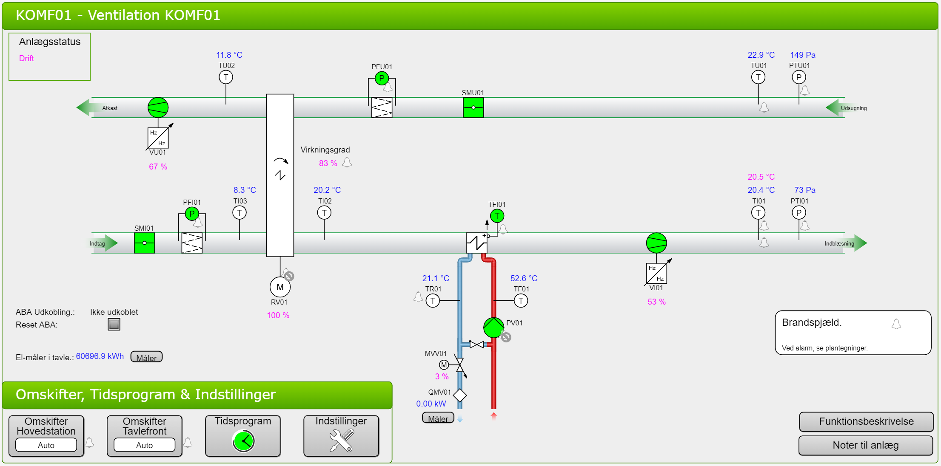
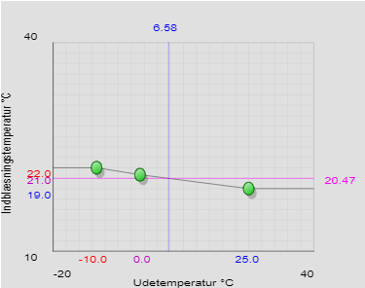
The first variable in the file is the timestamp, which has the following format
DD.MM.YYYY HH:mm:ss

System/zone | File name | Variable name | Data type | Unit | Name in the BMS (see the left picture below) (location if not in the main GUI) | Explanation of variable
KOMF01 (Ventilation system in the west part of the building) | KOMF01_YY_MM_DD_HH | Cooling_recovery_active_if | Float | °C | KØLIG_DIFF_T_AKT_SV (settings) | Cooling recovery is activated if the outdoor temperature is this much higher than the extraction temperature
 |  | Cooling_recovery_inactive_if | Float | °C | KØLIG_DIFF_T_DEAKT_SV (settings) | Cooling recovery is deactivated if the extraction temperature is this much higher than the outdoor temperature
 |  | Exhaust_fan_signal | Float | % | VU01_S | Control signal for the exhaust fan, 0 means that it is stopped and 100 means that it is operating at max
 |  | Exhaust_temperature | Float | °C | TU02 | Temperature of the exhaust measured after exiting the rotary heat exchanger
 |  | Extraction_damper_on-off | Integer (0 or 1) | - | SMU01_K | Status of the extraction damper, if 0 it is closed and if 1 it is open
 |  | Extraction_pressure | Float | Pa | PTU01 | The measured pressure in the extraction duct
 |  | Extraction_pressure_set-point | Float | Pa | PTU01_SV (settings) | The set-point for the pressure in the extraction duct
 |  | Extraction_temperature | Float | °C | TU01 | Temperature of the extraction air
 |  | HC_control_valve | Float | % | MVV01_S | Opening of the control valve on the heating coil, 0 is closed and 100 is fully open
 |  | HC_effect | Float | W | power_f (energymeter) | The power used by the heating coil (can have some delay, due to the mixing loop in the HC)
 |  | HC_energy_accumulated | Float | Wh | elec_whr_f (energymeter) | Accumulated energy use by the heating coil
 |  | HC_flow | Float | l/s | flow_f (energymeter) | Flow leaving the heating coil (does not account for the recirculated flow due to the mixing loop)
 |  | HC_operation_hours_accumulated | Float | h | count_f (energymeter) | Accumulated operation hours of the heating coil
 |  | HC_pump_on-off | Integer (0 or 1) | - | PV01_K | On / off control signal for the heating coil circulating pump, 0 is off and 1 is on
 |  | HC_return_temperature | Float | °C | TR01 | The return temperature of the heating coil measured right after the coil (still in the mixing loop)
 |  | HC_return_temperature_DH | Float | °C | temp_p (energymeter) | The return temperature of the district heating after leaving the heating coil (have left the mixing loop)
 |  | HC_return_temperature_min_limit | Float | °C | TR01_SV (settings) | Minimum limit of the return temperature in the mixing loop of the heating coil
 |  | HC_supply_temperature | Float | °C | TF01 | Supply temperature for the heating coil (in the mixing loop)
 |  | HC_supply_temperature_DH | Float | °C | temp_p (energymeter) | Supply temperature of the district heating for the heating coil (before entering the mixing loop)
 |  | HC_volume_accumulated | Float | l | vol_f (energymeter) | Accumulated volume of district heating water for the heating coil
 |  | HE_efficiency | Float | % | VIRKNINGSGRAD | Measured efficiency of the rotary heat exchanger (assumes balanced air flow)
 |  | HE_signal | Float | % | RV01_S | Control signal for the rotary heat exchanger, 0 is off and 100 is max rotation speed
 |  | Intake_damper_on-off | Integer (0 or 1) | - | SMI01_K | Status of the intake damper, if 0 it is closed and if 1 it is open
 |  | Intake_temperature | Float | °C | TI03 | Temperature of the intake air before entering the rotary heat exchanger
 |  | Night_cooling_active_if_diff_external_temperature_and_room_temperature_above | Float | °C | NATKØL_SV_D_TUD_TRU (settings) | Nigt setback of the supply temperature set-point is active if the room temperature is this much higher than the outdoor temperature (1 of 3 conditions that all must be satisfied)
 |  | Night_cooling_active_if_external_temperature_above | Float | °C | NATKØL_SV_LAV_TUD01 (settings) | Night setback of the supply temperature set-point is active if the outdoor temperature is above this value (1 of 3 conditions that all must be satisfied)
 |  | Night_cooling_active_if_room_temperature_above | Float | °C | NATKØL_SV_TRU01 (settings) | Night setback of the supply temperature set-point is active if the room temperature is above this value (1 of 3 conditions that all must be satisfied)
 |  | Night_cooling_max_operation_hours_per_day | Float | h | NATKØL_SV_TIM_START (settings) | Highest timeperiod the night setback is allowed to run in one night
 |  | Night_heating_active_if_room_temperature_below | Float | °C | NATVARME_SV_TRU01 (settings) | Night increase of the supply temperature set-point is active if the room temperature is below this value
 |  | Night_heating_max_operation_hours_per_day | Float | h | NATVAR_SV_TIM_START (settings) | Highest timeperiod the night increase is allowed to run in one night
 |  | Return_pressure | Float | Pa | PTU01 | -
 |  | Supply_fan_signal | Float | % | VI01_S | Control signal for the supply fan, 0 means that it is stopped and 100 means that it is operating at max
 |  | Supply_pressure | Float | Pa | PTI01 | The measured pressure in the supply duct
 |  | Supply_pressure_set-point | Float | Pa | PTI01_SV (settings) | The set-point for the pressure in the supply duct
 |  | Supply_temperature | Float | °C | TI01 | Temperature of the supply air
 |  | Supply_temperature_curve_X | Float | °C | TI01_KURVE_X (settings) | Current outdoor air temperature (6.58 in the right picture below)
 |  | Supply_temperature_curve_X1 | Float | °C | TI01_KURVE_X1 (settings) | Outdoor air temperature point 1 (-10 in the right picture below)
 |  | Supply_temperature_curve_X2 | Float | °C | TI01_KURVE_X2 (settings) | Outdoor air temperature point 2 (0 in the right picture below)
 |  | Supply_temperature_curve_X3 | Float | °C | TI01_KURVE_X3 (settings) | Outdoor air temperature point 3 (25 in the right picture below)
 |  | Supply_temperature_curve_Y | Float | °C | TI01_KURVE (settings) | Supply air temperature set-point without any additions (night setback, night increase, etc.) (20.47 in the right picture below)
 |  | Supply_temperature_curve_Y1 | Float | °C | TI01_KURVE_Y1 (settings) | Supply air temperature point 1 (22 in the right picture below)
 |  | Supply_temperature_curve_Y2 | Float | °C | TI01_KURVE_Y2 (settings) | Supply air temperature point 2 (21 in the right picture below)
 |  | Supply_temperature_curve_Y3 | Float | °C | TI01_KURVE_Y3 (settings) | Supply air temperature point 3 (19 in the right picture below)
 |  | Supply_temperature_set-point | Float | °C | TI01_KALK_SV | Supply air temperature set-point including any additions (this is the one used for the control of the supply temperature)
 |  | Temperature_after_HE_before_HC | Float | °C | TI02 | Air temperature on the supply side measured after the rotary heat exchanger but before the heating coil
 |  | Winter_mode_active_if_external_temperature_below | Float | °C | TI01_REG_SV_LAV_UT (settings) | Winter mode is activated if the outdoor air temperature is below this value

