Sheet1
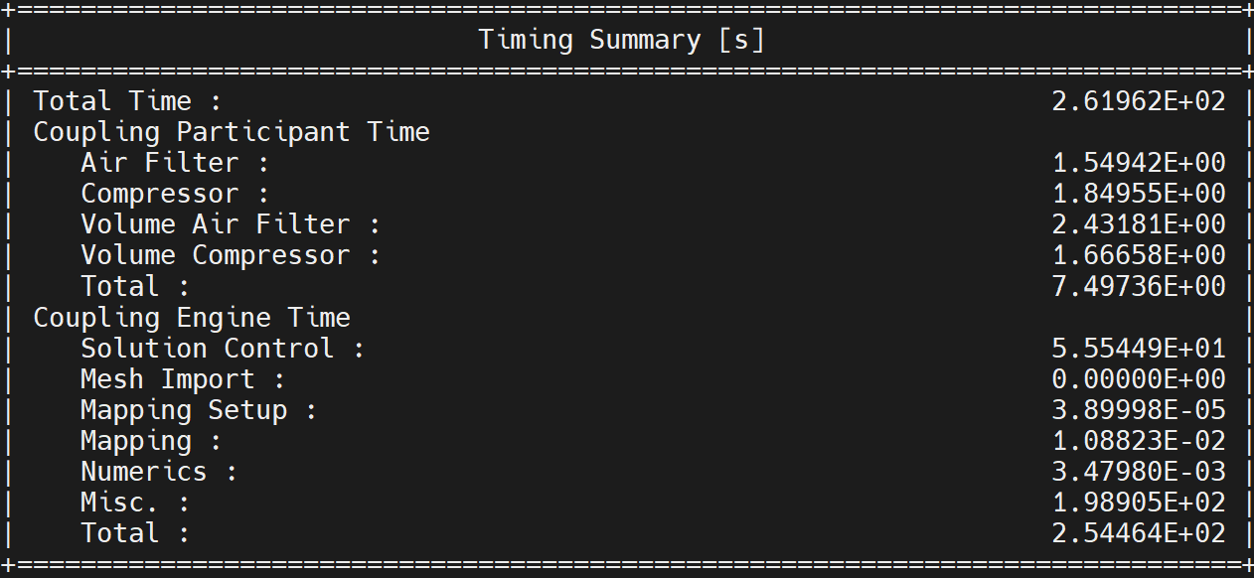
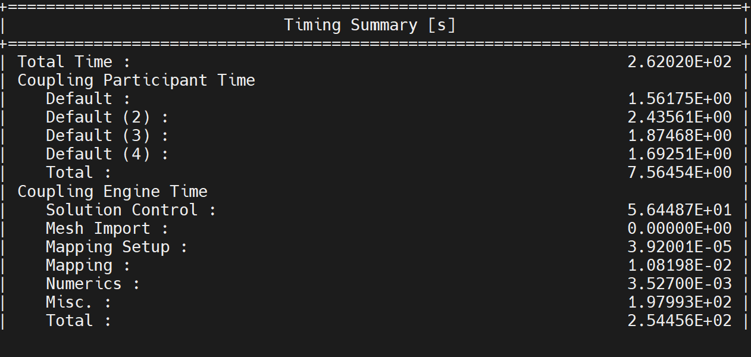
End time (s) | Time step size (s) | Original Implementation | Simple-engine-model | Pysystemcoupling
0.1 | 0.001 | 0.04459

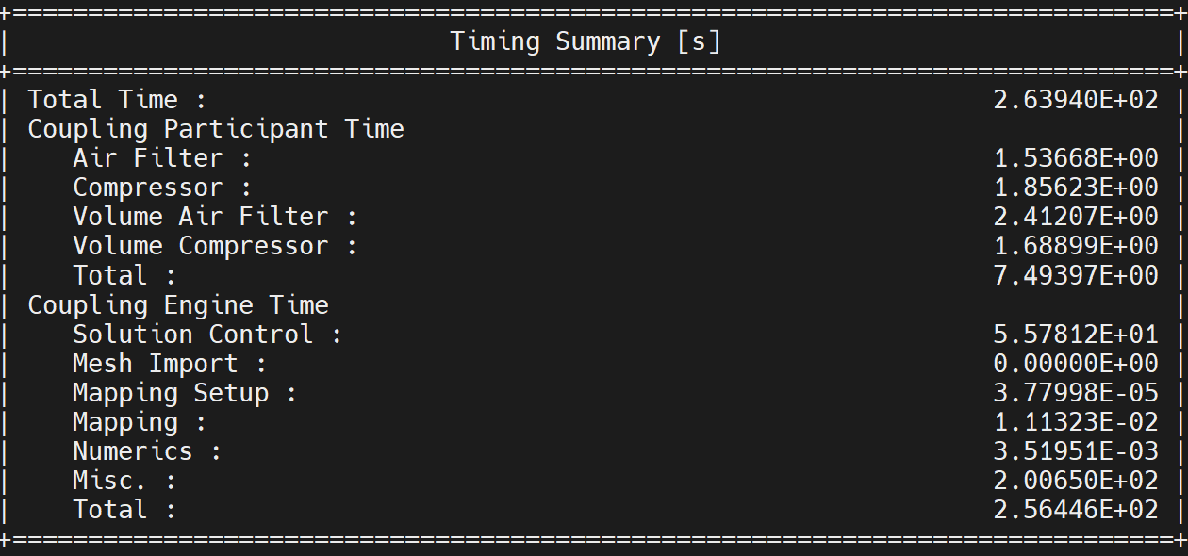
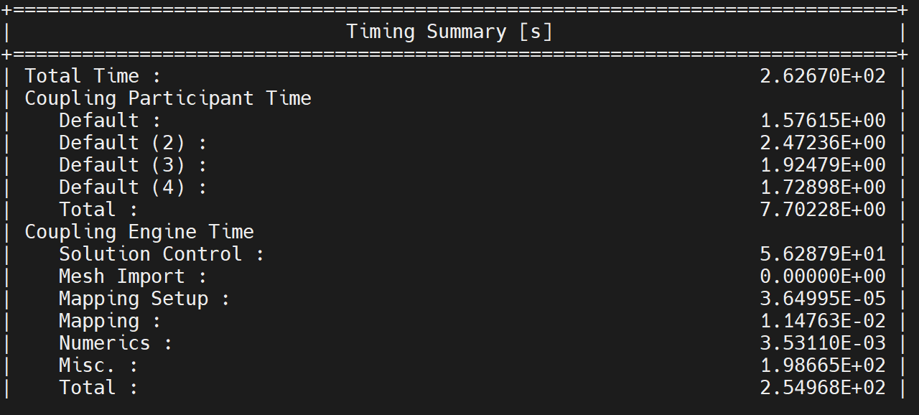
1 | 0.01 | 0.04630


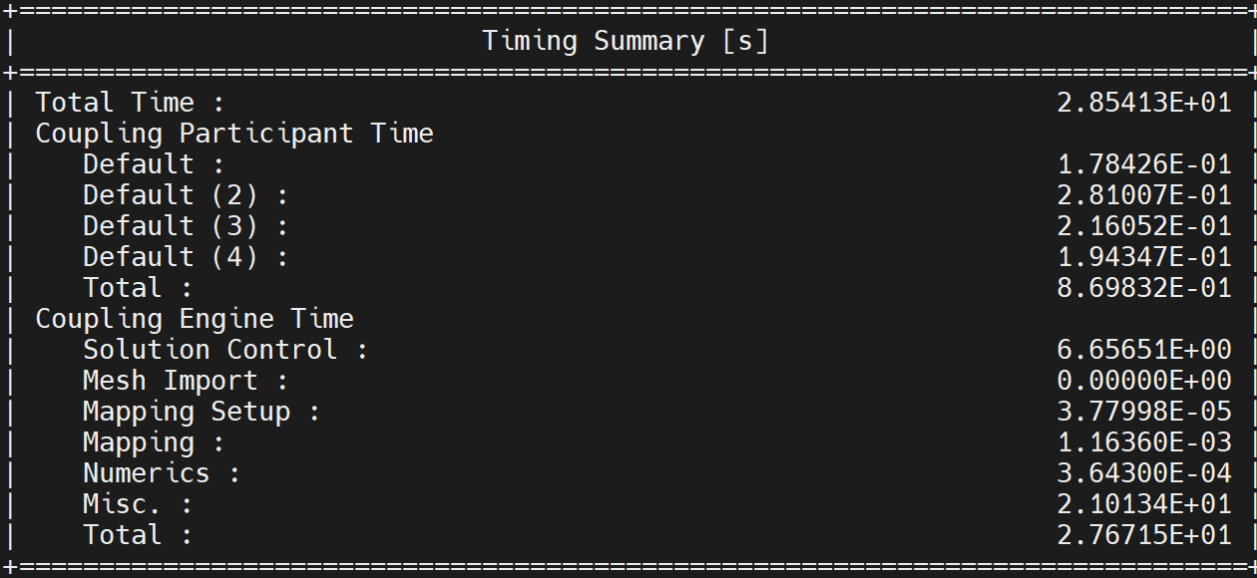
0.1 | 0.01 | 0.02101

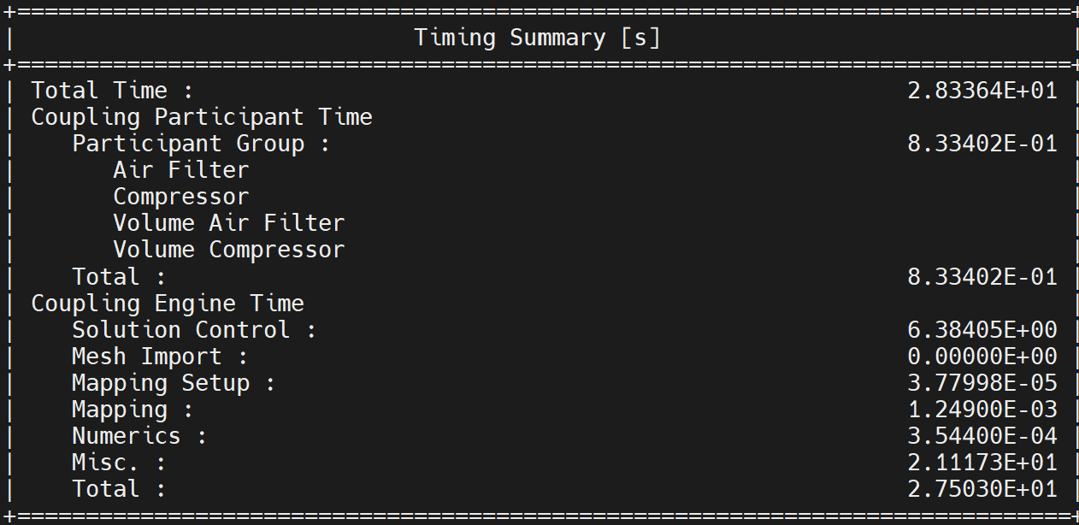
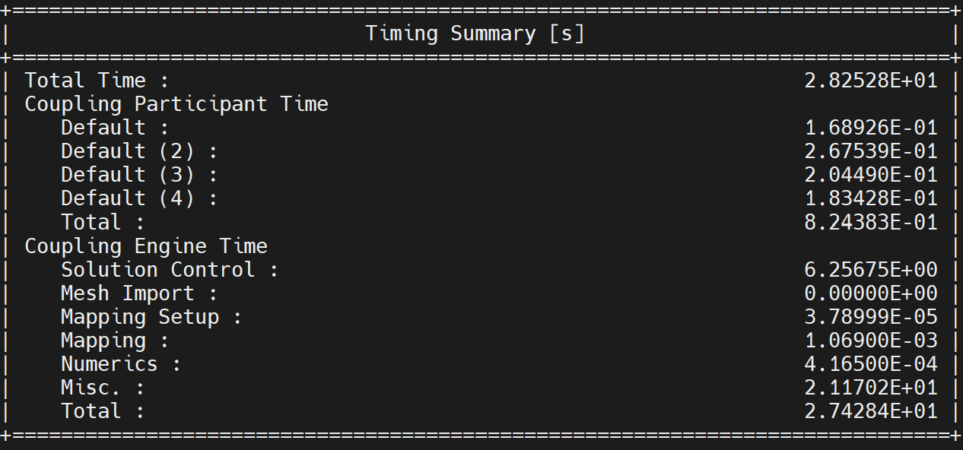
With simultaneous updates
0.1 | 0.01 | 0.01601

