Pivot Table 1
 |  |  |  |  |  |  | Sensitivity | 1 - Specificity | Specificity
 |  |  |  | Good | Cumm. Good | Cumm. Bad | Cumm. Good % | Cumm. Bad % | Cumm. Bad Avoided % | Profit to Business
Decile | Total | Bad | Prob_Threshold | #VALUE! | #VALUE! | Bad | #VALUE! | #VALUE! | #VALUE! | #VALUE!
1 | 60 | 1 | 0.97152842093 | 59 | #VALUE! | #VALUE! | #VALUE! | #VALUE! | #VALUE! | #VALUE!
2 | 60 | 1 | 0.95854731478 | 59 | #VALUE! | #VALUE! | #VALUE! | #VALUE! | #VALUE! | #VALUE!
3 | 60 | 5 | 0.93839543912 | 55 | #VALUE! | #VALUE! | #VALUE! | #VALUE! | #VALUE! | #VALUE!
4 | 60 | 6 | 0.92199286578 | 54 | #VALUE! | #VALUE! | #VALUE! | #VALUE! | #VALUE! | #VALUE!
5 | 60 | 6 | 0.89047437889 | 54 | #VALUE! | #VALUE! | #VALUE! | #VALUE! | #VALUE! | #VALUE!
6 | 60 | 8 | 0.85468050874 | 52 | #VALUE! | #VALUE! | #VALUE! | #VALUE! | #VALUE! | #VALUE!
7 | 60 | 13 | 0.79729991556 | 47 | #VALUE! | #VALUE! | #VALUE! | #VALUE! | #VALUE! | #VALUE!
8 | 60 | 17 | 0.72445885693 | 43 | #VALUE! | #VALUE! | #VALUE! | #VALUE! | #VALUE! | #VALUE!
9 | 60 | 18 | 0.55980358544 | 42 | #VALUE! | #VALUE! | #VALUE! | #VALUE! | #VALUE! | #VALUE!
10 | 60 | 30 | 0.097276204117
Grand Total | 600 | 105 | 0.097276204117

 |  |  |  |  |  | Assumptions
 |  |  |  |  |  | Loss from a bad loan (Target = 1) |  |  | 500
 |  |  |  |  |  | Profit from a good loan (Target = 0) |  |  | 100

 |  |  |  |  |  | Final Recommendation: Keeping Only Profitability in Mind
 |  |  |  |  |  | Approve Loan Application, if Probability for Target = 0 is higher than |  |  | 85.47%

 |  |  |  |  |  | Final Recommendation: Keeping Profitability & Expansion in Mind
 |  |  |  |  |  | Approve Loan Application, if Probability for Target = 0 is higher than |  |  | 79.73%

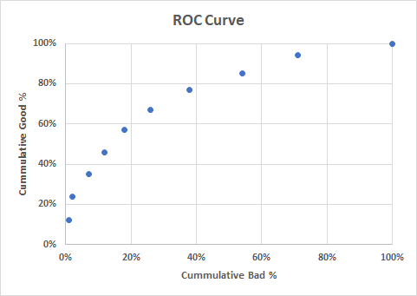

 |  |  |  | Sensitivity

 |  |  |  |  |  |  |  | 1 - Specificity

Precision | Specificity | TP/TP+FP
Recall | Sensitivity | TP/TP+FN

TP | FP
FN | TN

