Sheet1
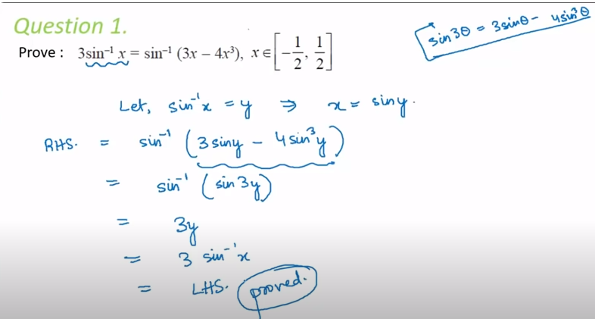
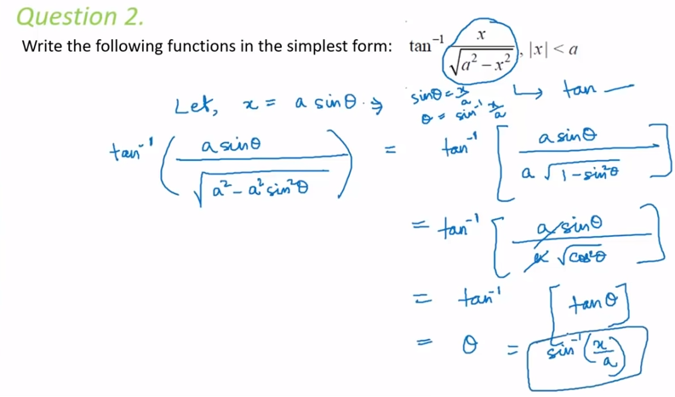
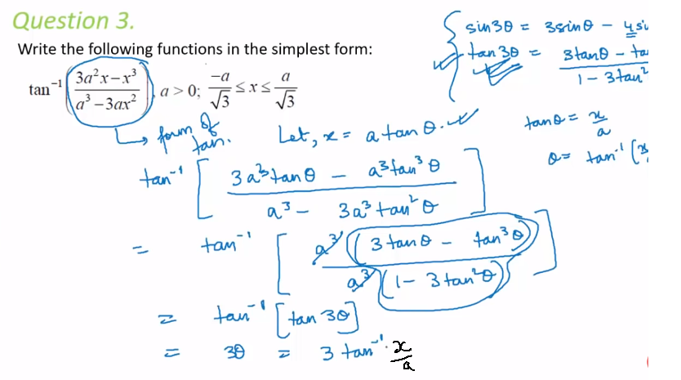
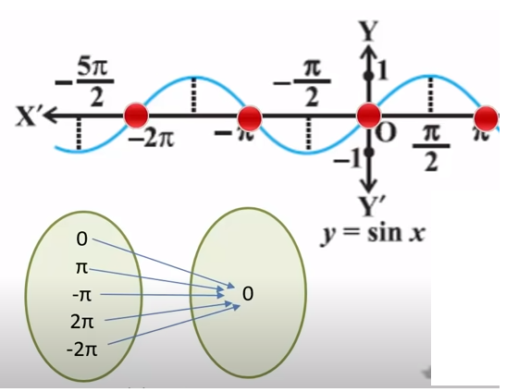
1 | A function's inverser exists (or is inverteble), when the function is one-to-one and onto
2 | All 6 trignometric functions are neither one-to-one , nor onto in their natural domain and ranges
 | 2.1 | example | Sin 0 , Sin Pi, Sin 2Pi , Sin 3Pi are all 0
 |  | Many to one

 | 2.2 | Similarly, for rest 5 trignometric functions are also Many to one
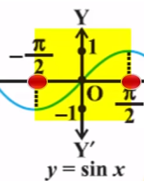

 | 2.3 | If we ristrict the domain of these functions, then we can get one-to-one
 |  | So we want that piece of graph where for different values of X, there are different values of Y

 |  |  | So here the restricted domain is -pi/2 to + pi/2 and the range is 1 to -1

3 | Inverse of Sin x |  | (Start with keeping in mind the plot of the trignometric function)---> like the figure in right
 |  | 3.1 | for function sinx, where domain of x is R (real numbers)
 |  | 3.2 | The value of Sinx for all values of x in R, moves between [-1 and 1] (Please note these are closed intervals, not open intervals, shown with square brackets),,, last values are included
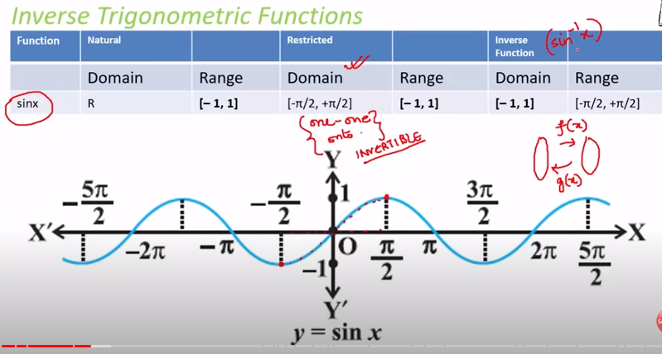
 |  | 3.3 | If we restrict the domain to only between -pi/2 to pi/2, function becomes one-to-one
 |  | 3.4 | The output of sin x in restricted domain will be between -1 and 1
 |  | 3.5 | If there is a inverse function (say g(x)), then domain of g will be range of sin x and range will be domain
 |  | 3.6 | The inverse of Sin x will be

 |  | 3.7 | Please note it is NOT same as |  | Notice the -1 is on x here and not on Sin

 |  | 3.8 | Please note that there is unique y for other domains also , like (pi/2, 3/2pi), (3/2pi, 5/2pi)….
 |  | 3.9 | pi/2, -pi/2 is called principal value range… Rest of the ranges where domain is unique are not principal value range

 |  | 3.1 | We write the function Sin inverse as in image where [1,1] is the domain and --> [-pi/2, pi/2] is range …. (only principle value range is written)

 |  |  | When we have to find the principle value, then it will be within principle range

4 | Inverse of | Cos x
 |  | 4.1 | Domain of cos x is all real numbers and its range is -1 to 1
 |  | 4.2 | The value of Cos x for all values of x in R, moves between [-1 and 1] (Please note these are closed intervals, not open intervals)
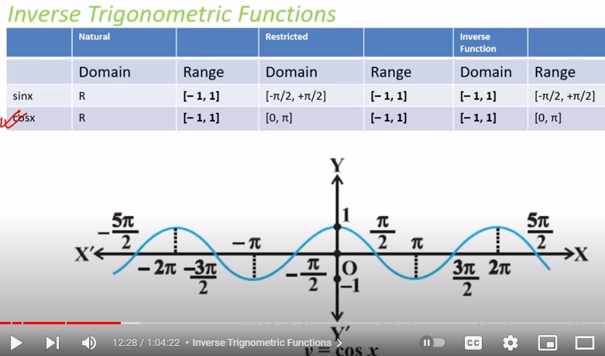

5 | Inverse of | cosec x
 |  | 5.1 | cosec is inverse of sine and is not defined where sin value is 0, like 0,pi, 2pi, 3pi, 4pi -2pi etc.
 |  | 5.2 | start with a recap of how the plot looks like
 |  | 5.3 | So the domain of cosec x is all the real numbers except where sinx is 0, like n*pi, where n is interger(Z)
 |  | 5.4 | Here the value of cosec at pi/2 and -pi/2 is not
 |  | 5.5 | here the value of Y at pi/2 is 1 and -pi/2 is -1 and the values of Y do not come in this range, so range is R-(-1,1) … Here R and -1,1 are possible, but values between 1 and -1 are not possible
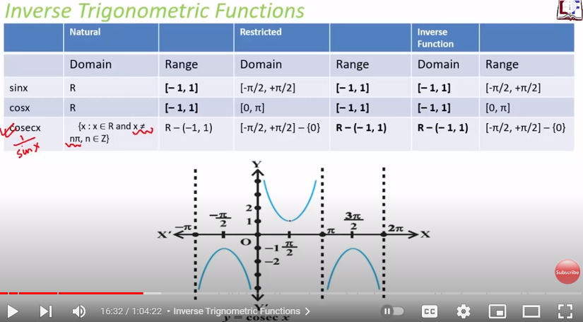

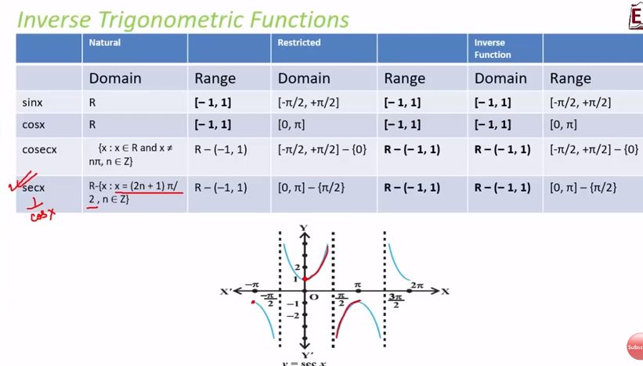

6 | Inverse of | Sec x

7 | inverse of | tan x

 |  |  | 7.1 | Here at -pi/2 and pi/2 the values are undefined
 |  |  | 7.2 | Note that the restricted domain is open interval and does NOT include (-pi/2 and pi/2)
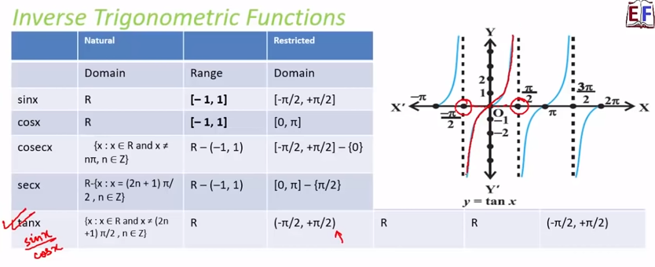

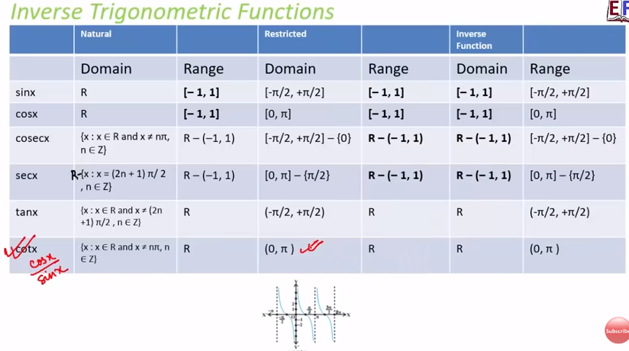
8 | inverse of | cot x

 |  |  | Inverse of Sin x ---> |  |  | Sin (1/x)
9 | These are different

 |  |  | Inverse of Cos x---> |  |  | cos (1/x)

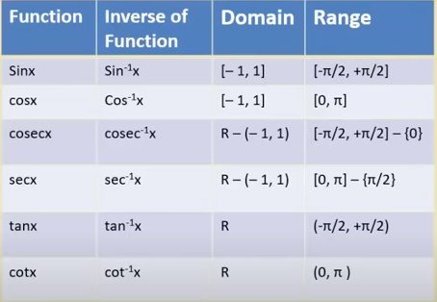

10 | Inverse Trignometric function Summary

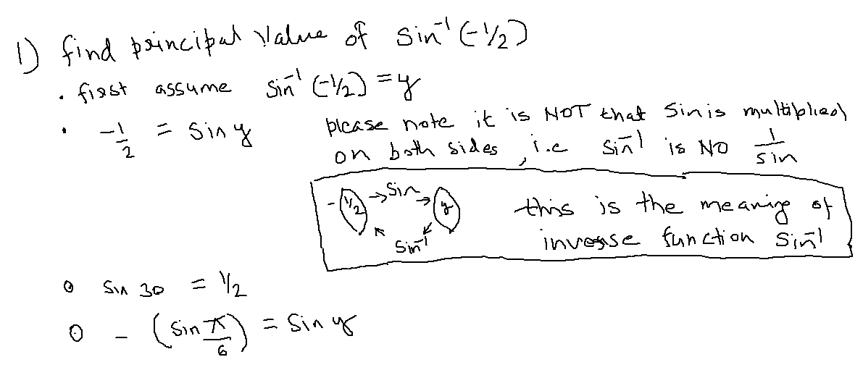

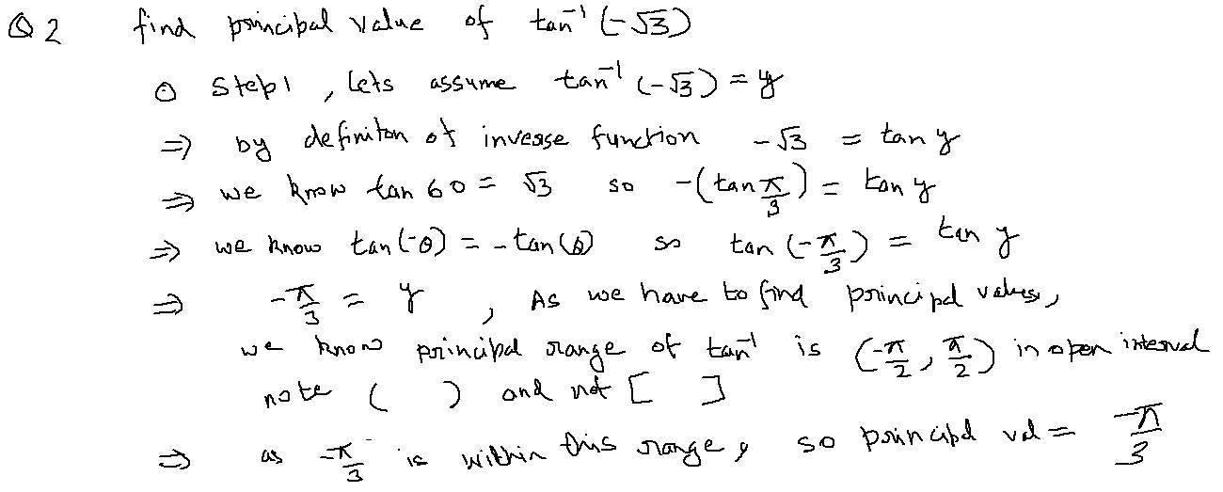

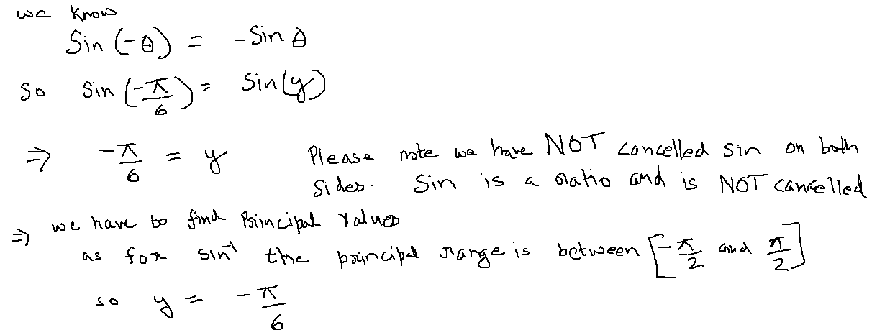

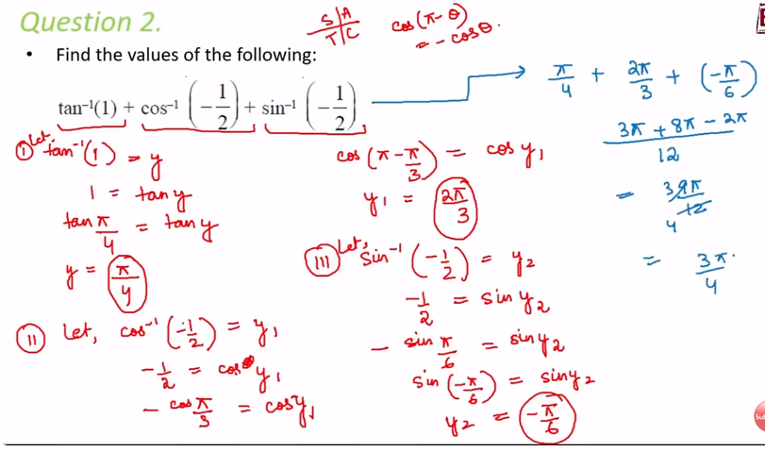

5 Types of formulas |  |  | These are True in Principal value range ONLY
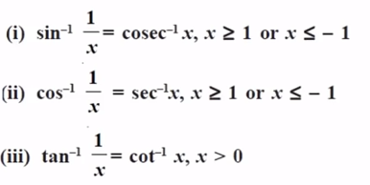
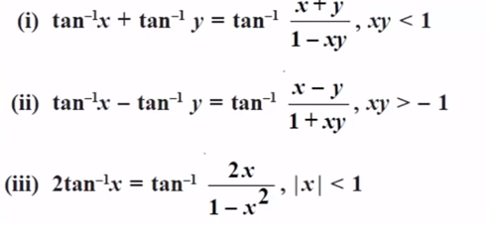
Type 1 |  |  |  |  | Type 4

Type 2

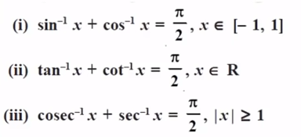
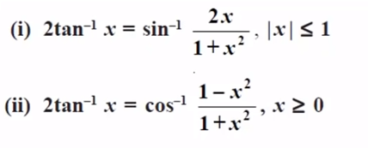
Type 3 |  |  |  |  |  | Type 5

