Sheet1

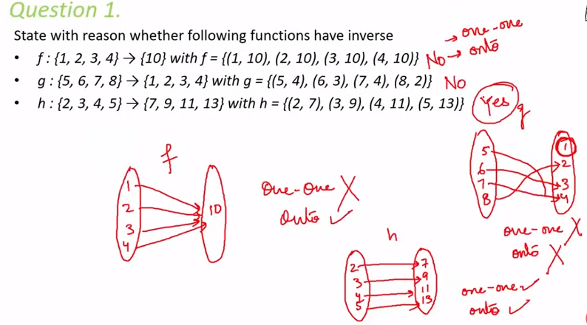
1) | Refresh |  |  |  |  |  |  |  |  |  | 1 | Some Example of relation
 |  | Domain |  |  |  |  |  |  |  |  |  | p > Q
 |  | co-domain |  |  |  |  |  |  |  |  |  | line m is paralle to line n
 |  | Range |  |  |  |  |  |  |  |  |  | line n is perpendicular to line m
 |  | real value function and graphs
 |  | Real, Natural, integers |  |  |  |  |  |  |  |  | 2 | Real numbers : |  | 1, 1.2, -9.02, pi, 0
 |  | set | {a,b,c,d} |  |  |  |  |  |  |  | 3 | Natural numbers: |  | 1,2,3,4,5 |  | 0 is not Natural number |  | Only +ve
 |  |  |  |  |  |  |  |  |  |  | 4 | Whole Numbers: |  | 0 and all Natural number
2) | Relation |  |  |  |  |  |  |  |  |  | 5 | Integers: |  | 0,1,2,3,4 | ,-1,-2,-3 |  | can be -ve
 |  | aRb or (a,b)Belongs to R |  |  | This is how relation is represented

 |  | Two objects or quantities are related if there is a recognizable connection or link between the two
 |  | Example | A= set of class 12 students and each element of A is denoted by 'a'
 |  |  | B= set of class 11 students and each element of B is denoted by 'b'

 |  |  | {(a,b) A*B: a is brother of b}

 |  | We define a relation R from A to B as an arbitrary subest of A*B |  |  |  |  |  | In terms of sets, relation is defined as Subset of cateasean produst of elements of sets

3) | Types of Relations
 | A relation in a set A is a subset of A*A. This means that if you take each element of A and check the relation with all other elements of A, then there will be a subset of elements where the relation may hold true
 | Thus empty set and A*A are two extreme relations where none or all elements are related
 |  | Example
 |  |  | Set A = {1,2,3,4}
 |  |  | Relation R is defined as |  |  | R = {(a,b): a-b>10}
 |  |  | Take (each element 'a' from set A and compare with each other element 'b')
 |  |  | The result is empty or NULL set

 | 3.1) | Empty Relation
 |  |  | A relation R in a set A is called empty relation when no element 'a' of A is related to any other element 'a' of A

 | 3.2) | Universal Relation
 |  |  | A relation R in a set A is said to be universal when each element 'a' of A is related with every other element 'a' of A

 | 3.3) | Eqivalance Relation
 |  |  | Reflexive |  | if(a,a) belongs to R for every (ALL) a in A
 |  |  | Symetric |  | if(a1,a2) belongs to R implies that (a2,a1) belongs to R for all a1,a2 of set A
 |  |  | Transitive |  | if (a1,a2) belongs to R and (a2,a3) implies (a1,a3) belongs to R for all a1, a2 and a3 of set A

 |  | 3.3.1) | Example 1 of Reflexive |  |  | set A= {1,2,3}
 |  |  |  |  |  | R= {(1,2),(2,3),(3,1), (2,1),(1,3),(1,1),(2,2), (3,3)}
 |  |  |  |  |  | As (1,1), (2,2) and (3,3) all belong to R, |  | So this is reflexive

 |  |  | Example of not Refelexive
 |  |  |  |  |  | set A= {1,2,3}
 |  |  |  |  |  | R1 = {(1,2),(2,3),(3,1),(2,1) , (1,1)} |  |  | The relation here is in roster form
 |  |  |  |  |  | As (2,2) and (3,3) are not in R, it os not reflexive

 |  |  | Example 1 of Reflexive |  |  | A = R (Set of real numbers)
 |  |  |  |  |  | R1 is a relation , R1 = {(a,b) : a<= b} |  |  | The relation here is shown in Set builder form
 |  |  |  |  |  | (a,a) will always belong to R1 as every element will be equal to itself

 |  |  | Example of not Refelexive |  |  | A = R (Set of real numbers)
 |  |  |  |  |  | R2 is a relation , R2 = {(a,b): b= a+1}
 |  |  |  |  |  | Here (a,a) will not belong to R2 as 1 needs to be added and hence it will not be same

 |  | 3.3.2) | Symetric Relation
 |  |  | if (a1,a2) belongs to R implies (a2,a1) belongs to R for all a1,a2 belongs to R
 |  |  | which means , if (a,b) belongs to R, then (b,a) should also belong to R
 |  |  | Example |  | Roster form
 |  |  |  |  | A is a set {1,2,3}
 |  |  |  |  | Let R be a relation ,, R = {(1,2),(2,3),(1,3),(2,1),(3,1),(3,2),(3,3)}
 |  |  |  |  | here if we take ALL ordered pairs from A and check below
 |  |  |  |  | (1,2) | Both (1,2) and (2,1) are in R
 |  |  |  |  | (1,3) | Both (1,3) and (3,1) are present in R
 |  |  |  |  | (2,3) | Both (2,3) and (3,2) are present in R
 |  |  |  |  | Here (3,3) is extra in R, but that doesn't matter. As per definition this is a symetric relation for set A
 |  |  |  |  | This is Symetric relaation

 |  |  | Example 2 |  | A is a set {1,2,3}
 |  |  |  |  | Let R be a relation ,, R = {(1,2),(2,3),(1,3),(2,1)}
 |  |  |  |  | Here ALL ordered pairs are NOT taken. Here the pair from relation R are taken, (So we will check for {(1,2),(2,3),(1,3),(2,1)}
 |  |  |  |  | 1) | (1,2) and (2,1) are in R
 |  |  |  |  | 2) | Take next ordered pair from R (which is 2,3).. But (3,2) is not in R
 |  |  |  |  | So NOT Symetric

 |  |  | Example 3 |  | In Set builder form
 |  |  |  |  | A = Z (set of Integers)
 |  |  |  |  | A relation is defined as R1… R1= {(x,y): x-y is an integer}
 |  |  |  |  | If we take (1,2) , then x-y = 1, which is an integer and belongs on R1
 |  |  |  |  | also if we now take (2,1), then x-y = -1, which is also an integer and belongs to R1
 |  |  |  |  | So (x,y) belongs to R1 and also (y,x) belongs to R, … So this relation is Symetric

 |  | 3.3.2) | Transitive Relation
 |  |  | if (a1,a2) belong to R and (a2,a3) belong to R implies (a1,a3) also belong to R, then it is a transitive relation for all a1,a2,a3 belong to A

 |  |  | Example 1 |  | A is a set .. A = {1,2,3,4,5,6}
 |  |  |  |  | Relation R is … R= {(x,y): y is divisible by x}
 |  |  |  |  | For a relation to be transitive, it must satisfy the condition.. If (a,b) belong to R and (b,c) belong to R then (a,c)should also belog to R
 |  |  |  |  | Pick any 2 elements from set that satisfy the relation (say, 1,2)
 |  |  |  |  | (1,2) belongs to R as 2 is divisible by 1
 |  |  |  |  | Now take another set that also satisfes the relation and has 2 common, (say 2,4)
 |  |  |  |  | (2,4) also belongs to R as 4 is divisible by 2 and 2 is common
 |  |  |  |  | for the relation to be Transitive, (1,4) should also belong to relation
 |  |  |  |  | As (1,4) also belongs to R, it means this is Transitive relation

 |  |  | Example 2 |  | A is a set of human beings
 |  |  |  |  | Relation is R = {(x,y): x is exactly 7 cm taller than y
 |  |  |  |  | if we take a pair such that a=167 and b= 160 , then it belongs to R
 |  |  |  |  | if we taken another pair with b common(160) and c= 153, then (b,c) also belong to R
 |  |  |  |  | but (a,c) does not belong to R, hence this relation is not transitive

 | Question
 |  | Determine if a relation is reflexive, symetric and transitive,
 |  | Set A | {1,2,3,4,5….13,14}
 |  | R | {(x,y): 3x-y =0}
 |  |  | here (a,a) will never belong to R |  |  |  | So it is not Reflexive
 |  |  | For Symetric, if (a1,a2) belongs to R, then (a2,a1) should also belong to R… So find the pair where relation is true (1,3)
 |  |  | but (3,1) will not belong to R |  |  |  | So it is not Symetric
 |  |  | For Transitive, if we find two pairs where relation satisies .. (1,3) and (3,9)
 |  |  | if we check (1,9) .. This will not be part of relation.. So it is not Transitive
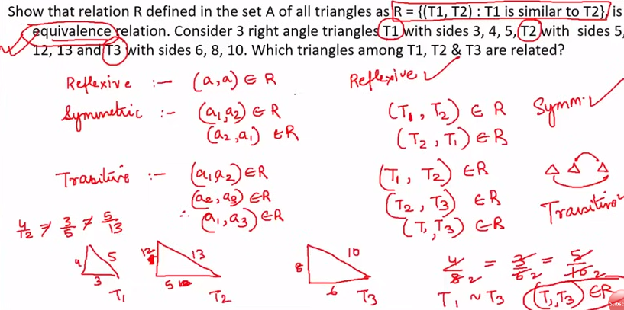

 | Question 2

4) | Types of Functions
 |  | one-one (injective) |  | If image of distinct elements of X under f are distinct ( example f1 , f4)
 |  | many-one |  | f2, f3

 |  | Onto :(surjective) If every element of Y is image of some element of X (not necessarily unique X)
 |  |  | f3 and f4 are onto
 |  | bijective functions: (if function is both Onto and One-One)
 |  |  | f4 is bijective

 |  | So in bijective function
 |  |  | 1) | Each input has unique output
 |  |  | 2) | All outputs are mapped (no orphens)

Question check the injectivity and surjectivity of of following functions

 |  |  |  |  |  |  |  |  |  |  |  |  | Here N---> N means domain is N and Range is N

 |  | Check for One-to-One (injective) |  |  |  |  |  |  |  |  | Check for Onto (Surjective
 |  |  |  |  |  |  |  |  |  | condition of surjective is … for every output value, there should be one input value
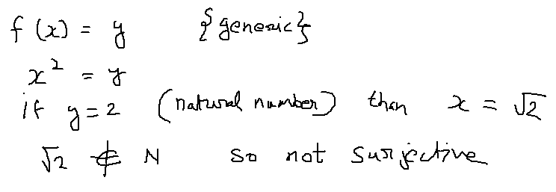

 | Part 2 | f: Z---> Z given by f(x) = square(x)
 |  | Now our set is real number (Z) and not natural nuber (N) |  |  |  |  |  |  |  | Check for Onto for part 2
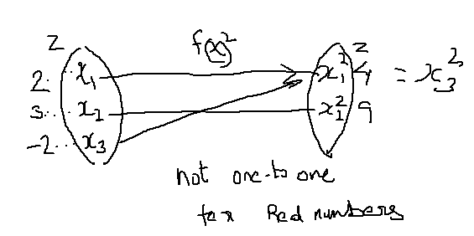

Q2

Composition of Functions
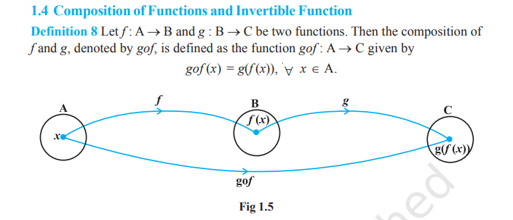

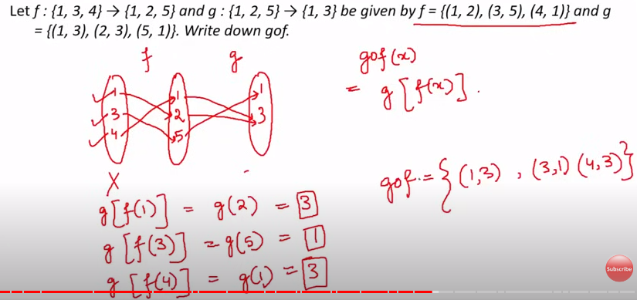

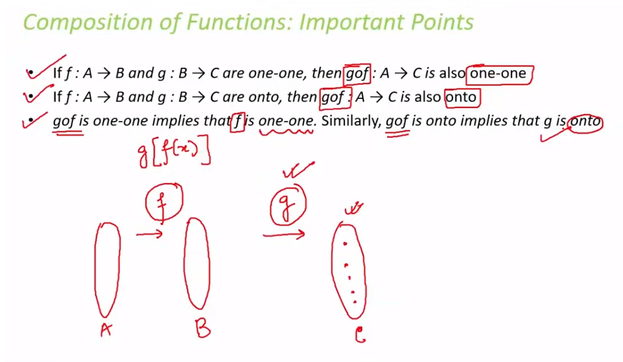

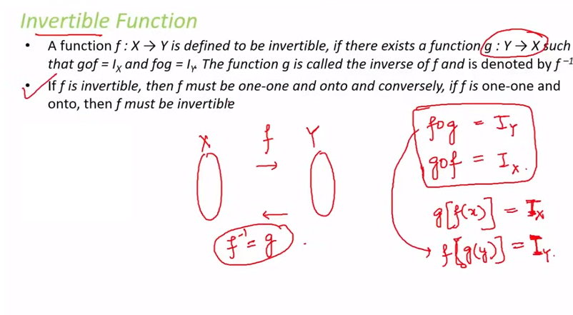

 |  |  |  |  |  |  |  |  |  | f inverse function ---->

