Sheet1
1 | Why Spark
 | 1.1 | Volume |  | Existing apps can not open files and process this volume of data
 |  |  |  | CPU and Memory are not capable to manage this size of data
 | 1.2 | Parallel Processing
 |  |  |  | Spark uses parallel processing to use CPU and memory

 |  |  | Example:
 |  |  |  | If there is a file of 1 GB data, then this is divided(split) into 4 partitions of 250 MB each INSIDE Memory
 |  |  |  |  | So first task is to split |  |  | Who will split the data? Spark does
 |  |  |  |  |  | Each partition is placed in separate machine
 |  |  |  |  | Then the code should be executed in parallel
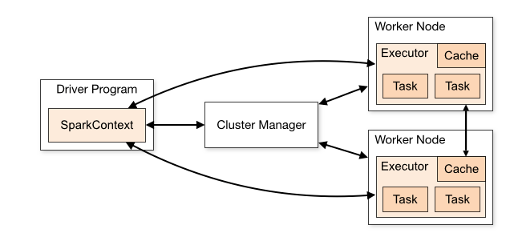
 |  |  |  |  |  | So convert the code to parallel format |  |  |  |  | Who will convert the code to paralle format ? Spark
 |  |  |  |  | Then the result is to be agreegated

 |  |  |  | https://spark.apache.org/

 |  |  |  | https://spark.apache.org/docs/latest/cluster-overview.html
 | 1.3 | Aggregate

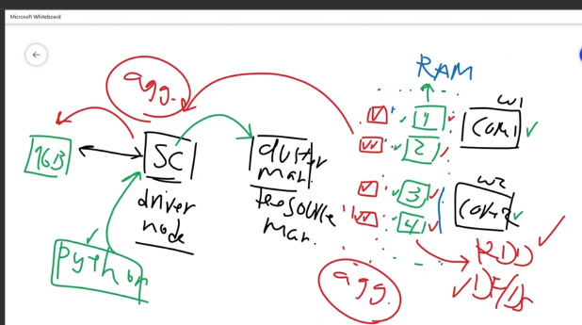
2 | Spark Overview

 |  |  |  |  |  |  |  |  |  |  |  |  | 1 | 1 GB data is sent to Spark engine (called context, Or Driver node)
 |  |  |  |  |  |  |  |  |  |  |  |  | 2 | Let there be 2 cores
 |  |  |  |  |  |  |  |  |  |  |  |  | 3 | RAM is in blue and is shared with both cores
 |  |  |  |  |  |  |  |  |  |  |  |  | 4 | There is a cluster manager (or Resource Manager)
 |  |  |  |  |  |  |  |  |  |  |  |  | 5 | If we say we would like to have 4 partitions. As there are 2 cores, there will be fair distribution of 2 partitions per core
 |  |  |  |  |  |  |  |  |  |  |  |  | 6 | The python code is passed to SC and then cluster manager finds if cores are ready
 |  |  |  |  |  |  |  |  |  |  |  |  | 7 | the red parts show that data partitions are processed in parallel
 |  |  |  |  |  |  |  |  |  |  |  |  | 8 | Once the data is processed, the result is aggregated
 |  |  |  |  |  |  |  |  |  |  |  |  | 9 | aggregation can be done at worker node OR data is sent to diver node and then aggregation is done at dirver node
 |  |  |  |  |  |  |  |  |  |  |  |  | 10 | The 4 partitions can be RDD or DataFrame

3 | Environment collab
 |  | number of partitions is done based on the cores
 |  | SparkContext is driver program
 |  | SparkConfig is to configure spark |  |  |  |  | conf = SparkConf().setApplicationName("ÄppName").setMaster("local[*]") |  |  |  |  |  |  |  | If we need 4 partitions, then we write local[4]
 |  | sc.defaultParallelism() |  |  | given the number of cores

 |  | pip install pyspark
 |  | from pyspark import SparkContext, SparkConf
 |  | conf = SparkConf().setAppName('ap_name').setMaster('local[*]')
 |  | sc = SparkContext(conf= conf)
 |  | rdf1_map.reduce( lambda x,y: fnRed(x,y)) |  |  |  |  |  |  | same as ---> |  | rdf1_map.max() |  |  | fnRed is for max
 |  | rdf1_map= rdf1.map(lambda x: x*2+1) |  |  |  |  |  |  | This will create same number of new partitions with new values as RDD are readonly and old RDDs are not updated

 | Resilient Distributed Dataset
4 | RDD | 1 | If user sends 1 GB of data to spark cluster, then we first see how many cores we have
 |  | 2 | If there are 2 cores and we decide to divide the data in 4 partitions, then the COMBINATION of these 4 partitions is called RDD
 |  | 3 | RDD will take these partions and will apply any changes, amemdments to the partitions
 |  | 4 | RDD is readonly
 |  | 5 | New partitions are craeted of any new value or modification is done
 |  | 6 | RDD is fault tollarent and will recover in case of any issues by using DAG
 |  | 7 | RDD has two operations
 |  |  |  | Trannsformations |  |  | Result of Transformation is A NEW RDD, which is not readable
 |  |  |  | Actions |  |  | It is like display .. Take, collect, count, etc..

 |  | 8 | When calculation is applied, then new partitions are created
 |  |  |  | If there are 4 partitions, and we add 10 as sum, then 4 new partitions are created with 10 added.. As there are 4 new partitions for 4 old partitions, this is called MAPPING
 |  | 9 | There are two ways of creating RDDs
 |  |  | 9.1 | parallelize
 |  |  | 9.2 | Reference external dataset

 |  | 10 | 10.1 | rdd.getNumPartitions().. This will give partitions
 |  |  | 10.2 | rdd.glom().take(2) … Will return two partitions
 |  |  | 10.3 | rdd.glom().take(1000000)[-1] … Will return last partition |  |  |  |  |  |  |  | Here if you put a high number then also take() will not error out
 |  |  | 10.4 | top() will send the data to dirver node, so avoid if data is huge
 |  |  |  | rdd.filter()
 |  |  |  | rdd.repartition(1) |  |  | This will make new and only 1 partition
 |  |  |  | The difference between filter and map is that map will return same number of items if the function is a bool as T,F,T,F etc… Whereas filter will only return values satisfying bool condition
 |  |  |  | flatmap |  | if for each value you want the function to return two or more values, then map will put them in list and return, whereas flatmap will return single list
 |  |  | 10.5 | descriptive statistictics can be applied
 |  |  |  |  | rdd.max()
 |  |  |  |  | rdd.av
 |  |  | 10.6 | mapPartitions().. This will go through each partition and return function value for each partition… user yield in place of return

 |  |  |  |  | def fnRed(x):
 |  |  |  |  | yield max(x)

 |  |  |  |  | rdf1_map.mapPartitions(fnRed).collect()

5 | Advance RDD
 |  | 1 | union
 |  | 2 | intersection
 |  | 3 | coalease is used to reduce the number of partitions if there are empty partitions |  |  |  |  |  |  |  |  | rdd.coalesce(2).glom().collect() |  |  |  | here we want to have 2 partitions
 |  | 4 | takeSample |  | the first argument is withReplacement |  |  |  |  | this should be avoided as this is run on driver node and if resultant dataset is huge, then all that will be loaded in memory
 |  | 5 | takeOrdered () |  | takes one input of number of elements |  |  |  |  | should be avoided and for descending, it is complex and costly
 |  | 6 | reduce |  | aggregates the data elements using a function
 |  |  |  |  | takes 2 inputs
 |  |  |  |  | rdd.reduce(lambda x,y : x-y)
 |  |  |  |  | reduce is action so no need for .collect as it gives one value as output and not rdd
 |  |  | reduceByKey |  | rdd.reduceByKey(lambda x,y: x+y) |  |  |  |  | collect will be required

 |  |  |  |  | here rdd is created which has data as [(40, 110), (41, 121), (42, 433), (44, 221)] |  |  |  |  |  |  |  |  | sc.parallelize([(40, 110), (41, 121), (42, 433), (44, 221)], numOfPartitions)
 |  |  |  |  |  | rdd.keys().take() |  |  | this will give keys…. 40, 41, 42, 43 …
 |  |  |  |  |  | rdd.values().take(4) |  |  | this will give values … 110, 121, 433, 221

 |  |  | sortByKey |  | after reduceByKey |  | sortByKey can be called

 |  |  | groupByKey |  | There is a difference between this and reduceByKey… In reduceByKey we aggregare the result
 |  |  |  |  | groupByKey will make all combinations of keys and values and send to driver node, so it is to be avoided
 |  |  |  |  | The value output for keys is a bit complex.. So see syntax ….
 |  |  | lookup |  | This will get values of key passed as parameter to lookup
 |  |  | cache |  | If there is RDD that is needed again and again
 |  |  |  |  | it will not be deleted by garbage collection
 |  |  | persist |  | If the file is huge and memory is not sufficient, then a combination of memory and disc is used. Persist has storage level and you can set it
 |  |  |  |  | rdd.persist(StorageLevel.Memory_And_Disk)

DF
 |  |  | RDD vs DF | 1 | RDD is any type and DF is more of structured
 |  |  |  | 2 | SparkContext and SQLContext is needed to work with DF
 |  |  |  |  | 3 Ways
 |  |  |  |  |  | 1 | DF StandAlone
 |  |  |  |  |  |  |  | Transformations |  | : | select, Where, Filter, GroupBy
 |  |  |  |  |  |  |  | Action |  | : | show
 |  |  |  |  |  | 2 | Spark SQL |  |  |  | More optimized for complex joins |  |  |  | better CPU and memory utilization |  | catalyst query optimization technique | And project Tungston
 |  |  |  |  |  | 3 | UDF |  |  |  | If any custoized function is to be applied |  |  |  |  |  | catalyst query optimization technique | And project Tungston

 |  |  |  |  |  |  |  |  | calatyst
 |  |  |  |  |  |  |  |  |  | rule based and cost based

 |  |  |  |  |  |  |  |  | Proj Tungston
 |  |  |  |  |  |  |  |  |  | memory mgmt technique
 |  |  |  |  |  |  |  |  |  | cache awareness
 |  |  |  |  |  |  |  |  |  | modern compilors

 |  |  |  | 3 | from pyspark.sql import SparkSession
 |  |  |  |  | spark = SparkSession.builder.master("local[*]").getorCreate()
 |  |  |  |  | spark.read.format('csv').load("path/file.csv")

