CentralTendencyDispersion
1 | Central Tendency: Midpoint of a distribution
2 | Dispersion: Extent to which data is spread in a distribution
3 | Skewed: | Right has long tail in right side
4 | Measurement of central tendency (Ungrouped data)
 | 4.1 | Arithmatic Mean
 |  | 4.1.1 | Mean of Population |  |  |  |  |  |  | x = each element in population
 |  |  |  |  |  |  |  |  |  | N = total count of elemnets in population

 |  | 4.1.2 | Mean of Sample |  |  |  |  |  |  | x = each element in sample
 |  |  |  |  |  |  |  |  |  | n = total count of elemnets in sample

5 | Measurement of central tendency (Grouped data)
 | 5.1 | Arithmatic Mean
 |  |  |  |  |  |  |  |  |  | xbar is sample mean
 |  | 5.1.1 | Mean of Sample |  |  |  |  |  |  | f = frequency of each class
 |  |  |  |  |  |  |  |  |  | x= midpoint of each class
 |  |  |  |  |  |  |  |  |  | n=number of observations in each sample |  |  |  |  | = | sum(f)

 |  | 5.2 | Disadvantages of Averages
 |  |  | 1) impacted by extream values
 |  |  | 2) tedious for large values
 |  |  | 3) not possible in open interval classes

6 | Relative frequency distribution has the % or values of class, and add to 100% for all classes
 | Steps for frequency distribution
 | a) Decide number of classes
 | b) calculate the width of class
 | c) sort the values and count number of entries per class
 | d) Histograms and Frquency polygones.. Ogives show relative frequency

7 | weighted mean
 |  |  |  |  |  |  |  |  | w = weight of each observation

8 | Geometric mean

 | Sometimes values change over time. We need to know "average rate of change" .. like growth rate over several years
 | GM = n√(a1*a2*a3*.... an) |  |  |  |  |  |  |  |  |  |  |  |  | year | interest% | Growth | YrEndVal
 | used with ratios, %change, rate of change |  |  |  |  |  |  |  |  |  |  |  |  | 1 | 7 | 1.07 | 107 | here simple average = (7+8+10+12+18)/5--> 11% which is slightly wrong
 |  |  |  |  |  |  |  |  |  |  |  |  |  | 2 | 8 | 1.08 | 115.56 | correct value comes by using GM --> 5th root(7*8*10*12*18)--->10.93
 |  |  |  |  |  |  |  |  |  |  |  |  |  | 3 | 10 | 1.1 | 127.116 | GM is always slighlt less than simple mean
 |  |  |  |  |  |  |  |  |  |  |  |  |  | 4 | 12 | 1.12 | 142.36992
 |  |  |  |  |  |  |  |  |  |  |  |  |  | 5 | 18 | 1.18 | 167.9965056

9 | as we know .. If aPOWERn = b then a = n√b

10 | Harmonic mean
 | square(GM) = AM * HM
 | AM = (a+b)/2
 | GM = √(a*b)
 | HM = 2*ab/(a+b)
 | HM= n/[(1/r1)+(1/r2)+(1/r3)]

11 | Median
 | It is middlemost term when aranged in asc or desc order

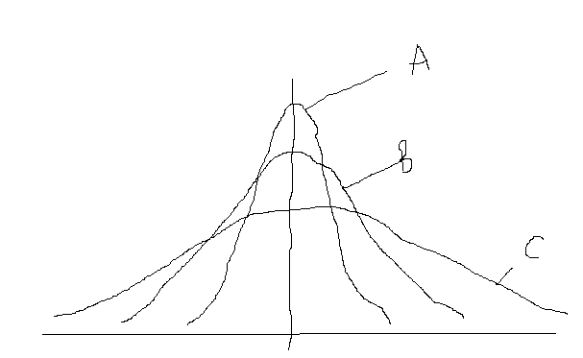
12 | Mode
 | Most repeated value (may not be numeric, like color)

13 | Dispersion
 |  | In this figure ----------------------------------------->
 |  | mean of all three curves is same
 |  | Curve A has least variability (dispersion)
 |  | If we only measure mean, then we will miss variability
 |  | So, to better understand distribution , variation is important

 |  | Dispersion gives RELIABILITY of our central tendency. If data is widly spread, then mean is less representative of data as a whole

14 | Range
 | Highest value - Lowest Value
 | Heavily influnced by extream values
 | fractile divides all values in 3 parts
 | quartile divides all values in 4 parts
 | decile divides all values in 10 parts

15 | Dispersion: Average deviation measures
 | The most comprehensive description of dispersion are those which deal with AVERAGE DEVIATION from some measure of central tendency(like mean,median.etc)
 | Two such measures are VARIANCE and SD. Both these tell average distance of an observation from mean

 | 15.1 | Population Variation
 |  | Every population has variation that is represented by sigma squared

 |  |  |  |  |  |  |  |  |  |  |  |  | x= each item
 |  | Formula of Population Variation ---------------> |  |  |  |  |  |  |  |  |  |  | mu = population mean
 |  | As the difference is squared, unit is squared unit, which is not intutive |  |  |  |  |  |  |  |  |  |  | N= total number of observations in population

 | 15.2 | Population Standard Deviation of ungrouped data
 |  | It is underoot or variance, hence is in same unit as original value
 |  | SD = |  |  | =

 |  |  |  | Elements | Mean
 |  |  |  | x |  |  |  |  |  |  | = | 0.00340
 |  |  |  | 0.04 | 0.166 | -0.126 | 0.015876
 |  |  |  | 0.06 | 0.166 | -0.106 | 0.011236 |  |  |  | = | 0.058286647985 |  | <--This is in same unit as x
 |  |  |  | 0.12 | 0.166 | -0.046 | 0.002116
 |  |  |  | 0.14 | 0.166 | -0.026 | 0.000676
 |  |  |  | 0.14 | 0.166 | -0.026 | 0.000676
 |  |  |  | 0.15 | 0.166 | -0.016 | 0.000256
 |  |  |  | 0.17 | 0.166 | 0.004 | 0.000016
 |  |  |  | 0.17 | 0.166 | 0.004 | 0.000016
 |  |  |  | 0.18 | 0.166 | 0.014 | 0.000196
 |  |  |  | 0.19 | 0.166 | 0.024 | 0.000576
 |  |  |  | 0.21 | 0.166 | 0.044 | 0.001936
 |  |  |  | 0.21 | 0.166 | 0.044 | 0.001936
 |  |  |  | 0.22 | 0.166 | 0.054 | 0.002916
 |  |  |  | 0.24 | 0.166 | 0.074 | 0.005476
 |  |  |  | 0.25 | 0.166 | 0.084 | 0.007056
 |  |  | SUM--> | 2.49 | 0.166 | 2.324 | 0.0510
 |  | Mean--> |  | 0.166

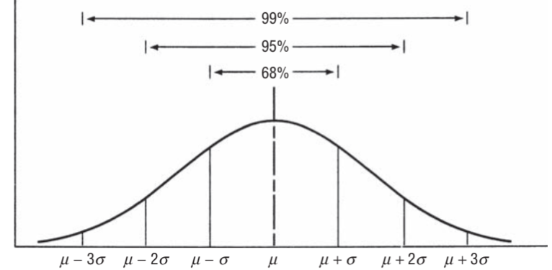
 | 15.3 | Use of Standard Deviation
 |  | SD helps us understand with great deal of accuracy where the individual observations are located w.r.t mean

 |  | in above example, the mean is 0.166 and the SD is 0.058
 |  | so, 95% of the values will be between (.166 - 2*(0.058)) and (.166 + 2*(0.058))

 | 15.4 | Standard Score (z)
 |  | It tells how amany SDs an observation is away from its mean

 |  | Population Standard score |  |  | Z | =

 |  | In above example, if there is an element with value 0.108, and mean of population is 0.166 with SD 0.058, then Z score of this observation is
 |  | z | = | -1

 | 15.5 | Population Standard Deviation of Grouped data
 |  |  |  |  |  |  | f=frequency of each class
 |  |  |  |  |  |  | x=midpoint of each class
 |  |  |  |  |  |  | N=total number of elemnets of population

 |  |  | class | Midpoint | frequency | x*f | Mean | Mid-Mean

 |  |  | 700-799 | 750 | 4 | 3000 | 1250 | -500 | 250000 | 1000000 |  |  |  | = | 66800
 |  |  | 800-899 | 850 | 7 | 5950 | 1250 | -400 | 160000 | 1120000
 |  |  | 900-999 | 950 | 8 | 7600 | 1250 | -300 | 90000 | 720000 |  |  |  | = | 258.45695967
 |  |  | 1000-1099 | 1050 | 10 | 10500 | 1250 | -200 | 40000 | 400000
 |  |  | 1100-1199 | 1150 | 12 | 13800 | 1250 | -100 | 10000 | 120000
 |  |  | 1200-1299 | 1250 | 17 | 21250 | 1250 | 0 | 0 | 0
 |  |  | 1300-1399 | 1350 | 13 | 17550 | 1250 | 100 | 10000 | 130000
 |  |  | 1400-1499 | 1450 | 10 | 14500 | 1250 | 200 | 40000 | 400000
 |  |  | 1500-1599 | 1550 | 9 | 13950 | 1250 | 300 | 90000 | 810000
 |  |  | 1600-1699 | 1650 | 7 | 11550 | 1250 | 400 | 160000 | 1120000
 |  |  | 1700-1799 | 1750 | 2 | 3500 | 1250 | 500 | 250000 | 500000
 |  |  | 1800-1899 | 1850 | 1 | 1850 | 1250 | 600 | 360000 | 360000

 |  |  |  |  | 100 | 125000 |  |  |  | 6680000

 | 15.6 | Sample Standard Deviation
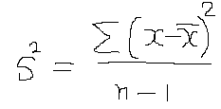

 |  |  | element | Mean
 |  |  | 863 | 1351 | -488 | 238144 |  |  |  |  | = | 144888.18182
 |  |  | 903 | 1351 | -448 | 200704
 |  |  | 957 | 1351 | -394 | 155236 |  |  |  |  | = | 380.64180251
 |  |  | 1041 | 1351 | -310 | 96100
 |  |  | 1138 | 1351 | -213 | 45369
 |  |  | 1204 | 1351 | -147 | 21609
 |  |  | 1354 | 1351 | 3 | 9
 |  |  | 1624 | 1351 | 273 | 74529
 |  |  | 1698 | 1351 | 347 | 120409
 |  |  | 1745 | 1351 | 394 | 155236
 |  |  | 1802 | 1351 | 451 | 203401
 |  |  | 1883 | 1351 | 532 | 283024

 |  |  | 16212 |  |  | 1593770

 | 15.8 | Sample z Score
 |  |  |  |  |  |  |  |  | x=observation from sample
 |  |  | z | = |  |  |  |  | xbar = sample mean
 |  |  |  |  |  |  |  |  | s= sample Standard Deviation

 |  |  |  |  | for example, the observation 863 is at what z score?

 |  |  |  |  |  |  |  | z | = | -1.282045211

16 | Relative Dispersion |  | : | The cofficient of variation
 |  | Two SDs can not be compared with each other as these are ABSOLUTE numbers
 |  | A relative measure is needed which compares SD with respect to mean

 |  |  |  | Population coefficient of variation |  |  |  | =

 |  |  |  | There are 2 technicians A and B
 |  |  |  | A has SD = 5 and mean = 40
 |  |  |  | B has SD = 15 and mean = 160

 |  |  |  | Which is better?
 |  |  |  |  |  |  | For A | 0.125
 |  |  |  |  |  |  | For B | 0.09375

 |  |  |  | So cofficiant of variation for B is lesser than A's
 |  |  |  |  |  |  | So B is better

Probability1
1 | There are two broad types of problems
 | 1.1 | Deterministic(Or Descriptive)
 |  | Here frequency distribution(descriptive statsistics) is known and hence all outcomes as per frequency distribution are known

 | 1.2 | Random(Or Probabilistic)
 |  | Here the theoritical probabilities(Probability distributions) are known (like all outcomes of throw of die,coin)

2 | Sample Space: It is a set of all outcoms
3 | Event: One or more DESIRABLE outcome of doing and activity (experiment)
4 | Experiment: An activity that produces one or more Events
5 | Mutually Exclusive: When only one of the events can occur, and other can not.
6 | Collectively Exhaustive: All possible outcomes
7 | There are three types of probabilities
 | 7.1 | Classical approach
 | 7.2 | Relative Frequency approach
 | 7.3 | Subjective approach

8 | Types of probabilities in detail
 | 8.1 | Classical | (with or without replacement should be kept in consideration)
 |  | 8.1.1 | Probability of an event = (Number of outcomes where event occurred)/Total number of possible outcomes of experiment
 |  | 8.1.2 | It is also called priori, as all possible outcomes are already know in advance
 |  | 8.1.3 | We do not have to PERFORM the experiment, as all possible outcomes are already known
 |  | 8.1.4 | There are assumptions in classical approach (mentioned below).
 |  |  | 8.1.4.1 | ALL outcomes are EQUALLY LIKELY
 |  |  | 8.1.4.2 | outcomes are EXHAUSTIVE (all outcomes are already known)
 |  |  | 8.1.4.3 | outcomes are MUTUALLY EXCLUSIVE (only one outcome can result)
 |  | 8.1.2 | In real life scenarios, these assumptions many times do not hold good.
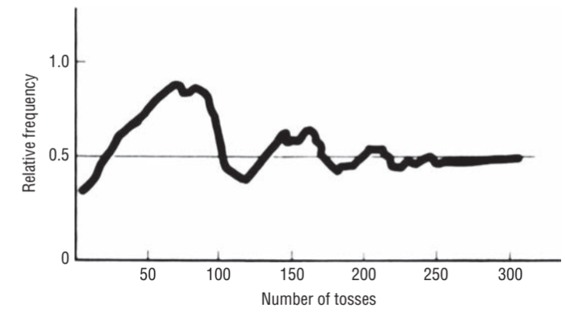
 | 8.2 | Relative Frequency of occurance
 |  | This method uses relative frequencies of past occurances as probabilities
 |  | Definition
 |  | 8.2.1 | Observed relative frequency of an event in very large number of experiments is available
 |  |  | OR
 |  | 8.2.2 | The proportion of times an event occurs in long run in stable condition

 |  | 8.2.3 | Relative frequency becomes stable as number of experiments are increased to high level --------> See coin toss
 |  | 8.2.4 | One issue with relative frequency is that people use it without evaluating sufficient number of outcomes
 |  | 8.2.5 | It is also not sure after how many experiments the relative frequency will STABALIZE
 |  | 8.2.6 | In real life, the conditions may change after very large experiments (like a machine may wear and tear)
 |  | 8.2.7 | Suppose an event is able of being repeated STAYING STABLE for long nuber of times(say N) and it produces desirable outcomes f number of times, then
 |  |  | relative frequecny = f/N
 | 8.3 | Subjective Probability
 |  | 8.3.1 | For the events for which no or very less data is available, expert guess and understanding is used
9 | Probability Rules
 | 9.1 | Marginal Probability (Also called SINGLE or UNCONDITIONAL PROBABILITY)
 |  | 9.1.1 | P(A) |  | This means: probability of event A happening
 |  | 9.1.2 | example: | 1st prize in lottery of 50 entries…. Here only one ticket will be 1st prize winner
 |  | 9.1.3 | If event is Mutually exclusive |  |  | P(A) |  | 1(as only 1 outcome is possible in Margnal)/(Total number or possible outcomes
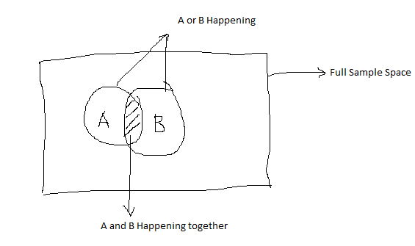
 | 9.2 | Non Mutually exclusive events
 |  | 9.2.1 | P(A or B) | = | Probability or A OR B happening.
 |  |  |  | P(A or B) ---------------------------------------->

 |  | 9.2.2 | P(A or B) | = | P(A) | + | P(B) | - | P(AB)

 |  |  |  | here P(AB) is subtracted to avoid double counting

 |  | 9.2.3 | Example | P(Ace or Heart)
 |  |  |  |  | P(Ace) |  | 0.076923076923
 |  |  |  |  | P(Heart) |  | 0.25
 |  |  |  |  | P(Ace AND Heart) |  | 0.019230769231

 |  |  |  |  | P(Ace or Heart) |  | 0.30769230769


 | 9.3 | Mutually Exclusive event
 |  | 9.3.1 | P(A or B) | = | Probability or A OR B happening.
 |  | 9.3.2 |  | = | P(A) | + | P(B)

 |  | 9.3.3 | There are 5 candidates(A,B,C,D,E). All are equally good
 |  |  | what is the probability of A and B if 2 are to be selected?
 |  |  | P(A) | 0.2
 |  |  | P(B) | 0.2
 |  |  | P(A or B) | 0.4

 | 9.4 | Probability under STATISTICAL INDEPENDENCE
 |  | 9.4.1 | What is statistical independence:
 |  | 9.4.2 | When two events happen (together or one after another) and each event has no effect one the other, then it is called Statistically Independent
 |  | 9.4.3 | There are three types of probabilities under statistical independence
 |  |  | 9.4.3.1 | Marginal
 |  |  | 9.4.3.2 | Joint
 |  |  | 9.4.3.3 | Conditional
 |  | 9.4.4
 |  |  | 9.4.4.1 | Marginal In Detail
 |  |  | 9.4.4.2 | Simple probability of an event happening
 |  |  | 9.4.4.3 | Example: Probability of Head in a toss. The probability of Head is always 0.5 and has no relation or effect of result or earlier toss
 |  | 9.4.5
 |  |  | 9.4.5.1 | Joint in Detail
 |  |  | 9.4.5.2 | Two or more events happening together or in sucssion(one after another) is called joint probability
 |  |  | 9.4.5.3 | P(AB) | = | P(A) | * | P(B)
 |  |  | 9.4.5.4 | P(HHH) | = | 0.5 | * | 0.5 | * | 0.5 |  | --> | 0.125
 |  | 9.4.6
 |  |  | 9.4.6.1 | Conditional Probability in Detail
 |  |  | 9.4.6.2 | P(B|A) |  | = |  | Probability of event B given that event A has occurred
 |  |  | 9.4.6.3 | P(B|A) | = | P(B) |  | This is because outcome B has no impact of any outcome prior to it

 | 9.5 | Probability under STATISTICAL DEPENDENCE
 |  | 9.5.1 | When probability of some event is dependent on OR affected by occurance of some other event
 |  |  | 9.5.1.1 | Marginal
 |  |  | 9.5.1.2 | Joint
 |  |  | 9.5.1.3 | Conditional
 |  |  | 9.5.1.3.1 | Conditional in Detail first |  |  | Example Below
 |  |  | 9.5.1.3.2 | P(B|A) | = | P(BA)/P(A)
 |  |  | 9.5.1.2.1 | Joint in Detail
 |  |  | 9.5.1.2.2 | From Conditional equation---> |  |  |  | P(BA) | = | P(B|A)*P(A)
 |  |  | 9.5.1.1.1 | Marginal in Detail
 |  |  | 9.5.1.1.2 | P(A) | = | P(AB) | + | P(AC) |  | which is sum of probabilities of all outcomes where A occurred

 |  |  |  |  |  |  | QUICK REFERENCE

 |  |  | Example: | Conditional Probability under statistical dependence
 |  |  |  | There is box that has 10 balls:
 |  |  |  |  | 1) | 3 are collored and dotted
 |  |  |  |  | 2) | 1 coloured and striped
 |  |  |  |  | 3) | 2 grey and dotted
 |  |  |  |  | 4) | 4 grey and striped

 |  |  |  | Q1 | A ball is taken out and it turns out to be a colored ball. What is the probability that it is striped?
 |  |  |  |  | P(D|C) | = | P(DC)/P( C )

 |  |  |  |  |  |  | P( C ) | = | 0.4
 |  |  |  |  |  |  | P(DC) | = | 0.3
 |  |  |  |  |  |  | So P(D|C) | = | 0.75

 |  |  |  | Q2 | P(D|G) | = | P(DG)/P(G)
 |  |  |  |  |  |  | P(G) | = | 0.6
 |  |  |  |  |  |  | P(DG) | = | 0.2
 |  |  |  |  |  |  | So P(D|G) | = | 0.33333333333

 |  |  |  | Q3 | P(S|G) | = | P(SG)/P(G)
 |  |  |  |  |  |  | P(SG) | = | 0.4
 |  |  |  |  |  |  | P(G) | = | 0.6
 |  |  |  |  |  |  | So P(S|G) | = | 0.66666666667

 |  |  |  | Marginal
 |  |  |  | Q | What is the probability of a colored ball ?
 |  |  |  |  | P( C ) | = | P(SC) | + | P(DC) | = | 0.1 | + | 0.3 | 0.4

10 | Baye's Theorem
 | When in business the manager finds that the earlier understanding of sales probability is different than the actual, then probabilities need to be revised
 | New (altered) probabilities are called POSTERIOR probabilities
 | As more information is made available, the probability can be modified
 | Baye's Theorem is same as Conditional probability under statistical dependence

 | Baye's Theorem |  | -----> |  | P(B|A) | = | P(BA)/P(A)
 | If correctly used, there is no need to collect large data

 | 10.1 | Calculating posterior probabilities
 |  | Example: | There is a bowl in which there are 2 types of dies. Both are biased (same number of type1 and type2 dies are in bowl)
 |  |  | In Type 1, probabiliy of ACE(dot) is .4
 |  |  | In Type 2, probabiliy of ACE(dot) is .7
 |  |  | When one die it taken out and tosses, ACE comes. What is the probability that it is Type1 die

 |  |  | Event | ProbOfEvent |  | P(Ace| Event) |  |  | P(ACE, Event)
 |  |  | Type1 | 0.5 |  | 0.4 |  |  | 0.2
 |  |  | Type2 | 0.5 |  | 0.7 |  |  | 0.35
 |  |  |  |  |  |  |  |  | 0.55 |  | <---- P(ACE)

 |  |  | P(Type1|ACE) |  | = | P(Type1 ACE)/(P(ACE)) |  |  | ---> | 0.36363636364
 |  |  | After rolling die, we revise the probability to 36.4%

 |  |  | Now die is rolled again and it again shows ACE

 |  |  | Event | ProbOfEvent |  | P(1Ace| Event) |  | P(2Ace| Event) |  |  | P(2ACE Event)
 |  |  | Type1 | 0.5 |  | 0.4 |  | 0.4 |  |  | 0.08
 |  |  | Type2 | 0.5 |  | 0.7 |  | 0.7 |  |  | 0.245
 |  |  |  |  |  |  |  |  |  |  | 0.325 | <---- P(ACE)

 |  |  | P(Type1|2A) |  | = | P(Type1 2ACE)/P(ACE) |  |  | ------> | 0.24615384615 | <----- P(ACE)
 |  |  | After rolling die for 2 times, we revise the probability that the die is to Type1 to 24.6%

 | 10.2
 |  | Three piece problem
 |  | In a match, if the machine is setup correctly, it will strike 85%
 |  |  | if it is incorrectly setup, it will strike 35%
 |  |  | Machine is setup correctly 75% times
 |  |  | It throws 3 strikes in three attempts
 |  |  | what is the revised probability that the setup is done correctly?

 |  |  | Event | Pevent | P(Strike|Event) |  | P(3S|E)
 |  |  | Correct | 0.75 | 0.85 |  | 0.46059375
 |  |  | Incorrect | 0.25 | 0.35 |  | 0.01071875
 |  |  |  |  |  |  | 0.4713125 | <---- 3Strikes

 |  |  | P(Correct|3S) |  | = | P(Correct 3S)/(P(3 Strikes)) |  |  |  | ----> | 0.97725765814 |  | 97.8% chance

 |  | In 5 pitches, 4 times it struck. Now what is the probability that it was setup correctly?

 |  |  | Event | pEvent | P(Strike|Event) |  | P(SSBSS Event)
 |  |  | Correct | 0.75 | 0.85 |  | 0.058725703125
 |  |  | Incorrect | 0.25 | 0.35 |  | 0.002438515625
 |  |  |  |  |  |  | 0.06116421875 | <---- 4 Strikes and 1 miss

 |  |  | P(Correct | 4S1Miss) |  | = | P(4S 1 miss, correct)/(P4 S1Miss) |  |  |  | ----> | 0.96013166399 |  | 96%

ProbabilityDistribution
1 | Frequency Distribution is listing of OBSERVED frerquencies of outcomes when experiment was ACTUALLY done, whereas Probability Distribution is listing of all possbible outcomes that are EXPECTED "IF EXPERIMENT WAS DONE"
2 | Probability Distribution: |  |  | Theoritical frequency distribution |  |  |  | (How oucomes are expected to be)
3 | Frequency Distribution: |  |  | It is prepared by plotting all POSSIBLE outcomes , and then indicating the OBSERVED frequency of each outcome

 |  | Probability Distribution(Toss of 2 coins)
 |  | Number of Tails |  | Tosses |  | Probability
 |  | 0 |  | (H,H) |  | 0.25
 |  | 1 |  | (H,T),(T,H) |  | 0.5
 |  | 2 |  | (T,T) |  | 0.25
 |  |  |  |  |  |  |  |  |  |  |  | 0 | 1 | 2

 |  | Prpbability Distribution of possible vote of a candidate
 |  | Votes | probability
 |  | 1000 | 0.1
 |  | 2000 | 0.3
 |  | 3000 | 0.4
 |  | 4000 | 0.2

4 | Types of probability Distributions
 | 4.1 | Discrete OR Continous
 | 4.2 | Discrete: |  | Outcome can take only limited values
 | 4.3 | Continous: |  | Outcome can take any value, so listing all possible values is not possible
5 | Random Variables
 | 5.1 | Can be discrete or continous

 |  | Discrete Random Variable Example

 |  | Number Of Patients Screened |  |  |  | Number of Days Level Observed |  |  |  | Probability |  |  | Observation X Probability
 |  | 100 |  |  |  | 1 |  |  |  | 0.01 |  |  | 1
 |  | 101 |  |  |  | 2 |  |  |  | 0.02 |  |  | 2.02
 |  | 102 |  |  |  | 3 |  |  |  | 0.03 |  |  | 3.06
 |  | 103 |  |  |  | 5 |  |  |  | 0.05 |  |  | 5.15
 |  | 104 |  |  |  | 6 |  |  |  | 0.06 |  |  | 6.24
 |  | 105 |  |  |  | 7 |  |  |  | 0.07 |  |  | 7.35
 |  | 106 |  |  |  | 9 |  |  |  | 0.09 |  |  | 9.54
 |  | 107 |  |  |  | 10 |  |  |  | 0.1 |  |  | 10.7
 |  | 108 |  |  |  | 12 |  |  |  | 0.12 |  |  | 12.96
 |  | 109 |  |  |  | 11 |  |  |  | 0.11 |  |  | 11.99
 |  | 110 |  |  |  | 9 |  |  |  | 0.09 |  |  | 9.9
 |  | 111 |  |  |  | 8 |  |  |  | 0.08 |  |  | 8.88
 |  | 112 |  |  |  | 6 |  |  |  | 0.06 |  |  | 6.72
 |  | 113 |  |  |  | 5 |  |  |  | 0.05 |  |  | 5.65
 |  | 114 |  |  |  | 4 |  |  |  | 0.04 |  |  | 4.56
 |  | 115 |  |  |  | 2 |  |  |  | 0.02 |  |  | 2.3

 |  |  |  |  |  | 100 | <---- Sum |  |  | 1 | <---- Sum |  | 108.02 | <--- Sum | <--- Expected Value

 |  |  |  |  |  |  |  |  | Expected value is fundamental idea
 |  |  |  |  |  | To Get Expected value: |  |  | Multiply each value random var can take by its probability and then sum the products
 |  |  |  |  |  |  |  |  | It is the summed weightage of probabilities

6 | Using Random Variable in Decision Making
 | 6.1 | Strawberry Sale Example
 |  | Daily Sales |  | Number of Days Sold |  |  | Probability
 |  | 10 |  | 15 |  |  | 0.15 |  | each box costs 20
 |  | 11 |  | 20 |  |  | 0.2 |  | each box is sold for 50 |  |  | So Profit per box = 30
 |  | 12 |  | 40 |  |  | 0.4
 |  | 13 |  | 25 |  |  | 0.25 |  | Type of losses
 |  |  |  | 100 | <--- Sum |  |  |  |  | Obsolesence = 20
 |  |  |  |  |  |  |  |  |  | Opportunity = 30

 |  |  |  |  |  |  | Conditional Loss Table
 |  |  |  |  |  |  | Possible Stock |  |  | P-10 | P-11 | P-12 | P-13
 |  | Possible Demand |  |  | 10 | 11 | 12 | 13
 |  |  | 10 |  | 0 | 20 | 40 | 60 |  | 0 | 3 | 6 | 9
 |  |  | 11 |  | 30 | 0 | 20 | 40 |  | 6 | 0 | 4 | 8
 |  |  | 12 |  | 60 | 30 | 0 | 20 |  | 24 | 12 | 0 | 8
 |  |  | 13 |  | 90 | 60 | 30 | 0 |  | 22.5 | 15 | 7.5 | 0

 |  |  |  |  |  |  |  |  |  | 52.5 | 30 | 17.5 | 25

7 | Binomial Distribution
 | 7.1 | Widely used probability distribution of discrete variables
 | 7.2 | Describes discrete data resulting from experiment known as Bernoulli's process
 | 7.3 | Tossing of a fair coin a fixed number of times is a Bernaulli's process, and its outocem can be represented by Bernaulli's distribution.
 | 7.4 | Success or failure of candidates can also be represented by Bernaulli distribution
 | 7.5 | Bernaulli's process has the following characteristics
 |  | 7.5.1 | Each trial has only two outcoms (T,F) or (Y,N) or (H,T)
 |  | 7.5.2 | Probability of outcomes of each trial remains fixed over time
 |  | 7.5.3 | Trials are stastically independent. The outcome of each trial is not dependent on any other trial's outcome

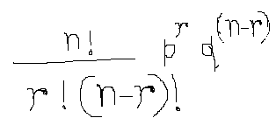
 | 7.6 | Formula
 |  |  | p | = | probability of success
 |  |  | q | = | probability of failure
 |  |  | r | = | number of success desired
 |  |  | n | = | number of trials undertaken

 |  | Example: Probability of two Heads in 3 trials
 |  |  | Here p= | 0.5
 |  |  | q= | 0.5
 |  |  | n= | 3
 |  |  | r= | 2

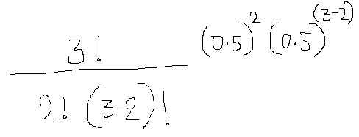

 |  |  |  |  |  |  |  |  |  |  | = | 0.375

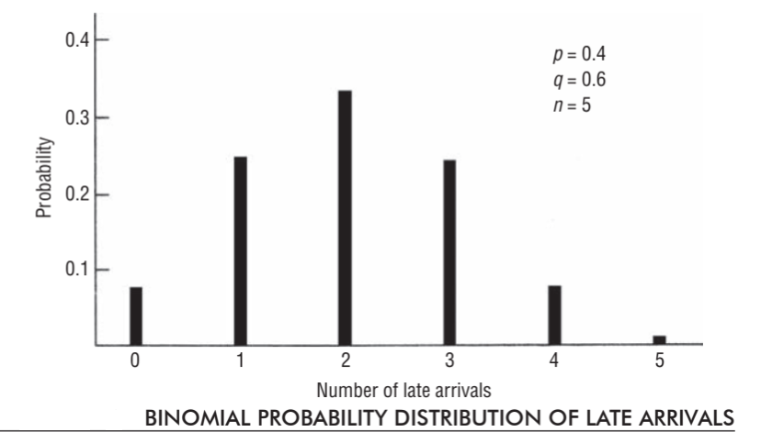
8 | Graphical illustration of Binomial Distribution
 | Binomial Distribution canm be expressed graphically as well
 | Example: | There are 5 workers in a shop
 |  | The probability of anyone worker coming late is .4
 |  | What are the probabilities of exactly (0,1,2,3,4,5) employees being late?
 |  | for r=0 | p= | 0.0776
 |  | for r=1 | p= | 0.2592
 |  | for r=2 | p= | 0.3456 |  |  | Use below formula for n=5
 |  | for r=3 | p= | 0.2304
 |  | for r=4 | p= | 0.0768 |  |  | p=
 |  | for r=5 | p= | 0.0102

9 | Now to we change see the impact of distribution if p is changed, keeping n and r same
 |  |  | This section shows Famility of binomial distribution with constant n=5 and various p and q

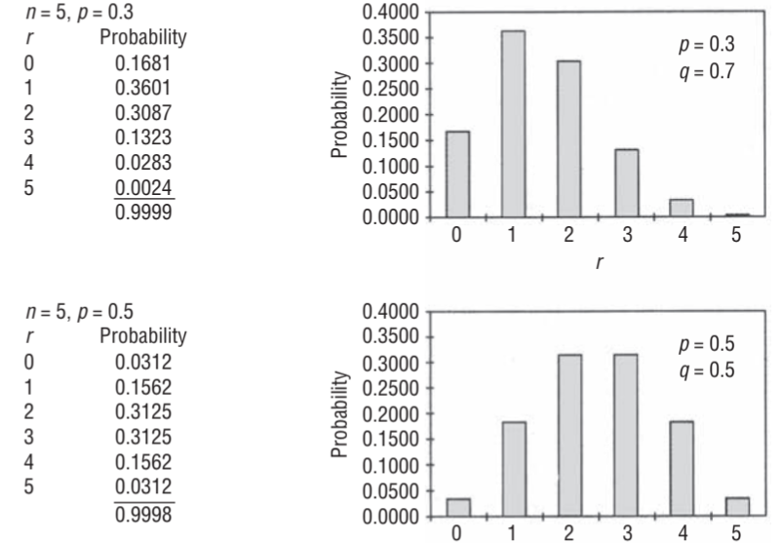
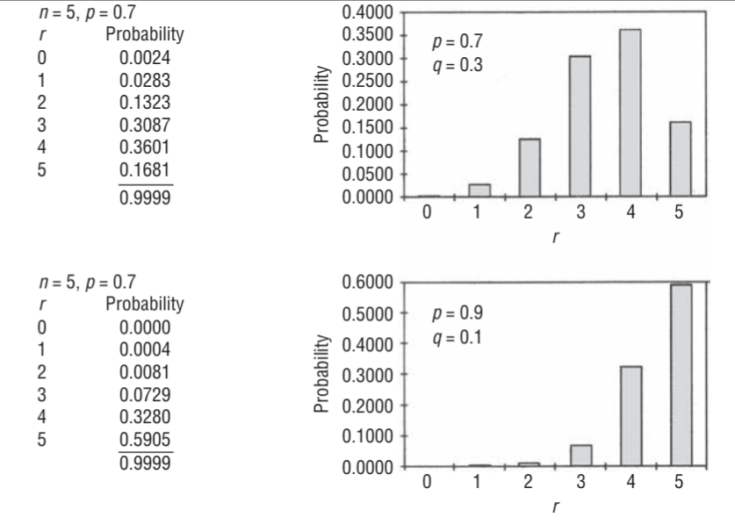

 |  |  | If p is small(.3), distribution is scewed with long tail at right
 |  |  | If p is large (.9), distribution is scewed with long tail at left
 |  |  | if p is .5, then it is symetric

10 | Central Tendency and Dispersion for Binomial Distribution
 | 10.1 | Mean | = | np

 | 10.2 | SD | = | sqrt(npq)

 | Example: If there is a machine that produces 20% defective items , then out of 10 items, the mean and SD will be
 |  |  |  |  |  |  |  |  |  |  | Mean | = | 2
 |  |  |  |  |  |  |  |  |  |  | SD | = | 1.2649110641
 |  |  |  |  |  |  |  |  |  |  | The conditions for bernoulli's distribution should be true. Many times due to wear and tear the probability many not be constant
 |  |  |  |  |  |  |  |  |  |  | Also, the outcomes should be statistically independent
11 | Possion Distribution

 |  |  |  |  |  |  | p(x) | = | probability of exactly x occurances
 |  |  |  |  |  |  | lambda | = | number of mean occurances per interval of time
 |  |  |  |  |  |  | e | = | euler number |  | 2.71828

 |  | 11.1 | Conditions for poission distribution
 |  |  | 11.1.1 | The discreat random variable can take only integer values (not float)
 |  |  | 11.1.2 | Average times an event can happen in an interval of time can be estimated from past data. (example, number or vehicles at a turning) in a minute
 |  |  | 11.1.3 | The number of times the event happens is independent of WHEN that interval happens..(e.g number of vehicles coming per minute are independent of when that minute happens
 |  |  | 11.1.4 | number of events in one interval are independent of the number of events in any other interval

 |  | 11.2 | Poission distribution can be taken as approximation of Binomial distribution if n>20 and P<=.05
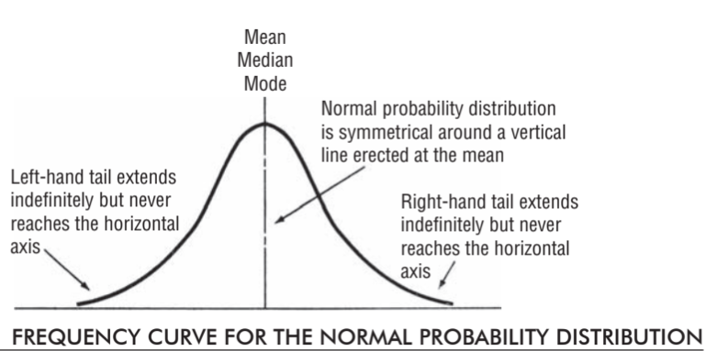
12 | Normal Distribution (Distribution of continous variable)
 | 12.1 | It is very useful as it fits many real life situations

 | 12.2 | Characterstics
 |  | 12.2.1 | Has single peak
 |  | 12.2.2 | Mean , median and mode coincide
 |  | 12.2.3 | Only two values (mean and SD) are needed to define a particular normal distribution
 |  | 12.2.4 | No matter what the values of mean and SD are, the area of curve follows the rule of +- 3 SD.. (68, 95.5, 99.7)
 |  | 12.2.5 | Each curve can have different mean and SD, but it is not required to have different tables for normal distribution as the relation between SD and Mean gives the area information

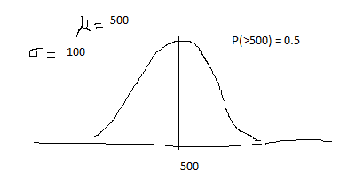
 | 12.3 | Example | A training program has a normally distributed completion time with mean time of completion of 500 hrs and SD of 100.

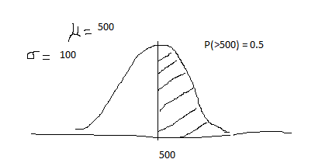

 |  | Q1 | What is the probability of compltion >500 hrs

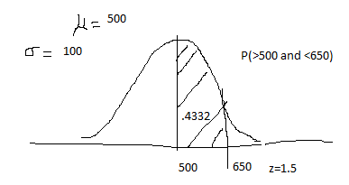
 |  | Q2 | What is the probability for >500 and less than 650

 |  |  | Z=(x-Mu)/SD |  |  | = | 1.5
 |  |  |  |  |  | For z=1.5, area = |  | 0.4332

 |  | Q3 | What is the probability that the candidate will take >700 hrs

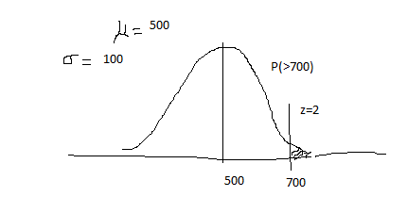
 |  |  |  | z | = | 2
 |  |  |  |  |  | For z=2, area= |  | 0.4772
 |  |  |  |  |  | So, left tail will have area (.5 - .4772) |  |  |  | 0.0228

 |  | Q4 | What is the probability that the candidate will take between 420 and 570 hrs ?
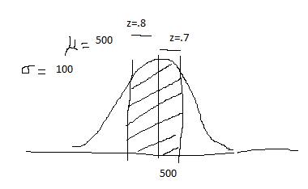
 |  |  |  | z | = | 0.8 |  | area= | 0.2881
 |  |  |  | z | = | 0.7 |  | area= | 0.258

 |  |  |  |  |  |  |  | sum | 0.5461 | 54.61

SamplingAndDistribution
1 | To understand the parameters of population, it is many time not possible to study each element. So we use sampling to get a small representative group of population
2 | We should understand below
 | 2.1 | What shout be the sample size ?
 | 2.2 | How do you find if the sample represents the population?
 | 2.3 | cencus is when each element/member of population is examined
3 | Population : Parameters
4 | Sample : Statistics
5 | Types of Sampling: Two
 |  | 5.1 | Nonrandom |  | OR | Judgmental |  |  | Knowledge and opinion
 |  | 5.2 | Random |  | OR | Probability |  |  | Here All elements have a chance of selection |  |  |  |  |  | THIS IS THE TYPE USED IN THE STUDY OF THIS BOOK
 |  |  | 5.2.1 | Simple Random Sampling |  |  | each element has equal probability of selection
 |  |  | 5.2.2 | Systematic Sampling |  |  | In some interval.. |  |  | All elements do not have equal chance of selection
 |  |  | 5.2.3 | Stratified Sampling |  |  | Homogenious groups are calleed strata |  |  |  |  | Like strata can be all doctors OR Engineers |  |  |  |  | weightage is used based on strat's proportion in Population |  | There is small variation within strata, but more variation when conpaired with other strata
 |  |  | 5.2.4 | Cluster Sampling |  |  | Cluster | These clusters in themselves are representatives of population |  |  |  |  |  |  | There is considerable variation within cluster
6 | Design Of Experiments
 | Random sampling is done
 | Objective:
 | What is to be measured: |  |  | This is response variable
 | How large the sample size should be: |  |  |  | Taking large sample increases accuracy but increases cost and there is a a dimnishing return
 | Conducting Experiment: |  |  | Controled conditions
 | Analyze data: |  | Hypothesis testing
 | Reacting to experimental claims:
7 | Sampling Distribution (OR PROBABILITY DISTRIBUTION)
 | 7.1 | Probability Distribution of Sample Means
 |  | 7.1.1 | If we take many samples, each of 10 girls of age 25 from a population of 100000 girls
 |  | 7.1.2 | now we take the mean and sd of each sample. Then the mean and sd of each sample will differ from each other
 |  | 7.1.3 | A probability distribution mean of ALL POSSIBLE SAMPES is called "DISTRIBUTION OF SAMPLE MEANS"
 | 7.2 | Probability distribution of sample PROPORTIONS |  |  |  |  |  |  | Two sets of data have same ratio is called proportion
 |  | 7.2.1 | We take many samples (each of 100 trees) from infected forest
 |  | 7.2.2 | We plot probability distribution of PROPORTION of infection of each sample.
 |  | 7.2.3 | This way we get probability distribution of proportion
 | 7.3 | Sampling Distribution (or probability distribution)
 |  | 7.3.1 | Any sampling distribution can be partially described by its mean and SD
 |  |  | basketball player |  |  | Sample |  |  | Sample Statistics |  |  |  | Sample Distribution |  |  |  | Described by
 |  |  | River Water |  |  | 10 gallon |  |  | MEAN no or murcury per mil water |  |  |  | Sample distribution of mean |  |  |  | described by mean and sd
 |  |  | basketball player |  |  | 5 players |  |  | Median Height |  |  |  | Sample distribution of Median |  |  |  | described by mean and sd of Medean
 |  |  | parts from a process |  |  | 50 parts |  |  | Proportion defective |  |  |  | Sample distribution of proportion |  |  |  | described by mean and sd of proportion
8 | Standard Error Concept
 | it is also standard deviation of distribution of sample means |  |  |  |  |  |  | = | Standard Error of mean
 | similarly standard deviation of distribution of sample proportion |  |  |  |  |  |  | = | Standard Error of proportion
 |  | If we divide all 1st year students of a university in 100 samples of equal size.
 |  | The mean of each sample will be different when compared with any other sample
 |  | This difference is due to the chance of including students in a particular sample, which is also called sampling error
 |  | Thus standard deviation of distribution of sample STATISTICS(mean,proportion,median) is called STANDARD ERROR OF STATISTICS
 |  | Standard error tells the accuracy that is likely if we use sample statics to estimate population parameters
 |  | A less spreadout distribution of sample statistics will have small Standard Error and will be better estimator of population
 |  | Refrer |  |  |  |  |  |  |  | Use
 |  | Standard deviation of distribution of sample means |  |  |  |  |  |  |  | Standard Error of mean
 |  | Standard deviation of distribution of sample median |  |  |  |  |  |  |  | Standard Error of median
 |  | Standard deviation of distribution of sample proportions |  |  |  |  |  |  |  | Standard Error of proportion
 |  | Standard deviation of distribution of sample range |  |  |  |  |  |  |  | Standard Error of range
9 | Sampling Distribution in more Details
 | 9.1 | Conceptual basis for Sampling distribution
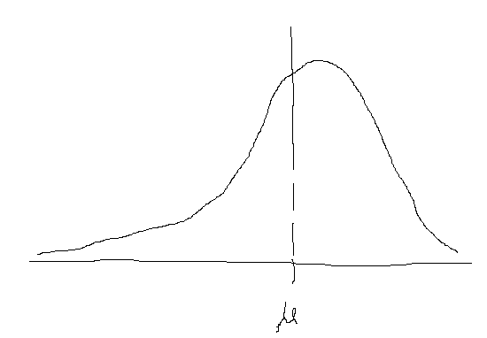
 |  | Probability distribution of life of all filters in hours |  |  |  |  | -->
 |  | assume there are 40 filters in population |  |  |  |  |  |  |  |  |  |  |  |  | Population Distribution
 |  |  |  |  |  |  |  |  |  |  |  |  |  |  |  | mu | = | Mean
 |  |  |  |  |  |  |  |  |  |  |  |  |  |  |  | Sigma |  | SD

 |  | Now 4 samples (each of 10 filters) of all filters is taken

 |  | Sample frequency distribution |  |  |  | --->

 |  | Each sample has its own mean
 |  | Each sample has its own standard deviation

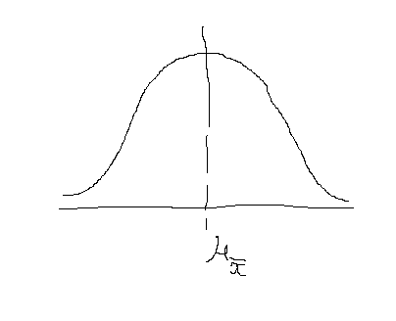

 |  | Sample Distribution of mean |  |  |  | ------------------------------------------------------------->

 |  | mean of sample distribution of means |  |  |  | =
 |  | Standard deviation of distribution of sample means (also Standard Error of mean)

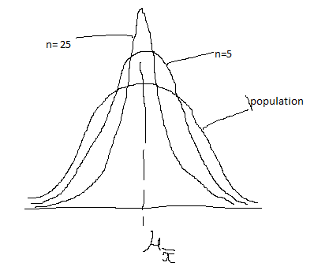
10 | Standard Error of mean is less than standard deviation of each element
11 | If a population of normal distribution is divided into some samples of size (say 5 each), and mean is calculated of each sample
 | now mean is plotted. The plot of the means will have less spread (SD) as compared to population
 | If we now increase the sample from 5 to 25, then the spead will become even smaller and SD will be lesser

 | SO AS SAMPLE SIZE INCREASES, THE SE (STANDARD ERROR) DECREASES

 | A bank has indivadual savaing acc balance normally distributed
 | the mean individual savaing account balance is 2000
 | the standard deviation is 600
 | If a random sample of 100 saving accounts is taken, then what is the probability of mean >1900 and <2050?
 | Here population size is not known and we have to take INFINITE population size
 | SE (infinite population) |  |  | =
 |  |  |  |  |  |  |  |  |  | sigma= | 600
 |  |  |  |  |  |  |  |  |  | sq root n= | 100

 |  |  |  |  |  |  |  |  |  |  |  |  | *** Finite population multiplier
 |  |  |  |  |  |  | SE | = |  | 60

 |  |  |  | xbar=1900
 |  |  |  | so z= |  |  |  |  |  | z= | -1.67 |  | area= | 0.4525

 |  |  |  | xbar =2050
 |  |  |  | so z= |  | 0.83333333333 |  |  |  |  |  |  | area= | 0.2967
 |  |  |  |  |  |  |  |  |  |  |  |  | Total | 0.7492

12 | If Population is Not Normally distributed, we increase the number of elements.
 | if n>20 , the shape starts becoming normal

13 | Central Limit Theorem
 | 13.1 | Sampling distribution of mean becomes normally distributed as sample size increases (30)
 | 13.2 | We can use sample statistics to estimate population parameters without knowling anything about the shape of frequency distribution of population

14 | Finite Population Multiplier
 | If the population is not very large, then the impact of Standard Error should be reduced. This is done by *(N-n)/(N-1)
 | If pipulation is very large, N will be infinite and its impact will be very less

15 | Sampling Distribution of Proportion
 | There are situations where occurances or non occurances are of intrest, which are categorical in nature
 | In these situations proportion is of intrest (how many occurances out of total)
 | Since information from complete population is not available, sample proportion is used for estimation of population
 | Occurance (say x out of total n) follows binomial distribution, hence mean of x(which is mu) = np (as per binomial distribution) -->

 | SD of x as per binomial distribution = SquareRoot(npq) ---->

 | now proportion = x/n, we divide by n to get mean of (x/n) , which is p = np/n --> p

 |  | i.e. Mean of p(hat) |  | = |  |  | = | p

 | divide SD or x by n, we get SD of proportion = SquareRoot(npq) / n

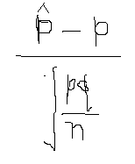

 |  | Z=

 |  | In case of Finite population, Z is as below
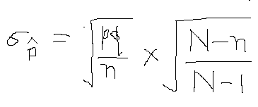

16 | Relation between n and SE

 |  | If n increases, then SE decreases
 |  | But there is dimnishing return as SE increases by underroot of n
 |  | So increasing sample size will not reduce SE with same rate

17 |  | In this equation ---------------------------------------------------->
 |  | SE depends on the size of sample (n) and not on Fraction (n/N)
 |  | This means SE is not dependent on the fraction of population sampled

Estimation
How to learn certain characterstics of population from sample
point and interval estimates
To know how accurate our estimates are
If distiribution is not normal, then how to use 't' distribution to make interval estimates
How to calculate sample size for desired precision in estimatation

1 | Types of Estimates
 | 1.1 | Point Estimates |  | A single number used to estimate unknown population parrameter
 |  |  |  | It is either right or wrong
 |  |  |  | If it is wrong, then there should be some way of telling the magnitude of error, so "an estimate of error" along with point estimate is more helpful then only point estimate
 | 1.2 | Interval estimate |  | A range of values uswed to estimate population parameter
 |  |  |  | It indicates error in two ways:
 |  |  |  |  | A) | By the extent of its range
 |  |  |  |  | B) | By probability that the true population parameter will lie within the range

2 | Estimator and Estimates
 | 2.1 | A sample statistics used to estimate population parameter
 | 2.2 | A sample mean can be an estimator of population mean and a sample proportion can be an estimator of population proportion

3 | Criteria of good Estimators
 | 3.1 | Unbiased
 | 3.2 | Efficiency | low standard error |  | If sample mean has smaller SD when compared with sample median, then using median as estimator will be more efficient
 | 3.3 | Consistency |  | A statistics is consistent if "As the sample size is increased, the sample statistics starts coming closer to population parameter". Increate sample size only if it is consitent
 | 3.4 | Sufficiency |  | If this estimator can provise required information about the population and no other estimator is needed

4 | Point Estimates
 | 4.1 |  |  |  |  |  | Syringes per carton
 |  |  |  |  |  |  | 101 | 103 | 112 | 102 | 98 | 97 | 93 |  | sum--> | 3570
 |  |  |  |  |  |  | 105 | 100 | 97 | 107 | 93 | 94 | 97 |  | average--> | 102
 |  |  |  |  |  |  | 97 | 100 | 110 | 106 | 110 | 103 | 99
 |  |  |  |  |  |  | 93 | 98 | 106 | 100 | 112 | 105 | 100
 |  |  |  |  |  |  | 114 | 97 | 110 | 102 | 98 | 112 | 99

 | 4.2 | sample mean is the best estimator of population mean
 | 4.3 | Data (syrenge example) |  |  | sample mean (xbar) |  |  |  |  |  | x= | sum of all syrenges in all cartons |  |  |  | 3570
 |  |  |  |  |  |  |  |  |  |  | n= | number of cartons |  |  |  | 35
 |  |  |  |  |  |  |  |  |  |  |  |  |  | = |  | 102 | syrenges
 |  |  |  |  |  |  |  |  |  |  | As cost of each syrenge is very small, buyer and seller are ok to take point estimate
 |  |  |  |  |  |  |  |  |  |  | It will save time and effort

5 | Point Estimate of Population Variation and SD
 | 5.1 | If we want to know the variation and SD of number of syrenges packed per carton (population SD, mu), then we can use sample SD (s) as estimator
 |  |  |  | Syrng(x) | mean(x) | x-xbar | sq(x-xbar)
 |  |  |  | 101 | 102 | -1 | 1
 |  |  |  | 105 | 102 | 3 | 9
 |  |  |  | 97 | 102 | -5 | 25
 |  |  |  | 93 | 102 | -9 | 81
 |  |  |  | 114 | 102 | 12 | 144
 |  |  |  | 103 | 102 | 1 | 1
 |  |  |  | 100 | 102 | -2 | 4
 |  |  |  | 100 | 102 | -2 | 4
 |  |  |  | 98 | 102 | -4 | 16
 |  |  |  | 97 | 102 | -5 | 25
 |  |  |  | 112 | 102 | 10 | 100
 |  |  |  | 97 | 102 | -5 | 25
 |  |  |  | 110 | 102 | 8 | 64
 |  |  |  | 106 | 102 | 4 | 16
 |  |  |  | 110 | 102 | 8 | 64
 |  |  |  | 102 | 102 | 0 | 0
 |  |  |  | 107 | 102 | 5 | 25
 |  |  |  | 106 | 102 | 4 | 16
 |  |  |  | 100 | 102 | -2 | 4
 |  |  |  | 102 | 102 | 0 | 0
 |  |  |  | 98 | 102 | -4 | 16
 |  |  |  | 93 | 102 | -9 | 81
 |  |  |  | 110 | 102 | 8 | 64
 |  |  |  | 112 | 102 | 10 | 100
 |  |  |  | 98 | 102 | -4 | 16
 |  |  |  | 97 | 102 | -5 | 25
 |  |  |  | 94 | 102 | -8 | 64
 |  |  |  | 103 | 102 | 1 | 1
 |  |  |  | 105 | 102 | 3 | 9
 |  |  |  | 112 | 102 | 10 | 100
 |  |  |  | 93 | 102 | -9 | 81
 |  |  |  | 97 | 102 | -5 | 25
 |  |  |  | 99 | 102 | -3 | 9
 |  |  |  | 100 | 102 | -2 | 4
 |  |  |  | 99 | 102 | -3 | 9
 |  |  |  |  |  |  | 1228 | <--- Sum

 |  |  |  |  |  |  |  | s= | 36.117647059
 |  |  |  |  |  |  |  | SD | 6.0097959249
 |  |  |  | Note that the division is done by n-1 and not n. This is because the sample estimate introduces some bias and hence the variance needs to be increased by a BIT
 |  |  |  | hence reduce the denominator by a BIT

6 | Point Estimator of population Proportion
 | 6.1 | The proportion of units in a population that have a given characterstics is symbolized by p
 | 6.2 | If we know the proportion of units in a sample having same characterstics (pbar), then we can use pbar as estimator of population proportion
 | 6.3 | If Pbar is .08, then this can be used as p.

 |  | Say probability of damaged syrenges = .08
 |  | the in 50 cartons, the total damaged syrenges expected are = |  |  |  |  |  | 408

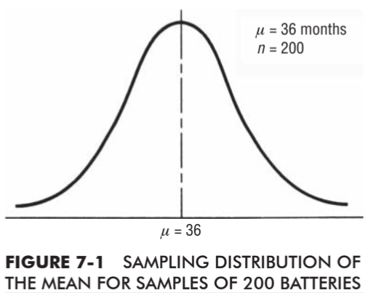
7 | Interval Estimates: |  | Basic Concept
 | 7.1 | It describes a range of values wintin which the population parameter is expected to lie
 | 7.2 | Example: |  | Mean car battery life. 200 samples are taken
 |  | 7.2.1 |  | Say the mean is 36 months |  |  | So the point estimate of population mean is 36 months
 |  | 7.2.2 |  | We also need the informaton of uncertainity |  |  |  |  | i.e. the range in which the unknown population parameter is likely to lie
 |  | 7.2.3 |  | As the sample size is large (200), central limit theorem can be used and normal distribution can be assumed
 |  | 7.2.4 |  | the formula of standard error of mean of infinite population is can be used
 |  | 7.2.5 |  | If the SD of population is already known (say 10)
 |  | 7.2.6 |  | Standard error of mean = |  |  |  | 0.70710678119
 |  | 7.2.7 |  | so now we can say there are 95.5 % chances that the battery life will be between (Plus minums 2 SD of mean)
 |  | 7.2.8 |  | **** Here( below), the finite multiplier is not used in standard error calculation as the population of batteries is assumed as infinite.. Only 200 as sample are taken from ininite population

 |  |  |  |  |  |  | SE of mean of infinite population
 |  |  |  |  |  |  | here n=200
 |  |  |  |  |  |  | sigma=10
 |  |  |  |  | SE= | 14.142131247 | 0.70710678119
 |  |  |  |  |  | So now there is 68 % chance that the actual population mean lies between (36 +1*(.707107)) and (36 - 1*(.707107))
 |  |  |  |  |  | 35.2929 |  | and |  | 36.707107
 | 7.3 | Probability of true Population Parameter Falling within the range
 |  | 7.3.1 | 95.5% of all sample means are PlusMinus 2 SD from population mean(mu)
 |  |  | OR
 |  | 7.3.2 | Mu is within PlusMinus 2 SD of 95.5 % of samples
 |  |  | Theoritically, if we take 1000 samples(of same size from infinite population) and construct interval of PlusMinus 2 SD around each sample mean(s), then 995 of the samples's range of PlusMinus 2SD will contain population mean
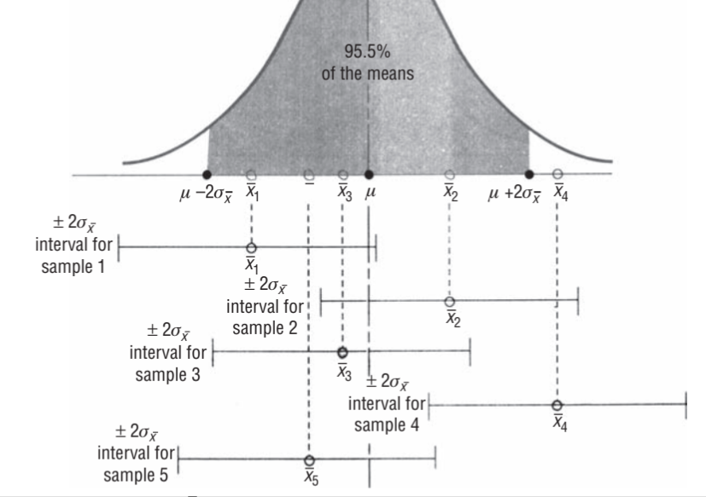

 | 7.4 | Interval Estimates and Confidence Intervals
 |  | 7.4.1 | We are NOT confined to 1,2,3 SDs (or SE) form mean, instead, we can take 1.64(PlusMinus) to get 90% and 2.58(PlusMinus) to get 99% area under the curve
 |  | 7.4.2 | The probability that we associate with Interval estimate is called Confidence Level
 |  | 7.4.3 | The probability indicates how confident are we that the interval will contain population parameter
 |  | 7.4.4 | If we say we are 90% confident that the population parameter will between 10000 and 12000, then (10000 to 12000) is called Confidence Interval
 |  | 7.4.5 | Oftern confidence interval is expressed in terms of standard error |  |  |  |  |  |  | (xbar + 1.64SE) |  | and | (xbar - 1.64SE)

 | 7.5 | Calculating Interval estimates from large samples (when Population SD is Known)
 |  | 7.5.1 | Example | Life of wiper blade of very large(infinite population)
 |  |  |  | Supporse the SD of population's blade life is already known and is(sigma)= 6 month
 |  |  |  | If we take a sample of 100 blades and find that the mean (sample mean) = 21 months
 |  |  |  | We now calculate SE |  |  | SD/sqrt(n) |  | --> | 0.6
 |  |  |  | The confidence interval with 95.5 confidence is |  |  |  |  |  | 19.82 |  | and | 22.18

 | 7.6 | Calculating Interval estimates from large samples (when Population SD is UNKnown)
 |  | 7.6.1 | Example: Mean annual income of 700 families is to be found, which is our population
 |  |  | 7.6.1.1 | A sample of 50 families is taken. There as the sample size >30, we can apply central limit theorem and consider normal ditribution
 |  |  | 7.6.1.2 | Here population parameter(SD) is not know
 |  |  | 7.6.1.3 | 7.6.1.3.1 | n= sample=50
 |  |  |  | 7.6.1.3.2 | xbar(Sample Mean)=11800
 |  |  |  | 7.6.1.3.3 | sample SD = s= 950
 |  |  |  | 7.6.1.3.4 | Here as population SD is unknow, we use sample SD to estimate
 |  |  |  |  | estimate of population sd =
 |  |  |  | 7.6.1.3.5 | Now we can estimate the standard error of mean
 |  |  |  |  | Also, as the population is not infinite(700) and our sample size >5% of population size, we need to use finite population multiplier
 |  |  |  | 7.6.1.3.6 | The formula needs to be modified a bit as we do not have sigma and we have sigma hat

 |  |  |  |  |  |  | This formula needs to be modified --->

 |  |  |  | 7.6.1.3.7 | The modified formula is as below

 |  |  |  | 7.6.1.3.8

 |  |  |  | 7.6.1.3.9 | Next we consider 90% confidence interval and take 1.64
 |  |  |  |  | 11800 - 1.64(129.57) |  |  | Lower confidence limit
 |  |  |  |  | 11800 + 1.64(129.57) |  |  | Upper confidence limit

 | 7.7 | Interval Estimates of Proportions From Large Samples
 |  | 7.7.1 | Statisticians use sample to estimate a proportion of occurance in population
 |  | 7.7.2 |  |  |  |  |  |  |  |  |  |  | n= | Number of trials
 |  |  |  |  |  |  |  |  |  |  |  |  | p= | probability of success
 |  |  |  |  |  |  |  |  |  |  |  |  | q= | probability of failure
 |  | 7.7.3 | Binomial distribution is the correct distribution
 |  |  | But the compution of binomial probabilities is very tedious(below). As the sample size increases, binomial distribution can be approximated by an appropriate normal distribution

 |  |  | p=

 |  |  | n should be large for both np and nq >=5 for normal distribution to be used as subsitutite of binomial distribution
 |  |  | proportion of success in sample is denoted by pbar |  |  |  |  | =

 |  |  | The equation mu= np is modified, so that we can derive "mean of sampling distiribution of proportion of success"
 |  |  | To change this mean to proportion, we divide it by n, and we get p alone
 |  |  | So mean of sampling distribution of proportions =
 |  |  | Similarly we need to modify the SD by dividing by n
 |  |  | after dividing by n we get below

 |  |  | Example: | What proportion of employees prefer their own retirement plan over the one offered by company
 |  |  | A survey is conducted with sample of 75 employees
 |  |  | It is observed that .4 prefer their own retirement plan

 |  |  |  | Management wants to find the interval with 99% confidence that the population parameter is contained
 |  |  |  | Here the population of all employees is very large, hence finite population multiplier is not used

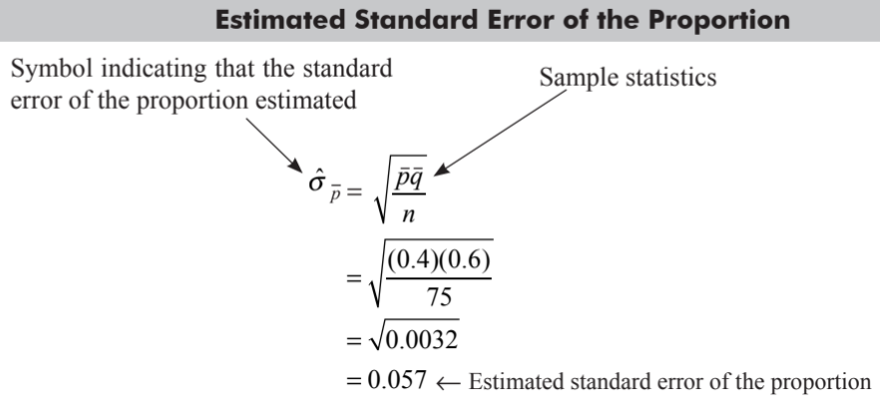
 |  |  |  | With the sample, "Estimated Standard Error of Proportion" is calculated

 |  |  |  | For 99% confidence level we get

 |  |  |  |  | So the proportion of employees who prefer their own plan is in range between (0.253 and 0.547) with 99% confidence

 | 7.8 | Interval estimate with t distribution
 |  | In case we have a sample that is smaller than 30
 |  | If sample size is small, then we can not assume normal distribution
 |  | We use t distribution if sample size is small
 |  | t distribution is used when "sample size is small AND the populatipn sd is not known". Also, the population is ASSUMED to be normally distributed (approximately)

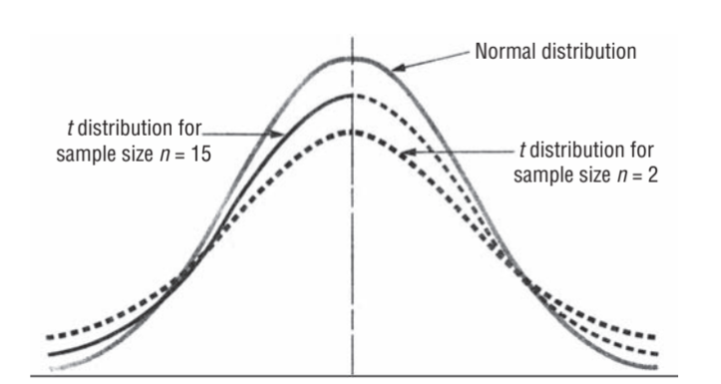
 | 7.9 | Characterstics of t distribution
 |  | 7.9.1 | t distribution is also symetrical
 |  | 7.9.2 | t distribution is flatter than Normal distribution
 |  | 7.9.3 | There is a different t distribution for each sample size
 |  | 7.9.4 | As sample size increases beyond 30, t distribution approximates to normal distribution

 | 7.10.1 | Degree of Freedom
 |  | 7.10.1.1 | There is a different t distribution for different sample size. It means there is a different t distribution for different degree of freedom
 |  | 7.10.1.2 | If there are 7 numbers with average value of 16, then 6 out of 7 are FREE to take any value. The 7th element will take value based on what other 6 elements have taken

 | 7.10.2 | Using t Distribution
 |  | 7.10.2.1 | t distribution is more compact
 |  |  | values of only a few %ages is covered in t distibution (10, 5, 2,1)
 |  |  | it focuses that the population parameter we are estimating wil lie OUTSIDE confidence interval (not inside, like in normal distribution)
 |  |  |  | if we are making an estimate at 90% confidence interval, we look in t table under 1-0.9 = 0.10
 |  |  | We also specify DoF values

 |  |  | Example: | Manager wants to estimate coal usage
 |  |  |  | coal usage of 10 weeks is taken (n=10) |  |  |  | df=n-1 = 10-1 = 9
 |  |  |  | sample mean = xbar = 11400
 |  |  |  | sample standard deviation (s) = 700 tons
 |  |  |  | Manager wants to be 95% confident and wants to know coal consumption
 |  |  |  |  | here n=10 and population parameters are not know, so we use t distribution
 |  |  |  |  |  | = | 700 |  | here we estimate population SD with sample SD
 |  |  |  |  | next we calculate sample standard error
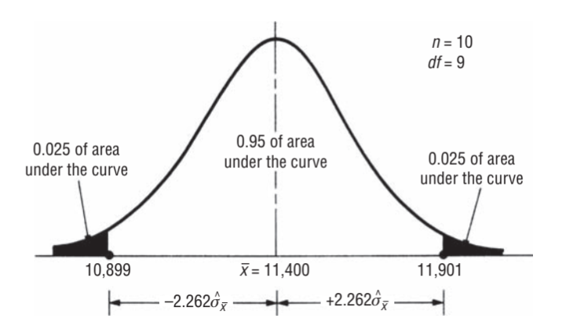
 |  |  |  |  |  |  | = | 221.35943621 | tons

 |  |  |  |  | for 95% confidence, we need to see t table under .10, df=9
 |  |  |  |  |  | 11400 - 2.262*(221.36) |  |  |  | 10899
 |  |  |  |  |  | 11400 + 2.262*(221.36) |  |  |  | 11901

 | 7.11 | Summary
 |  |  |  |  | Summary of Formula for Confidence Limits estimaking Mean and Proportions
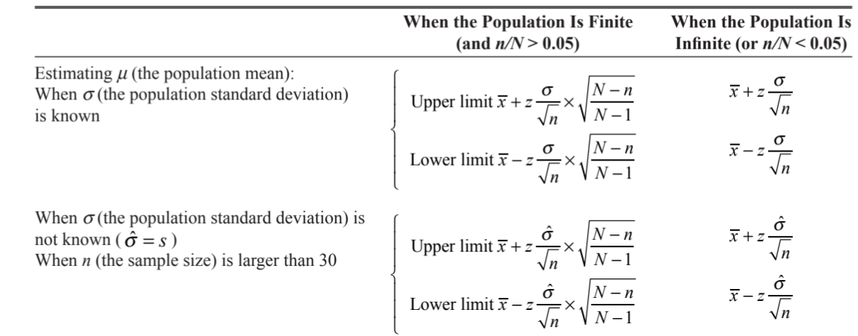

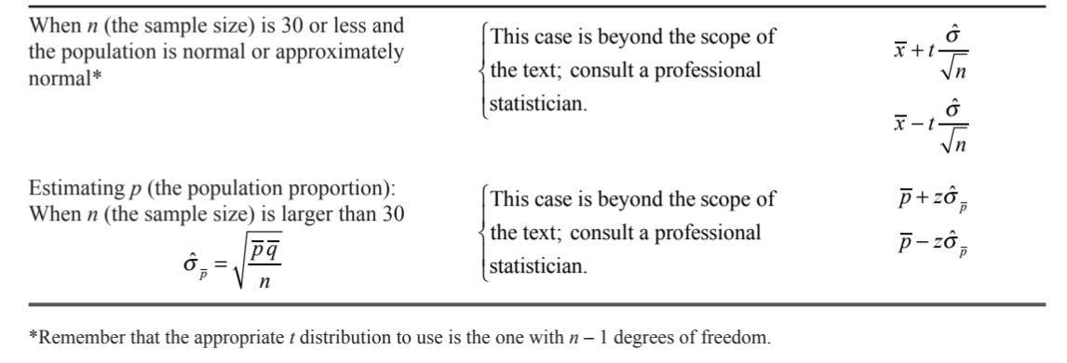

 | 7.12
 |  | Determining Sample Size
 |  | How large the sample size should be?
 |  | If it is too large, then we have waisted resources and if it is small then estimation will not be accurate
 |  | For more precision in estimate, larger sample size should be taken, but the SE will reduce with squareroot(n), which is slower
 |  | 7.12.1 | Sample size for estimating a mean

 |  |  |  |  |  |  | Standard Error -->

 |  |  |  |  |  |  | Z in terms of SE --->

 |  |  |  |  |  |  |  |  | OR

 |  |  | Example:
 |  |  |  | A university know that population(1000 students) has earning SD = 1500
 |  |  |  | University wants to know the size of sample it should collect if it wants to be 95% confident that sample mean is in range of 500 from mean

 |  |  |  | z*(Standard Error of sample mean) = 500
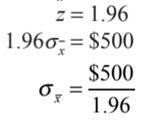

 |  |  |  |  |  |  |  |  |  |  | SE mean= | 255

 |  |  |  |  |  |  |  | n= | 34.6 | 35 | rounded

 | 7.13 | Sample Size for Estimating a Proportion
 |  | The process is same as that of estimating sample size of population mean
 |  | Suppose university wants to know the proportion of students in fovor of new grading system with 90% confidence level
 |  | students in universioty = 40000
 |  | estimate should be within PlusMinus .02
 |  | here
 |  |  | z= 1.64 for 90%
 |  |  | so

 |  |  | here pq are both not know, but to get the largest(most conservative) numerator, pq should be largest, which will happen if we take p=.5 and q=.5
 |  |  | substitute p=.5 and q=.5
 |  |  | we get n= | 1680

