Sheet1
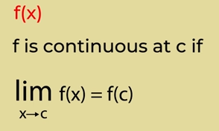
1) | Class 11 Refresher

 |  | Calculus is a branch that studies change in the function with change in its domain value and uses LIMITs
 |  | Limit is used when we want to find the value of a function in NEIGHBOURHOOD of a Point in DOMAIN of the function
 |  |  | f(x) = x+3 | here f = 6 at x=3, but in limit we find the value of fucntion in neighbouhood of 3(2.9999 or 3.0001) what is the value ?? Limit tells us that
 |  |  | x can approach 3 from left and right side,
 |  |  | Value of function at a point is a different thing and LIMIT value in the neighbourhood of this point is a different thing. That’s why we try not to get 0 in denominator of the function

 |  |  | When A function has a value at a point AND right hand limit and left hand limit appoach to same point, then we say LIMIT EXISTS at that point of function
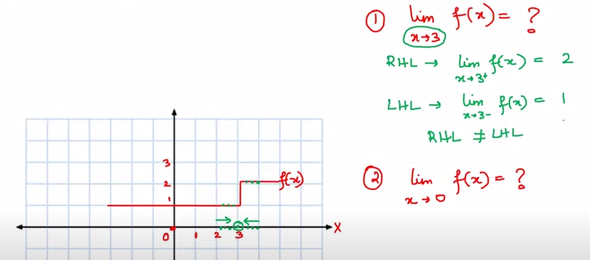

 | 1.1) | Limits and Derivatives
 |  | How to find derivatives of trignometric fns
 |  | What are derivatives
 |  | How to find derivatives of polynomial functions

 |  |  | Limiting Process

 |  |  | As h(c1-c2) tends to 0, Sequence of average velocites approaches sequence of ratios (C1B1/AC1) = (C2B2/Ac2)

 |  |  | Limit
 |  |  |  | As x -->a, f(x) ---> l, then l is called limit of the finction f(x)

 |  |  | Algebra of Limits
 |  |  |  | lim x-->a [f(x) + g(x)] = lim x--> a f(x) + lim x-> a g(x)
 |  |  |  | lim x-->a [f(x) - g(x)] = lim x--> a f(x) - lim x-> a g(x)
 |  |  |  | lim x-->a [f(x) * g(x)] = lim x--> a f(x) * lim x-> a g(x)
 |  |  |  | lim x-->a [f(x) / g(x)] = lim x--> a f(x) / lim x-> a g(x)

 |  | Trignometry Fundamentals

 |  |  |  |  | Unit Circle
 |  |  |  |  |  |  |  | 1

 |  |  |  |  |  |  |  | 2 | cos 0 = 1 | cos (2nPi + x) = cos(x)
 |  |  |  |  |  |  |  | 3 | sin 0 = 0 | sin (2nPi + x) = sin(x)
 |  |  |  |  |  |  |  | 4 | cos pi/2 = 0
 |  |  |  |  |  |  |  | 5 | sin pi/2 = 1
 |  |  |  |  |  |  |  | 6 | sin 2pi = 0
 |  |  |  |  |  |  |  | 7 | cos 2pi = 1
 |  |  |  |  |  |  |  | 8 | sin npi =0
 |  |  |  |  |  |  |  | 9 | cos (2n+1) pi/2 = 0
 |  |  |  |  |  |  |  | 10
 |  |  |  |  |  |  |  | 11
 |  |  |  |  |  |  |  | 12

 |  |  |  |  |  |  |  | 13 | sin x= 0 implies (x= npi)
 |  |  |  |  |  |  |  | 14 | cos x=0 implies (x= 2n+1) * Pi/2
 |  |  | 23 |  |  |  |  | 15

 |  |  |  |  |  |  |  | 16

 |  |  |  |  |  |  |  | 17

 |  |  |  |  |  |  |  | 18

 |  |  |  |  |  |  |  | 19
 |  |  | 24 | cos(x+y) = cos(x) cos(y) - sin(x) sin(y)
 |  |  | 25 | cos(x-y) = cos(x) cos(y) + sin(x) sin(y) |  |  |  | 20
 |  |  | 26 | cos(pi/2 -x) = sin x
 |  |  | 27 | sin(x-y) = sin(x)cos(y) - cos(x)sin(y) |  |  |  | 21
 |  |  | 28 | sin(x+y) = sin(x)cos(y) + cos(x)sin(y)
 |  |  |  |  |  |  |  | 22

 |  |  |  |  |  |  | 29

 |  |  |  |  |  |  | 30

 |  | Derivative: |  | How a function changes with change in the value of its domain
 |  |  |  | d/dx

 |  |  |  |  |  |  |  |  |  | d/dx of various trignometric functions

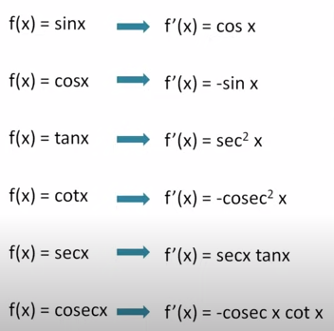

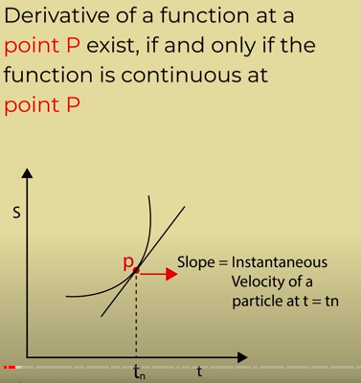

12 Starts -----------------------------------------------------------------------------------------------------------------

 | Continuity : Why continuity ? |  |  |  | Because, the derivative of a function exits at a point, ONLY if the function is continous at that point

 |  |  |  |  | If function is discontinous at p (i.e. there is a break at p) then limit will not exist

 | Example
 |  | What is velocity ? |  |  | Change in distace with time
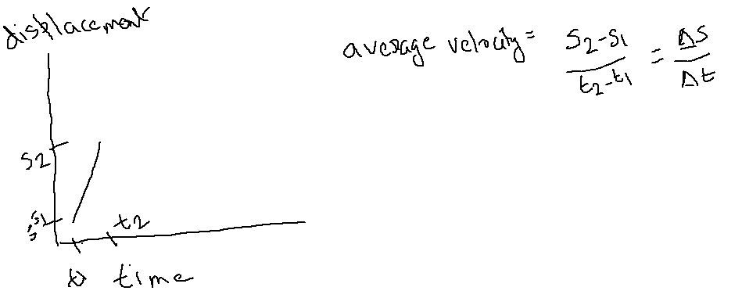

 |  |  | Average Velocity

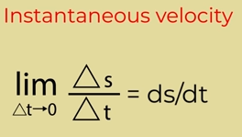
 |  |  | Instantanious Velocity |  |  | : here delta t --> 0

 |  |  |  |  |  | A tangent is drawn at point P and the slope (tan theta) of this tangent is called derivative of the function at point P

 |  |  | Discontinous Function
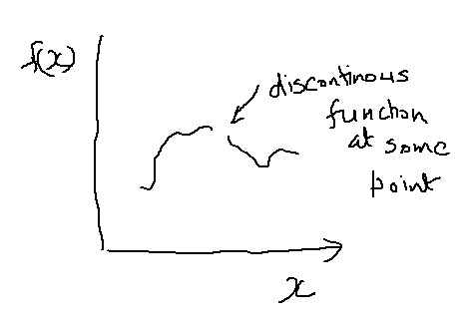
 |  |  |  |  | If a finction is discontinous at some point, then we can
 |  |  |  |  |  | not draw any tangent at that point, so its slope
 |  |  |  |  |  | can not be found AT that point (on other points we can)
 |  |  |  |  |  | So Discontinuity is AT A POINT (not all across the function)

 |  |  |  | Definition of continuity

Sheet2
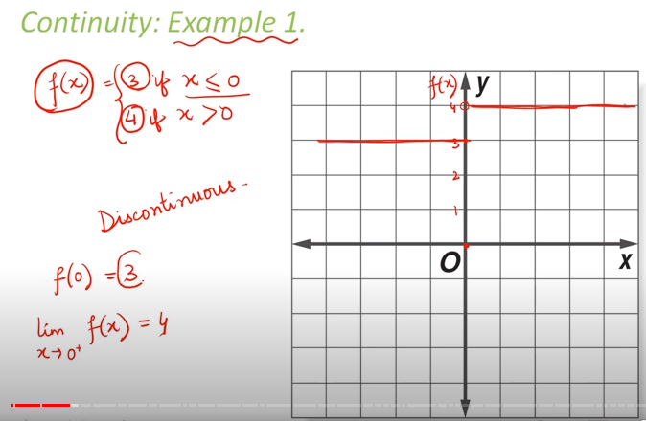
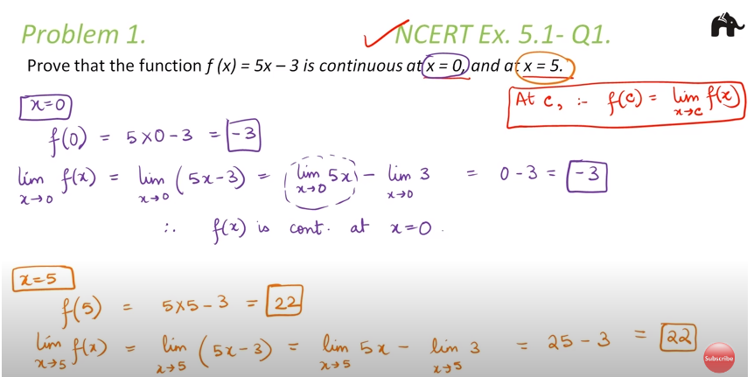

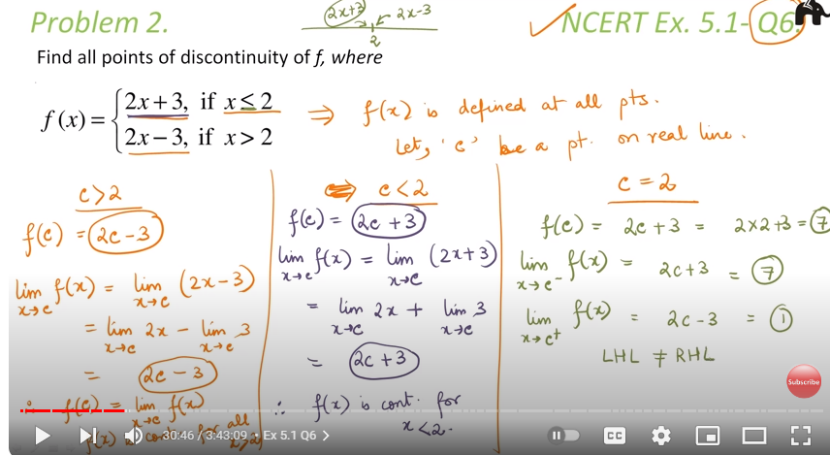

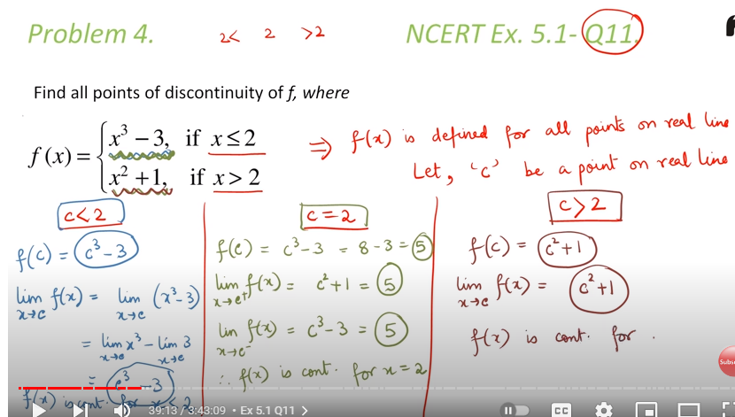

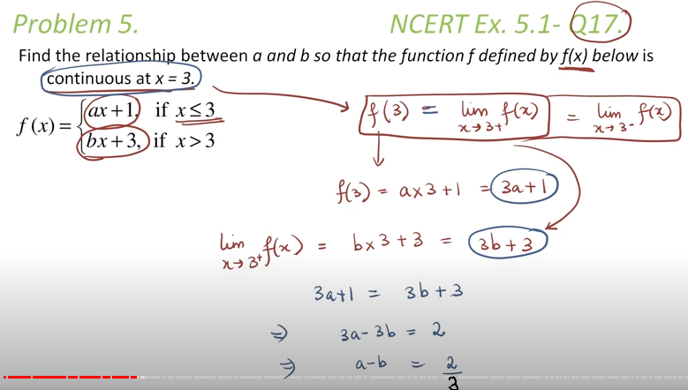

Sheet3
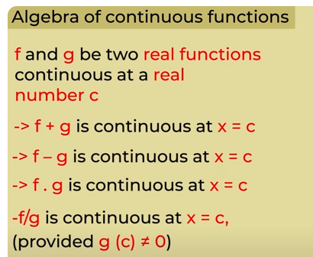
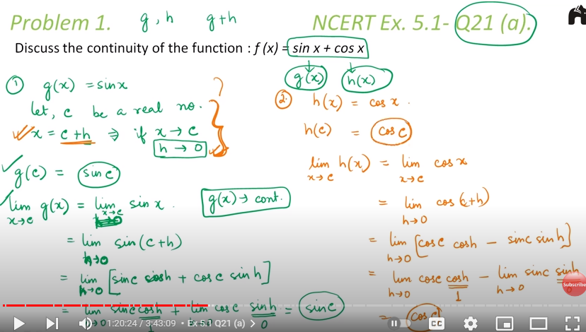
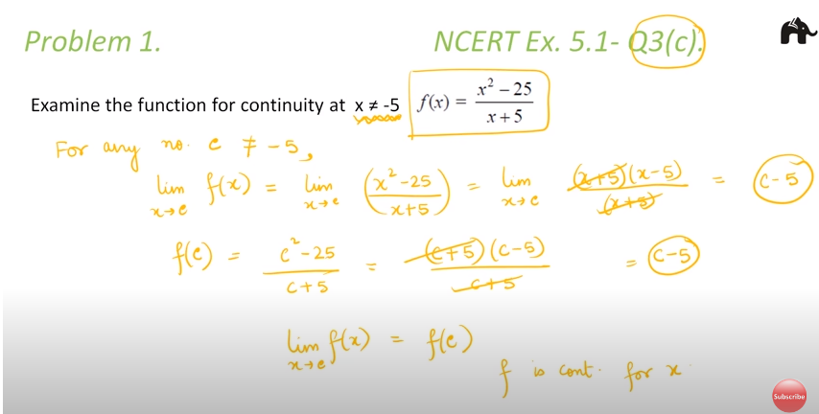
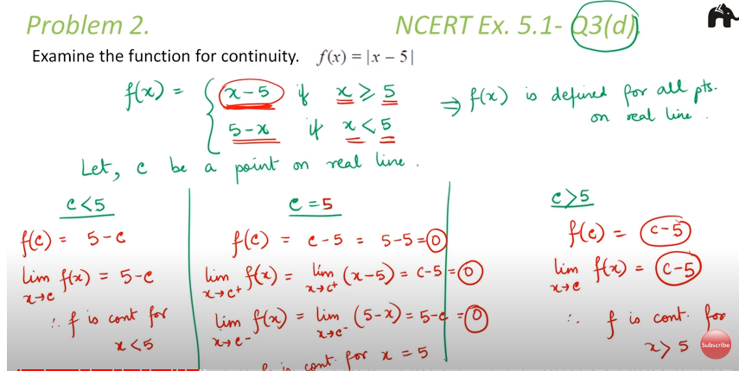
A function is said to be continous if it is continous at every point in domain of f

