Sheet1
1 | Why Spark
 | 1.1 | Volume |  | Existing apps can not open files and process this volume of data
 |  |  |  | CPU and Memory are not capable to manage this size of data
 | 1.2 | Parallel Processing
 |  |  |  | Spark uses parallel processing to use CPU and memory

 |  |  | Example:
 |  |  |  | If there is a file of 1 GB data, then this is divided(split) into 4 partitions of 250 MB each INSIDE Memory
 |  |  |  |  | So first task is to split |  |  | Who will split the data? Spark does
 |  |  |  |  |  | Each partition is placed in separate machine
 |  |  |  |  | Then the code should be executed in parallel
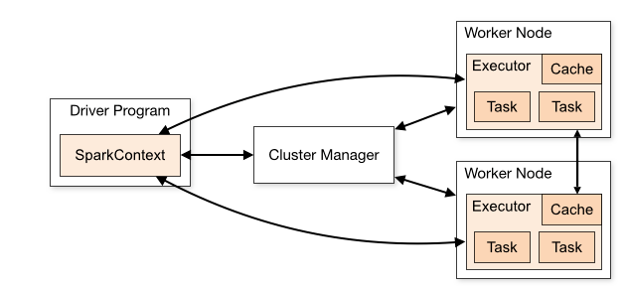
 |  |  |  |  |  | So convert the code to parallel format |  |  | Who will convert the code to paralle format ? Spark
 |  |  |  |  | Then the result is to be agreegated

 |  |  |  | https://spark.apache.org/

 |  |  |  | https://spark.apache.org/docs/latest/cluster-overview.html
 | 1.3 | Aggregate

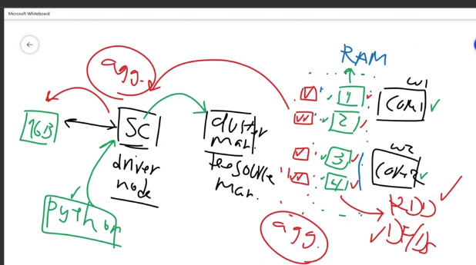
2 | Spark Overview

 |  |  |  |  |  |  |  |  |  | 1 | 1 GB data is sent to Spark engine (called context, Or Driver node)
 |  |  |  |  |  |  |  |  |  | 2 | Let there be 2 cores
 |  |  |  |  |  |  |  |  |  | 3 | RAM is in blue and is shared with both cores
 |  |  |  |  |  |  |  |  |  | 4 | There is a cluster manager (or Resource Manager)
 |  |  |  |  |  |  |  |  |  | 5 | If we say we would like to have 4 partitions. As there are 2 cores, there will be fair distribution of 2 partitions per core
 |  |  |  |  |  |  |  |  |  | 6 | The python code is passed to SC and then cluster manager finds if cores are ready
 |  |  |  |  |  |  |  |  |  | 7 | the red parts show that data partitions are processed in parallel
 |  |  |  |  |  |  |  |  |  | 8 | Once the data is processed, the result is aggregated
 |  |  |  |  |  |  |  |  |  | 9 | aggregation can be done at worker node OR data is sent to diver node and then aggregation is done at dirver node
 |  |  |  |  |  |  |  |  |  | 10 | The 4 partitions can be RDD or DataFrame

3 | Environment collab
 |  | number of partitions is done based on the cores
 |  | SparkContext is driver program
 |  | SparkConfig is to configure spark |  |  |  |  | conf = SparkConf().setApplicationName("ÄppName").setMaster("local[*]") |  |  |  |  | If we need 4 partitions, then we write local[4]
 |  | sc.defaultParallelism() |  |  | given the number of cores

 | Resilient Distributed Dataset
4 | RDD | 1 | If user sends 1 GB of data to spark cluster, then we first see how many cores we have
 |  | 2 | If there are 2 cores and we decide to divide the data in 4 partitions, then the COMBINATION of these 4 partitions is called RDD
 |  | 3 | RDD will take these partions and will apply any changes, amemdments to the partitions
 |  | 4 | RDD is readonly
 |  | 5 | New partitions are craeted of any new value or modification is done
 |  | 6 | RDD is fault tollarent and will recover in case of any issues by using DAG
 |  | 7 | RDD has two operations
 |  |  |  | Trannsformations |  |  | Result of Transformation is A NEW RDD, which is not readable
 |  |  |  | Actions |  |  | It is like display .. Take, collect, count, etc..

