Central Tendency
1 | Data Can be presented as array
2 | Frequency distribution is a better way to display data
3 | Relative frequency distribution has % value of a class and add up to 100% for all classes
4 | Steps for Frequency Distribution
 | 4.1 | Decide total number of classes
 | 4.2 | Calculate width of class
 | 4.3 | Sort the values in asc or desc order

5 | Population is collection of all elements of interest
6 | Sample is a subset of Population
7 | A representative sample contains relevant in the same proportion

 |  |  |  |  | Values | Class |  | Class | Mid | Frequency | cumFreq%
 |  |  |  |  | 2.1706301767 | 0-20 |  | 0-20 | 10 | 7 | 0.23333333333
 |  |  |  |  | 2.2774724162 | 0-20 |  | 20-40 | 30 | 6 | 0.43333333333
 |  |  |  |  | 2.6114244124 | 0-20 |  | 40-60 | 50 | 5 | 0.6
 |  |  |  |  | 8.6481054263 | 0-20 |  | 60-80 | 70 | 6 | 0.8
 |  |  |  |  | 12.232382648 | 0-20 |  | 80-100 | 90 | 6 | 1
 |  |  |  |  | 15.494506971 | 0-20
 |  |  |  |  | 17.200849662 | 0-20
 |  |  |  |  | 21.162394227 | 20-40
 |  |  |  |  | 23.724118797 | 20-40
 |  |  |  |  | 29.587503832 | 20-40
 |  |  |  |  | 32.374012707 | 20-40
 |  |  |  |  | 33.620036081 | 20-40
 |  |  |  |  | 35.195267158 | 20-40
 |  |  |  |  | 45.491595896 | 40-60
 |  |  |  |  | 47.86236 | 40-60
 |  |  |  |  | 52.749979731 | 40-60
 |  |  |  |  | 56.744220956 | 40-60
 |  |  |  |  | 59.527495677 | 40-60
 |  |  |  |  | 60.888496795 | 60-80
 |  |  |  |  | 64.210900641 | 60-80
 |  |  |  |  | 66.181751842 | 60-80
 |  |  |  |  | 66.425324082 | 60-80
 |  |  |  |  | 67.766339733 | 60-80
 |  |  |  |  | 78.754312461 | 60-80
 |  |  |  |  | 80.175882013 | 80-100
 |  |  |  |  | 81.346948866 | 80-100
 |  |  |  |  | 83.327473152 | 80-100
 |  |  |  |  | 84.245582807 | 80-100
 |  |  |  |  | 86.574361539 | 80-100
 |  |  |  |  | 96.623060396 | 80-100

8 | Central tendency |  | It is middle point of a distribution
9 | Dispersion |  | Spread of data in a distribution. The extent to which the data is scattered
10 | Scewness |  | skewness: (Symmetrical or skewed). Skewed to left means long tail is on left side.
11 | Kurtosis |  | Peakedness
12 | Characterstics of sample are called statistics
13 | Characterstics of population are called parameters
14 | Measure of Central tendency

 | 14.1 | Arithmaric mean

 |  | 14.1.1 | Sample Mean | = |  | <---- | Sum of all observations

 |  |  |  |  |  | <---- | Number of elements in Population

 |  | 14.1.2 | Population mean | =

 |  |  | Disadvantages of Averages
 |  |  | 1) impacted by extream values
 |  |  | 2) tedious for large values
 |  |  | 3) not possible in open interval classes

 | 14.2 | Weighted Mean
 |  | Weighted mean given importance to each value based on its weight
 |  | x̄weighted = Σ(w*x)/w .. where w is weight assigned to each observation

 | 14.3 | Geometric mean
 |  | Geometric Mean
 |  | Sometimes values change over time. We need to know "average rate of change" .. like growth rate.
 |  | GM = n√(a1*a2*a3*.... an)
 |  | used with ratios, %change, rate of change

SamplingAndDistribution
1 | To understand the parameters of population, it is many time not possible to study each element. So we use sampling to get a small representative group of population
2 | We should understand below
 | 2.1 | What shout be the sample size ?
 | 2.2 | How do you find if the sample represents the population?
 | 2.3 | cencus is when each element/member of population is examined
3 | Population : Parameters
4 | Sample : Statistics
5 | Types of Sampling: Two
 |  | 5.1 | Nonrandom |  | OR | Judgmental |  |  | Knowledge and opinion
 |  | 5.2 | Random |  | OR | Probability |  |  | Here All elements have a chance of selection |  |  |  |  |  | THIS IS THE TYPE USED IN THE STUDY OF THIS BOOK
 |  |  | 5.2.1 | Simple Random Sampling |  |  | each element has equal probability of selection
 |  |  | 5.2.2 | Systematic Sampling |  |  | In some interval.. |  |  | All elements do not have equal chance of selection
 |  |  | 5.2.3 | Stratified Sampling |  |  | Homogenious groups are calleed strata |  |  |  |  | Like strata can be all doctors OR Engineers |  |  |  |  | weightage is used based on strat's proportion in Population |  | There is small variation within strata, but more variation when conpaired with other strata
 |  |  | 5.2.4 | Cluster Sampling |  |  | Cluster | These clusters in themselves are representatives of population |  |  |  |  |  |  | There is considerable variation within cluster
6 | Design Of Experiments
 | Random sampling is done
 | Objective:
 | What is to be measured: |  |  | This is response variable
 | How large the sample size should be: |  |  |  | Taking large sample increases accuracy but increases cost and there is a a dimnishing return
 | Conducting Experiment: |  |  | Controled conditions
 | Analyze data: |  | Hypothesis testing
 | Reacting to experimental claims:
7 | Sampling Distribution (OR PROBABILITY DISTRIBUTION)
 | 7.1 | Probability Distribution of Sample Means
 |  | 7.1.1 | If we take many samples, each of 10 girls of age 25 from a population of 100000 girls
 |  | 7.1.2 | now we take the mean and sd of each sample. Then the mean and sd of each sample will differ from each other
 |  | 7.1.3 | A probability distribution mean of ALL POSSIBLE SAMPES is called "DISTRIBUTION OF SAMPLE MEANS"
 | 7.2 | Probability distribution of sample PROPORTIONS |  |  |  |  |  |  | Two sets of data have same ratio is called proportion
 |  | 7.2.1 | We take many samples (each of 100 trees) from infected forest
 |  | 7.2.2 | We plot probability distribution of PROPORTION of infection of each sample.
 |  | 7.2.3 | This way we get probability distribution of proportion
 | 7.3 | Sampling Distribution (or probability distribution)
 |  | 7.3.1 | Any sampling distribution can be partially described by its mean and SD
 |  |  | basketball player |  |  | Sample |  |  | Sample Statistics |  |  |  | Sample Distribution |  |  |  | Described by
 |  |  | River Water |  |  | 10 gallon |  |  | MEAN no or murcury per mil water |  |  |  | Sample distribution of mean |  |  |  | described by mean and sd
 |  |  | basketball player |  |  | 5 players |  |  | Median Height |  |  |  | Sample distribution of Median |  |  |  | described by mean and sd of Medean
 |  |  | parts from a process |  |  | 50 parts |  |  | Proportion defective |  |  |  | Sample distribution of proportion |  |  |  | described by mean and sd of proportion
8 | Standard Error Concept
 | it is also standard deviation of distribution of sample means |  |  |  |  |  |  | = | Standard Error of mean
 | similarly standard deviation of distribution of sample proportion |  |  |  |  |  |  | = | Standard Error of proportion
 |  | If we divide all 1st year students of a university in 100 samples of equal size.
 |  | The mean of each sample will be different when compared with any other sample
 |  | This difference is due to the chance of including students in a particular sample, which is also called sampling error
 |  | Thus standard deviation of distribution of sample STATISTICS(mean,proportion,median) is called STANDARD ERROR OF STATISTICS
 |  | Standard error tells the accuracy that is likely if we use sample statics to estimate population parameters
 |  | A less spreadout distribution of sample statistics will have small Standard Error and will be better estimator of population
 |  | Refrer |  |  |  |  |  |  |  | Use
 |  | Standard deviation of distribution of sample means |  |  |  |  |  |  |  | Standard Error of mean
 |  | Standard deviation of distribution of sample median |  |  |  |  |  |  |  | Standard Error of median
 |  | Standard deviation of distribution of sample proportions |  |  |  |  |  |  |  | Standard Error of proportion
 |  | Standard deviation of distribution of sample range |  |  |  |  |  |  |  | Standard Error of range
9 | Sampling Distribution in more Details
 | 9.1 | Conceptual basis for Sampling distribution
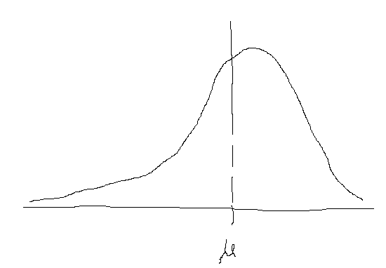
 |  | Probability distribution of life of all filters in hours |  |  |  |  | -->
 |  | assume there are 40 filters in population |  |  |  |  |  |  |  |  |  |  |  |  | Population Distribution
 |  |  |  |  |  |  |  |  |  |  |  |  |  |  |  | mu | = | Mean
 |  |  |  |  |  |  |  |  |  |  |  |  |  |  |  | Sigma |  | SD

 |  | Now 4 samples (each of 10 filters) of all filters is taken

 |  | Sample frequency distribution |  |  |  | --->

 |  | Each sample has its own mean
 |  | Each sample has its own standard deviation

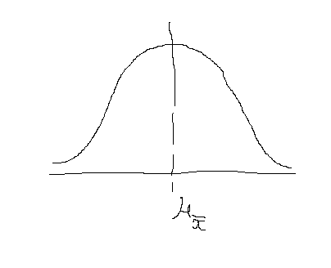

 |  | Sample Distribution of mean |  |  |  | ------------------------------------------------------------->

 |  | mean of sample distribution of means |  |  |  | =
 |  | Standard deviation of distribution of sample means (also Standard Error of mean)

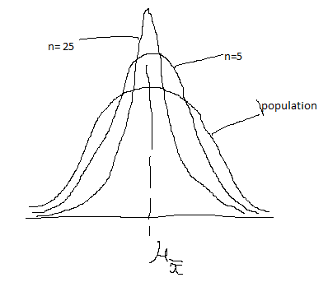
10 | Standard Error of mean is less than standard deviation of each element
11 | If a population of normal distribution is divided into some samples of size (say 5 each), and mean is calculated of each sample
 | now mean is plotted. The plot of the means will have less spread (SD) as compared to population
 | If we now increase the sample from 5 to 25, then the spead will become even smaller and SD will be lesser

 | SO AS SAMPLE SIZE INCREASES, THE SE (STANDARD ERROR) DECREASES

 | A bank has indivadual savaing acc balance normally distributed
 | the mean individual savaing account balance is 2000
 | the standard deviation is 600
 | If a random sample of 100 saving accounts is taken, then what is the probability of mean >1900 and <2050?
 | Here population size is not known and we have to take INFINITE population size
 | SE (infinite population) |  |  | =
 |  |  |  |  |  |  |  |  |  | sigma= | 600
 |  |  |  |  |  |  |  |  |  | sq root n= | 100

 |  |  |  |  |  |  | SE | = |  | 60

 |  |  |  | xbar=1900
 |  |  |  | so z= |  |  |  |  |  | z= | -1.67 |  | area= | 0.4525

 |  |  |  | xbar =2050
 |  |  |  | so z= |  | 0.83333333333 |  |  |  |  |  |  | area= | 0.2967
 |  |  |  |  |  |  |  |  |  |  |  |  | Total | 0.7492

12 | If Population is Not Normally distributed, we increase the number of elements.
 | if n>20 , the shape starts becoming normal

13 | Central Limit Theorem
 | 13.1 | Sampling distribution of mean becomes normally distributed as sample size increases (30)
 | 13.2 | We can use sample statistics to estimate population parameters without knowling anything about the shape of frequency distribution of population

14 | Finite Population Multiplier
 | If the population is not very large, then the impact of Standard Error should be reduced. This is done by *(N-n)/(N-1)
 | If pipulation is very large, N will be infinite and its impact will be very less

15 | Sampling Distribution of Proportion
 | There are situations where occurances or non occurances are of intrest, which are categorical in nature
 | In these situations proportion is of intrest (how many occurances out of total)
 | Since information from complete population is not available, sample proportion is used for estimation of population
 | Occurance (say x out of total n) follows binomial distribution, hence mean of x(which is mu) = np (as per binomial distribution) -->

 | SD of x as per binomial distribution = SquareRoot(npq) ---->

 | now proportion = x/n, we divide by n to get mean of (x/n) , which is p = np/n --> p

 |  | i.e. Mean of p(hat) |  | = |  |  | = | p

 | divide SD or x by n, we get SD of proportion = SquareRoot(npq) / n

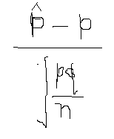

 |  | Z=

 |  | In case of Finite population, Z is as below
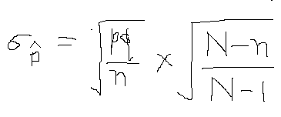

16 | Relation between n and SE

 |  | If n increases, then SE decreases
 |  | But there is dimnishing return as SE increases by underroot of n
 |  | So increasing sample size will not reduce SE with same rate

17 |  | In this equation ---------------------------------------------------->
 |  | SE depends on the size of sample (n) and not on Fraction (n/N)
 |  | This means SE is not dependent on the fraction of population sampled

