Sheet1
1 | Measure of uncertainity of events in a random experiment
 | Sample Space |  |  | {H,T} | {1,2,3,4,5,6}
 | Experiment |  |  | toss of coin, roll of die
 | Event |  |  | Head appearing , or Number 2 in roll of a die
 | Random

2 | Classical theory |  | If the outcomes are all equally likely

3 | Conditional probability
 |  | Discrete probabity
 |  | Binomial distribution
 |  | ** examples are of the experiments having equal likelyhood

 | 3.1 | Conditional probability
 |  | if we have two events from same sample space, then does the information about occurance of one event affect the occurance of other event? (All outcomes equally likely)
 |  | Toss of 3 fair coins
 |  |  | Sample Space |  | S= | {HHH,HHT,HTH,THH, HTT, TTH, THT,TTT} |  |  |  | *** Important , whe you start the problem, think about the Complete Sample Space
 |  |  |  |  |  | since there are 8 outcomes, the probability of each is 1/8
 |  |  |  |  | E= | Let E be an event "atlease 2 heads" |  |  |  | ** Then Thiink about the subset that satisfies event
 |  |  |  |  |  | {HHT, HTH, THH,HHH} |  |  | = 1/2
 |  |  |  |  | F= | Event that first toss is a Tail |  |  |  | ** Then Thiink about the subset that satisfies event
 |  |  |  |  |  | {THH,TTH,THT,TTT}

 |  |  |  |  | If we are given that the first toss is a tail , (so F has happened). What is the probability of E happening? (.i.e next two are heads)?
 |  |  |  |  |  | So from sample space, we should only consider the subset satisfying F
 |  |  |  |  |  | For E to happen, there is only one outcome {THH}, out of possible 4 F outcomes
 |  |  |  |  |  | So the probability = 1/4

 |  |  |  |  |  |  |  |  |  |  |  | ----> A

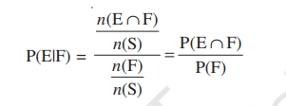

 |  |  |  |  |  |  |  |  |  |  | Same as above

 |  |  |  |  |  | if E and F are two events of SAME sample space S of an experiment then

 |  |  |  |  |  |  |  | 1)

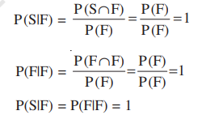

 |  |  |  |  |  | if A and B are two events of sample space S and F is an event of S such that P(F) !=0

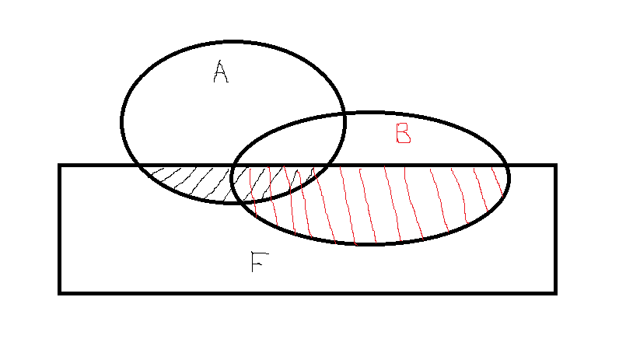

 |  |  |  |  |  |  |  |  |  |  |  | Intersection is subtracted to adjust for double counting

 |  |  |  |  |  | 2
 |  |  |  |  |  |  |  |  | if A and B are disjoint then

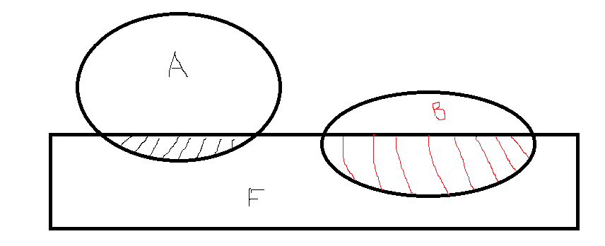

 |  |  |  |  |  | 3

 | Multiplication Throrem of Probability
 |  |  |  | Let E and F be two events associated with sample space S.

 | Bayer's Theorem

 |  |  | Partition of Sample Space

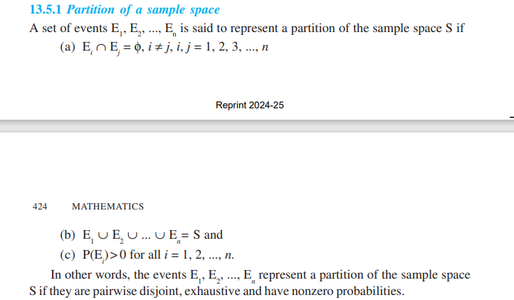

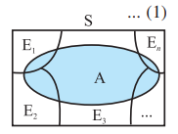

 |  | ****
 |  |  | Independent Events
 |  |  |  |  | F: | Card drawn is an Ace
 |  |  |  |  | E: | Card drawn is a Spade
 |  |  |  |  | p(F) | 1/13 | Card drawn is an Ace
 |  |  |  |  | p(F|E) | 1/13 | Probability that the card is Ace give that it is Spade
 |  |  |  |  |  | ** So event the cardbeing a spade "E" has no impact in the probability of it being Ace "F"
 |  |  |  |  |  | BUT these two events (E and F) are NOT "mutually exclusive" as there is one intersection

