Sheet1
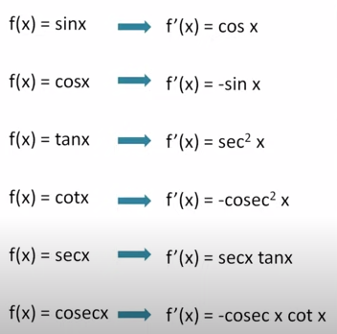
1) | Class 11 Refresher

 | 1.1) | Limits and Derivatives
 |  | How to find derivatives of trignometric fns
 |  | What are derivatives
 |  | How to find derivatives of polynomial functions

 |  |  | Limiting Process

 |  |  | As h(c1-c2) tends to 0, Sequence of average velocites approaches sequence of ratios (C1B1/AC1) = (C2B2/Ac2)

 |  |  | Limit
 |  |  |  | As x -->a, f(x) ---> l, then l is called limit of the finction f(x)

 |  |  | Algebra of Limits
 |  |  |  | lim x-->a [f(x) + g(x)] = lim x--> a f(x) + lim x-> a g(x)
 |  |  |  | lim x-->a [f(x) - g(x)] = lim x--> a f(x) - lim x-> a g(x)
 |  |  |  | lim x-->a [f(x) * g(x)] = lim x--> a f(x) * lim x-> a g(x)
 |  |  |  | lim x-->a [f(x) / g(x)] = lim x--> a f(x) / lim x-> a g(x)

 |  | Trignometry Fundamentals

 |  |  |  |  | Unit Circle
 |  |  |  |  |  |  | 1

 |  |  |  |  |  |  | 2 | cos 0 = 1 | cos (2nPi + x) = cos(x)
 |  |  |  |  |  |  | 3 | sin 0 = 0 | sin (2nPi + x) = sin(x)
 |  |  |  |  |  |  | 4 | cos pi/2 = 0
 |  |  |  |  |  |  | 5 | sin pi/2 = 1
 |  |  |  |  |  |  | 6 | sin 2pi = 0
 |  |  |  |  |  |  | 7 | cos 2pi = 1
 |  |  |  |  |  |  | 8 | sin npi =0
 |  |  |  |  |  |  | 9 | cos (2n+1) pi/2 = 0
 |  |  |  |  |  |  | 10
 |  |  |  |  |  |  | 11
 |  |  |  |  |  |  | 12

 |  |  |  |  |  |  | 13 | sin x= 0 implies (x= npi)
 |  |  |  |  |  |  | 14 | cos x=0 implies (x= 2n+1) * Pi/2
 |  |  | 23 |  |  |  | 15

 |  |  |  |  |  |  | 16

 |  |  |  |  |  |  | 17

 |  |  |  |  |  |  | 18

 |  |  |  |  |  |  | 19
 |  |  | 24 | cos(x+y) = cos(x) cos(y) - sin(x) sin(y)
 |  |  | 25 | cos(x-y) = cos(x) cos(y) + sin(x) sin(y) |  |  | 20
 |  |  | 26 | cos(pi/2 -x) = sin x
 |  |  | 27 | sin(x-y) = sin(x)cos(y) - cos(x)sin(y) |  |  | 21
 |  |  | 28 | sin(x+y) = sin(x)cos(y) + cos(x)sin(y)
 |  |  |  |  |  |  | 22

 |  |  |  |  |  | 29

 |  |  |  |  |  | 30

 |  |  |  |  |  |  |  |  | d/dx of various trignometric functions

