Sheet1
1 | A quantity that has only magnitude is called scalar | Ex: | temprature, area, volume, radius
2 | A quantity that as magnitude as well as direction is called vector | Ex: | displacement, velicity, weight, accleration etc.

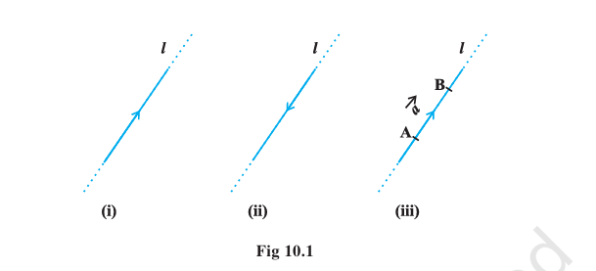
3 |  |  |  | Let "l" be a straight line is a three dimensional space.
 |  |  |  | The line can be given two dimensions by means of arrowheads
 |  |  |  | If the line is restricted to segment AB, then we get a "Directed line segment" AB
 |  |  |  | So a directed line segment will have direction and magnitude

 |  |  |  | A directed line segment is denoted as

 |  |  |  | The point from where a vectro starts is called initial point
 |  |  |  | The point where the vector ends is called terminal point
 |  |  |  | The distance netween strating and terminal point is called magnitude denoted as
 |  |  |  | Arrow indicates the direction

4 | Position Vector

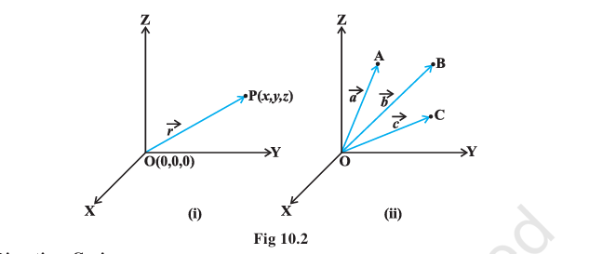
 |  |  |  | Consider a point in space (x,y,z)

5 | Direction Cosines

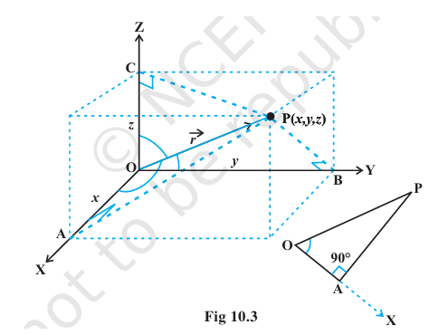
 |  |  | Consider a vector OP (r arrow)
 |  |  | It makes Alpha, beta and gama angles with x,y and z axis
 |  |  |  |  |  |  |  |  |  |  |  | Direction Ratios
 |  |  | cos(alpha) = x/r |  | OR | x = cos(alpha) r | OR | lr | where | l= cos(alpa) | OR | a
 |  |  | cos(beta) = y/r |  | OR | y = cos(beta) r | OR | mr | where | m= cos(beta) | OR | b
 |  |  | cos(gama) = z/r |  | OR | z = cos(gama) r | OR | nr | where | n= cos(gama) | OR | c

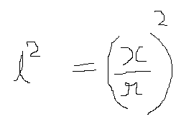
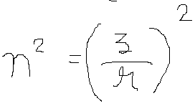

 |  |  |  | but

 |  |  |  | So

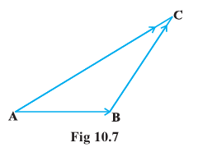
6 | Addition of Vector

 |  |  | Triangle law

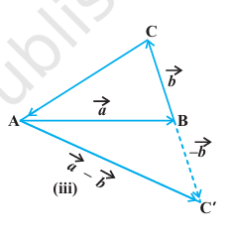

7 | Parallelogram law of addition

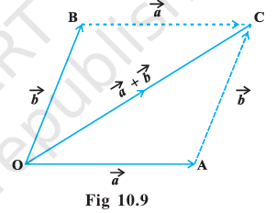

8 | Properties of Vedctor addition

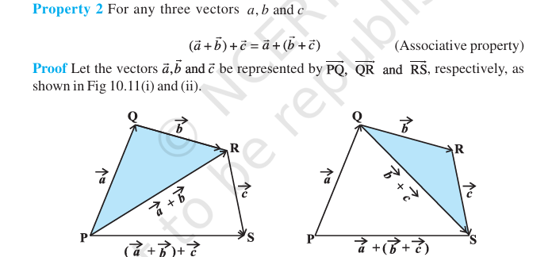

9 | Components of a vector

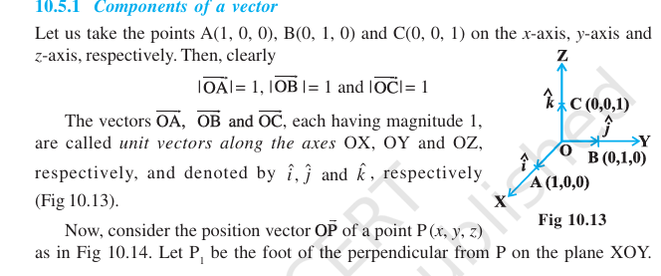

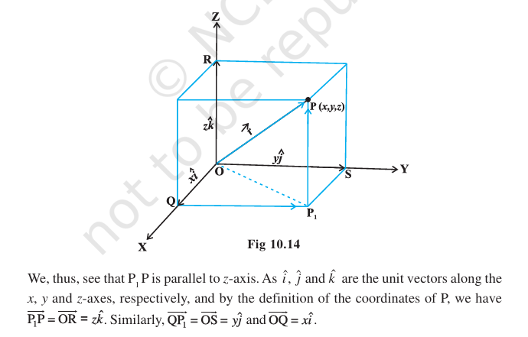

 |  |  |  |  | here point p has coordinates (x,y,z)

 |  |  |  |  |  |  |  | vector component

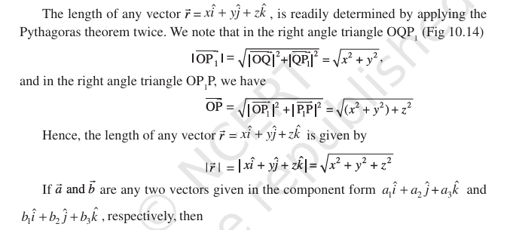

 | See example 9

