CentralTendencyDispersion
1 | Central Tendency: Midpoint of a distribution
2 | Dispersion: Extent to which data is spread in a distribution
3 | Skewed: | Right has long tail in right side
4 | Measurement of central tendency (Ungrouped data)
 | 4.1 | Arithmatic Mean
 |  | 4.1.1 | Mean of Population |  |  |  |  |  |  | x = each element in population
 |  |  |  |  |  |  |  |  |  | N = total count of elemnets in population

 |  | 4.1.2 | Mean of Sample |  |  |  |  |  |  | x = each element in sample
 |  |  |  |  |  |  |  |  |  | n = total count of elemnets in sample

5 | Measurement of central tendency (Grouped data)
 | 5.1 | Arithmatic Mean
 |  |  |  |  |  |  |  |  |  | xbar is sample mean
 |  | 5.1.1 | Mean of Sample |  |  |  |  |  |  | f = frequency of each class
 |  |  |  |  |  |  |  |  |  | x= midpoint of each class
 |  |  |  |  |  |  |  |  |  | n=number of observations in each sample |  |  |  |  | = | sum(f)

 |  | 5.2 | Disadvantages of Averages
 |  |  | 1) impacted by extream values
 |  |  | 2) tedious for large values
 |  |  | 3) not possible in open interval classes

6 | Relative frequency distribution has the % or values of class, and add to 100% for all classes
 | Steps for frequency distribution
 | a) Decide number of classes
 | b) calculate the width of class
 | c) sort the values and count number of entries per class
 | d) Histograms and Frquency polygones.. Ogives show relative frequency

7 | weighted mean
 |  |  |  |  |  |  |  |  | w = weight of each observation

8 | Geometric mean

 | Sometimes values change over time. We need to know "average rate of change" .. like growth rate over several years
 | GM = n√(a1*a2*a3*.... an) |  |  |  |  |  |  |  |  |  |  |  |  | year | interest% | Growth | YrEndVal
 | used with ratios, %change, rate of change |  |  |  |  |  |  |  |  |  |  |  |  | 1 | 7 | 1.07 | 107 | here simple average = (7+8+10+12+18)/5--> 11% which is slightly wrong
 |  |  |  |  |  |  |  |  |  |  |  |  |  | 2 | 8 | 1.08 | 115.56 | correct value comes by using GM --> 5th root(7*8*10*12*18)--->10.93
 |  |  |  |  |  |  |  |  |  |  |  |  |  | 3 | 10 | 1.1 | 127.116 | GM is always slighlt less than simple mean
 |  |  |  |  |  |  |  |  |  |  |  |  |  | 4 | 12 | 1.12 | 142.36992
 |  |  |  |  |  |  |  |  |  |  |  |  |  | 5 | 18 | 1.18 | 167.9965056

9 | as we know .. If aPOWERn = b then a = n√b

10 | Harmonic mean
 | square(GM) = AM * HM
 | AM = (a+b)/2
 | GM = √(a*b)
 | HM = 2*ab/(a+b)
 | HM= n/[(1/r1)+(1/r2)+(1/r3)]

11 | Median
 | It is middlemost term when aranged in asc or desc order

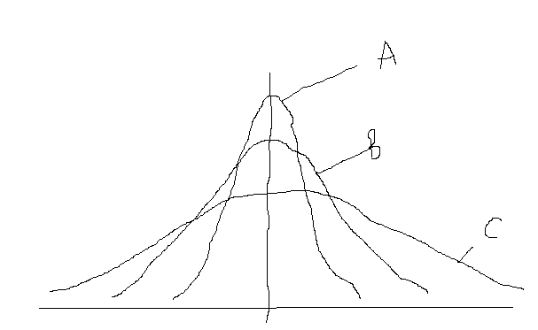
12 | Mode
 | Most repeated value (may not be numeric, like color)

13 | Dispersion
 |  | In this figure ----------------------------------------->
 |  | mean of all three curves is same
 |  | Curve A has least variability (dispersion)
 |  | If we only measure mean, then we will miss variability
 |  | So, to better understand distribution , variation is important

 |  | Dispersion gives RELIABILITY of our central tendency. If data is widly spread, then mean is less representative of data as a whole

14 | Range
 | Highest value - Lowest Value
 | Heavily influnced by extream values
 | fractile divides all values in 3 parts
 | quartile divides all values in 4 parts
 | decile divides all values in 10 parts

15 | Dispersion: Average deviation measures
 | The most comprehensive description of dispersion are those which deal with AVERAGE DEVIATION from some measure of central tendency(like mean,median.etc)
 | Two such measures are VARIANCE and SD. Both these tell average distance of an observation from mean

 | 15.1 | Population Variation
 |  | Every population has variation that is represented by sigma squared

 |  |  |  |  |  |  |  |  |  |  |  |  | x= each item
 |  | Formula of Population Variation ---------------> |  |  |  |  |  |  |  |  |  |  | mu = population mean
 |  | As the difference is squared, unit is squared unit, which is not intutive |  |  |  |  |  |  |  |  |  |  | N= total number of observations in population

 | 15.2 | Population Standard Deviation of ungrouped data
 |  | It is underoot or variance, hence is in same unit as original value
 |  | SD = |  |  | =

 |  |  |  | Elements | Mean
 |  |  |  | x |  |  |  |  |  |  | = | 0.00340
 |  |  |  | 0.04 | 0.166 | -0.126 | 0.015876
 |  |  |  | 0.06 | 0.166 | -0.106 | 0.011236 |  |  |  | = | 0.058286647985 |  | <--This is in same unit as x
 |  |  |  | 0.12 | 0.166 | -0.046 | 0.002116
 |  |  |  | 0.14 | 0.166 | -0.026 | 0.000676
 |  |  |  | 0.14 | 0.166 | -0.026 | 0.000676
 |  |  |  | 0.15 | 0.166 | -0.016 | 0.000256
 |  |  |  | 0.17 | 0.166 | 0.004 | 0.000016
 |  |  |  | 0.17 | 0.166 | 0.004 | 0.000016
 |  |  |  | 0.18 | 0.166 | 0.014 | 0.000196
 |  |  |  | 0.19 | 0.166 | 0.024 | 0.000576
 |  |  |  | 0.21 | 0.166 | 0.044 | 0.001936
 |  |  |  | 0.21 | 0.166 | 0.044 | 0.001936
 |  |  |  | 0.22 | 0.166 | 0.054 | 0.002916
 |  |  |  | 0.24 | 0.166 | 0.074 | 0.005476
 |  |  |  | 0.25 | 0.166 | 0.084 | 0.007056
 |  |  | SUM--> | 2.49 | 0.166 | 2.324 | 0.0510
 |  | Mean--> |  | 0.166

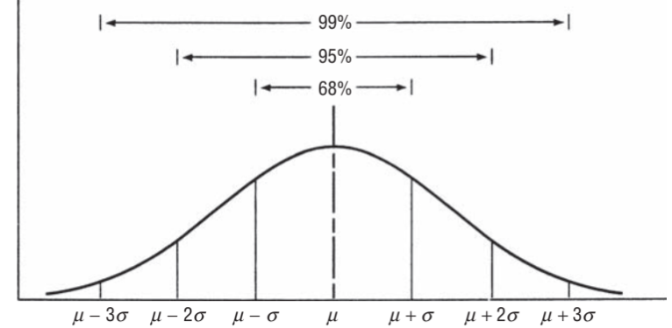
 | 15.3 | Use of Standard Deviation
 |  | SD helps us understand with great deal of accuracy where the individual observations are located w.r.t mean

 |  | in above example, the mean is 0.166 and the SD is 0.058
 |  | so, 95% of the values will be between (.166 - 2*(0.058)) and (.166 + 2*(0.058))

 | 15.4 | Standard Score (z)
 |  | It tells how amany SDs an observation is away from its mean

 |  | Population Standard score |  |  | Z | =

 |  | In above example, if there is an element with value 0.108, and mean of population is 0.166 with SD 0.058, then Z score of this observation is
 |  | z | = | -1

 | 15.5 | Population Standard Deviation of Grouped data
 |  |  |  |  |  |  | f=frequency of each class
 |  |  |  |  |  |  | x=midpoint of each class
 |  |  |  |  |  |  | N=total number of elemnets of population

 |  |  | class | Midpoint | frequency | x*f | Mean | Mid-Mean

 |  |  | 700-799 | 750 | 4 | 3000 | 1250 | -500 | 250000 | 1000000 |  |  |  | = | 66800
 |  |  | 800-899 | 850 | 7 | 5950 | 1250 | -400 | 160000 | 1120000
 |  |  | 900-999 | 950 | 8 | 7600 | 1250 | -300 | 90000 | 720000 |  |  |  | = | 258.45695967
 |  |  | 1000-1099 | 1050 | 10 | 10500 | 1250 | -200 | 40000 | 400000
 |  |  | 1100-1199 | 1150 | 12 | 13800 | 1250 | -100 | 10000 | 120000
 |  |  | 1200-1299 | 1250 | 17 | 21250 | 1250 | 0 | 0 | 0
 |  |  | 1300-1399 | 1350 | 13 | 17550 | 1250 | 100 | 10000 | 130000
 |  |  | 1400-1499 | 1450 | 10 | 14500 | 1250 | 200 | 40000 | 400000
 |  |  | 1500-1599 | 1550 | 9 | 13950 | 1250 | 300 | 90000 | 810000
 |  |  | 1600-1699 | 1650 | 7 | 11550 | 1250 | 400 | 160000 | 1120000
 |  |  | 1700-1799 | 1750 | 2 | 3500 | 1250 | 500 | 250000 | 500000
 |  |  | 1800-1899 | 1850 | 1 | 1850 | 1250 | 600 | 360000 | 360000

 |  |  |  |  | 100 | 125000 |  |  |  | 6680000

 | 15.6 | Sample Standard Deviation
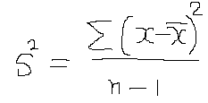

 |  |  | element | Mean
 |  |  | 863 | 1351 | -488 | 238144 |  |  |  |  | = | 144888.18182
 |  |  | 903 | 1351 | -448 | 200704
 |  |  | 957 | 1351 | -394 | 155236 |  |  |  |  | = | 380.64180251
 |  |  | 1041 | 1351 | -310 | 96100
 |  |  | 1138 | 1351 | -213 | 45369
 |  |  | 1204 | 1351 | -147 | 21609
 |  |  | 1354 | 1351 | 3 | 9
 |  |  | 1624 | 1351 | 273 | 74529
 |  |  | 1698 | 1351 | 347 | 120409
 |  |  | 1745 | 1351 | 394 | 155236
 |  |  | 1802 | 1351 | 451 | 203401
 |  |  | 1883 | 1351 | 532 | 283024

 |  |  | 16212 |  |  | 1593770

 | 15.8 | Sample z Score
 |  |  |  |  |  |  |  |  | x=observation from sample
 |  |  | z | = |  |  |  |  | xbar = sample mean
 |  |  |  |  |  |  |  |  | s= sample Standard Deviation

 |  |  |  |  | for example, the observation 863 is at what z score?

 |  |  |  |  |  |  |  | z | = | -1.282045211

16 | Relative Dispersion |  | : | The cofficient of variation
 |  | Two SDs can not be compared with each other as these are ABSOLUTE numbers
 |  | A relative measure is needed which compares SD with respect to mean

 |  |  |  | Population coefficient of variation |  |  |  | =

 |  |  |  | There are 2 technicians A and B
 |  |  |  | A has SD = 5 and mean = 40
 |  |  |  | B has SD = 15 and mean = 160

 |  |  |  | Which is better?
 |  |  |  |  |  |  | For A | 0.125
 |  |  |  |  |  |  | For B | 0.09375

 |  |  |  | So cofficiant of variation for B is lesser than A's
 |  |  |  |  |  |  | So B is better

Probability1
1 | There are two broad types of problems
 | 1.1 | Deterministic(Or Descriptive)
 |  | Here frequency distribution(descriptive statsistics) is known and hence all outcomes as per frequency distribution are known

 | 1.2 | Random(Or Probabilistic)
 |  | Here the theoritical probabilities(Probability distributions) are known (like all outcomes of throw of die,coin)

2 | Sample Space: It is a set of all outcoms
3 | Event: One or more DESIRABLE outcome of doing and activity (experiment)
4 | Experiment: An activity that produces one or more Events
5 | Mutually Exclusive: When only one of the events can occur, and other can not.
6 | Collectively Exhaustive: All possible outcomes
7 | There are three types of probabilities
 | 7.1 | Classical approach
 | 7.2 | Relative Frequency approach
 | 7.3 | Subjective approach

8 | Types of probabilities in detail
 | 8.1 | Classical | (with or without replacement should be kept in consideration)
 |  | 8.1.1 | Probability of an event = (Number of outcomes where event occurred)/Total number of possible outcomes of experiment
 |  | 8.1.2 | It is also called priori, as all possible outcomes are already know in advance
 |  | 8.1.3 | We do not have to PERFORM the experiment, as all possible outcomes are already known
 |  | 8.1.4 | There are assumptions in classical approach (mentioned below).
 |  |  | 8.1.4.1 | ALL outcomes are EQUALLY LIKELY
 |  |  | 8.1.4.2 | outcomes are EXHAUSTIVE (all outcomes are already known)
 |  |  | 8.1.4.3 | outcomes are MUTUALLY EXCLUSIVE (only one outcome can result)
 |  | 8.1.2 | In real life scenarios, these assumptions many times do not hold good.
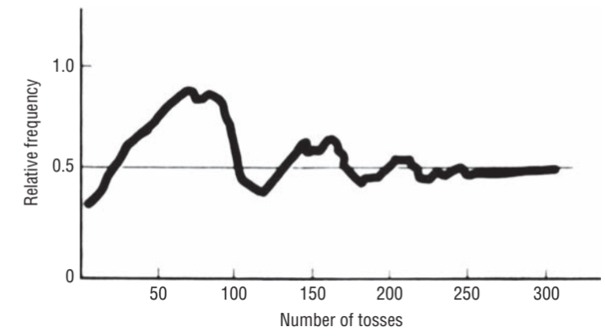
 | 8.2 | Relative Frequency of occurance
 |  | This method uses relative frequencies of past occurances as probabilities
 |  | Definition
 |  | 8.2.1 | Observed relative frequency of an event in very large number of experiments is available
 |  |  | OR
 |  | 8.2.2 | The proportion of times an event occurs in long run in stable condition

 |  | 8.2.3 | Relative frequency becomes stable as number of experiments are increased to high level --------> See coin toss
 |  | 8.2.4 | One issue with relative frequency is that people use it without evaluating sufficient number of outcomes
 |  | 8.2.5 | It is also not sure after how many experiments the relative frequency will STABALIZE
 |  | 8.2.6 | In real life, the conditions may change after very large experiments (like a machine may wear and tear)
 |  | 8.2.7 | Suppose an event is able of being repeated STAYING STABLE for long nuber of times(say N) and it produces desirable outcomes f number of times, then
 |  |  | relative frequecny = f/N
 | 8.3 | Subjective Probability
 |  | 8.3.1 | For the events for which no or very less data is available, expert guess and understanding is used
9 | Probability Rules
 | 9.1 | Marginal Probability (Also called SINGLE or UNCONDITIONAL PROBABILITY)
 |  | 9.1.1 | P(A) |  | This means: probability of event A happening
 |  | 9.1.2 | example: | 1st prize in lottery of 50 entries…. Here only one ticket will be 1st prize winner
 |  | 9.1.3 | If event is Mutually exclusive |  |  | P(A) |  | 1(as only 1 outcome is possible in Margnal)/(Total number or possible outcomes
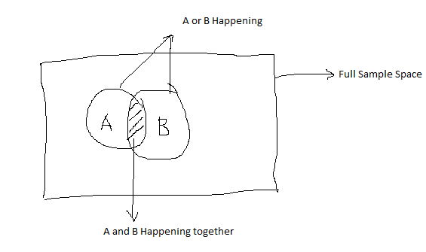
 | 9.2 | Non Mutually exclusive events
 |  | 9.2.1 | P(A or B) | = | Probability or A OR B happening.
 |  |  |  | P(A or B) ---------------------------------------->

 |  | 9.2.2 | P(A or B) | = | P(A) | + | P(B) | - | P(AB)

 |  |  |  | here P(AB) is subtracted to avoid double counting

 |  | 9.2.3 | Example | P(Ace or Heart)
 |  |  |  |  | P(Ace) |  | 0.076923076923
 |  |  |  |  | P(Heart) |  | 0.25
 |  |  |  |  | P(Ace AND Heart) |  | 0.019230769231

 |  |  |  |  | P(Ace or Heart) |  | 0.30769230769


 | 9.3 | Mutually Exclusive event
 |  | 9.3.1 | P(A or B) | = | Probability or A OR B happening.
 |  | 9.3.2 |  | = | P(A) | + | P(B)

 |  | 9.3.3 | There are 5 candidates(A,B,C,D,E). All are equally good
 |  |  | what is the probability of A and B if 2 are to be selected?
 |  |  | P(A) | 0.2
 |  |  | P(B) | 0.2
 |  |  | P(A or B) | 0.4

 | 9.4 | Probability under STATISTICAL INDEPENDENCE
 |  | 9.4.1 | What is statistical independence:
 |  | 9.4.2 | When two events happen (together or one after another) and each event has no effect one the other, then it is called Statistically Independent
 |  | 9.4.3 | There are three types of probabilities under statistical independence
 |  |  | 9.4.3.1 | Marginal
 |  |  | 9.4.3.2 | Joint
 |  |  | 9.4.3.3 | Conditional
 |  | 9.4.4
 |  |  | 9.4.4.1 | Marginal In Detail
 |  |  | 9.4.4.2 | Simple probability of an event happening
 |  |  | 9.4.4.3 | Example: Probability of Head in a toss. The probability of Head is always 0.5 and has no relation or effect of result or earlier toss
 |  | 9.4.5
 |  |  | 9.4.5.1 | Joint in Detail
 |  |  | 9.4.5.2 | Two or more events happening together or in sucssion(one after another) is called joint probability
 |  |  | 9.4.5.3 | P(AB) | = | P(A) | * | P(B)
 |  |  | 9.4.5.4 | P(HHH) | = | 0.5 | * | 0.5 | * | 0.5 |  | --> | 0.125
 |  | 9.4.6
 |  |  | 9.4.6.1 | Conditional Probability in Detail
 |  |  | 9.4.6.2 | P(B|A) |  | = |  | Probability of event B given that event A has occurred
 |  |  | 9.4.6.3 | P(B|A) | = | P(B) |  | This is because outcome B has no impact of any outcome prior to it

 | 9.5 | Probability under STATISTICAL DEPENDENCE
 |  | 9.5.1 | When probability of some event is dependent on OR affected by occurance of some other event
 |  |  | 9.5.1.1 | Marginal
 |  |  | 9.5.1.2 | Joint
 |  |  | 9.5.1.3 | Conditional
 |  |  | 9.5.1.3.1 | Conditional in Detail first |  |  | Example Below
 |  |  | 9.5.1.3.2 | P(B|A) | = | P(BA)/P(A)
 |  |  | 9.5.1.2.1 | Joint in Detail
 |  |  | 9.5.1.2.2 | From Conditional equation---> |  |  |  | P(BA) | = | P(B|A)*P(A)
 |  |  | 9.5.1.1.1 | Marginal in Detail
 |  |  | 9.5.1.1.2 | P(A) | = | P(AB) | + | P(AC) |  | which is sum of probabilities of all outcomes where A occurred

 |  |  |  |  |  |  | QUICK REFERENCE

 |  |  | Example: | Conditional Probability under statistical dependence
 |  |  |  | There is box that has 10 balls:
 |  |  |  |  | 1) | 3 are collored and dotted
 |  |  |  |  | 2) | 1 coloured and striped
 |  |  |  |  | 3) | 2 grey and dotted
 |  |  |  |  | 4) | 4 grey and striped

 |  |  |  | Q1 | A ball is taken out and it turns out to be a colored ball. What is the probability that it is striped?
 |  |  |  |  | P(D|C) | = | P(DC)/P( C )

 |  |  |  |  |  |  | P( C ) | = | 0.4
 |  |  |  |  |  |  | P(DC) | = | 0.3
 |  |  |  |  |  |  | So P(D|C) | = | 0.75

 |  |  |  | Q2 | P(D|G) | = | P(DG)/P(G)
 |  |  |  |  |  |  | P(G) | = | 0.6
 |  |  |  |  |  |  | P(DG) | = | 0.2
 |  |  |  |  |  |  | So P(D|G) | = | 0.33333333333

 |  |  |  | Q3 | P(S|G) | = | P(SG)/P(G)
 |  |  |  |  |  |  | P(SG) | = | 0.4
 |  |  |  |  |  |  | P(G) | = | 0.6
 |  |  |  |  |  |  | So P(S|G) | = | 0.66666666667

 |  |  |  | Marginal
 |  |  |  | Q | What is the probability of a colored ball ?
 |  |  |  |  | P( C ) | = | P(SC) | + | P(DC) | = | 0.1 | + | 0.3 | 0.4

10 | Baye's Theorem
 | When in business the manager finds that the earlier understanding of sales probability is different than the actual, then probabilities need to be revised
 | New (altered) probabilities are called POSTERIOR probabilities
 | As more information is made available, the probability can be modified
 | Baye's Theorem is same as Conditional probability under statistical dependence

 | Baye's Theorem |  | -----> |  | P(B|A) | = | P(BA)/P(A)
 | If correctly used, there is no need to collect large data

 | 10.1 | Calculating posterior probabilities
 |  | Example: | There is a bowl in which there are 2 types of dies. Both are biased (same number of type1 and type2 dies are in bowl)
 |  |  | In Type 1, probabiliy of ACE(dot) is .4
 |  |  | In Type 2, probabiliy of ACE(dot) is .7
 |  |  | When one die it taken out and tosses, ACE comes. What is the probability that it is Type1 die

 |  |  | Event | ProbOfEvent |  | P(Ace| Event) |  |  | P(ACE, Event)
 |  |  | Type1 | 0.5 |  | 0.4 |  |  | 0.2
 |  |  | Type2 | 0.5 |  | 0.7 |  |  | 0.35
 |  |  |  |  |  |  |  |  | 0.55 |  | <---- P(ACE)

 |  |  | P(Type1|ACE) |  | = | P(Type1 ACE)/(P(ACE)) |  |  | ---> | 0.36363636364
 |  |  | After rolling die, we revise the probability to 36.4%

 |  |  | Now die is rolled again and it again shows ACE

 |  |  | Event | ProbOfEvent |  | P(1Ace| Event) |  | P(2Ace| Event) |  |  | P(2ACE Event)
 |  |  | Type1 | 0.5 |  | 0.4 |  | 0.4 |  |  | 0.08
 |  |  | Type2 | 0.5 |  | 0.7 |  | 0.7 |  |  | 0.245
 |  |  |  |  |  |  |  |  |  |  | 0.325 | <---- P(ACE)

 |  |  | P(Type1|2A) |  | = | P(Type1 2ACE)/P(ACE) |  |  | ------> | 0.24615384615 | <----- P(ACE)
 |  |  | After rolling die for 2 times, we revise the probability that the die is to Type1 to 24.6%

 | 10.2
 |  | Three piece problem
 |  | In a match, if the machine is setup correctly, it will strike 85%
 |  |  | if it is incorrectly setup, it will strike 35%
 |  |  | Machine is setup correctly 75% times
 |  |  | It throws 3 strikes in three attempts
 |  |  | what is the revised probability that the setup is done correctly?

 |  |  | Event | Pevent | P(Strike|Event) |  | P(3S|E)
 |  |  | Correct | 0.75 | 0.85 |  | 0.46059375
 |  |  | Incorrect | 0.25 | 0.35 |  | 0.01071875
 |  |  |  |  |  |  | 0.4713125 | <---- 3Strikes

 |  |  | P(Correct|3S) |  | = | P(Correct 3S)/(P(3 Strikes)) |  |  |  | ----> | 0.97725765814 |  | 97.8% chance

 |  | In 5 pitches, 4 times it struck. Now what is the probability that it was setup correctly?

 |  |  | Event | pEvent | P(Strike|Event) |  | P(SSBSS Event)
 |  |  | Correct | 0.75 | 0.85 |  | 0.058725703125
 |  |  | Incorrect | 0.25 | 0.35 |  | 0.002438515625
 |  |  |  |  |  |  | 0.06116421875 | <---- 4 Strikes and 1 miss

 |  |  | P(Correct | 4S1Miss) |  | = | P(4S 1 miss, correct)/(P4 S1Miss) |  |  |  | ----> | 0.96013166399 |  | 96%

SamplingAndDistribution
1 | To understand the parameters of population, it is many time not possible to study each element. So we use sampling to get a small representative group of population
2 | We should understand below
 | 2.1 | What shout be the sample size ?
 | 2.2 | How do you find if the sample represents the population?
 | 2.3 | cencus is when each element/member of population is examined
3 | Population : Parameters
4 | Sample : Statistics
5 | Types of Sampling: Two
 |  | 5.1 | Nonrandom |  | OR | Judgmental |  |  | Knowledge and opinion
 |  | 5.2 | Random |  | OR | Probability |  |  | Here All elements have a chance of selection |  |  |  |  |  | THIS IS THE TYPE USED IN THE STUDY OF THIS BOOK
 |  |  | 5.2.1 | Simple Random Sampling |  |  | each element has equal probability of selection
 |  |  | 5.2.2 | Systematic Sampling |  |  | In some interval.. |  |  | All elements do not have equal chance of selection
 |  |  | 5.2.3 | Stratified Sampling |  |  | Homogenious groups are calleed strata |  |  |  |  | Like strata can be all doctors OR Engineers |  |  |  |  | weightage is used based on strat's proportion in Population |  | There is small variation within strata, but more variation when conpaired with other strata
 |  |  | 5.2.4 | Cluster Sampling |  |  | Cluster | These clusters in themselves are representatives of population |  |  |  |  |  |  | There is considerable variation within cluster
6 | Design Of Experiments
 | Random sampling is done
 | Objective:
 | What is to be measured: |  |  | This is response variable
 | How large the sample size should be: |  |  |  | Taking large sample increases accuracy but increases cost and there is a a dimnishing return
 | Conducting Experiment: |  |  | Controled conditions
 | Analyze data: |  | Hypothesis testing
 | Reacting to experimental claims:
7 | Sampling Distribution (OR PROBABILITY DISTRIBUTION)
 | 7.1 | Probability Distribution of Sample Means
 |  | 7.1.1 | If we take many samples, each of 10 girls of age 25 from a population of 100000 girls
 |  | 7.1.2 | now we take the mean and sd of each sample. Then the mean and sd of each sample will differ from each other
 |  | 7.1.3 | A probability distribution mean of ALL POSSIBLE SAMPES is called "DISTRIBUTION OF SAMPLE MEANS"
 | 7.2 | Probability distribution of sample PROPORTIONS |  |  |  |  |  |  | Two sets of data have same ratio is called proportion
 |  | 7.2.1 | We take many samples (each of 100 trees) from infected forest
 |  | 7.2.2 | We plot probability distribution of PROPORTION of infection of each sample.
 |  | 7.2.3 | This way we get probability distribution of proportion
 | 7.3 | Sampling Distribution (or probability distribution)
 |  | 7.3.1 | Any sampling distribution can be partially described by its mean and SD
 |  |  | basketball player |  |  | Sample |  |  | Sample Statistics |  |  |  | Sample Distribution |  |  |  | Described by
 |  |  | River Water |  |  | 10 gallon |  |  | MEAN no or murcury per mil water |  |  |  | Sample distribution of mean |  |  |  | described by mean and sd
 |  |  | basketball player |  |  | 5 players |  |  | Median Height |  |  |  | Sample distribution of Median |  |  |  | described by mean and sd of Medean
 |  |  | parts from a process |  |  | 50 parts |  |  | Proportion defective |  |  |  | Sample distribution of proportion |  |  |  | described by mean and sd of proportion
8 | Standard Error Concept
 | it is also standard deviation of distribution of sample means |  |  |  |  |  |  | = | Standard Error of mean
 | similarly standard deviation of distribution of sample proportion |  |  |  |  |  |  | = | Standard Error of proportion
 |  | If we divide all 1st year students of a university in 100 samples of equal size.
 |  | The mean of each sample will be different when compared with any other sample
 |  | This difference is due to the chance of including students in a particular sample, which is also called sampling error
 |  | Thus standard deviation of distribution of sample STATISTICS(mean,proportion,median) is called STANDARD ERROR OF STATISTICS
 |  | Standard error tells the accuracy that is likely if we use sample statics to estimate population parameters
 |  | A less spreadout distribution of sample statistics will have small Standard Error and will be better estimator of population
 |  | Refrer |  |  |  |  |  |  |  | Use
 |  | Standard deviation of distribution of sample means |  |  |  |  |  |  |  | Standard Error of mean
 |  | Standard deviation of distribution of sample median |  |  |  |  |  |  |  | Standard Error of median
 |  | Standard deviation of distribution of sample proportions |  |  |  |  |  |  |  | Standard Error of proportion
 |  | Standard deviation of distribution of sample range |  |  |  |  |  |  |  | Standard Error of range
9 | Sampling Distribution in more Details
 | 9.1 | Conceptual basis for Sampling distribution
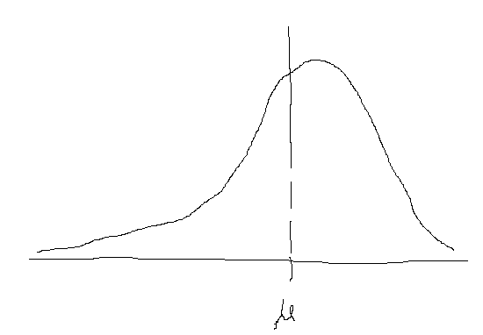
 |  | Probability distribution of life of all filters in hours |  |  |  |  | -->
 |  | assume there are 40 filters in population |  |  |  |  |  |  |  |  |  |  |  |  | Population Distribution
 |  |  |  |  |  |  |  |  |  |  |  |  |  |  |  | mu | = | Mean
 |  |  |  |  |  |  |  |  |  |  |  |  |  |  |  | Sigma |  | SD

 |  | Now 4 samples (each of 10 filters) of all filters is taken

 |  | Sample frequency distribution |  |  |  | --->

 |  | Each sample has its own mean
 |  | Each sample has its own standard deviation

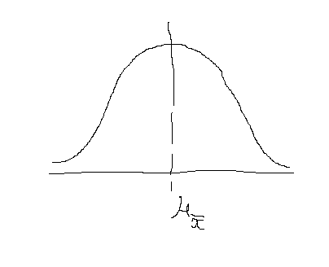

 |  | Sample Distribution of mean |  |  |  | ------------------------------------------------------------->

 |  | mean of sample distribution of means |  |  |  | =
 |  | Standard deviation of distribution of sample means (also Standard Error of mean)

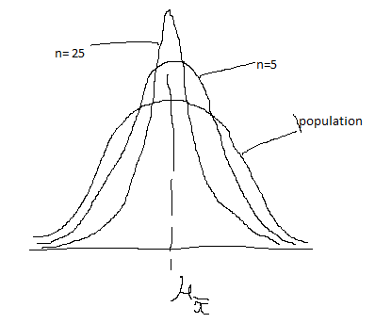
10 | Standard Error of mean is less than standard deviation of each element
11 | If a population of normal distribution is divided into some samples of size (say 5 each), and mean is calculated of each sample
 | now mean is plotted. The plot of the means will have less spread (SD) as compared to population
 | If we now increase the sample from 5 to 25, then the spead will become even smaller and SD will be lesser

 | SO AS SAMPLE SIZE INCREASES, THE SE (STANDARD ERROR) DECREASES

 | A bank has indivadual savaing acc balance normally distributed
 | the mean individual savaing account balance is 2000
 | the standard deviation is 600
 | If a random sample of 100 saving accounts is taken, then what is the probability of mean >1900 and <2050?
 | Here population size is not known and we have to take INFINITE population size
 | SE (infinite population) |  |  | =
 |  |  |  |  |  |  |  |  |  | sigma= | 600
 |  |  |  |  |  |  |  |  |  | sq root n= | 100

 |  |  |  |  |  |  | SE | = |  | 60

 |  |  |  | xbar=1900
 |  |  |  | so z= |  |  |  |  |  | z= | -1.67 |  | area= | 0.4525

 |  |  |  | xbar =2050
 |  |  |  | so z= |  | 0.83333333333 |  |  |  |  |  |  | area= | 0.2967
 |  |  |  |  |  |  |  |  |  |  |  |  | Total | 0.7492

12 | If Population is Not Normally distributed, we increase the number of elements.
 | if n>20 , the shape starts becoming normal

13 | Central Limit Theorem
 | 13.1 | Sampling distribution of mean becomes normally distributed as sample size increases (30)
 | 13.2 | We can use sample statistics to estimate population parameters without knowling anything about the shape of frequency distribution of population

14 | Finite Population Multiplier
 | If the population is not very large, then the impact of Standard Error should be reduced. This is done by *(N-n)/(N-1)
 | If pipulation is very large, N will be infinite and its impact will be very less

15 | Sampling Distribution of Proportion
 | There are situations where occurances or non occurances are of intrest, which are categorical in nature
 | In these situations proportion is of intrest (how many occurances out of total)
 | Since information from complete population is not available, sample proportion is used for estimation of population
 | Occurance (say x out of total n) follows binomial distribution, hence mean of x(which is mu) = np (as per binomial distribution) -->

 | SD of x as per binomial distribution = SquareRoot(npq) ---->

 | now proportion = x/n, we divide by n to get mean of (x/n) , which is p = np/n --> p

 |  | i.e. Mean of p(hat) |  | = |  |  | = | p

 | divide SD or x by n, we get SD of proportion = SquareRoot(npq) / n

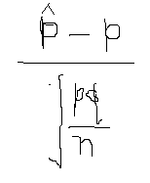

 |  | Z=

 |  | In case of Finite population, Z is as below
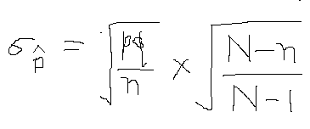

16 | Relation between n and SE

 |  | If n increases, then SE decreases
 |  | But there is dimnishing return as SE increases by underroot of n
 |  | So increasing sample size will not reduce SE with same rate

17 |  | In this equation ---------------------------------------------------->
 |  | SE depends on the size of sample (n) and not on Fraction (n/N)
 |  | This means SE is not dependent on the fraction of population sampled

