使用データベース
mysql518.db.sakura.ne.jp

activepro_baseinfo_地区

あなうめ君

activepro_anaume_地区

baseInfoテーブル一覧
activepro_baseinfo_地区

テーブル | カラム一覧
classE | *id | name
 | int | text

classH | *id | name
 | int | text

curriculumE | *id | name
 | int | text

curriculumH | *id | name
 | int | text

gradeE | *id | name
 | int | text

gradeH | *id | name
 | int | text

group | *id | name
 | int | text

schoolE | *id | name | code
 | int | text | text

schoolH | *id | name | code
 | int | text | text

share | *id | name
 | int | text

unit | *id | name | group | grade | curriculum
 | int | text | int | int | int

unitE1Kokugo | *id | name | month1 | month2
unitE1Math | int | text | int | int
unitE2Kokugo
unitE2Math
unitE3Kokugo
unitE3Math
unitE3Rika
unitE3Syakai
unitE4Kokugo
unitE4Math
unitE4Rika
unitE4Syakai
unitE5Kokugo
unitE5Math
unitE5Rika
unitE5Syakai
unitE6Kokugo
unitE6Math
unitE6Rika
unitE6Syakai | *id | name | month1 | month2
unitH1English | int | text | int | int
unitH1Kokugo
unitH1Math
unitH1Rika
unitH1ShakaiG
unitH1ShakaiH
unitH2English
unitH2Kokugo
unitH2Math
unitH2Rika
unitH2ShakaiG
unitH2ShakaiH
unitH3English
unitH3Kokugo
unitH3Math
unitH3Rika
unitH3ShakaiC
unitH3ShakaiH
unitHAllEnglish
unitHAllKokugo
unitHAllMath
unitHAllRika
unitHAllShakaiC
unitHAllShakaiG
unitHAllShakaiH

users | *id | loginName | password | displayName | mekurin
 | int | text | text | text | int

 | anaume | tamatebako | hourensou | fuunyan | group
 | int | int | int | int | int

 | schoolE | schoolH | gradeE | gradeH | classE
 | int | int | int | int | int

 | classH | curriculumE | curriculumH | number | sex
 | int | int | int | int | text

 | authority
 | text

baseInfoテーブル定義書
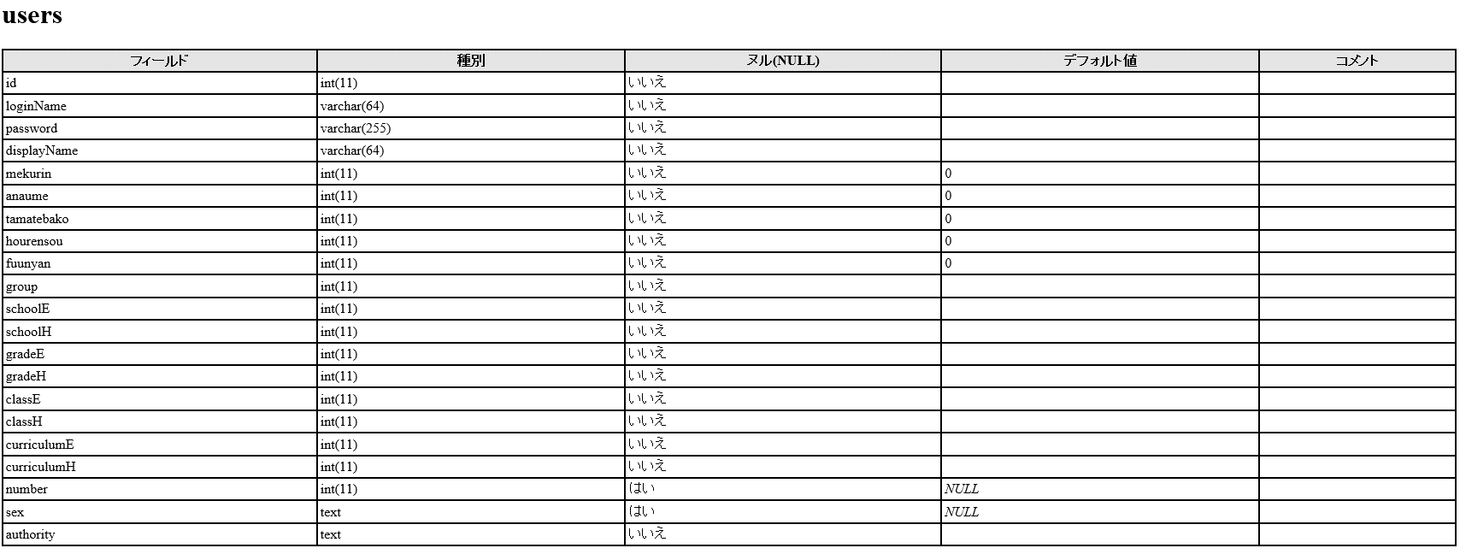

anaumeテーブル一覧
activepro_anaume_地区

テーブル | カラム一覧
audioFile | *id | fileName | data
 | int | text | blob

file | *id | fileName | data
 | int | text | blob

imageFile | *id | fileName | data
 | int | text | blob

package | *id | date | renewalDate | group | schoolE | schoolH | gradeE
 | int | timestamp | timestamp | int | int | int | int

 | gradeH | curriculumE | curriculumH | title | author | contents
 | int | int | int | text | int | text

 | share | unit | unitE1Kokugo | unitE1Math | unitE2Kokugo | unitE2Math
 | int | int | int | int | int | int

 | unitE3Kokugo | unitE3Math | unitE3Rika | unitE3Syakai | unitE4Kokugo | unitE4Math
 | int | int | int | int | int | int

 | unitE4Rika | unitE4Syakai | unitE5Kokugo | unitE5Math | unitE5Rika | unitE5Syakai
 | int | int | int | int | int | int

 | unitE6Kokugo | unitE6Math | unitE6Rika | unitE6Syakai | unitH1English | unitH1Kokugo
 | int | int | int | int | int | int

 | unitH1Math | unitH1Rika | unitH1ShakaiG | unitH1ShakaiH | unitH2English | unitH2Kokugo
 | int | int | int | int | int | int

 | unitH2Math | unitH2Rika | unitH2ShakaiG | unitH2ShakaiH | unitH3English | unitH3Kokugo
 | int | int | int | int | int | int

 | unitH3Math | unitH3Rika | unitH3ShakaiC | unitH3ShakaiH | unitHAllEnglish | unitHAllKokugo
 | int | int | int | int | int | int

 | unitHAllMath | unitHAllRika | unitHAllShakaiC | unitHAllShakaiG | unitHAllShakaiH
 | int | int | int | int | int

question | *id | date | renewalDate | group | schoolE | schoolH | gradeE
 |  | timestamp | timestamp | int | int | int | int

 | gradeH | curriculumE | curriculumH | title | author | textContents
 | int | int | int | text | int | text

 | imageContents | audioContents | rubyContents | fusen | textStyle | belongCount
 | text | text | text | text | text | int

 | share | unit | unitE1Kokugo | unitE1Math | unitE2Kokugo | unitE2Math
 | int | int | int | int | int | int

 | unitE3Kokugo | unitE3Math | unitE3Rika | unitE3Syakai | unitE4Kokugo | unitE4Math
 | int | int | int | int | int | int

 | unitE4Rika | unitE4Syakai | unitE5Kokugo | unitE5Math | unitE5Rika | unitE5Syakai
 | int | int | int | int | int | int

 | unitE6Kokugo | unitE6Math | unitE6Rika | unitE6Syakai | unitH1English | unitH1Kokugo
 | int | int | int | int | int | int

 | unitH1Math | unitH1Rika | unitH1ShakaiG | unitH1ShakaiH | unitH2English | unitH2Kokugo
 | int | int | int | int | int | int

 | unitH2Math | unitH2Rika | unitH2ShakaiG | unitH2ShakaiH | unitH3English | unitH3Kokugo
 | int | int | int | int | int | int

 | unitH3Math | unitH3Rika | unitH3ShakaiC | unitH3ShakaiH | unitHAllEnglish | unitHAllKokugo
 | int | int | int | int | int | int

 | unitHAllMath | unitHAllRika | unitHAllShakaiC | unitHAllShakaiG | unitHAllShakaiH
 | int | int | int | int | int

anaumeテーブル定義書
