MB
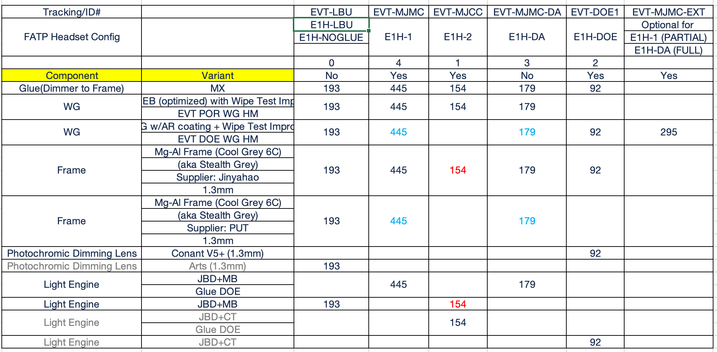
NO. | Part | LE | WG |  | NED
 | Config | 已领，机台调试中 | POR-GE（进行中） | DOE-ED（暂无库存） | MJCC | MJMC+MJMC-DA | DOE1
 | TEST ITEM | Sample Size | Sample Size | Sample Size | Sample Size | Sample Size | Sample Size
1.1 | Non -Ops High Temperature & High Humidity Test | 3 | 3 | 3 | 3 | 3 | 3
1.2 | Non - Ops Temperature & Humidity CyclingTest | / | / | / | 3 | 3 | 3
1.3 | Operational corner test | / | / | / | 3 | 3 | 3
1.4 | Non-Operational Thermal Cycling | 3 | 3 | 3 | 3 | 3 | 3
1.5 | Non - Operational Condensation test | / | / | / | 3 | 3 | 3
1.6 | Cold Storage Test | 3 | 3 | 3 | 3 | 3 | 3
1.7 | Non- Operational Dash Board Test | 3 | 3 | 3 | 3 | 3 | 3
1.8 | Solar Exposure test | / | 3 | 3 | 3 | / | /
1.9 | Altitude Test | / | / | / | 3 | / | /
1.10 | Dust Test | / | / | / | 3 | / | /
1.11 | Rain Test (Operational) | / | / | / | / | / | /
2.1 | Standard Free Drop Test with Gibbs Frame (1.5m) | / | / | / | 3 | 3 | 3
2.2 | Ball Impact on Lens | / | 3 | 3 | / | / | /
2.3 | Tumble Test (For Reference atm) | / | / | / | 3 | / | /
3.1 | Lens Wiping | / | / | / | 3 | 3 | 3
3.2 | Taber Abrasion for Transparent Screens | / | / | / | 3 | / | /
3.3 | Chemical Resistance Test (type I&II for WG, only type I for NEDs) | / | 10 | 10 | 5 | 5 | 5
 | TOTAL | 12 | 28 | 28 | 47 | 32 | 32

