Keyboard Map
 |  | SCAN CODE |  | ORIGINAL PLAIN |  | Plain Map |  | ORIGINAL SHIFT |  | Shift Map |  | ORIGINAL ALT |  | Alt Map | ORIGINAL CTRL |  | Ctrl Map
0 | 0 | 1 |  | 0 | #VALUE! | 0 | #VALUE! | 0 | #VALUE! |  | 0 | 0 | #VALUE! |  | 0 | #VALUE! | 0 |  |  | F1 | 112
1 | 1 | 2 | F9 | 0 | #VALUE! | 120 | x | 0 | #VALUE! |  | 0 | 0 | #VALUE! |  | 0 | #VALUE! | 0 |  |  | F2 | 113
2 | 2 | 3 | #N/A | 0 | #VALUE! | 0 | #VALUE! | 0 | #VALUE! |  | 0 | 0 | #VALUE! |  | 0 | #VALUE! | 0 |  |  | F3 | 114
3 | 3 | 4 | F5 | 0 | #VALUE! | 116 | t | 0 | #VALUE! |  | 0 | 0 | #VALUE! |  | 0 | #VALUE! | 0 |  |  | F4 | 115 |  | --- --------------- --------------- --------------- -----------
4 | 4 | 5 | F3 | 0 | #VALUE! | 114 | r | 0 | #VALUE! |  | 0 | 0 | #VALUE! |  | 0 | #VALUE! | 0 |  |  | F5 | 116 |  | | 01| | 3B| 3C| 3D| 3E| | 3F| 40| 41| 42| | 43| 44| 57| 58| |+37|+46|+45|
5 | 5 | 6 | F1 | 0 | #VALUE! | 112 | p | 0 | #VALUE! |  | 0 | 0 | #VALUE! |  | 0 | #VALUE! | 0 |  |  | F6 | 117 |  | --- --------------- --------------- --------------- -----------
6 | 6 | 7 | F2 | 0 | #VALUE! | 113 | q | 0 | #VALUE! |  | 0 | 0 | #VALUE! |  | 0 | #VALUE! | 0 |  |  | F7 | 118
7 | 7 | 8 | F12 | 0 | #VALUE! | 123 | { | 0 | #VALUE! |  | 0 | 0 | #VALUE! |  | 0 | #VALUE! | 0 |  |  | F8 | 119 |  | ----------------------------------------------------------- ----------- ---------------
8 | 8 | 9 | #N/A | 0 | #VALUE! | 0 | #VALUE! | 0 | #VALUE! |  | 0 | 0 | #VALUE! |  | 0 | #VALUE! | 0 |  |  | F9 | 120 |  | | 29| 02| 03| 04| 05| 06| 07| 08| 09| 0A| 0B| 0C| 0D| 0E| |*52|*47|*49| |+45|+35|+37| 4A|
9 | 9 | 10 | F10 | 0 | #VALUE! | 121 | y | 0 | #VALUE! |  | 0 | 0 | #VALUE! |  | 0 | #VALUE! | 0 |  |  | F10 | 121 |  | |-----------------------------------------------------------| |-----------| |---------------|
10 | A | 11 | F8 | 0 | #VALUE! | 119 | w | 0 | #VALUE! |  | 0 | 0 | #VALUE! |  | 0 | #VALUE! | 0 |  |  | F11 | 122 |  | | 0F| 10| 11| 12| 13| 14| 15| 16| 17| 18| 19| 1A| 1B| 2B| |*53|*4F|*51| | 47| 48| 49| |
11 | B | 12 | F6 | 0 | #VALUE! | 117 | u | 0 | #VALUE! |  | 0 | 0 | #VALUE! |  | 0 | #VALUE! | 0 |  |  | F12 | 123 |  | |-----------------------------------------------------------| ----------- |-----------| 4E|
12 | C | 13 | F4 | 0 | #VALUE! | 115 | s | 0 | #VALUE! |  | 0 | 0 | #VALUE! |  | 0 | #VALUE! | 0 |  |  | Tab | 9 |  | | 3A| 1E| 1F| 20| 21| 22| 23| 24| 25| 26| 27| 28| 1C| | 4B| 4C| 4D| |
13 | D | 14 | Tab | 0 | #VALUE! | 9 |  | 0 | #VALUE! |  | 0 | 0 | #VALUE! |  | 0 | #VALUE! | 0 |  |  | Spacebar | 32 |  | |-----------------------------------------------------------| --- |---------------|
14 | E | 15 | ` | 94 | ^ | 96 | ` | 248 | ø | ~ | 126 | 0 | #VALUE! |  | 0 | #VALUE! | 0 |  |  | Enter | 10 |  | | 2A| 2C| 2D| 2E| 2F| 30| 31| 32| 33| 34| 35| 36| |*4C| | 4F| 50| 51| |
15 | F | 16 | #N/A | 0 | #VALUE! | 0 | #VALUE! | 0 | #VALUE! |  | 0 | 0 | #VALUE! |  | 0 | #VALUE! | 0 |  |  | Backspace | 8 |  | |-----------------------------------------------------------| ----------- |-----------|-1C|
16 | 10 | 17 | #N/A | 0 | #VALUE! | 0 | #VALUE! | 0 | #VALUE! |  | 0 | 0 | #VALUE! |  | 0 | #VALUE! | 0 |  |  | Delete | 127 |  | | 1D|-5B| 38| 39|-38|-5C|-5D| -1D| |*4B|*50|*4D| | 52| 53| |
17 | 11 | 18 | Alt (left) | 0 | #VALUE! | 0 | #VALUE! | 0 | #VALUE! |  | 0 | 0 | #VALUE! |  | 0 | #VALUE! | 0 |  |  | ESC | 27 |  | ----------------------------------------------------------- ----------- ---------------
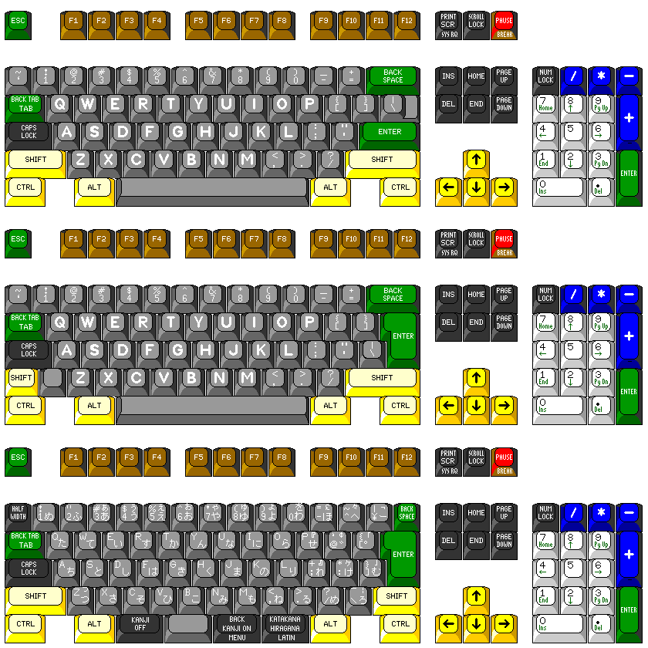
18 | 12 | 19 | Shift (Left) | 0 | #VALUE! | 0 | #VALUE! | 0 | #VALUE! |  | 0 | 0 | #VALUE! |  | 0 | #VALUE! | 0
19 | 13 | 20 | #N/A | 0 | #VALUE! | 0 | #VALUE! | 0 | #VALUE! |  | 0 | 0 | #VALUE! |  | 0 | #VALUE! | 0
20 | 14 | 21 | Ctrl (left) | 0 | #VALUE! | 0 | #VALUE! | 0 | #VALUE! |  | 0 | 0 | #VALUE! |  | 0 | #VALUE! | 0
21 | 15 | 22 | q | 113 | q | 113 | q | 81 | Q | Q | 81 | 64 | @ |  | 17 |  | 0
22 | 16 | 23 | 1 | 49 | 1 | 49 | 1 | 33 | ! | ! | 33 | 0 | #VALUE! |  | 0 | #VALUE! | 0
23 | 17 | 24 | #N/A | 0 | #VALUE! | 0 | #VALUE! | 0 | #VALUE! |  | 0 | 0 | #VALUE! |  | 0 | #VALUE! | 0
24 | 18 | 25 | #N/A | 0 | #VALUE! | 0 | #VALUE! | 0 | #VALUE! |  | 0 | 0 | #VALUE! |  | 0 | #VALUE! | 0
25 | 19 | 26 | #N/A | 0 | #VALUE! | 0 | #VALUE! | 0 | #VALUE! |  | 0 | 0 | #VALUE! |  | 0 | #VALUE! | 0
26 | 1A | 27 | z | 122 | z | 122 | z | 90 | Z | Z | 90 | 0 | #VALUE! |  | 26 |  | 0
27 | 1B | 28 | s | 115 | s | 115 | s | 83 | S | S | 83 | 0 | #VALUE! |  | 19 |  | 0
28 | 1C | 29 | a | 97 | a | 97 | a | 65 | A | A | 65 | 0 | #VALUE! |  | 1 |  | 0
29 | 1D | 30 | w | 119 | w | 119 | w | 87 | W | W | 87 | 0 | #VALUE! |  | 23 |  | 0
30 | 1E | 31 | 2 | 50 | 2 | 50 | 2 | 34 | " | @ | 64 | 0 | #VALUE! |  | 0 | #VALUE! | 0
31 | 1F | 32 | #N/A | 0 | #VALUE! | 0 | #VALUE! | 0 | #VALUE! |  | 0 | 0 | #VALUE! |  | 0 | #VALUE! | 0
32 | 20 | 33 | #N/A | 0 | #VALUE! | 0 | #VALUE! | 0 | #VALUE! |  | 0 | 0 | #VALUE! |  | 0 | #VALUE! | 0
33 | 21 | 34 | c | 99 | c | 99 | c | 67 | C | C | 67 | 0 | #VALUE! |  | 3 |  | 0
34 | 22 | 35 | x | 120 | x | 120 | x | 88 | X | X | 88 | 0 | #VALUE! |  | 24 |  | 0
35 | 23 | 36 | d | 100 | d | 100 | d | 68 | D | D | 68 | 0 | #VALUE! |  | 4 |  | 0
36 | 24 | 37 | e | 101 | e | 101 | e | 69 | E | E | 69 | 0 | #VALUE! |  | 5 |  | 0
37 | 25 | 38 | 4 | 52 | 4 | 52 | 4 | 36 | $ | $ | 36 | 0 | #VALUE! |  | 0 | #VALUE! | 0
38 | 26 | 39 | 3 | 51 | 3 | 51 | 3 | 0 | #VALUE! | # | 35 | 0 | #VALUE! |  | 0 | #VALUE! | 0
39 | 27 | 40 | Windows (right) | 0 | #VALUE! | 0 | #VALUE! | 0 | #VALUE! |  | 0 | 0 | #VALUE! |  | 0 | #VALUE! | 0
40 | 28 | 41 | #N/A | 0 | #VALUE! | 0 | #VALUE! | 0 | #VALUE! |  | 0 | 0 | #VALUE! |  | 0 | #VALUE! | 0
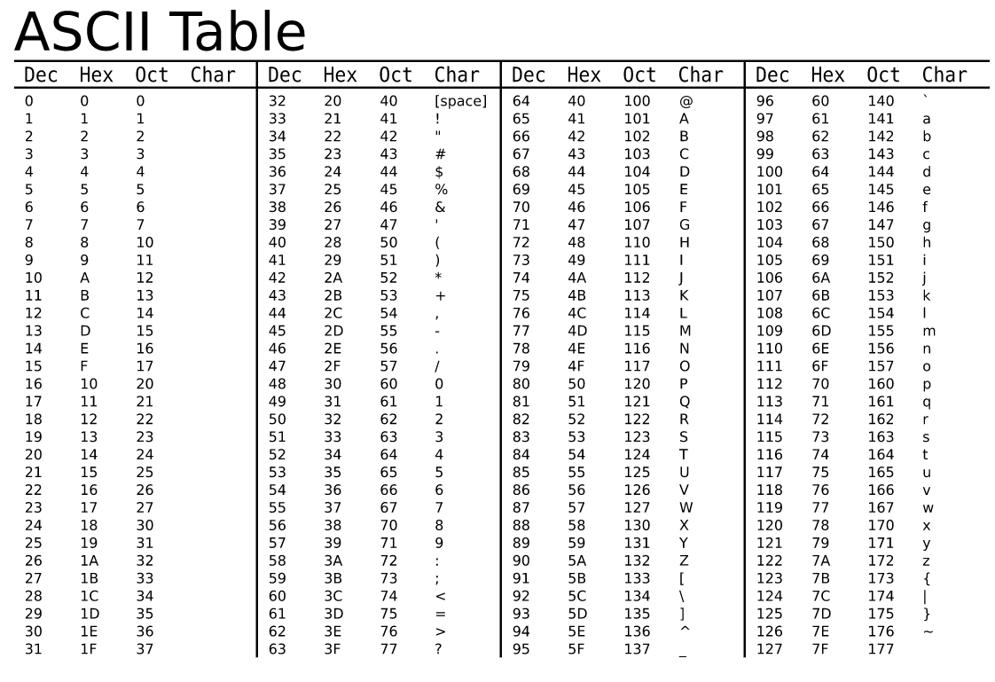
41 | 29 | 42 | Spacebar | 32 |  | 32 |  | 0 | #VALUE! |  | 0 | 0 | #VALUE! |  | 32 |  | 0
42 | 2A | 43 | v | 118 | v | 118 | v | 86 | V | V | 86 | 0 | #VALUE! |  | 22 |  | 0
43 | 2B | 44 | f | 102 | f | 102 | f | 70 | F | F | 70 | 0 | #VALUE! |  | 6 |  | 0
44 | 2C | 45 | t | 116 | t | 116 | t | 84 | T | T | 84 | 0 | #VALUE! |  | 20 |  | 0
45 | 2D | 46 | r | 114 | r | 114 | r | 82 | R | R | 82 | 0 | #VALUE! |  | 18 |  | 0
46 | 2E | 47 | 5 | 53 | 5 | 53 | 5 | 37 | % | % | 37 | 0 | #VALUE! |  | 0 | #VALUE! | 0
47 | 2F | 48 | Menus | 0 | #VALUE! | 0 | #VALUE! | 0 | #VALUE! |  | 0 | 0 | #VALUE! |  | 0 | #VALUE! | 0
48 | 30 | 49 | #N/A | 0 | #VALUE! | 0 | #VALUE! | 0 | #VALUE! |  | 0 | 0 | #VALUE! |  | 0 | #VALUE! | 0
49 | 31 | 50 | n | 110 | n | 110 | n | 78 | N | N | 78 | 0 | #VALUE! |  | 14 |  | 0
50 | 32 | 51 | b | 98 | b | 98 | b | 66 | B | B | 66 | 0 | #VALUE! |  | 2 |  | 0
51 | 33 | 52 | h | 104 | h | 104 | h | 72 | H | H | 72 | 0 | #VALUE! |  | 8 |  | 0
52 | 34 | 53 | g | 103 | g | 103 | g | 71 | G | G | 71 | 0 | #VALUE! |  | 7 |  | 0
53 | 35 | 54 | y | 121 | y | 121 | y | 89 | Y | Y | 89 | 0 | #VALUE! |  | 25 |  | 0
54 | 36 | 55 | 6 | 54 | 6 | 54 | 6 | 38 | & | ^ | 94 | 0 | #VALUE! |  | 0 | #VALUE! | 0
55 | 37 | 56 | #N/A | 0 | #VALUE! | 0 | #VALUE! | 0 | #VALUE! |  | 0 | 0 | #VALUE! |  | 0 | #VALUE! | 0
56 | 38 | 57 | #N/A | 0 | #VALUE! | 0 | #VALUE! | 0 | #VALUE! |  | 0 | 0 | #VALUE! |  | 0 | #VALUE! | 0
57 | 39 | 58 | #N/A | 0 | #VALUE! | 0 | #VALUE! | 0 | #VALUE! |  | 0 | 0 | #VALUE! |  | 0 | #VALUE! | 0
58 | 3A | 59 | m | 109 | m | 109 | m | 77 | M | M | 77 | 0 | #VALUE! |  | 13 |  | 0
59 | 3B | 60 | j | 106 | j | 106 | j | 74 | J | J | 74 | 0 | #VALUE! |  | 10 |  | 0
60 | 3C | 61 | u | 117 | u | 117 | u | 85 | U | U | 85 | 0 | #VALUE! |  | 21 |  | 0
61 | 3D | 62 | 7 | 55 | 7 | 55 | 7 | 47 | / | & | 38 | 123 | { |  | 0 | #VALUE! | 0
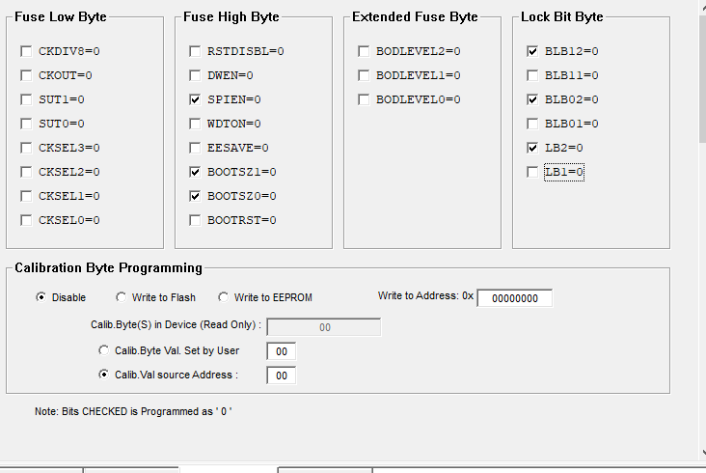
62 | 3E | 63 | 8 | 56 | 8 | 56 | 8 | 40 | ( | * | 42 | 91 | [ |  | 0 | #VALUE! | 0
63 | 3F | 64 | #N/A | 0 | #VALUE! | 0 | #VALUE! | 0 | #VALUE! |  | 0 | 0 | #VALUE! |  | 0 | #VALUE! | 0
64 | 40 | 65 | #N/A | 0 | #VALUE! | 0 | #VALUE! | 0 | #VALUE! |  | 0 | 0 | #VALUE! |  | 0 | #VALUE! | 0
65 | 41 | 66 | , | 44 | , | 44 | , | 59 | ; | < | 60 | 0 | #VALUE! |  | 0 | #VALUE! | 0
66 | 42 | 67 | k | 107 | k | 107 | k | 75 | K | K | 75 | 0 | #VALUE! |  | 11 |  | 0
67 | 43 | 68 | i | 105 | i | 105 | i | 73 | I | I | 73 | 0 | #VALUE! |  | 9 |  | 0
68 | 44 | 69 | o | 111 | o | 111 | o | 79 | O | O | 79 | 0 | #VALUE! |  | 15 |  | 0
69 | 45 | 70 | 0 | 48 | 0 | 48 | 0 | 61 | = | ) | 41 | 125 | } |  | 0 | #VALUE! | 0
70 | 46 | 71 | 9 | 57 | 9 | 57 | 9 | 41 | ) | ( | 40 | 93 | ] |  | 0 | #VALUE! | 0
71 | 47 | 72 | #N/A | 0 | #VALUE! | 0 | #VALUE! | 0 | #VALUE! |  | 0 | 0 | #VALUE! |  | 0 | #VALUE! | 0
72 | 48 | 73 | #N/A | 0 | #VALUE! | 0 | #VALUE! | 0 | #VALUE! |  | 0 | 0 | #VALUE! |  | 0 | #VALUE! | 0
73 | 49 | 74 | . | 46 | . | 46 | . | 58 | : | > | 62 | 0 | #VALUE! |  | 0 | #VALUE! | 0
74 | 4A | 75 | / | 45 | - | 47 | / | 95 | _ | ? | 63 | 0 | #VALUE! |  | 0 | #VALUE! | 0
75 | 4B | 76 | l | 108 | l | 108 | l | 76 | L | L | 76 | 0 | #VALUE! |  | 12 |  | 0
76 | 4C | 77 | ; | 0 | #VALUE! | 59 | ; | 0 | #VALUE! | : | 58 | 0 | #VALUE! |  | 0 | #VALUE! | 0
77 | 4D | 78 | p | 112 | p | 112 | p | 80 | P | P | 80 | 0 | #VALUE! |  | 16 |  | 0
78 | 4E | 79 | - | 0 | #VALUE! | 45 | - | 63 | ? | _ | 95 | 92 | \ |  | 0 | #VALUE! | 0
79 | 4F | 80 | #N/A | 0 | #VALUE! | 0 | #VALUE! | 0 | #VALUE! |  | 0 | 0 | #VALUE! |  | 0 | #VALUE! | 0
80 | 50 | 81 | #N/A | 0 | #VALUE! | 0 | #VALUE! | 0 | #VALUE! |  | 0 | 0 | #VALUE! |  | 0 | #VALUE! | 0
81 | 51 | 82 | #N/A | 0 | #VALUE! | 0 | #VALUE! | 0 | #VALUE! |  | 0 | 0 | #VALUE! |  | 0 | #VALUE! | 0
82 | 52 | 83 | ' | 0 | #VALUE! | 39 | ' | 0 | #VALUE! | " | 34 | 0 | #VALUE! |  | 0 | #VALUE! | 0
83 | 53 | 84 | #N/A | 0 | #VALUE! | 0 | #VALUE! | 0 | #VALUE! |  | 0 | 0 | #VALUE! |  | 0 | #VALUE! | 0
84 | 54 | 85 | [ | 0 | #VALUE! | 91 | [ | 0 | #VALUE! | { | 123 | 0 | #VALUE! |  | 27 |  | 0
85 | 55 | 86 | = | 96 | ` | 61 | = | 0 | #VALUE! | + | 43 | 0 | #VALUE! |  | 0 | #VALUE! | 0
86 | 56 | 87 | #N/A | 0 | #VALUE! | 0 | #VALUE! | 0 | #VALUE! |  | 0 | 0 | #VALUE! |  | 0 | #VALUE! | 0
87 | 57 | 88 | #N/A | 0 | #VALUE! | 0 | #VALUE! | 0 | #VALUE! |  | 0 | 0 | #VALUE! |  | 0 | #VALUE! | 0
88 | 58 | 89 | Caps Lock | 0 | #VALUE! | 0 | #VALUE! | 0 | #VALUE! |  | 0 | 0 | #VALUE! |  | 0 | #VALUE! | 0
89 | 59 | 90 | Shift (Right) | 0 | #VALUE! | 0 | #VALUE! | 0 | #VALUE! |  | 0 | 0 | #VALUE! |  | 0 | #VALUE! | 0
90 | 5A | 91 | Enter | 10 |  | 10 |  | 0 | #VALUE! |  | 0 | 0 | #VALUE! |  | 0 | #VALUE! | 0
91 | 5B | 92 | ] | 43 | + | 93 | ] | 42 | * | } | 125 | 126 | ~ |  | 29 |  | 0
92 | 5C | 93 | #N/A | 0 | #VALUE! | 0 | #VALUE! | 0 | #VALUE! |  | 0 | 0 | #VALUE! |  | 0 | #VALUE! | 0
93 | 5D | 94 | \ | 35 | # | 92 | \ | 39 | ' | | | 124 | 0 | #VALUE! |  | 28 |  | 0
94 | 5E | 95 | #N/A | 0 | #VALUE! | 0 | #VALUE! | 0 | #VALUE! |  | 0 | 0 | #VALUE! |  | 0 | #VALUE! | 0
95 | 5F | 96 | #N/A | 0 | #VALUE! | 0 | #VALUE! | 0 | #VALUE! |  | 0 | 0 | #VALUE! |  | 0 | #VALUE! | 0
96 | 60 | 97 | #N/A | 0 | #VALUE! | 0 | #VALUE! | 0 | #VALUE! |  | 0 | 0 | #VALUE! |  | 0 | #VALUE! | 0
97 | 61 | 98 | #N/A | 60 | < | 0 | #VALUE! | 62 | > |  | 0 | 124 | | |  | 0 | #VALUE! | 0
98 | 62 | 99 | #N/A | 0 | #VALUE! | 0 | #VALUE! | 0 | #VALUE! |  | 0 | 0 | #VALUE! |  | 0 | #VALUE! | 0
99 | 63 | 100 | #N/A | 0 | #VALUE! | 0 | #VALUE! | 0 | #VALUE! |  | 0 | 0 | #VALUE! |  | 0 | #VALUE! | 0
100 | 64 | 101 | #N/A | 0 | #VALUE! | 0 | #VALUE! | 0 | #VALUE! |  | 0 | 0 | #VALUE! |  | 0 | #VALUE! | 0
101 | 65 | 102 | #N/A | 0 | #VALUE! | 0 | #VALUE! | 0 | #VALUE! |  | 0 | 0 | #VALUE! |  | 0 | #VALUE! | 0
102 | 66 | 103 | Backspace | 8 |  | 8 |  | 0 | #VALUE! |  | 0 | 0 | #VALUE! |  | 0 | #VALUE! | 0
103 | 67 | 104 | #N/A | 0 | #VALUE! | 0 | #VALUE! | 0 | #VALUE! |  | 0 | 0 | #VALUE! |  | 0 | #VALUE! | 0
104 | 68 | 105 | #N/A | 0 | #VALUE! | 0 | #VALUE! | 0 | #VALUE! |  | 0 | 0 | #VALUE! |  | 0 | #VALUE! | 0
105 | 69 | 106 | End | 0 | #VALUE! | 0 | #VALUE! | 0 | #VALUE! |  | 0 | 0 | #VALUE! |  | 0 | #VALUE! | 0
106 | 6A | 107 | #N/A | 0 | #VALUE! | 0 | #VALUE! | 0 | #VALUE! |  | 0 | 0 | #VALUE! |  | 0 | #VALUE! | 0
107 | 6B | 108 | Left Arrow | 0 | #VALUE! | 0 | #VALUE! | 0 | #VALUE! |  | 0 | 0 | #VALUE! |  | 0 | #VALUE! | 0
108 | 6C | 109 | Home | 0 | #VALUE! | 0 | #VALUE! | 0 | #VALUE! |  | 0 | 0 | #VALUE! |  | 0 | #VALUE! | 0
109 | 6D | 110 | #N/A | 0 | #VALUE! | 0 | #VALUE! | 0 | #VALUE! |  | 0 | 0 | #VALUE! |  | 0 | #VALUE! | 0
110 | 6E | 111 | #N/A | 0 | #VALUE! | 0 | #VALUE! | 0 | #VALUE! |  | 0 | 0 | #VALUE! |  | 0 | #VALUE! | 0
111 | 6F | 112 | #N/A | 0 | #VALUE! | 0 | #VALUE! | 0 | #VALUE! |  | 0 | 0 | #VALUE! |  | 0 | #VALUE! | 0
112 | 70 | 113 | Insert | 0 | #VALUE! | 0 | #VALUE! | 0 | #VALUE! |  | 0 | 0 | #VALUE! |  | 0 | #VALUE! | 0
113 | 71 | 114 | Delete | 127 |  | 127 |  | 0 | #VALUE! |  | 0 | 0 | #VALUE! |  | 0 | #VALUE! | 0
114 | 72 | 115 | Down Arrow | 0 | #VALUE! | 68 | D | 0 | #VALUE! |  | 0 | 0 | #VALUE! |  | 0 | #VALUE! | 0
115 | 73 | 116 | 5 | 0 | #VALUE! | 53 | 5 | 0 | #VALUE! | % | 37 | 0 | #VALUE! |  | 0 | #VALUE! | 0
116 | 74 | 117 | Right Arrow | 0 | #VALUE! | 82 | R | 0 | #VALUE! |  | 0 | 0 | #VALUE! |  | 0 | #VALUE! | 0
117 | 75 | 118 | Up Arrow | 0 | #VALUE! | 85 | U | 0 | #VALUE! |  | 0 | 0 | #VALUE! |  | 0 | #VALUE! | 0
118 | 76 | 119 | ESC | 27 |  | 27 |  | 0 | #VALUE! |  | 0 | 0 | #VALUE! |  | 0 | #VALUE! | 0
119 | 77 | 120 | Num Lock | 0 | #VALUE! | 78 | N | 0 | #VALUE! |  | 0 | 0 | #VALUE! |  | 0 | #VALUE! | 0
120 | 78 | 121 | F11 | 0 | #VALUE! | 122 | z | 0 | #VALUE! |  | 0 | 0 | #VALUE! |  | 0 | #VALUE! | 0
121 | 79 | 122 | + | 0 | #VALUE! | 43 | + | 0 | #VALUE! | + | 43 | 0 | #VALUE! |  | 0 | #VALUE! | 0
122 | 7A | 123 | 3 | 0 | #VALUE! | 51 | 3 | 0 | #VALUE! | # | 35 | 0 | #VALUE! |  | 0 | #VALUE! | 0
123 | 7B | 124 | - | 0 | #VALUE! | 45 | - | 0 | #VALUE! | - | 45 | 0 | #VALUE! |  | 0 | #VALUE! | 0
124 | 7C | 125 | * | 0 | #VALUE! | 42 | * | 0 | #VALUE! | * | 42 | 0 | #VALUE! |  | 0 | #VALUE! | 0
125 | 7D | 126 | Page Up | 0 | #VALUE! | 0 | #VALUE! | 0 | #VALUE! |  | 0 | 0 | #VALUE! |  | 0 | #VALUE! | 0
126 | 7E | 127 | Scroll Lock | 0 | #VALUE! | 0 | #VALUE! | 0 | #VALUE! |  | 0 | 0 | #VALUE! |  | 0 | #VALUE! | 0 | 0
127 | 7F | 128 | #N/A | 0 | #VALUE! | 0 | #VALUE! | 0 | #VALUE! |  | 0 | 0 | #VALUE! |  | 0 | #VALUE! | 0

 |  |  |  |  |  |  |  |  |  |  |  |  |  |  |  |  |  | Ctrl | ASCII | Dec | Hex | Meaning
 |  |  |  |  |  |  |  |  |  |  |  |  |  |  |  | @ | #REF! | ^@ | NUL | 0 | 0 | Null character
 |  |  |  |  |  |  |  |  |  |  |  |  |  |  |  | a | #REF! | ^A | SOH | 1 | 1 | Start of Header
 |  |  |  |  |  |  |  |  |  |  |  |  |  |  |  | b | #REF! | ^B | STX | 2 | 2 | Start of Text
 |  |  |  |  |  |  |  |  |  |  |  |  |  |  |  | c | #REF! | ^C | ETX | 3 | 3 | End of Text
 |  |  |  |  |  |  |  |  |  |  |  |  |  |  |  | d | #REF! | ^D | EOT | 4 | 4 | End of Transmission
 |  |  |  |  |  |  |  |  |  |  |  |  |  |  |  | e | #REF! | ^E | ENQ | 5 | 5 | Enquiry
 |  |  |  |  |  |  |  |  |  |  |  |  |  |  |  | f | #REF! | ^F | ACK | 6 | 6 | Acknowledge
 |  |  |  |  |  |  |  |  |  |  |  |  |  |  |  | g | #REF! | ^G | BEL | 7 | 7 | Bell
 |  |  |  |  |  |  |  |  |  |  |  |  |  |  |  | h | #REF! | ^H | BS | 8 | 8 | Backspace
 |  |  |  |  |  |  |  |  |  |  |  |  |  |  |  | i | #REF! | ^I | HT | 9 | 9 | Horizontal tab
 |  |  |  |  |  |  |  |  |  |  |  |  |  |  |  | j | #REF! | ^J | LF | 10 | 0A | Line feed
 |  |  |  |  |  |  |  |  |  |  |  |  |  |  |  | k | #REF! | ^K | VT | 11 | 0B | Vertical tab
 |  |  |  |  |  |  |  |  |  |  |  |  |  |  |  | l | #REF! | ^L | FF | 12 | 0C | Form feed
 |  |  |  |  |  |  |  |  |  |  |  |  |  |  |  | m | #REF! | ^M | CR | 13 | 0D | Carriage return
 |  |  |  |  |  |  |  |  |  |  |  |  |  |  |  | n | #REF! | ^N | SO | 14 | 0E | Shift out
 |  |  |  |  |  |  |  |  |  |  |  |  |  |  |  | o | #REF! | ^O | SI | 15 | 0F | Shift in
 |  |  |  |  |  |  |  |  |  |  |  |  |  |  |  | p | #REF! | ^P | DLE | 16 | 10 | Data link escape
 |  |  |  |  |  |  |  |  |  |  |  |  |  |  |  | q | #REF! | ^Q | DCL | 17 | 11 | Xon (transmit on)
 |  |  |  |  |  |  |  |  |  |  |  |  |  |  |  | r | #REF! | ^R | DC2 | 18 | 12 | Device control 2
 |  |  |  |  |  |  |  |  |  |  |  |  |  |  |  | s | #REF! | ^S | DC3 | 19 | 13 | Xoff (transmit off)
 |  |  |  |  |  |  |  |  |  |  |  |  |  |  |  | t | #REF! | ^T | DC4 | 20 | 14 | Device control 4
 |  |  |  |  |  |  |  |  |  |  |  |  |  |  |  | u | #REF! | ^U | NAK | 21 | 15 | Negative acknowledge
 |  |  |  |  |  |  |  |  |  |  |  |  |  |  |  | v | #REF! | ^V | SYN | 22 | 16 | Synchronous idle
 |  |  |  |  |  |  |  |  |  |  |  |  |  |  |  | w | #REF! | ^W | ETB | 23 | 17 | End of transmission
 |  |  |  |  |  |  |  |  |  |  |  |  |  |  |  | x | #REF! | ^X | CAN | 24 | 18 | Cancel
 |  |  |  |  |  |  |  |  |  |  |  |  |  |  |  | y | #REF! | ^Y | EM | 25 | 19 | End of medium
 |  |  |  |  |  |  |  |  |  |  |  |  |  |  |  | z | #REF! | ^Z | SUB | 26 | 1A | Substitute
 |  |  |  |  |  |  |  |  |  |  |  |  |  |  |  | [ | #REF! | ^[ | ESC | 27 | 1B | Escape
 |  |  |  |  |  |  |  |  |  |  |  |  |  |  |  | \ | #REF! | ^\ | FS | 28 | 1C | File separator
 |  |  |  |  |  |  |  |  |  |  |  |  |  |  |  | ] | #REF! | ^] | GS | 29 | 1D | Group separator
 |  |  |  |  |  |  |  |  |  |  |  |  |  |  |  | ^ | #REF! | ^^ | RS | 30 | 1E | Record separator
 |  |  |  |  |  |  |  |  |  |  |  |  |  |  |  | _ | #REF! | ^_ | US | 31 | 1F | Unit separator
 |  |  |  |  |  |  |  |  |  |  |  |  |  |  |  | Spacebar | #REF! |  | SP | 32 | 20 | Space

