Screenshots
1. Filter option: On Product page the filter option is named as Name(A to Z) --> It should be Filter

2. If we click on drop down button of bilter option is not working


3. On product page its not displaying the product names properly.
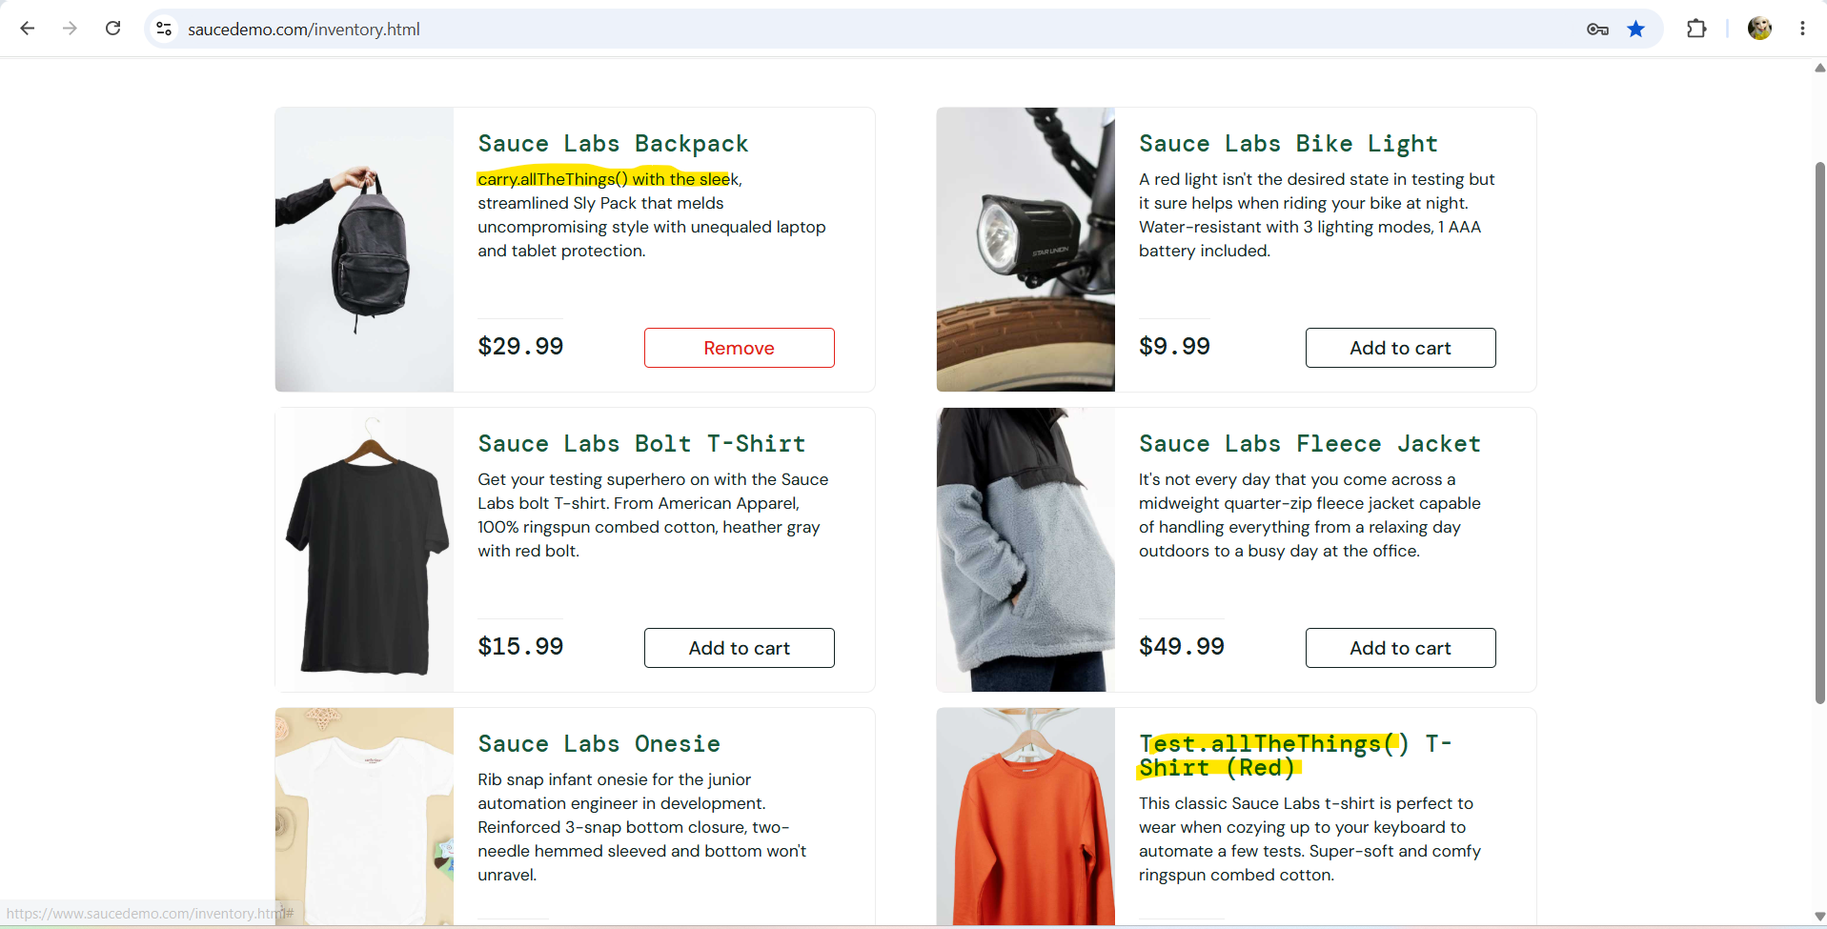
4. On "Your Cart" page there is no option for quantity incerement/decrement and there is no proper alligment for QTY and Description sections

5. On "Your Cart" page "Continue Shopping" button is confussing, actually its working as Back button but its name indicates continue shopping with seslected product

6 . On Checkout page "Cancel " button is confusing, whether to can the product or cancel the cancel the added information but actully its working as Back button, when we click on it, its navigating back the previous page

7. In Checkout page, First Name, Last Name and Zip/Postal Code field data type validation is not done, Names fileds are taking digits/special charecters and also its allowing user to continue

