Analyst Ratings
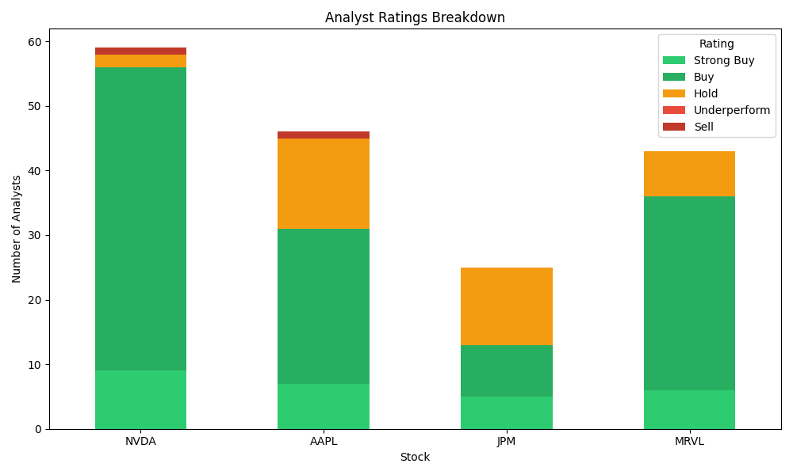
Ticker | Strong Buy | Buy | Hold | Underperform | Sell | Total
NVDA | 9 | 47 | 2 | 0 | 1 | 59
AAPL | 7 | 24 | 14 | 0 | 1 | 46
JPM | 5 | 8 | 12 | 0 | 0 | 25
MRVL | 6 | 30 | 7 | 0 | 0 | 43

Charts
