Sheet1
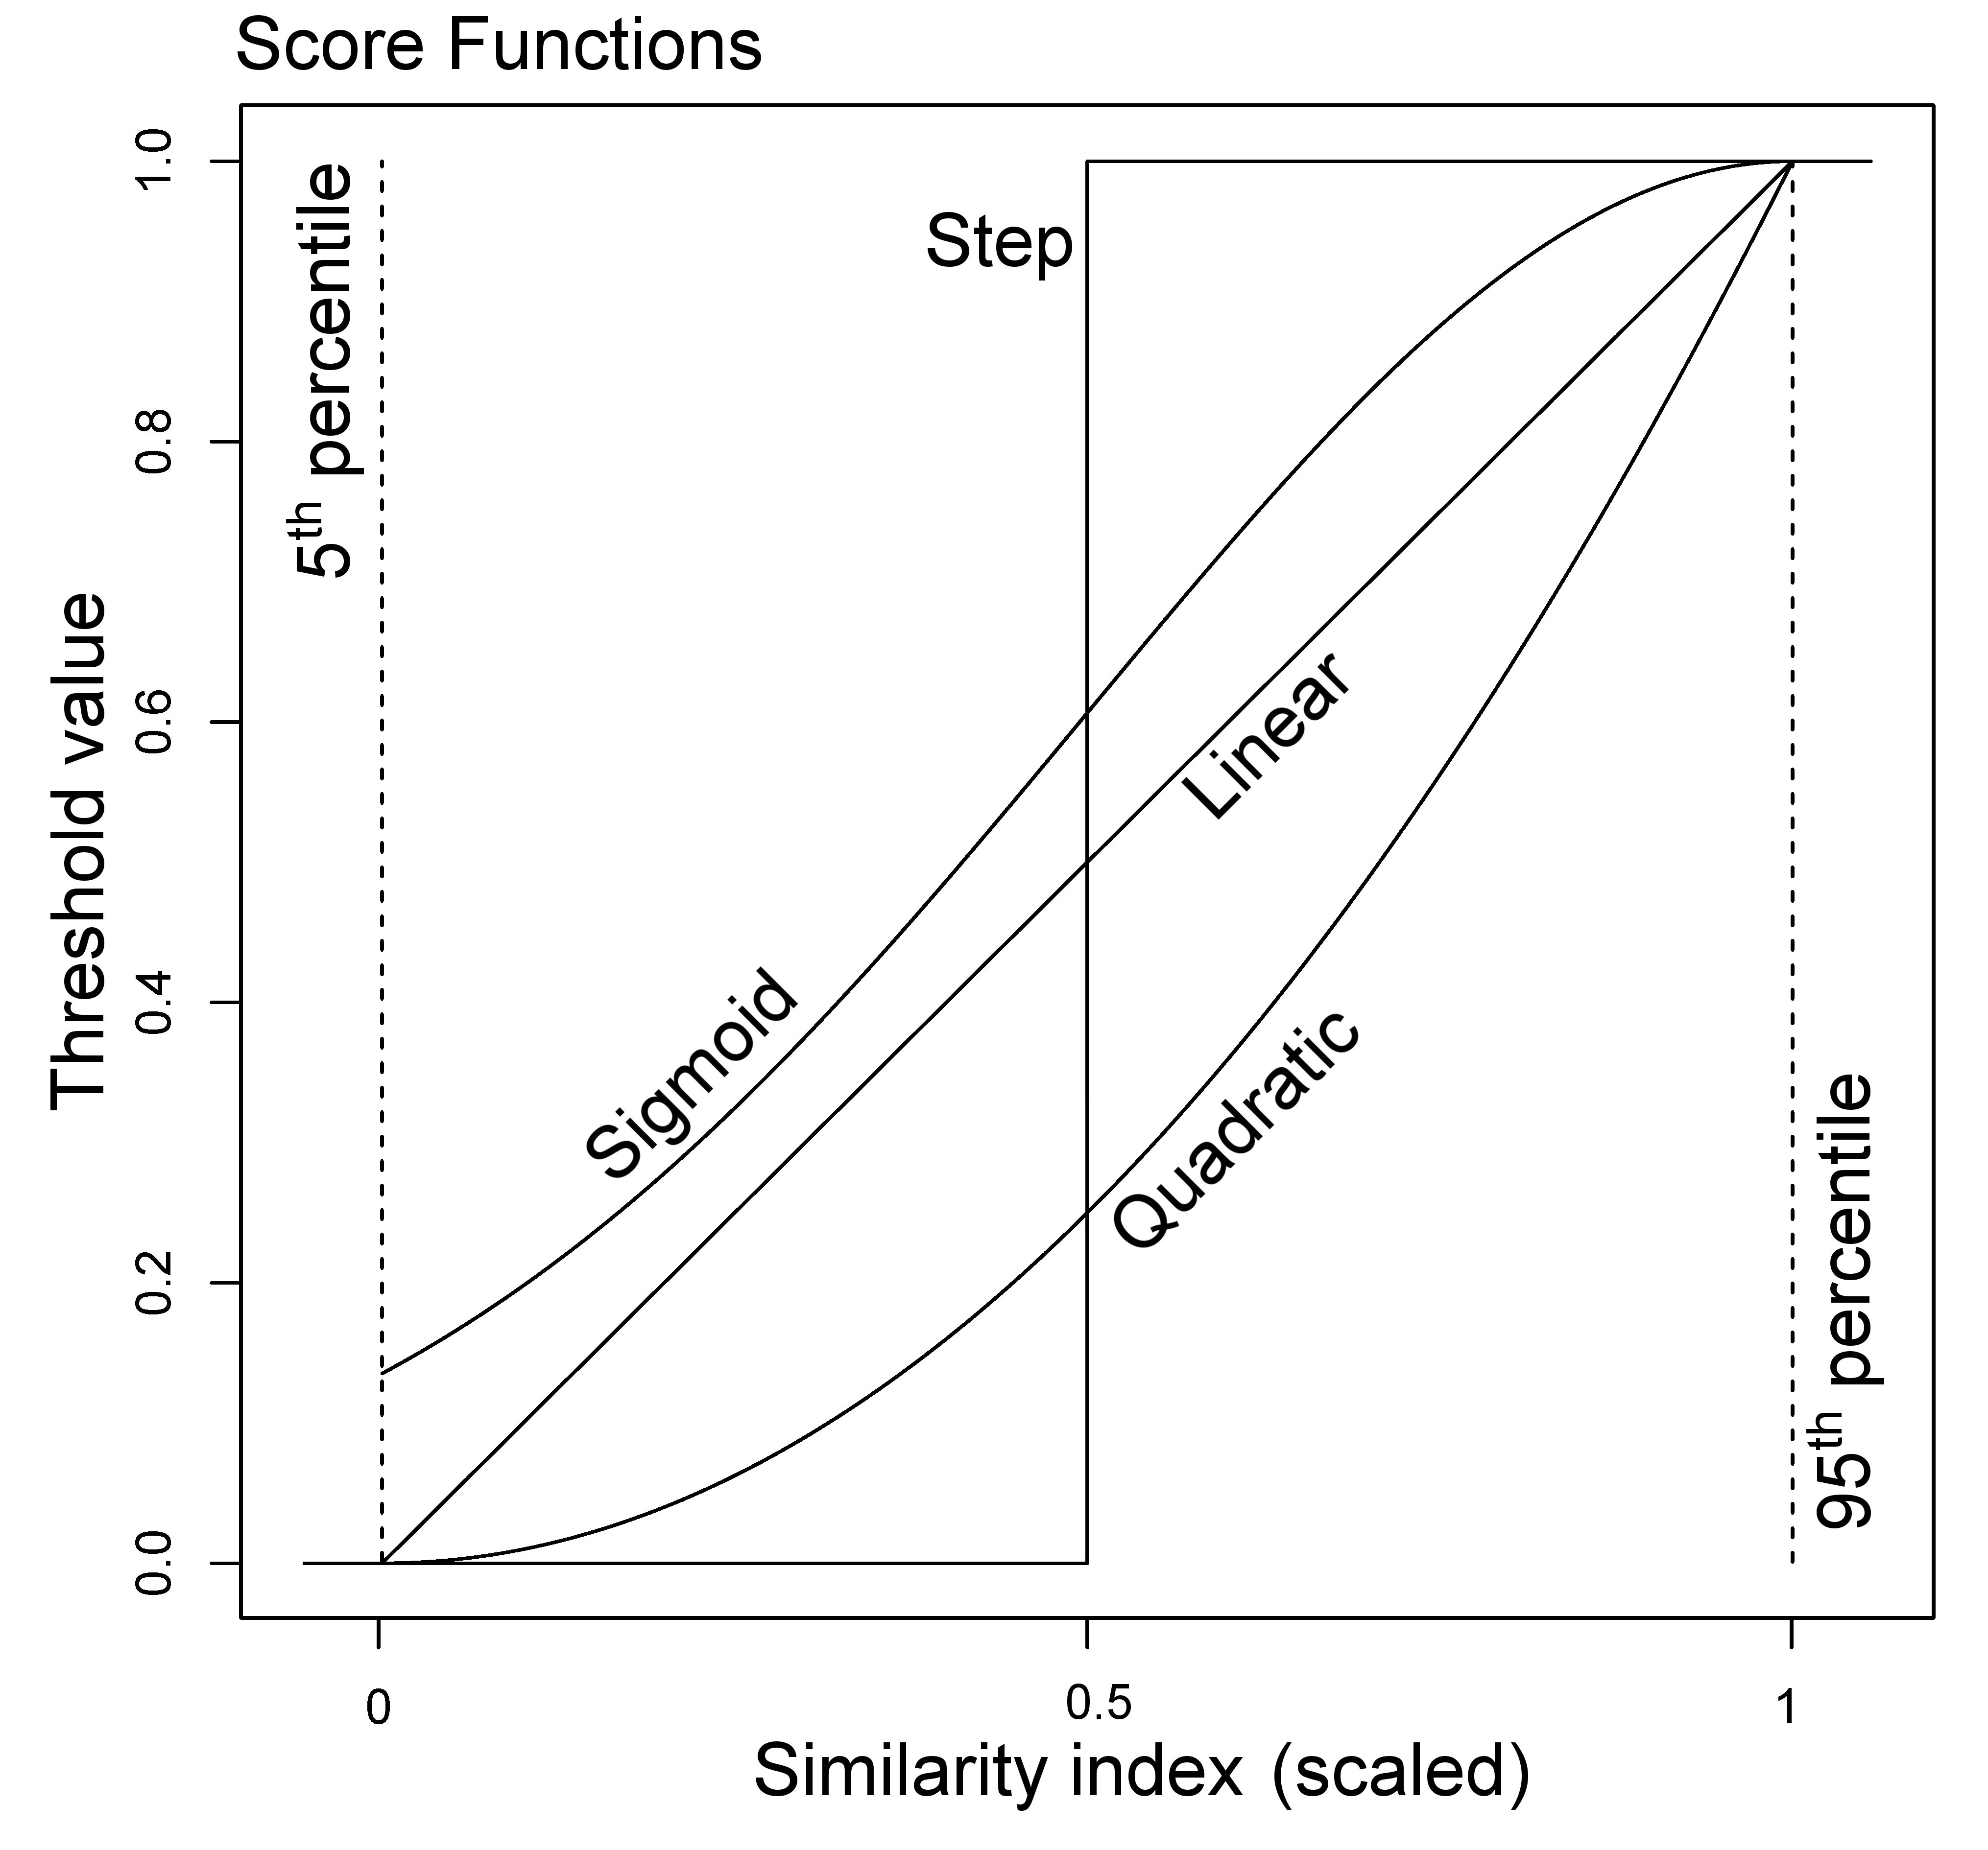
 | Score Function | Step Function |  |  | Linear |  |  | Quadratic |  |  | Sigmoid
 |  | y=1_{x > 0.5} |  |  | y=x |  |  | y=x2 |  |  | y=e^(-2(1-x)2)
 | Model | MC | PF | VS | MC | PF | VS | MC | PF | VS | MC | PF | VS
Similarity Metric | M1=D/(S U D) | 16.11% | 26.67% | 57.23% | 19.61% | 28.41% | 51.98% | 13.72% | 21.92% | 64.36% | 21.40% | 29.80% | 48.80%
 | M2=(S∩D)/D | 58.96% | 38.63% | 2.41% | 52.32% | 38.42% | 9.27% | 62.01% | 34.11% | 3.87% | 48.95% | 38.55% | 12.50%
 | J=(S∩D)/(S U D) | 43.61% | 48.36% | 8.04% | 46.44% | 38.99% | 14.57% | 54.25% | 36.49% | 9.26% | 43.67% | 39.64% | 16.70%

