EU27_2020 AVG
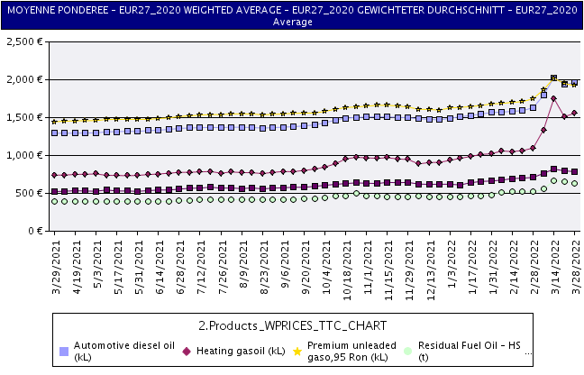
 |  | European Commission - Energy Policy | Prix en vigueur au Prices in force on Preise geltend am 3/28/22

 | Prix à la consommation des produits pétroliers droits et taxes compris Consumer prices of petroleum products inclusive of duties and taxes Verbraucherpreise für Mineralölerzeugnisse einschließlich Abgaben und Steuern

