Sheet1
Issue | Steps To Reproduce | Module | Actual Behavior | Expected Behavior | Dev Status | QA Status | Priority | Screenshot /Image Link | Issue Type | Video | Notes | Device information
when user Login Discription showing in Different Language | 1:Install Somxchange Application 2:open the Application. 3:Aplication Description Text showing | On Bording | Description showing in Different Language | We we use English Language so Discruptions should be in English Language |  | Open | Normal |  | UI |  |  | Galaxt F23 5G OS Android 13
When user enter wrong Number the error is showing "Please input your Valid Number". | 1:Install Somxchange Application 2:Naviagte to Login Page 3:Enter Invalid Numbers | Login | Error Showing "Please input your valid Number" | Error Should be shown"Enter your Valid Number" |  | Open | Normal | 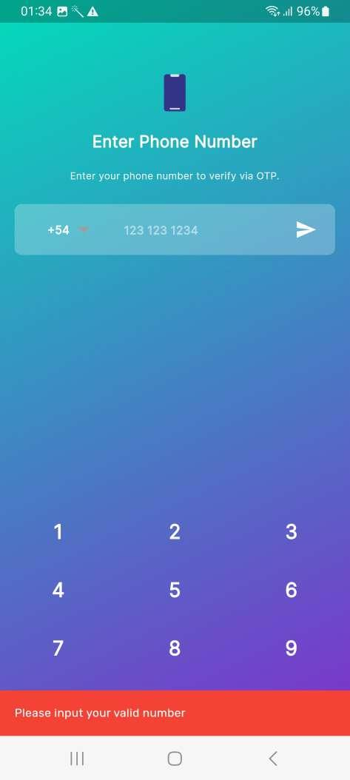 | UI
Button showing create Request look like Exchange Currency | 1:Login Somxchange Application 2:Navigate to Dashboard | Dashboard | Dashboad Create Request Button Look Like Exchange Currency Button | Create Request Button Design Should be Rechange |  | Open | 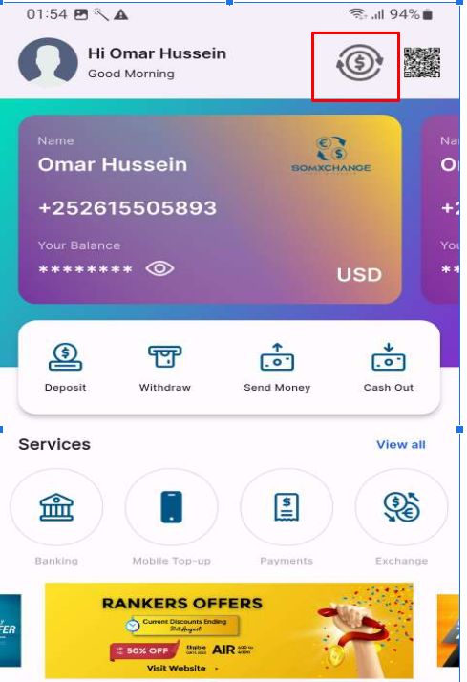 Normal |  | UI
when user Click on Notification Error showing as connection to API server failed due to Internet Connection | 1:Login with Somxchange Application 2:Naviagte to Notification Page | Notification | API Failed Notification Showing | Should be showing Notification |  | Open | High |  | Functionality
when user exchange money so the converted Currency Type feild showing blank | 1:Login with Somxchange Application 2:navigate to dashboard 3:click on exchange | Dashboard | Converted Currency Type Field showing empty | It should be showing some default text |  | Open | Low |  | UI
When user Navigate to Education and select value in School or College Value so Value is not selectable | 1:Login as Somxchange Application 2:Navigate to Dashboard 3:navigate to sevices 4:click on pay bill 5:select education 6:search School or College 7:Click on Any mentioend College or school | Services | Value showing in School or Callege are Not Selectable | College or school Value should be selectable |  | Open | Normal |  | Functionality
when User link any bank with the Application showing prompt "Phone number has been succesfully Linked" | 1:Login as Somxchange Application 2:Navigate to Dashboard 3:Click on Banking 4:Save Any Bank | Banking | Prompt are showing Phone number has been succesfully Linked insted of Bank account is succesfully Linked | it should be showing as Bank account is Succesfully Linked |  | Open | Normal | https://drive.google.com/file/d/1w67uusMEa0U-Kaw-A5FJ2YdqgBokoDq4/view?usp=drive_link | Functionaity
Icons show in a some frame | 1:Login as Somxchange Application 2:Navigate to Dashboard 3:Click on services | Dashboard | icon not in a frame | Icon should be in Frame so user comfirtable to select the services or easy to View |  | Open | Normal | https://drive.google.com/file/d/1zeNGXlZ-jMezndPHR_qnPUnsDJrCinDT/view?usp=drive_link | UI
when user click on download button or share QR Code so Both Button is not working | 1:Login as Somxchange Application 2:Navigate to my profile 3:Click on QR ICON 4:Click on Download or share Button | My Profile | Button not Clickable | Should be happening when user click on Download Button QR Code shoould be download or when user Click on Share QR Code button so the sharing Sources should be showing |  | Open | High | https://drive.google.com/file/d/1LoVeHd2AZuAKI0oDTfN5tuA3YRM6FxV8/view?usp=drive_link | Functionality
when user click on Card so other half card is also showing | 1:Login as Somxchnage Application 2:Navigate to Dashboard | Dashboard | showing half other card as well | if user select any card so it should show only the same card |  | Open | High | https://drive.google.com/file/d/1nWoQ6O5URrvejHW5Llx3b6hsf_S6TNFU/view?usp=drive_link | UI
Icon for Logout is not expected | 1:Login as somxchange Application 2:Naviagte to My Profile 3:Scroll Down | My profile | Icon for Logout not accurate look Like Profile Icon | Icon should be as Logout |  | Open | Medium | https://drive.google.com/file/d/19342qflAbbU7CWCgB4SCbQtXeP-z5uBf/view?usp=drive_link | UI
Scanner Icon showing Instead of Filter | 1:Login as somxchange Application 2:Naviagte To Dashboard 3:All transaction click on View 4:On top Scanner Icon Showing | Dashboard | Scanner icon showing in filter position Icon | should showing Filter |  | Open | Medium | https://drive.google.com/file/d/1xix9u3wtZPSRgrpevVBPJHyfjyn0YF3J/view?usp=drive_link | UI
when user select any Operator on TOPUP page so arrow icon is showing | 1:Login as somxchange Application 2:Navigate to Dashboard 3:click on view all services 4:click on mobile App topup | Services | Arrow icon is showing with all operator | if we don't have a expand functionality so why Arrow Icon is showing |  | Open | Medium | https://drive.google.com/file/d/1fe541RbMTXeXomY6-C5bR5_QXN07Jw5Y/view?usp=drive_link | UI
Transaction taking time to update | 1:Login as Somxchange Application 2:Navigate to Dashbaord 3:Click on view all Transaction | Dashboard | transaction are not updating | transaction should be updating instent |  | Open | Medium | https://drive.google.com/file/d/1W55yKMajzSMPz886mprFF61vKTd0a23F/view?usp=drive_link | UI
without entering Refference Id User is able to Proceed | 1:Login as Somxchange Application 2:Navigate to Dashboard 3:Click on Withdraw 4:Enter Withdraw information | Withdraw | without entering Refference Id user is able to Proceed | if Field is showing Compulsary so some warning popup should be shown |  | Open | Low | https://drive.google.com/file/d/1fynAYWHoXLUG5JK0vbF0QAjfkfvFqCYc/view?usp=drive_link | Functionality
when user click on proceed so warning popup showing with " connection to API server failed due to Internet Connection' | 1:Login as Somxchange Application 2:Navigate to Dashboard 3:Click on Withdraw 4:Enter Withdraw information 5:Click on Proceed | Withdraw | showing warning popup"connection to API server failed due to Internet Connection" | should be proceed with confirmation |  | Open | Medium | https://drive.google.com/file/d/1KIJl2-qzTpyAeDZylFYY9uPMatKxeI7C/view?usp=drive_link | Functionality
No walidation is showing. user is not able to Proceed after clicking on Confirm Payment | 1:Login as Somxchange Application 2:Navigate to Dashboard 3:Click on Deposite 4:Enter Deposite information select strip 5:Click on Proceed | Deposite | Not able to proceed on Deposite page | Should be showing validation and should be able to deposite |  | Open | Medium | https://drive.google.com/file/d/1eUP2zK2J8xPe1qwo0HoJMdVBrt7zrnHv/view?usp=drive_link | Functionality
Bank name is not showing Not able to Click on Pay with Bank Button | 1:Login as Somxchange Application 2:Navigate to Dashboard 3:Click on Deposite 4:Enter Deposite information select Bank 5:Click on Proceed | Deposite | Bank name is not showing Not able to Click on Pay with Bank Button | Bank name should be showing should be clicking on Pay with Bank Button |  | Open | Medium | https://drive.google.com/file/d/1r5lhqG3BFosHbB_TstiRRrtZ0v9AUkc3/view?usp=drive_link | Functionality
If we have QR code in Gallery so is there any functioanlity to upload and scan | 1:Login as Somxchange Application 2:Click on Scanner | Dashboard | If we have QR code in Gallery so is there any functioanlity to upload and scan | should be option to upload a QR code in Phone storage |  | Question |  | https://drive.google.com/file/d/1r5lhqG3BFosHbB_TstiRRrtZ0v9AUkc3/view?usp=drive_link | Functionality
Remove Name and Good Night text from header.
By default text on Send Money “The (Sender number) sent money to (Receiver Number)”.
Need to show the payment method logo in transaction list. [Key need to be send by Omar].
Need to send country code in case of Harmed, Somtel and Premier Wallet, But for the others type we no need.
Replace “Reference Id” to “Phone Number” on Withdraw screen.
No need to send country code in Cash out screen.
Change “Phone” to “Teller Id” on Cash out screen.
Change Cash Out” to “Cash Withdrawal” on Cash out screen.
Add the dollar with USD post fix after amount in Top up 2nd step.
Need to change the country picker dialog.
Make a wallet list screen when I click on No of wallets on profile screen.
Capture face only in eye verification on registration flow.
While user can enter the in-correct Passsword " A snackar message should be appears " Invalid OTP " But Right Now message is appears " Invalid phone and Credenial " | After

