Horizon Tool Briefing
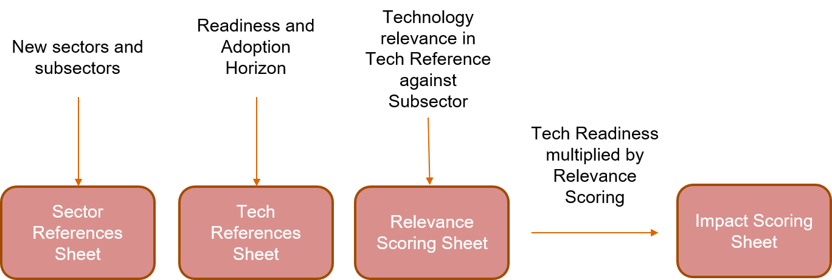
New sectors and subsectors are added in Sector References Sheet.

Data is inputted on Readiness and Adoption Horizon in Tech References Sheet. Other data inputs include Topic Maturity and Adoption Curve.

Rows are expanded to include new subsectors in Relevance Scoring Sheet.

In Relevance Scoring sheet, Data is inputted on Technology relevance in Tech Reference against Subsector. Justification narratives inputted for each score above 3.

In Impact Scoring sheet, Data is automatically produced: Tech Readiness multiplied by Relevance Scoring. Sum and Average Impact per sector are calculated

Vulnerability Scoring Sheet, Data is inputted on vulnerability level in Tech Reference against Subsector.

