Analysis
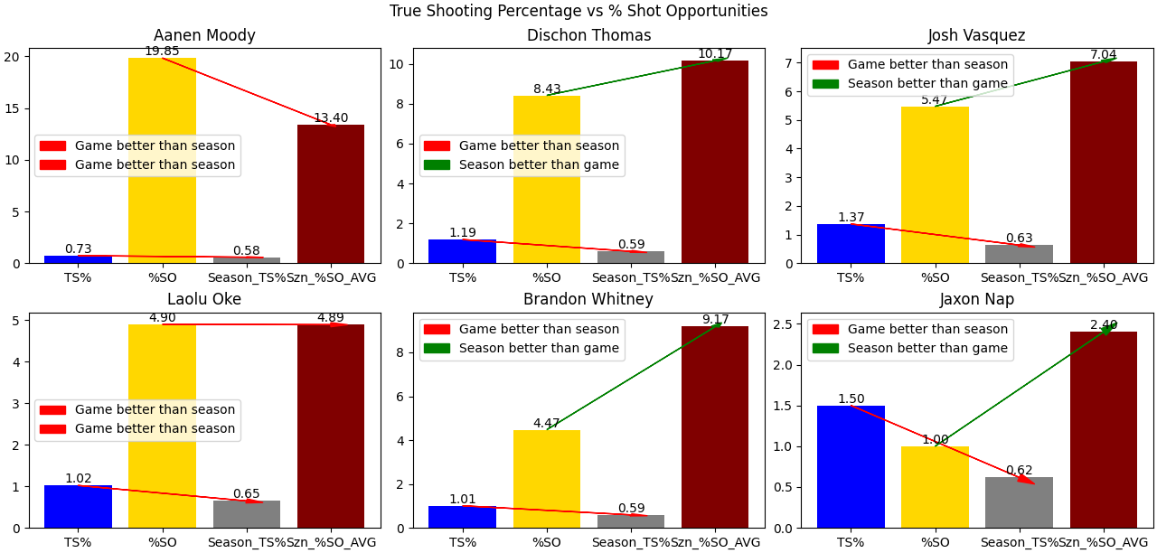

What does this figure tell you about the Montana offense and MSU defense in this game?

Montana offense in this game was better at adapting to the MSU defense and this shows in all players
that played more than 10 minutes. We can see this because in all graphs, the game had a higher true shooting
percentage than the season. MSU's defense did a poor job of blocking our shooters and putting pressure on
our offense, allowing Montana to come out on top despite the fact that we didn't take all shot opportunities that
we had.

