2017-9-5
 |  |  | 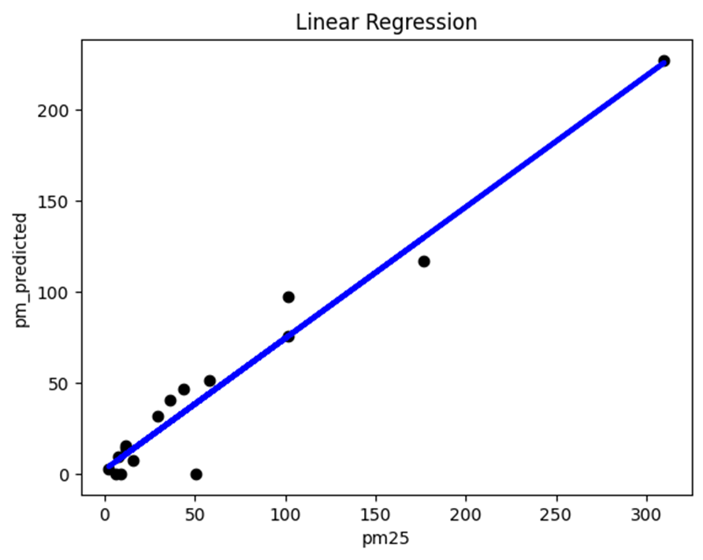

 | rmse = 29.45374692325282

 | r^2 = 0.9499858006988202

data

pm25 | pm_predicted | station
11.653 | 15.3251895 | Bozeman
16.0115 | 7.699438583 | Broadus
29.072 | 31.72369633 | Butte
58.188 | 51.64263283 | Flathead Valley
36.518 | 40.59947783 | Frenchtown
101.887 | 97.11377133 | Hamilton
7.5655 | 9.70734275 | Helena
8.7515 | NaN | Lewistown
101.7045 | 75.87034933 | Libby
6.274 | NaN | Malta
43.794 | 46.50982525 | Missoula
11.816 | 14.40256658 | NCore
176.8715 | 117.0125946 | Seeley Lake
2.3205 | 2.8798085 | Sidney
309.8415 | 227.3750178 | Thompson Falls
50.223 | NaN | West Yellowstone

2017-9-7
 | rmse = 68.0723152455344 |  | 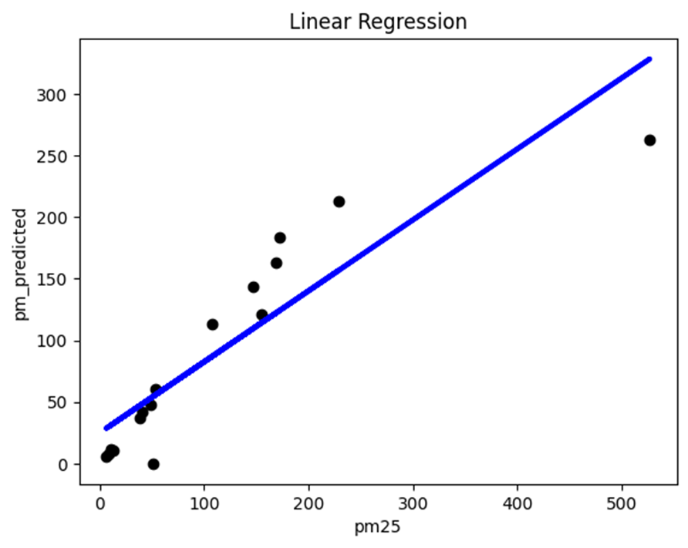

 | r^2 = 0.8143290596241755

data

pm25 | pm_predicted | station
40.669 | 41.83350633 | Bozeman
13.4295 | 10.8697415 | Broadus
50.642 | NaN | Butte
228.953 | 213.1557988 | Flathead Valley
154.4605 | 121.289464 | Frenchtown
146.4475 | 143.5911863 | Hamilton
49.059 | 47.46911592 | Helena
10.479 | 11.52523142 | Lewistown
107.662 | 113.1165249 | Libby
7.8475 | 7.5682865 | Malta
168.679 | 163.4434388 | Missoula
37.9495 | 37.03061617 | NCore
527.071 | 262.5359843 | Seeley Lake
6.354 | 5.596245417 | Sidney
172.698 | 183.3949215 | Thompson Falls
53.036 | 60.47998125 | West Yellowstone

2021-6-15
 | rmse = 3.60177989979265

 | r^2 = 0.514679318550255 |  | 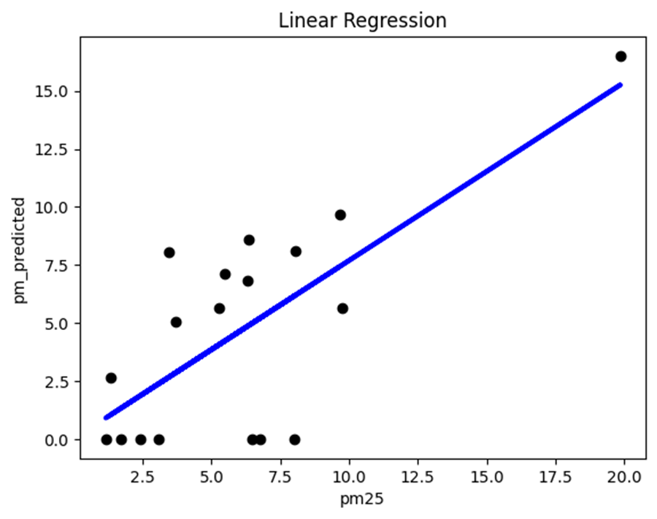

data

pm25 | pm_predicted | station
1.725 | NaN | Flathead Valley
8.025 | NaN | Libby
2.411 | NaN | Thompson Falls
6.3405 | 8.593774917 | Great Falls
3.696 | 5.062655917 | Helena
9.662 | 9.675990583 | Broadus
5.273 | 5.666908 | NCore
3.08 | NaN | Hamilton
8.0535 | 8.09097725 | Malta
6.298 | 6.821526417 | Sidney
9.771 | 5.646721167 | Bozeman
19.852 | 16.51148517 | Billings Lockwood
1.156 | NaN | Missoula
6.7805 | NaN | Seeley Lake
3.429 | 8.072747833 | West Yellowstone
1.342 | 2.64188675 | Lewistown
6.4855 | NaN | Frenchtown
5.475 | 7.106955833 | Butte

2013-6-15
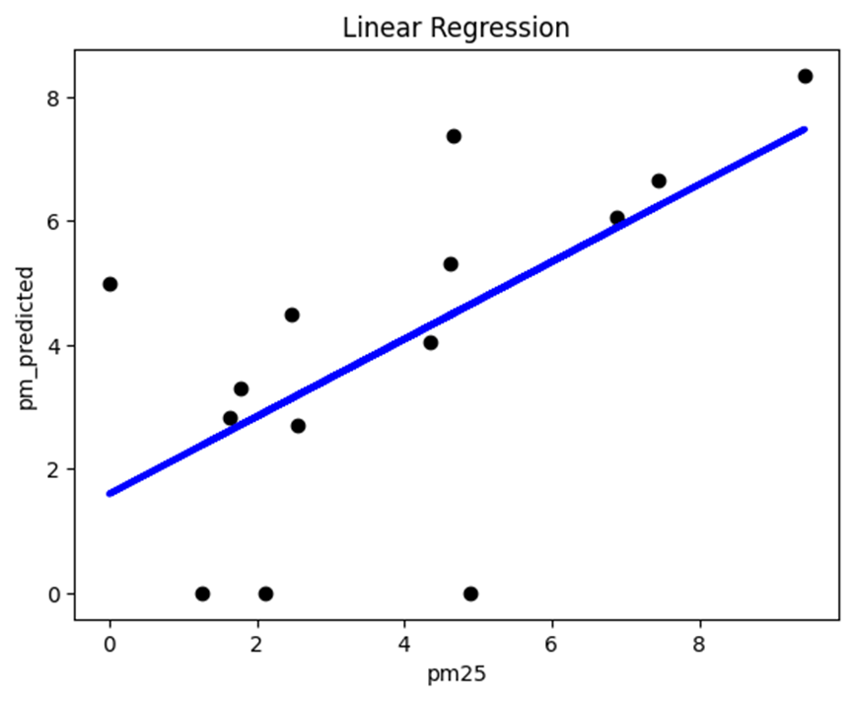
 | rmse = 2.288191222086121

 | r^2 = 0.37759188871368177

data

pm25 | pm_predicted | station
4.622 | 5.303780917 | Bozeman
9.426 | 8.346391083 | Broadus
2.1085 | NaN | Butte
1.783 | 3.303495583 | Flathead Valley
4.6725 | 7.386919083 | Frenchtown
0 | 4.999133583 | Great Falls
6.886 | 6.050685 | Hamilton
2.461 | 4.484123167 | Helena
1.6255 | 2.840705583 | Lewistown
1.267 | NaN | Libby
2.5445 | 2.70139775 | Malta
4.891 | NaN | Missoula
4.3595 | 4.035125 | NCore
7.4515 | 6.658095583 | Seeley Lake

