Billings Lockwood
pm25 | pm_predicted | station | date
904.787 |  | Billings Lockwood | 2017-11-29
904.787 |  | Billings Lockwood | 2017-11-29
8.7595 |  | Billings Lockwood | 2017-12-01
8.7595 |  | Billings Lockwood | 2017-12-01
5.427 |  | Billings Lockwood | 2017-12-02 | rmse | 162.64275084
5.427 |  | Billings Lockwood | 2017-12-02 | r^2 | 0.0020935764222
6.663 |  | Billings Lockwood | 2017-12-03
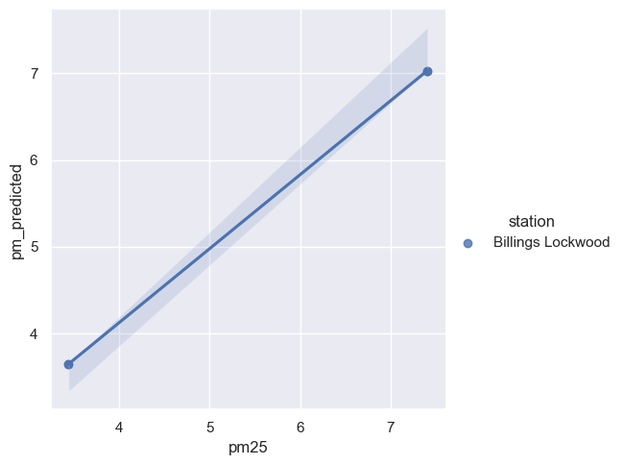
6.663 |  | Billings Lockwood | 2017-12-03
4.4035 |  | Billings Lockwood | 2017-12-04
4.4035 |  | Billings Lockwood | 2017-12-04
4.55 |  | Billings Lockwood | 2017-12-05
4.55 |  | Billings Lockwood | 2017-12-05
3.441 | 3.648021417 | Billings Lockwood | 2017-12-06
3.441 | 3.648021417 | Billings Lockwood | 2017-12-06
4.68 |  | Billings Lockwood | 2017-12-07
4.68 |  | Billings Lockwood | 2017-12-07
5.806 |  | Billings Lockwood | 2017-12-08
5.806 |  | Billings Lockwood | 2017-12-08
7.153 |  | Billings Lockwood | 2017-12-09
7.153 |  | Billings Lockwood | 2017-12-09
3.4385 |  | Billings Lockwood | 2017-12-10
3.4385 |  | Billings Lockwood | 2017-12-10
14.108 |  | Billings Lockwood | 2017-12-11
14.108 |  | Billings Lockwood | 2017-12-11
9.771 |  | Billings Lockwood | 2017-12-12
9.771 |  | Billings Lockwood | 2017-12-12
14.7465 |  | Billings Lockwood | 2017-12-13
14.7465 |  | Billings Lockwood | 2017-12-13
7.4055 | 7.02930125 | Billings Lockwood | 2017-12-14
7.4055 | 7.02930125 | Billings Lockwood | 2017-12-14
6.0545 |  | Billings Lockwood | 2017-12-15
6.0545 |  | Billings Lockwood | 2017-12-15
1.0115 |  | Billings Lockwood | 2017-12-16
1.0115 |  | Billings Lockwood | 2017-12-16
4.417 |  | Billings Lockwood | 2017-12-17
4.417 |  | Billings Lockwood | 2017-12-17
3.5695 |  | Billings Lockwood | 2017-12-18
3.5695 |  | Billings Lockwood | 2017-12-18
1.3915 |  | Billings Lockwood | 2017-12-19
1.3915 |  | Billings Lockwood | 2017-12-19
3.6805 |  | Billings Lockwood | 2017-12-20
3.6805 |  | Billings Lockwood | 2017-12-20
3.688 |  | Billings Lockwood | 2017-12-22
3.688 |  | Billings Lockwood | 2017-12-22
7.4115 |  | Billings Lockwood | 2017-12-23
7.4115 |  | Billings Lockwood | 2017-12-23
9.033 |  | Billings Lockwood | 2017-12-24
9.033 |  | Billings Lockwood | 2017-12-24
3.928 |  | Billings Lockwood | 2017-12-25
3.928 |  | Billings Lockwood | 2017-12-25
6.0435 |  | Billings Lockwood | 2017-12-26
6.0435 |  | Billings Lockwood | 2017-12-26
12.082 |  | Billings Lockwood | 2017-12-27
12.082 |  | Billings Lockwood | 2017-12-27
6.4075 |  | Billings Lockwood | 2017-12-28
6.4075 |  | Billings Lockwood | 2017-12-28
6.6465 |  | Billings Lockwood | 2017-12-29
6.6465 |  | Billings Lockwood | 2017-12-29
6.6505 |  | Billings Lockwood | 2017-12-30
6.6505 |  | Billings Lockwood | 2017-12-30
2.9545 |  | Billings Lockwood | 2017-12-31
2.9545 |  | Billings Lockwood | 2017-12-31

