Billings
pm25 | pm_predicted | station | date
3.441 | 3.648021417 | Billings Lockwood | 2017-12-06 | RMSE | 0.30363083391
3.441 | 3.648021417 | Billings Lockwood | 2017-12-06 | R^2 | 1
7.4055 | 7.02930125 | Billings Lockwood | 2017-12-14
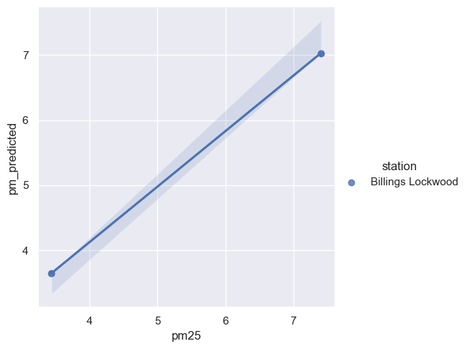
7.4055 | 7.02930125 | Billings Lockwood | 2017-12-14

