Flathead
pm25 | pm_predicted | station | date
6.9275 | 7.151252333 | Flathead Valley | 2017-04-16 | RMSE | 19.301584001
6.9275 | 7.151252333 | Flathead Valley | 2017-04-16 | R^2 | 0.75629608929
3.269 | 5.281437667 | Flathead Valley | 2017-05-04
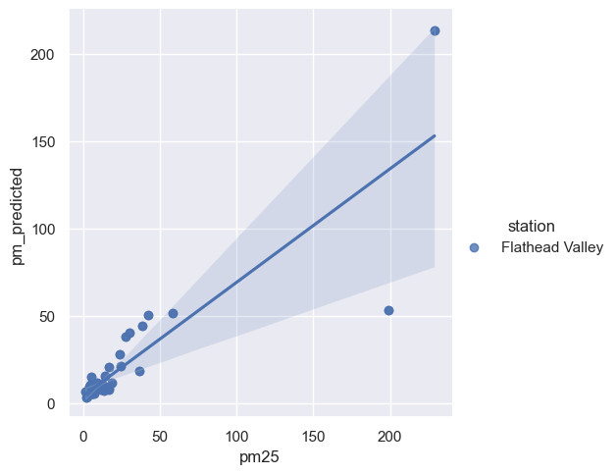
3.269 | 5.281437667 | Flathead Valley | 2017-05-04
9.591 | 8.753096333 | Flathead Valley | 2017-05-08
9.591 | 8.753096333 | Flathead Valley | 2017-05-08
5.613 | 8.049463083 | Flathead Valley | 2017-05-09
5.613 | 8.049463083 | Flathead Valley | 2017-05-09
4.353 | 9.188089083 | Flathead Valley | 2017-05-10
4.353 | 9.188089083 | Flathead Valley | 2017-05-10
5.604 | 15.07881467 | Flathead Valley | 2017-05-11
5.604 | 15.07881467 | Flathead Valley | 2017-05-11
3.7335 | 5.31699625 | Flathead Valley | 2017-05-27
3.7335 | 5.31699625 | Flathead Valley | 2017-05-27
4.7435 | 10.733274 | Flathead Valley | 2017-05-29
4.7435 | 10.733274 | Flathead Valley | 2017-05-29
3.498 | 4.64673 | Flathead Valley | 2017-06-03
3.498 | 4.64673 | Flathead Valley | 2017-06-03
7.328 | 7.326016167 | Flathead Valley | 2017-06-23
7.328 | 7.326016167 | Flathead Valley | 2017-06-23
7.5535 | 5.552250667 | Flathead Valley | 2017-06-24
7.5535 | 5.552250667 | Flathead Valley | 2017-06-24
7.7045 | 7.711688667 | Flathead Valley | 2017-06-25
7.7045 | 7.711688667 | Flathead Valley | 2017-06-25
5.741 | 8.027118 | Flathead Valley | 2017-06-26
5.741 | 8.027118 | Flathead Valley | 2017-06-26
5.245 | 5.301853667 | Flathead Valley | 2017-06-30
5.245 | 5.301853667 | Flathead Valley | 2017-06-30
5.725 | 7.48808675 | Flathead Valley | 2017-07-02
5.725 | 7.48808675 | Flathead Valley | 2017-07-02
5.971 | 7.00324775 | Flathead Valley | 2017-07-05
5.971 | 7.00324775 | Flathead Valley | 2017-07-05
10.4565 | 9.772871417 | Flathead Valley | 2017-07-07
10.4565 | 9.772871417 | Flathead Valley | 2017-07-07
1.7835 | 6.602696417 | Flathead Valley | 2017-07-12
1.7835 | 6.602696417 | Flathead Valley | 2017-07-12
7.4595 | 7.461195 | Flathead Valley | 2017-07-13
7.4595 | 7.461195 | Flathead Valley | 2017-07-13
8.4445 | 8.169152 | Flathead Valley | 2017-07-14
8.4445 | 8.169152 | Flathead Valley | 2017-07-14
2.156 | 3.44384425 | Flathead Valley | 2017-07-17
2.156 | 3.44384425 | Flathead Valley | 2017-07-17
7.46 | 7.54100925 | Flathead Valley | 2017-07-18
7.46 | 7.54100925 | Flathead Valley | 2017-07-18
18.548 | 11.5268455 | Flathead Valley | 2017-07-19
18.548 | 11.5268455 | Flathead Valley | 2017-07-19
9.16 | 9.79621175 | Flathead Valley | 2017-07-20
9.16 | 9.79621175 | Flathead Valley | 2017-07-20
2.6375 | 3.871540083 | Flathead Valley | 2017-07-23
2.6375 | 3.871540083 | Flathead Valley | 2017-07-23
5.482 | 5.8699985 | Flathead Valley | 2017-07-25
5.482 | 5.8699985 | Flathead Valley | 2017-07-25
5.4895 | 5.811509333 | Flathead Valley | 2017-07-26
5.4895 | 5.811509333 | Flathead Valley | 2017-07-26
5.257 | 10.47715933 | Flathead Valley | 2017-07-27
5.257 | 10.47715933 | Flathead Valley | 2017-07-27
5.249 | 6.28818875 | Flathead Valley | 2017-07-28
5.249 | 6.28818875 | Flathead Valley | 2017-07-28
3.2665 | 4.739108 | Flathead Valley | 2017-07-29
3.2665 | 4.739108 | Flathead Valley | 2017-07-29
6.958 | 6.86354475 | Flathead Valley | 2017-07-30
6.958 | 6.86354475 | Flathead Valley | 2017-07-30
9.173 | 11.4412315 | Flathead Valley | 2017-08-02
9.173 | 11.4412315 | Flathead Valley | 2017-08-02
24.72 | 21.03948917 | Flathead Valley | 2017-08-03
24.72 | 21.03948917 | Flathead Valley | 2017-08-03
14.3565 | 15.36199283 | Flathead Valley | 2017-08-06
14.3565 | 15.36199283 | Flathead Valley | 2017-08-06
24.1465 | 27.70776375 | Flathead Valley | 2017-08-12
24.1465 | 27.70776375 | Flathead Valley | 2017-08-12
5.599 | 5.908619583 | Flathead Valley | 2017-08-15
5.599 | 5.908619583 | Flathead Valley | 2017-08-15
13.4935 | 6.896152583 | Flathead Valley | 2017-08-17
13.4935 | 6.896152583 | Flathead Valley | 2017-08-17
11.7575 | 7.549289417 | Flathead Valley | 2017-08-18
11.7575 | 7.549289417 | Flathead Valley | 2017-08-18
16.851 | 8.83313475 | Flathead Valley | 2017-08-22
16.851 | 8.83313475 | Flathead Valley | 2017-08-22
9.974 | 8.948808 | Flathead Valley | 2017-08-26
9.974 | 8.948808 | Flathead Valley | 2017-08-26
13.1185 | 9.944943083 | Flathead Valley | 2017-08-27
13.1185 | 9.944943083 | Flathead Valley | 2017-08-27
13.158 | 10.0415655 | Flathead Valley | 2017-08-28
13.158 | 10.0415655 | Flathead Valley | 2017-08-28
27.572 | 37.87270167 | Flathead Valley | 2017-08-29
27.572 | 37.87270167 | Flathead Valley | 2017-08-29
30.2645 | 40.15458167 | Flathead Valley | 2017-09-02
30.2645 | 40.15458167 | Flathead Valley | 2017-09-02
42.6855 | 50.59918075 | Flathead Valley | 2017-09-03
42.6855 | 50.59918075 | Flathead Valley | 2017-09-03
16.9525 | 20.70245358 | Flathead Valley | 2017-09-04
16.9525 | 20.70245358 | Flathead Valley | 2017-09-04
58.188 | 51.64263283 | Flathead Valley | 2017-09-05
58.188 | 51.64263283 | Flathead Valley | 2017-09-05
198.8885 | 53.15406708 | Flathead Valley | 2017-09-06
198.8885 | 53.15406708 | Flathead Valley | 2017-09-06
228.953 | 213.1557988 | Flathead Valley | 2017-09-07
228.953 | 213.1557988 | Flathead Valley | 2017-09-07
36.484 | 18.43775233 | Flathead Valley | 2017-09-11
36.484 | 18.43775233 | Flathead Valley | 2017-09-11
38.5735 | 44.36458208 | Flathead Valley | 2017-09-12
38.5735 | 44.36458208 | Flathead Valley | 2017-09-12
17.0795 | 7.865480333 | Flathead Valley | 2017-09-16
17.0795 | 7.865480333 | Flathead Valley | 2017-09-16
7.459 | 6.98102675 | Flathead Valley | 2017-09-27
7.459 | 6.98102675 | Flathead Valley | 2017-09-27
12.4585 | 10.9313255 | Flathead Valley | 2017-09-28
12.4585 | 10.9313255 | Flathead Valley | 2017-09-28
9.497 | 9.1661385 | Flathead Valley | 2017-09-29
9.497 | 9.1661385 | Flathead Valley | 2017-09-29
6.5965 | 6.448661083 | Flathead Valley | 2017-10-04
6.5965 | 6.448661083 | Flathead Valley | 2017-10-04
4.995 | 6.6314955 | Flathead Valley | 2017-10-05
4.995 | 6.6314955 | Flathead Valley | 2017-10-05
9.988 | 9.536147167 | Flathead Valley | 2017-10-16
6.1385 | 5.548186417 | Flathead Valley | 2017-10-17
6.1385 | 5.548186417 | Flathead Valley | 2017-10-17
5.9995 | 5.427893583 | Flathead Valley | 2017-10-23
5.9995 | 5.427893583 | Flathead Valley | 2017-10-23
4.5825 | 5.28076175 | Flathead Valley | 2017-10-30
4.5825 | 5.28076175 | Flathead Valley | 2017-10-30
9.988 | 9.536147167 | Flathead Valley | 2017-10-16

