Helena
pm25 | pm_predicted | station | date
1.892 | 6.42222075 | Helena | 2017-03-30 | RMSE | 4.4436684377
1.892 | 6.42222075 | Helena | 2017-03-30 | R^2 | 0.8646415661
4.252 | 4.498897667 | Helena | 2017-05-09
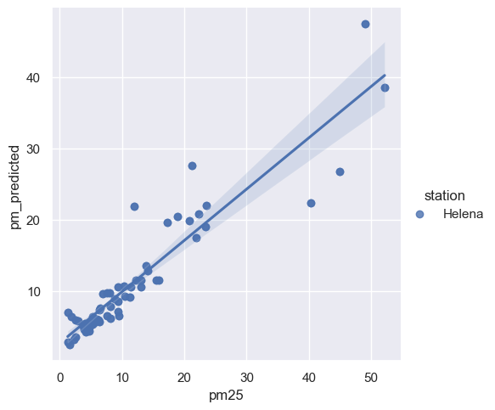
4.252 | 4.498897667 | Helena | 2017-05-09
2.9955 | 5.761448917 | Helena | 2017-05-10
2.9955 | 5.761448917 | Helena | 2017-05-10
4.701 | 5.1467015 | Helena | 2017-05-19
4.701 | 5.1467015 | Helena | 2017-05-19
5.93 | 6.042166167 | Helena | 2017-05-26
5.93 | 6.042166167 | Helena | 2017-05-26
5.4415 | 6.035375333 | Helena | 2017-06-04
5.4415 | 6.035375333 | Helena | 2017-06-04
3.8225 | 5.126324417 | Helena | 2017-06-07
3.8225 | 5.126324417 | Helena | 2017-06-07
5.257 | 5.377230583 | Helena | 2017-06-11
5.257 | 5.377230583 | Helena | 2017-06-11
1.3425 | 7.0221345 | Helena | 2017-06-12
1.3425 | 7.0221345 | Helena | 2017-06-12
2.5775 | 3.59614375 | Helena | 2017-06-14
2.5775 | 3.59614375 | Helena | 2017-06-14
2.507 | 5.89685075 | Helena | 2017-06-19
2.507 | 5.89685075 | Helena | 2017-06-19
9.548 | 6.55024675 | Helena | 2017-06-21
9.548 | 6.55024675 | Helena | 2017-06-21
4.7215 | 4.798623583 | Helena | 2017-06-23
4.7215 | 4.798623583 | Helena | 2017-06-23
5.348 | 6.430205167 | Helena | 2017-06-25
5.348 | 6.430205167 | Helena | 2017-06-25
3.9725 | 4.62141275 | Helena | 2017-06-30
3.9725 | 4.62141275 | Helena | 2017-06-30
6.8835 | 9.58658075 | Helena | 2017-07-02
6.8835 | 9.58658075 | Helena | 2017-07-02
7.567 | 6.492085583 | Helena | 2017-07-03
7.567 | 6.492085583 | Helena | 2017-07-03
5.505 | 5.55967 | Helena | 2017-07-04
5.505 | 5.55967 | Helena | 2017-07-04
15.4405 | 11.54420742 | Helena | 2017-07-05
15.4405 | 11.54420742 | Helena | 2017-07-05
13.8285 | 13.57413608 | Helena | 2017-07-07
13.8285 | 13.57413608 | Helena | 2017-07-07
6.3095 | 5.693248083 | Helena | 2017-07-12
6.3095 | 5.693248083 | Helena | 2017-07-12
13 | 11.52963608 | Helena | 2017-07-13
13 | 11.52963608 | Helena | 2017-07-13
8.166 | 6.155970667 | Helena | 2017-07-14
8.166 | 6.155970667 | Helena | 2017-07-14
9.341 | 7.066764667 | Helena | 2017-07-16
9.341 | 7.066764667 | Helena | 2017-07-16
21.9145 | 17.41330317 | Helena | 2017-07-18
21.9145 | 17.41330317 | Helena | 2017-07-18
9.4125 | 8.591705083 | Helena | 2017-07-19
9.4125 | 8.591705083 | Helena | 2017-07-19
13.015 | 10.60636933 | Helena | 2017-07-20
13.015 | 10.60636933 | Helena | 2017-07-20
8.8265 | 8.934763917 | Helena | 2017-07-21
8.8265 | 8.934763917 | Helena | 2017-07-21
10.3245 | 10.692085 | Helena | 2017-07-23
10.3245 | 10.692085 | Helena | 2017-07-23
11.4175 | 10.58986567 | Helena | 2017-07-28
11.4175 | 10.58986567 | Helena | 2017-07-28
9.366 | 10.54781217 | Helena | 2017-07-29
9.366 | 10.54781217 | Helena | 2017-07-29
23.513 | 21.95699117 | Helena | 2017-07-30
23.513 | 21.95699117 | Helena | 2017-07-30
17.303 | 19.604653 | Helena | 2017-08-01
17.303 | 19.604653 | Helena | 2017-08-01
14.161 | 12.84614175 | Helena | 2017-08-03
14.161 | 12.84614175 | Helena | 2017-08-03
21.2215 | 27.63675583 | Helena | 2017-08-04
21.2215 | 27.63675583 | Helena | 2017-08-04
8.042 | 9.78774825 | Helena | 2017-08-06
8.042 | 9.78774825 | Helena | 2017-08-06
10.49 | 9.199025667 | Helena | 2017-08-07
10.49 | 9.199025667 | Helena | 2017-08-07
18.9595 | 20.4251135 | Helena | 2017-08-08
18.9595 | 20.4251135 | Helena | 2017-08-08
22.3225 | 20.85598275 | Helena | 2017-08-10
22.3225 | 20.85598275 | Helena | 2017-08-10
12.1775 | 11.49244992 | Helena | 2017-08-17
12.1775 | 11.49244992 | Helena | 2017-08-17
20.8445 | 19.79270417 | Helena | 2017-08-22
20.8445 | 19.79270417 | Helena | 2017-08-22
52.159 | 38.57196683 | Helena | 2017-08-23
52.159 | 38.57196683 | Helena | 2017-08-23
23.3415 | 18.99904033 | Helena | 2017-08-26
23.3415 | 18.99904033 | Helena | 2017-08-26
40.3245 | 22.30019375 | Helena | 2017-08-31
40.3245 | 22.30019375 | Helena | 2017-08-31
44.888 | 26.79268908 | Helena | 2017-09-02
44.888 | 26.79268908 | Helena | 2017-09-02
12.027 | 21.91815325 | Helena | 2017-09-04
12.027 | 21.91815325 | Helena | 2017-09-04
7.5655 | 9.70734275 | Helena | 2017-09-05
7.5655 | 9.70734275 | Helena | 2017-09-05
49.059 | 47.46911592 | Helena | 2017-09-07
49.059 | 47.46911592 | Helena | 2017-09-07
15.901 | 11.5107715 | Helena | 2017-09-11
15.901 | 11.5107715 | Helena | 2017-09-11
3.999 | 5.414878 | Helena | 2017-09-23
3.999 | 5.414878 | Helena | 2017-09-23
4.863 | 5.517711417 | Helena | 2017-09-24
4.863 | 5.517711417 | Helena | 2017-09-24
6.2615 | 5.942985583 | Helena | 2017-09-25
6.2615 | 5.942985583 | Helena | 2017-09-25
8.18 | 7.768323833 | Helena | 2017-09-27
8.18 | 7.768323833 | Helena | 2017-09-27
6.35 | 7.40613525 | Helena | 2017-09-29
6.35 | 7.40613525 | Helena | 2017-09-29
11.2565 | 9.175364333 | Helena | 2017-10-06
11.2565 | 9.175364333 | Helena | 2017-10-06
2.315 | 3.202329333 | Helena | 2017-10-15
2.315 | 3.202329333 | Helena | 2017-10-15
1.67 | 2.429094417 | Helena | 2017-10-16
4.7255 | 4.4196825 | Helena | 2017-10-17
4.7255 | 4.4196825 | Helena | 2017-10-17
4.15 | 4.292424167 | Helena | 2017-10-23
4.15 | 4.292424167 | Helena | 2017-10-23
6.5765 | 7.553733083 | Helena | 2017-04-13
6.5765 | 7.553733083 | Helena | 2017-04-13
1.67 | 2.429094417 | Helena | 2017-10-16
1.291 | 2.8480215 | Helena | 2017-11-28
1.291 | 2.8480215 | Helena | 2017-11-28

