Libby
pm25 | pm_predicted | station | date
5.1585 | 7.090607333 | Libby | 2017-05-11 | RMSE | 8.6015927269
5.1585 | 7.090607333 | Libby | 2017-05-11 | R^2 | 0.89371065874
4.6035 | 4.962553333 | Libby | 2017-05-22
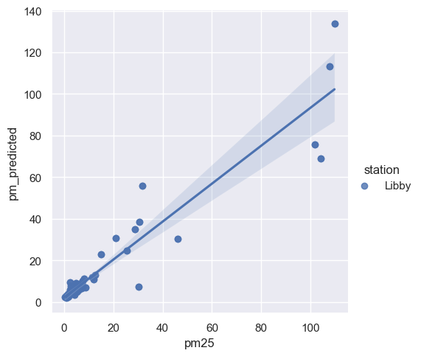
4.6035 | 4.962553333 | Libby | 2017-05-22
2.603 | 3.817068333 | Libby | 2017-05-27
2.603 | 3.817068333 | Libby | 2017-05-27
3.185 | 4.100206 | Libby | 2017-05-29
3.185 | 4.100206 | Libby | 2017-05-29
1.5505 | 2.440946583 | Libby | 2017-06-21
1.5505 | 2.440946583 | Libby | 2017-06-21
0.811 | 1.997677333 | Libby | 2017-06-23
0.811 | 1.997677333 | Libby | 2017-06-23
0.2295 | 2.307510083 | Libby | 2017-06-24
0.2295 | 2.307510083 | Libby | 2017-06-24
3.207 | 5.389972667 | Libby | 2017-06-25
3.207 | 5.389972667 | Libby | 2017-06-25
1.9285 | 2.8955275 | Libby | 2017-06-30
1.9285 | 2.8955275 | Libby | 2017-06-30
4.163 | 5.06777925 | Libby | 2017-07-02
4.163 | 5.06777925 | Libby | 2017-07-02
3.482 | 4.467099333 | Libby | 2017-07-09
3.482 | 4.467099333 | Libby | 2017-07-09
5.791 | 5.919754667 | Libby | 2017-07-11
5.791 | 5.919754667 | Libby | 2017-07-11
4.111 | 3.689762167 | Libby | 2017-07-12
4.111 | 3.689762167 | Libby | 2017-07-12
4.794 | 5.321224917 | Libby | 2017-07-14
4.794 | 5.321224917 | Libby | 2017-07-14
3.568 | 4.384680167 | Libby | 2017-07-16
3.568 | 4.384680167 | Libby | 2017-07-16
11.97 | 11.05169658 | Libby | 2017-07-18
11.97 | 11.05169658 | Libby | 2017-07-18
11.374 | 12.0110175 | Libby | 2017-07-19
11.374 | 12.0110175 | Libby | 2017-07-19
5.39 | 5.204861333 | Libby | 2017-07-20
5.39 | 5.204861333 | Libby | 2017-07-20
2.3485 | 9.479661083 | Libby | 2017-07-21
2.3485 | 9.479661083 | Libby | 2017-07-21
3.5445 | 5.338548917 | Libby | 2017-07-23
3.5445 | 5.338548917 | Libby | 2017-07-23
0.9725 | 3.223384083 | Libby | 2017-07-25
0.9725 | 3.223384083 | Libby | 2017-07-25
4.6655 | 9.089667667 | Libby | 2017-07-26
4.6655 | 9.089667667 | Libby | 2017-07-26
2.5805 | 4.05196925 | Libby | 2017-07-28
2.5805 | 4.05196925 | Libby | 2017-07-28
2.423 | 5.968665417 | Libby | 2017-07-30
2.423 | 5.968665417 | Libby | 2017-07-30
8.741 | 7.131012 | Libby | 2017-08-01
8.741 | 7.131012 | Libby | 2017-08-01
8.056 | 11.38105692 | Libby | 2017-08-02
8.056 | 11.38105692 | Libby | 2017-08-02
12.4105 | 13.01123575 | Libby | 2017-08-03
12.4105 | 13.01123575 | Libby | 2017-08-03
7.4185 | 10.26613008 | Libby | 2017-08-06
7.4185 | 10.26613008 | Libby | 2017-08-06
31.652 | 55.810506 | Libby | 2017-08-08
31.652 | 55.810506 | Libby | 2017-08-08
30.4575 | 38.39795408 | Libby | 2017-08-10
30.4575 | 38.39795408 | Libby | 2017-08-10
28.6415 | 34.86281908 | Libby | 2017-08-12
28.6415 | 34.86281908 | Libby | 2017-08-12
3.3595 | 4.424259417 | Libby | 2017-08-15
3.3595 | 4.424259417 | Libby | 2017-08-15
7.188 | 9.525650083 | Libby | 2017-08-17
7.188 | 9.525650083 | Libby | 2017-08-17
5.854 | 5.958251583 | Libby | 2017-08-18
5.854 | 5.958251583 | Libby | 2017-08-18
4.9455 | 4.962813417 | Libby | 2017-08-22
4.9455 | 4.962813417 | Libby | 2017-08-22
3.722 | 6.258183583 | Libby | 2017-08-26
3.722 | 6.258183583 | Libby | 2017-08-26
4.673 | 8.43575975 | Libby | 2017-08-27
4.673 | 8.43575975 | Libby | 2017-08-27
4.6225 | 5.1011135 | Libby | 2017-08-28
4.6225 | 5.1011135 | Libby | 2017-08-28
25.291 | 24.78302425 | Libby | 2017-08-31
25.291 | 24.78302425 | Libby | 2017-08-31
15.0045 | 23.12011383 | Libby | 2017-09-02
15.0045 | 23.12011383 | Libby | 2017-09-02
20.987 | 30.65110933 | Libby | 2017-09-03
20.987 | 30.65110933 | Libby | 2017-09-03
109.761 | 133.6654068 | Libby | 2017-09-04
109.761 | 133.6654068 | Libby | 2017-09-04
101.7045 | 75.87034933 | Libby | 2017-09-05
101.7045 | 75.87034933 | Libby | 2017-09-05
104.2745 | 68.9280215 | Libby | 2017-09-06
104.2745 | 68.9280215 | Libby | 2017-09-06
107.662 | 113.1165249 | Libby | 2017-09-07
107.662 | 113.1165249 | Libby | 2017-09-07
46.175 | 30.27561992 | Libby | 2017-09-11
46.175 | 30.27561992 | Libby | 2017-09-11
30.3435 | 7.5004355 | Libby | 2017-09-16
30.3435 | 7.5004355 | Libby | 2017-09-16
7.6145 | 7.801081917 | Libby | 2017-09-27
7.6145 | 7.801081917 | Libby | 2017-09-27
4.958 | 8.457637 | Libby | 2017-09-28
4.958 | 8.457637 | Libby | 2017-09-28
5.804 | 6.318757 | Libby | 2017-09-29
5.804 | 6.318757 | Libby | 2017-09-29
1.491 | 3.92599075 | Libby | 2017-10-05
1.491 | 3.92599075 | Libby | 2017-10-05
5.1715 | 5.736072083 | Libby | 2017-10-08
5.1715 | 5.736072083 | Libby | 2017-10-08
2.9765 | 4.805192 | Libby | 2017-10-09
2.9765 | 4.805192 | Libby | 2017-10-09
2.362 | 4.905668833 | Libby | 2017-10-15
2.362 | 4.905668833 | Libby | 2017-10-15
7.252 | 6.542972583 | Libby | 2017-10-16
2.1455 | 4.61545925 | Libby | 2017-10-23
2.1455 | 4.61545925 | Libby | 2017-10-23
5.416 | 6.797563083 | Libby | 2017-10-25
5.416 | 6.797563083 | Libby | 2017-10-25
2.6785 | 7.665844417 | Libby | 2017-10-27
2.6785 | 7.665844417 | Libby | 2017-10-27
7.252 | 6.542972583 | Libby | 2017-10-16
6.9415 | 7.39993375 | Libby | 2017-12-16
6.9415 | 7.39993375 | Libby | 2017-12-16

