Missoula
pm25 | pm_predicted | station | date
11.917 | 10.39636825 | Missoula | 2017-05-10 | RMSE | 9.4293644901
11.917 | 10.39636825 | Missoula | 2017-05-10 | R^2 | 0.94068325452
10.071 | 11.5345735 | Missoula | 2017-05-11
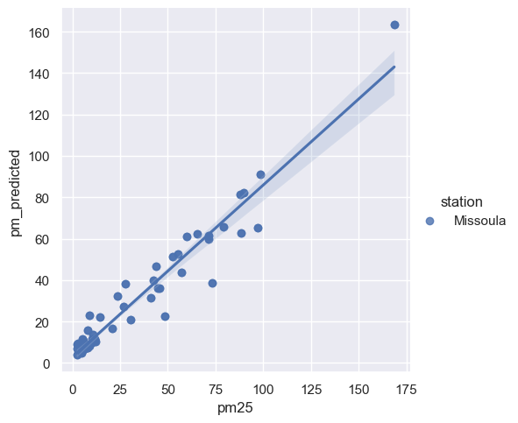
10.071 | 11.5345735 | Missoula | 2017-05-11
2.43 | 4.1555775 | Missoula | 2017-05-15
2.43 | 4.1555775 | Missoula | 2017-05-15
4.5665 | 5.295805167 | Missoula | 2017-05-22
4.5665 | 5.295805167 | Missoula | 2017-05-22
4.574 | 6.27214075 | Missoula | 2017-05-23
4.574 | 6.27214075 | Missoula | 2017-05-23
4.797 | 4.810221333 | Missoula | 2017-05-24
4.797 | 4.810221333 | Missoula | 2017-05-24
5.6535 | 9.469738 | Missoula | 2017-05-29
5.6535 | 9.469738 | Missoula | 2017-05-29
5.191 | 11.76661975 | Missoula | 2017-05-30
5.191 | 11.76661975 | Missoula | 2017-05-30
5.5905 | 10.83613675 | Missoula | 2017-06-07
5.5905 | 10.83613675 | Missoula | 2017-06-07
4.552 | 5.457097583 | Missoula | 2017-06-11
4.552 | 5.457097583 | Missoula | 2017-06-11
5.4515 | 6.978883333 | Missoula | 2017-06-19
5.4515 | 6.978883333 | Missoula | 2017-06-19
2.369 | 8.905222333 | Missoula | 2017-06-23
2.369 | 8.905222333 | Missoula | 2017-06-23
6.2075 | 7.132811 | Missoula | 2017-06-25
6.2075 | 7.132811 | Missoula | 2017-06-25
10.5195 | 10.2902555 | Missoula | 2017-07-02
10.5195 | 10.2902555 | Missoula | 2017-07-02
6.933 | 8.907205833 | Missoula | 2017-07-04
6.933 | 8.907205833 | Missoula | 2017-07-04
11.505 | 11.36796192 | Missoula | 2017-07-09
11.505 | 11.36796192 | Missoula | 2017-07-09
7.8955 | 7.368891083 | Missoula | 2017-07-12
7.8955 | 7.368891083 | Missoula | 2017-07-12
8.987 | 8.285783417 | Missoula | 2017-07-13
8.987 | 8.285783417 | Missoula | 2017-07-13
7.7865 | 8.307288333 | Missoula | 2017-07-14
7.7865 | 8.307288333 | Missoula | 2017-07-14
7.6525 | 8.599351917 | Missoula | 2017-07-16
7.6525 | 8.599351917 | Missoula | 2017-07-16
8.1045 | 15.69897892 | Missoula | 2017-07-17
8.1045 | 15.69897892 | Missoula | 2017-07-17
11.494 | 11.53066183 | Missoula | 2017-07-18
11.494 | 11.53066183 | Missoula | 2017-07-18
10.5045 | 9.85835775 | Missoula | 2017-07-20
10.5045 | 9.85835775 | Missoula | 2017-07-20
8.9855 | 23.20715658 | Missoula | 2017-07-21
8.9855 | 23.20715658 | Missoula | 2017-07-21
42.4255 | 39.76611175 | Missoula | 2017-07-26
42.4255 | 39.76611175 | Missoula | 2017-07-26
20.8335 | 16.63106092 | Missoula | 2017-07-29
20.8335 | 16.63106092 | Missoula | 2017-07-29
48.548 | 22.79701367 | Missoula | 2017-08-01
48.548 | 22.79701367 | Missoula | 2017-08-01
14.4905 | 22.18479525 | Missoula | 2017-08-02
14.4905 | 22.18479525 | Missoula | 2017-08-02
45.607 | 36.1153105 | Missoula | 2017-08-04
45.607 | 36.1153105 | Missoula | 2017-08-04
27.9175 | 38.18967308 | Missoula | 2017-08-05
27.9175 | 38.18967308 | Missoula | 2017-08-05
10.631 | 13.64419283 | Missoula | 2017-08-06
10.631 | 13.64419283 | Missoula | 2017-08-06
23.832 | 32.27011725 | Missoula | 2017-08-08
23.832 | 32.27011725 | Missoula | 2017-08-08
55.215 | 52.47457283 | Missoula | 2017-08-10
55.215 | 52.47457283 | Missoula | 2017-08-10
65.4985 | 62.30829817 | Missoula | 2017-08-11
65.4985 | 62.30829817 | Missoula | 2017-08-11
60.0075 | 61.14734642 | Missoula | 2017-08-12
60.0075 | 61.14734642 | Missoula | 2017-08-12
41.018 | 31.48947233 | Missoula | 2017-08-17
41.018 | 31.48947233 | Missoula | 2017-08-17
71.2105 | 59.98865133 | Missoula | 2017-08-18
71.2105 | 59.98865133 | Missoula | 2017-08-18
71.5845 | 61.64925167 | Missoula | 2017-08-22
71.5845 | 61.64925167 | Missoula | 2017-08-22
26.7795 | 27.22732325 | Missoula | 2017-08-26
26.7795 | 27.22732325 | Missoula | 2017-08-26
73.3645 | 38.84504692 | Missoula | 2017-08-27
73.3645 | 38.84504692 | Missoula | 2017-08-27
88.263 | 62.62079942 | Missoula | 2017-08-28
88.263 | 62.62079942 | Missoula | 2017-08-28
87.898 | 81.17650875 | Missoula | 2017-08-29
87.898 | 81.17650875 | Missoula | 2017-08-29
57.219 | 43.67276608 | Missoula | 2017-08-31
57.219 | 43.67276608 | Missoula | 2017-08-31
44.777 | 36.02332292 | Missoula | 2017-09-02
44.777 | 36.02332292 | Missoula | 2017-09-02
79.1645 | 65.914979 | Missoula | 2017-09-03
79.1645 | 65.914979 | Missoula | 2017-09-03
89.8055 | 82.27494642 | Missoula | 2017-09-04
89.8055 | 82.27494642 | Missoula | 2017-09-04
43.794 | 46.50982525 | Missoula | 2017-09-05
43.794 | 46.50982525 | Missoula | 2017-09-05
98.369 | 91.09850642 | Missoula | 2017-09-06
98.369 | 91.09850642 | Missoula | 2017-09-06
168.679 | 163.4434388 | Missoula | 2017-09-07
168.679 | 163.4434388 | Missoula | 2017-09-07
96.997 | 65.16643858 | Missoula | 2017-09-09
96.997 | 65.16643858 | Missoula | 2017-09-09
30.6385 | 20.83869342 | Missoula | 2017-09-11
30.6385 | 20.83869342 | Missoula | 2017-09-11
52.515 | 51.30286 | Missoula | 2017-09-12
52.515 | 51.30286 | Missoula | 2017-09-12
7.689 | 8.123925667 | Missoula | 2017-09-27
7.689 | 8.123925667 | Missoula | 2017-09-27
7.1145 | 7.963073417 | Missoula | 2017-09-28
7.1145 | 7.963073417 | Missoula | 2017-09-28
4.379 | 5.672328417 | Missoula | 2017-09-29
4.379 | 5.672328417 | Missoula | 2017-09-29
7.479 | 7.525429833 | Missoula | 2017-10-04
7.479 | 7.525429833 | Missoula | 2017-10-04
5.739 | 6.583516833 | Missoula | 2017-10-16
7.2055 | 7.234174167 | Missoula | 2017-10-24
7.2055 | 7.234174167 | Missoula | 2017-10-24
2.766 | 9.414703917 | Missoula | 2017-10-27
2.766 | 9.414703917 | Missoula | 2017-10-27
2.507 | 7.086186333 | Missoula | 2017-10-30
2.507 | 7.086186333 | Missoula | 2017-10-30
3.777 | 5.644327333 | Missoula | 2017-04-11
3.777 | 5.644327333 | Missoula | 2017-04-11
5.739 | 6.583516833 | Missoula | 2017-10-16

