Seeley Lake
pm25 | pm_predicted | station | date
11.3085 | 11.23364258 | Seeley Lake | 2017-05-11 | RMSE | 44.761434192
11.3085 | 11.23364258 | Seeley Lake | 2017-05-11 | R^2 | 0.85599954371
7.742 | 8.194949583 | Seeley Lake | 2017-05-22
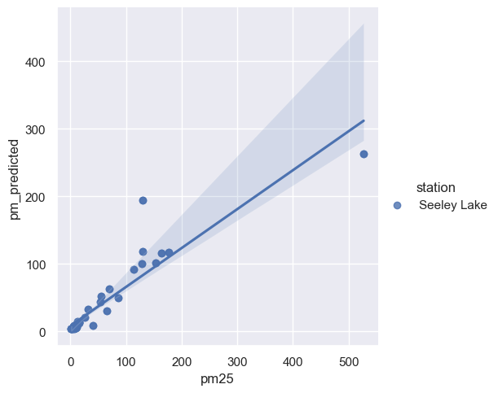
7.742 | 8.194949583 | Seeley Lake | 2017-05-22
9.941 | 5.681692417 | Seeley Lake | 2017-05-29
9.941 | 5.681692417 | Seeley Lake | 2017-05-29
5.9025 | 7.0072325 | Seeley Lake | 2017-06-07
5.9025 | 7.0072325 | Seeley Lake | 2017-06-07
3.34 | 3.828415583 | Seeley Lake | 2017-06-11
3.34 | 3.828415583 | Seeley Lake | 2017-06-11
1.7605 | 3.61829275 | Seeley Lake | 2017-06-12
1.7605 | 3.61829275 | Seeley Lake | 2017-06-12
5.672 | 5.146706667 | Seeley Lake | 2017-06-21
5.672 | 5.146706667 | Seeley Lake | 2017-06-21
1.762 | 3.61085375 | Seeley Lake | 2017-06-23
1.762 | 3.61085375 | Seeley Lake | 2017-06-23
6.6305 | 4.09144875 | Seeley Lake | 2017-06-25
6.6305 | 4.09144875 | Seeley Lake | 2017-06-25
2.3625 | 3.950585833 | Seeley Lake | 2017-06-30
2.3625 | 3.950585833 | Seeley Lake | 2017-06-30
6.278 | 6.459522833 | Seeley Lake | 2017-07-02
6.278 | 6.459522833 | Seeley Lake | 2017-07-02
7.3515 | 7.33216725 | Seeley Lake | 2017-07-03
7.3515 | 7.33216725 | Seeley Lake | 2017-07-03
6.994 | 6.37774 | Seeley Lake | 2017-07-05
6.994 | 6.37774 | Seeley Lake | 2017-07-05
8.0905 | 7.923870167 | Seeley Lake | 2017-07-07
8.0905 | 7.923870167 | Seeley Lake | 2017-07-07
7.366 | 8.139967917 | Seeley Lake | 2017-07-09
7.366 | 8.139967917 | Seeley Lake | 2017-07-09
9.549 | 5.294232167 | Seeley Lake | 2017-07-12
9.549 | 5.294232167 | Seeley Lake | 2017-07-12
4.4505 | 5.051446 | Seeley Lake | 2017-07-13
4.4505 | 5.051446 | Seeley Lake | 2017-07-13
9.062 | 8.000206583 | Seeley Lake | 2017-07-14
9.062 | 8.000206583 | Seeley Lake | 2017-07-14
6.86 | 6.3721695 | Seeley Lake | 2017-07-16
6.86 | 6.3721695 | Seeley Lake | 2017-07-16
10.91 | 7.689932833 | Seeley Lake | 2017-07-18
10.91 | 7.689932833 | Seeley Lake | 2017-07-18
7.1145 | 8.402492417 | Seeley Lake | 2017-07-19
7.1145 | 8.402492417 | Seeley Lake | 2017-07-19
11.655 | 9.07158775 | Seeley Lake | 2017-07-20
11.655 | 9.07158775 | Seeley Lake | 2017-07-20
15.3895 | 13.06389317 | Seeley Lake | 2017-07-21
15.3895 | 13.06389317 | Seeley Lake | 2017-07-21
9.9155 | 9.07335725 | Seeley Lake | 2017-07-23
9.9155 | 9.07335725 | Seeley Lake | 2017-07-23
11.653 | 6.519733417 | Seeley Lake | 2017-07-25
11.653 | 6.519733417 | Seeley Lake | 2017-07-25
15.0665 | 13.73834492 | Seeley Lake | 2017-07-30
15.0665 | 13.73834492 | Seeley Lake | 2017-07-30
70.5915 | 62.33727775 | Seeley Lake | 2017-08-01
70.5915 | 62.33727775 | Seeley Lake | 2017-08-01
25.758 | 20.41264208 | Seeley Lake | 2017-08-03
25.758 | 20.41264208 | Seeley Lake | 2017-08-03
55.7555 | 51.60351283 | Seeley Lake | 2017-08-04
55.7555 | 51.60351283 | Seeley Lake | 2017-08-04
13.5165 | 14.9933435 | Seeley Lake | 2017-08-06
13.5165 | 14.9933435 | Seeley Lake | 2017-08-06
31.7105 | 32.70295725 | Seeley Lake | 2017-08-12
31.7105 | 32.70295725 | Seeley Lake | 2017-08-12
40.633 | 8.504897583 | Seeley Lake | 2017-08-15
40.633 | 8.504897583 | Seeley Lake | 2017-08-15
15.6295 | 12.40804833 | Seeley Lake | 2017-08-17
15.6295 | 12.40804833 | Seeley Lake | 2017-08-17
53.352 | 43.89503458 | Seeley Lake | 2017-08-22
53.352 | 43.89503458 | Seeley Lake | 2017-08-22
65.5575 | 30.31169642 | Seeley Lake | 2017-08-26
65.5575 | 30.31169642 | Seeley Lake | 2017-08-26
153.991 | 100.9010353 | Seeley Lake | 2017-08-28
153.991 | 100.9010353 | Seeley Lake | 2017-08-28
129.4325 | 118.1080134 | Seeley Lake | 2017-08-29
129.4325 | 118.1080134 | Seeley Lake | 2017-08-29
113.318 | 92.10482425 | Seeley Lake | 2017-08-30
113.318 | 92.10482425 | Seeley Lake | 2017-08-30
164.363 | 116.4482909 | Seeley Lake | 2017-09-02
164.363 | 116.4482909 | Seeley Lake | 2017-09-02
129.6185 | 194.3016818 | Seeley Lake | 2017-09-04
129.6185 | 194.3016818 | Seeley Lake | 2017-09-04
176.8715 | 117.0125946 | Seeley Lake | 2017-09-05
176.8715 | 117.0125946 | Seeley Lake | 2017-09-05
527.071 | 262.5359843 | Seeley Lake | 2017-09-07
527.071 | 262.5359843 | Seeley Lake | 2017-09-07
129.2055 | 100.2604179 | Seeley Lake | 2017-09-09
129.2055 | 100.2604179 | Seeley Lake | 2017-09-09
85.534 | 49.75063225 | Seeley Lake | 2017-09-11
85.534 | 49.75063225 | Seeley Lake | 2017-09-11

