Thompson Falls
pm25 | pm_predicted | station | date
6.7625 | 3.380512583 | Thompson Falls | 2017-06-23 | RMSE | 15.488048842
6.7625 | 3.380512583 | Thompson Falls | 2017-06-23 | R^2 | 0.93804116588
9.684 | 4.42242 | Thompson Falls | 2017-06-24
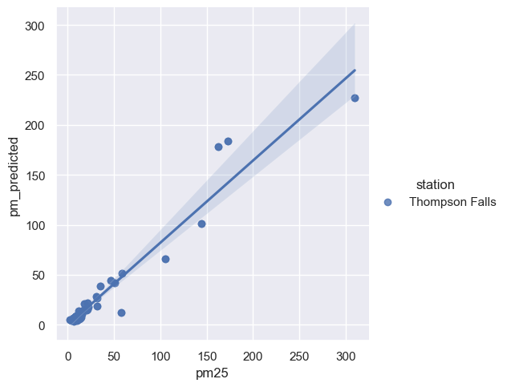
9.684 | 4.42242 | Thompson Falls | 2017-06-24
11.5995 | 8.745415583 | Thompson Falls | 2017-06-25
11.5995 | 8.745415583 | Thompson Falls | 2017-06-25
11.2945 | 13.93171358 | Thompson Falls | 2017-06-28
11.2945 | 13.93171358 | Thompson Falls | 2017-06-28
6.015 | 6.707873917 | Thompson Falls | 2017-06-30
6.015 | 6.707873917 | Thompson Falls | 2017-06-30
8.6025 | 8.42360975 | Thompson Falls | 2017-07-01
8.6025 | 8.42360975 | Thompson Falls | 2017-07-01
11.5285 | 10.74276217 | Thompson Falls | 2017-07-02
11.5285 | 10.74276217 | Thompson Falls | 2017-07-02
9.7175 | 9.420170583 | Thompson Falls | 2017-07-05
9.7175 | 9.420170583 | Thompson Falls | 2017-07-05
10.7185 | 7.929036417 | Thompson Falls | 2017-07-07
10.7185 | 7.929036417 | Thompson Falls | 2017-07-07
8.5485 | 8.193112167 | Thompson Falls | 2017-07-09
8.5485 | 8.193112167 | Thompson Falls | 2017-07-09
9.0645 | 5.657354167 | Thompson Falls | 2017-07-11
9.0645 | 5.657354167 | Thompson Falls | 2017-07-11
12.412 | 5.576580167 | Thompson Falls | 2017-07-12
12.412 | 5.576580167 | Thompson Falls | 2017-07-12
9.825 | 9.189861667 | Thompson Falls | 2017-07-14
9.825 | 9.189861667 | Thompson Falls | 2017-07-14
2.4155 | 4.829343583 | Thompson Falls | 2017-07-16
2.4155 | 4.829343583 | Thompson Falls | 2017-07-16
3.6495 | 3.892278333 | Thompson Falls | 2017-07-17
3.6495 | 3.892278333 | Thompson Falls | 2017-07-17
6.598 | 6.484532417 | Thompson Falls | 2017-07-18
6.598 | 6.484532417 | Thompson Falls | 2017-07-18
9.0985 | 9.262718583 | Thompson Falls | 2017-07-19
9.0985 | 9.262718583 | Thompson Falls | 2017-07-19
10.277 | 7.608123083 | Thompson Falls | 2017-07-20
10.277 | 7.608123083 | Thompson Falls | 2017-07-20
7.8245 | 6.964405583 | Thompson Falls | 2017-07-21
7.8245 | 6.964405583 | Thompson Falls | 2017-07-21
10.843 | 7.180245667 | Thompson Falls | 2017-07-23
10.843 | 7.180245667 | Thompson Falls | 2017-07-23
7.2275 | 6.3632465 | Thompson Falls | 2017-07-25
7.2275 | 6.3632465 | Thompson Falls | 2017-07-25
10.71 | 9.5940075 | Thompson Falls | 2017-07-26
10.71 | 9.5940075 | Thompson Falls | 2017-07-26
11.216 | 5.608449833 | Thompson Falls | 2017-07-28
11.216 | 5.608449833 | Thompson Falls | 2017-07-28
6.51 | 4.809464333 | Thompson Falls | 2017-07-30
6.51 | 4.809464333 | Thompson Falls | 2017-07-30
9.367 | 7.017527833 | Thompson Falls | 2017-08-01
9.367 | 7.017527833 | Thompson Falls | 2017-08-01
31.8195 | 26.57868875 | Thompson Falls | 2017-08-02
31.8195 | 26.57868875 | Thompson Falls | 2017-08-02
22.0315 | 17.89761125 | Thompson Falls | 2017-08-03
22.0315 | 17.89761125 | Thompson Falls | 2017-08-03
35.029 | 38.34968808 | Thompson Falls | 2017-08-04
35.029 | 38.34968808 | Thompson Falls | 2017-08-04
30.8705 | 28.2061405 | Thompson Falls | 2017-08-05
30.8705 | 28.2061405 | Thompson Falls | 2017-08-05
21.163 | 21.63503867 | Thompson Falls | 2017-08-06
21.163 | 21.63503867 | Thompson Falls | 2017-08-06
46.2065 | 44.4848315 | Thompson Falls | 2017-08-10
46.2065 | 44.4848315 | Thompson Falls | 2017-08-10
58.178 | 51.77765133 | Thompson Falls | 2017-08-12
58.178 | 51.77765133 | Thompson Falls | 2017-08-12
12.6265 | 9.233734667 | Thompson Falls | 2017-08-15
12.6265 | 9.233734667 | Thompson Falls | 2017-08-15
21.0605 | 15.73543258 | Thompson Falls | 2017-08-17
21.0605 | 15.73543258 | Thompson Falls | 2017-08-17
10.168 | 8.109252167 | Thompson Falls | 2017-08-18
10.168 | 8.109252167 | Thompson Falls | 2017-08-18
16.423 | 12.7011915 | Thompson Falls | 2017-08-22
16.423 | 12.7011915 | Thompson Falls | 2017-08-22
13.452 | 9.553402 | Thompson Falls | 2017-08-26
13.452 | 9.553402 | Thompson Falls | 2017-08-26
13.831 | 6.62134075 | Thompson Falls | 2017-08-27
13.831 | 6.62134075 | Thompson Falls | 2017-08-27
17.5435 | 20.83789733 | Thompson Falls | 2017-08-28
17.5435 | 20.83789733 | Thompson Falls | 2017-08-28
31.5135 | 18.56406658 | Thompson Falls | 2017-08-29
31.5135 | 18.56406658 | Thompson Falls | 2017-08-29
50.299 | 42.28393975 | Thompson Falls | 2017-09-02
50.299 | 42.28393975 | Thompson Falls | 2017-09-02
144.3325 | 101.4390877 | Thompson Falls | 2017-09-03
144.3325 | 101.4390877 | Thompson Falls | 2017-09-03
162.7775 | 177.9381196 | Thompson Falls | 2017-09-04
162.7775 | 177.9381196 | Thompson Falls | 2017-09-04
309.8415 | 227.3750178 | Thompson Falls | 2017-09-05
309.8415 | 227.3750178 | Thompson Falls | 2017-09-05
172.698 | 183.3949215 | Thompson Falls | 2017-09-07
172.698 | 183.3949215 | Thompson Falls | 2017-09-07
105.587 | 65.731464 | Thompson Falls | 2017-09-12
105.587 | 65.731464 | Thompson Falls | 2017-09-12
57.681 | 12.27758133 | Thompson Falls | 2017-09-16
57.681 | 12.27758133 | Thompson Falls | 2017-09-16
10.5505 | 9.145645917 | Thompson Falls | 2017-09-27
10.5505 | 9.145645917 | Thompson Falls | 2017-09-27
14.371 | 7.713026917 | Thompson Falls | 2017-09-28
14.371 | 7.713026917 | Thompson Falls | 2017-09-28
15.235 | 10.62539383 | Thompson Falls | 2017-09-29
15.235 | 10.62539383 | Thompson Falls | 2017-09-29
11.5115 | 10.023375 | Thompson Falls | 2017-10-04
11.5115 | 10.023375 | Thompson Falls | 2017-10-04
11.5545 | 6.183235083 | Thompson Falls | 2017-10-15
11.5545 | 6.183235083 | Thompson Falls | 2017-10-15
8.3715 | 8.406743333 | Thompson Falls | 2017-10-16
16.5795 | 14.69792025 | Thompson Falls | 2017-10-24
16.5795 | 14.69792025 | Thompson Falls | 2017-10-24
20.283 | 14.76791692 | Thompson Falls | 2017-10-27
20.283 | 14.76791692 | Thompson Falls | 2017-10-27
6.3885 | 6.570908 | Thompson Falls | 2017-10-30
6.3885 | 6.570908 | Thompson Falls | 2017-10-30
8.3715 | 8.406743333 | Thompson Falls | 2017-10-16

