West Yellowstone
pm25 | pm_predicted | station | date
13.302 | 8.171892417 | West Yellowstone | 2017-05-10 | RMSE | 5.6829309743
13.302 | 8.171892417 | West Yellowstone | 2017-05-10 | R^2 | 0.84214630077
8.7545 | 8.039346 | West Yellowstone | 2017-05-19
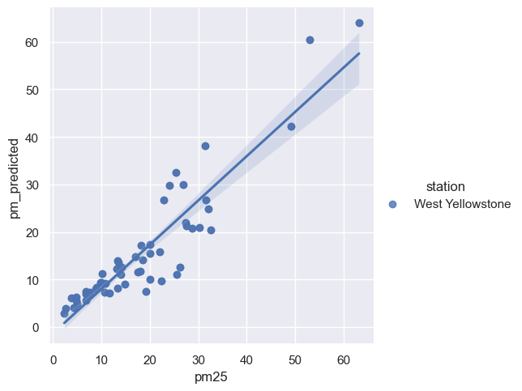
8.7545 | 8.039346 | West Yellowstone | 2017-05-19
6.7175 | 7.459582583 | West Yellowstone | 2017-05-24
6.7175 | 7.459582583 | West Yellowstone | 2017-05-24
13.918 | 11.06777192 | West Yellowstone | 2017-05-31
13.918 | 11.06777192 | West Yellowstone | 2017-05-31
14.8125 | 9.0736575 | West Yellowstone | 2017-06-04
14.8125 | 9.0736575 | West Yellowstone | 2017-06-04
4.931 | 4.924271167 | West Yellowstone | 2017-06-23
4.931 | 4.924271167 | West Yellowstone | 2017-06-23
9.835 | 9.351711083 | West Yellowstone | 2017-06-25
9.835 | 9.351711083 | West Yellowstone | 2017-06-25
10.2 | 11.16821725 | West Yellowstone | 2017-06-26
10.2 | 11.16821725 | West Yellowstone | 2017-06-26
9.9445 | 9.410346667 | West Yellowstone | 2017-06-30
9.9445 | 9.410346667 | West Yellowstone | 2017-06-30
13.2755 | 14.0361975 | West Yellowstone | 2017-07-02
13.2755 | 14.0361975 | West Yellowstone | 2017-07-02
17.4425 | 11.56701192 | West Yellowstone | 2017-07-04
17.4425 | 11.56701192 | West Yellowstone | 2017-07-04
27.401 | 21.988113 | West Yellowstone | 2017-07-05
27.401 | 21.988113 | West Yellowstone | 2017-07-05
27.59 | 21.3395215 | West Yellowstone | 2017-07-06
27.59 | 21.3395215 | West Yellowstone | 2017-07-06
18.1845 | 17.25404883 | West Yellowstone | 2017-07-07
18.1845 | 17.25404883 | West Yellowstone | 2017-07-07
13.0895 | 12.2791765 | West Yellowstone | 2017-07-11
13.0895 | 12.2791765 | West Yellowstone | 2017-07-11
7.542 | 6.998301333 | West Yellowstone | 2017-07-12
7.542 | 6.998301333 | West Yellowstone | 2017-07-12
17.9515 | 11.80215525 | West Yellowstone | 2017-07-13
17.9515 | 11.80215525 | West Yellowstone | 2017-07-13
26.1615 | 12.64498433 | West Yellowstone | 2017-07-15
26.1615 | 12.64498433 | West Yellowstone | 2017-07-15
14.113 | 12.631266 | West Yellowstone | 2017-07-18
14.113 | 12.631266 | West Yellowstone | 2017-07-18
18.48 | 14.082295 | West Yellowstone | 2017-07-22
18.48 | 14.082295 | West Yellowstone | 2017-07-22
10.7005 | 7.333031 | West Yellowstone | 2017-07-27
10.7005 | 7.333031 | West Yellowstone | 2017-07-27
22.434 | 9.73836375 | West Yellowstone | 2017-07-28
22.434 | 9.73836375 | West Yellowstone | 2017-07-28
21.959 | 15.82743842 | West Yellowstone | 2017-07-29
21.959 | 15.82743842 | West Yellowstone | 2017-07-29
30.3165 | 20.97197975 | West Yellowstone | 2017-07-31
30.3165 | 20.97197975 | West Yellowstone | 2017-07-31
32.0435 | 24.92963367 | West Yellowstone | 2017-08-01
32.0435 | 24.92963367 | West Yellowstone | 2017-08-01
20.0835 | 17.42596825 | West Yellowstone | 2017-08-03
20.0835 | 17.42596825 | West Yellowstone | 2017-08-03
31.512 | 26.73709183 | West Yellowstone | 2017-08-05
31.512 | 26.73709183 | West Yellowstone | 2017-08-05
28.7595 | 20.74565508 | West Yellowstone | 2017-08-06
28.7595 | 20.74565508 | West Yellowstone | 2017-08-06
26.845 | 30.03520883 | West Yellowstone | 2017-08-07
26.845 | 30.03520883 | West Yellowstone | 2017-08-07
24.028 | 29.75153067 | West Yellowstone | 2017-08-08
24.028 | 29.75153067 | West Yellowstone | 2017-08-08
19.966 | 15.44505383 | West Yellowstone | 2017-08-10
19.966 | 15.44505383 | West Yellowstone | 2017-08-10
11.6095 | 7.187849333 | West Yellowstone | 2017-08-15
11.6095 | 7.187849333 | West Yellowstone | 2017-08-15
9.006 | 8.336019917 | West Yellowstone | 2017-08-16
9.006 | 8.336019917 | West Yellowstone | 2017-08-16
25.619 | 11.03459167 | West Yellowstone | 2017-08-22
25.619 | 11.03459167 | West Yellowstone | 2017-08-22
13.5265 | 13.67992592 | West Yellowstone | 2017-08-23
13.5265 | 13.67992592 | West Yellowstone | 2017-08-23
17.0865 | 14.85015125 | West Yellowstone | 2017-08-26
17.0865 | 14.85015125 | West Yellowstone | 2017-08-26
22.8075 | 26.73863767 | West Yellowstone | 2017-08-28
22.8075 | 26.73863767 | West Yellowstone | 2017-08-28
49.193 | 42.19695183 | West Yellowstone | 2017-09-01
49.193 | 42.19695183 | West Yellowstone | 2017-09-01
32.6425 | 20.35730117 | West Yellowstone | 2017-09-02
32.6425 | 20.35730117 | West Yellowstone | 2017-09-02
63.2305 | 64.06148508 | West Yellowstone | 2017-09-04
63.2305 | 64.06148508 | West Yellowstone | 2017-09-04
25.3925 | 32.60983725 | West Yellowstone | 2017-09-06
25.3925 | 32.60983725 | West Yellowstone | 2017-09-06
53.036 | 60.47998125 | West Yellowstone | 2017-09-07
53.036 | 60.47998125 | West Yellowstone | 2017-09-07
31.4895 | 38.08826067 | West Yellowstone | 2017-09-08
31.4895 | 38.08826067 | West Yellowstone | 2017-09-08
19.957 | 10.06913375 | West Yellowstone | 2017-09-11
19.957 | 10.06913375 | West Yellowstone | 2017-09-11
19.119 | 7.424978917 | West Yellowstone | 2017-09-17
19.119 | 7.424978917 | West Yellowstone | 2017-09-17
6.838 | 6.991747417 | West Yellowstone | 2017-09-27
6.838 | 6.991747417 | West Yellowstone | 2017-09-27
10.767 | 9.113769083 | West Yellowstone | 2017-09-29
10.767 | 9.113769083 | West Yellowstone | 2017-09-29
6.7225 | 5.622694083 | West Yellowstone | 2017-10-09
6.7225 | 5.622694083 | West Yellowstone | 2017-10-09
3.7615 | 6.0730145 | West Yellowstone | 2017-10-11
3.7615 | 6.0730145 | West Yellowstone | 2017-10-11
2.5945 | 3.931848833 | West Yellowstone | 2017-10-19
2.5945 | 3.931848833 | West Yellowstone | 2017-10-19
7.6975 | 7.286773583 | West Yellowstone | 2017-10-24
7.6975 | 7.286773583 | West Yellowstone | 2017-10-24
4.2905 | 4.171158 | West Yellowstone | 2017-10-25
4.2905 | 4.171158 | West Yellowstone | 2017-10-25
2.3255 | 2.925368917 | West Yellowstone | 2017-10-26
2.3255 | 2.925368917 | West Yellowstone | 2017-10-26
4.8345 | 6.256965167 | West Yellowstone | 2017-10-27
4.8345 | 6.256965167 | West Yellowstone | 2017-10-27
4.8445 | 5.593164667 | West Yellowstone | 2017-10-29
4.8445 | 5.593164667 | West Yellowstone | 2017-10-29

