Info
Based on the given data Find

1 | Use Data-1 Sheet, Change data to tabled data & Name it with your Name & Tack & Gov
2 | ToTal sales
3 | Total Profit
4 | No of Quentity
5 | Profit after Discount

6 | Second High Sales
7 | Fourth Low Sales
8 | Max Profit
9 | Total High Sales
10 | No of High Sales
11 | IF New Price = 150 Find New Sales
12 | Give Those classes to New Sales as Following
 |  | A | 2000 | D | 100
 |  | B | 1000 | E | less than 100
 |  | C | 500
13 | Average of Top 3 Profit Value
14 | Max new sales
15 | Min new sales
16 | average new sales
17 | Find Total New sales If State = California
18 | Find Average New Sales If state = Texas
19 | Highlight All Sub Category = Phones ( using Custom Format)
20 | Highlight all Negative Values in Profit
21 | use code sheet to assign each code to relative data in Category Column
22 | use spark line (Columns) to find change between sales & new sales
23 | Based on Sales sheet, use Piviot Table to Find:
 | ● | Avgerage Profit by region
 | ● | sum of profit by region and segment
 | ● | Calculate discount by 5% on profit
 | ● | Count profit by category and sub category & segment
 | ● | insert slicer for each piviot
 | ● | insert piviot chart for all piviots and link them together
24 | Use the data in sales sheet to analyze and convert all necessary data to chart from your own perspective
25 | Create your Detailed interactive dashboard Based on analyzed data in NO (24)

** all answers in one book with the folowing Info:
Delivery Period: |  |  | 3 Days MAX
Satuden Name: |  |  | abdallah hamdy abdallah
Gov: |  |  | zagazig
Group: |  |  | Q3 23-24 power bi menofia

** Send Final Answer Sheet to My Email " ahismailwork@gmail.com "

Dashboard Sample
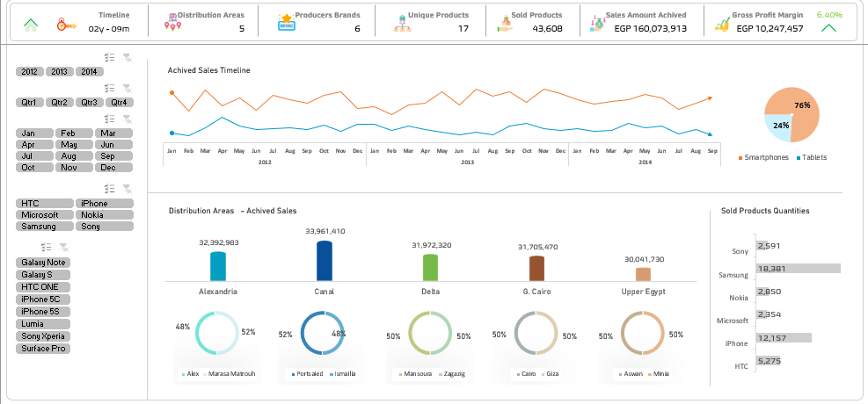

Dashboard Sample (2)
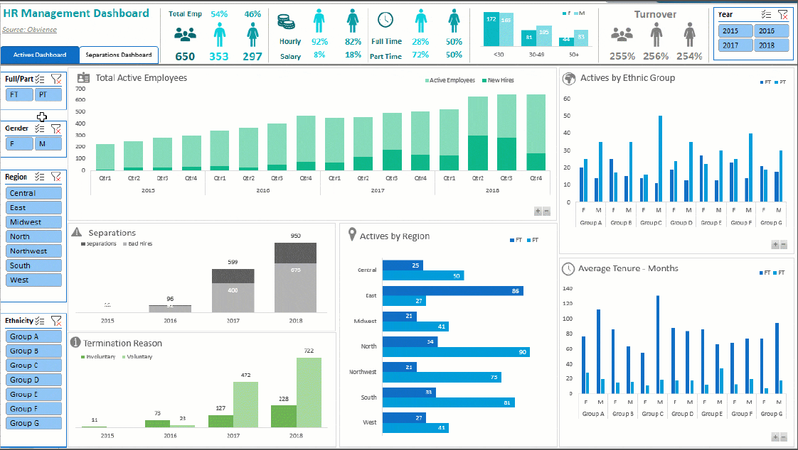

pivot tables
Average Profit By Regoin
Sum of Sales | Sum of Profit | Sum of Quantity | profit margin |  | Row Labels | Average of Profit
$160,051,140 | $10,224,684 | 43,608 | 6.39% |  | Alexandria | 3435.6938436
 |  |  |  |  | Canal | 3565.3047776 |  | Row Labels | Sum of Sales
 |  |  |  |  | Delta | 3388.3887974 |  | HTC One - (32GB) - 4G | 8668800
Row Labels | Sum of Sales |  |  |  | G. Cairo | 3389.8190955 |  | HTC ONE (32GB) Dual Sim - 3G | 7979580
HTC One - (32GB) - 4G | 8668800 |  | Microsoft Surface Pro 2 |  | Upper Egypt | 3257.1734694 |  | iPhone 5C (16GB) | 7994700
HTC ONE (32GB) Dual Sim - 3G | 7979580 |  | $13,724,100 |  |  |  |  | iPhone 5C (32GB) | 9509040
iPhone 5C (16GB) | 7994700 |  |  |  |  |  |  | iPhone 5S (16GB) | 9978840
iPhone 5C (32GB) | 9509040 |  |  |  |  |  |  | iPhone 5S (32GB) | 13186980
iPhone 5S (16GB) | 9978840 |  |  |  |  |  |  | iPhone 5S (64GB) | 13724100
iPhone 5S (32GB) | 13186980 |  |  |  |  |  |  | Microsoft Surface Pro 2 | 18030600
iPhone 5S (64GB) | 13724100 |  |  |  |  |  |  | Nokia Lumia - 4G | 5307120
Microsoft Surface Pro 2 | 18030600 |  |  |  |  |  |  | Samsung Galaxy Note 10.1 | 10596060
Nokia Lumia - 4G | 5307120 |  |  |  |  |  |  | Samsung Galaxy Note3 (32GB) - 3G | 10224720
Samsung Galaxy Note 10.1 | 10596060 |  |  |  |  |  |  | Samsung Galaxy Note3 (32GB) - 4G | 10194300
Samsung Galaxy Note3 (32GB) - 3G | 10224720 |  |  |  |  |  |  | Samsung Galaxy S3 (16GB) - 3G | 4717440
Samsung Galaxy Note3 (32GB) - 4G | 10194300 |  |  |  |  |  |  | Samsung Galaxy S4 (16GB) - 3G | 7452900
Samsung Galaxy S3 (16GB) - 3G | 4717440 |  |  |  |  |  |  | Samsung Galaxy S4 (16GB) - 4G | 7882920
Samsung Galaxy S4 (16GB) - 3G | 7452900 |  |  |  |  |  |  | Samsung Galaxy S4 Zoom - 3G | 4671000
Samsung Galaxy S4 (16GB) - 4G | 7882920 |  |  |  |  |  |  | Sony Xperia Z | 9932040
Samsung Galaxy S4 Zoom - 3G | 4671000
Sony Xperia Z | 9932040

 |  |  |  | Row Labels | Sum of Profit
 |  |  |  | HTC One - (32GB) - 4G | 520128
 |  |  |  | HTC ONE (32GB) Dual Sim - 3G | 493974
 |  |  |  | iPhone 5C (16GB) | 494910
 |  |  |  | iPhone 5C (32GB) | 566496
 |  |  |  | iPhone 5S (16GB) | 602496
 |  |  |  | iPhone 5S (32GB) | 821484
 |  |  |  | iPhone 5S (64GB) | 835380
 |  |  |  | Microsoft Surface Pro 2 | 1322244
 |  |  |  | Nokia Lumia - 4G | 309582
 |  |  |  | Samsung Galaxy Note 10.1 | 788544
 |  |  |  | Samsung Galaxy Note3 (32GB) - 3G | 604188
 |  |  |  | Samsung Galaxy Note3 (32GB) - 4G | 607320
 |  |  |  | Samsung Galaxy S3 (16GB) - 3G | 290304
 |  |  |  | Samsung Galaxy S4 (16GB) - 3G | 468468
 |  |  |  | Samsung Galaxy S4 (16GB) - 4G | 481734
 |  |  |  | Samsung Galaxy S4 Zoom - 3G | 298944
 |  |  |  | Sony Xperia Z | 718488
 |  |  |  | Grand Total | 10224684

Sales (%) By Branch
 |  |  |  | Row Labels | Sum of Sales
 |  |  |  | Alex | 9.8%
 |  |  |  | Aswan | 9.4%
 |  |  |  | Cairo | 9.8%
 |  |  |  | Giza | 10.0%
 |  |  |  | Ismailia | 10.1%
 |  |  |  | Mansoura | 10.0%
 |  |  |  | Marasa Matrouh | 10.5%
 |  |  |  | Minia | 9.3%
 |  |  |  | Portsaied | 11.1%
 |  |  |  | Zagazig | 10.0%

 | Row Labels | Sum of Quantity
 | Alexandria | 21%
 | Canal | 21%
 | Delta | 20%
Unit Sold Split (%)
 | G. Cairo | 20%
 | Upper Egypt | 19%
 | Grand Total | 100.00%

Profit By Segment
 |  |  |  |  |  | Row Labels | Sum of Profit
 |  |  |  |  |  | Alexandria | 20.2%
 |  |  |  |  |  | Canal | 21.2%
 |  |  |  |  |  | Delta | 20.1%
 |  |  |  |  |  | G. Cairo | 19.8%
 |  |  |  |  |  | Upper Egypt | 18.7%

Profit By Date
 |  |  |  |  |  | Row Labels | Sum of Profit
 |  |  |  |  |  | Alexandria | 20%
 |  |  |  |  |  | Canal | 21%
 |  |  |  |  |  | Delta | 20%
 |  |  |  |  |  | G. Cairo | 20%
 |  |  |  |  |  | Upper Egypt | 19%

Dashboared
Sales Dashboard
Total Sales
Profit ($)
Profit (%)
Unit Sold

$160,051,140
$10,224,684
6.39%
43,608

Total Sales by product
 | Total
HTC One - (32GB) - 4G | 8668800
HTC ONE (32GB) Dual Sim - 3G | 7979580
iPhone 5C (16GB) | 7994700
iPhone 5C (32GB) | 9509040
iPhone 5S (16GB) | 9978840
iPhone 5S (32GB) | 13186980
iPhone 5S (64GB) | 13724100
Microsoft Surface Pro 2 | 18030600
Nokia Lumia - 4G | 5307120
Samsung Galaxy Note 10.1 | 10596060
Samsung Galaxy Note3 (32GB) - 3G | 10224720
Samsung Galaxy Note3 (32GB) - 4G | 10194300
Samsung Galaxy S3 (16GB) - 3G | 4717440
Samsung Galaxy S4 (16GB) - 3G | 7452900
Samsung Galaxy S4 (16GB) - 4G | 7882920
Samsung Galaxy S4 Zoom - 3G | 4671000
Sony Xperia Z | 9932040
Average Profit By Regoin
 | Total
Alexandria | 3435.6938436
Canal | 3565.3047776
Delta | 3388.3887974
G. Cairo | 3389.8190955
Upper Egypt | 3257.1734694
Top Selling Product

Microsoft Surface Pro 2

$13,724,100

Sales (%) By Branch
 | Total
Alex | 9.8%
Aswan | 9.4%
Cairo | 9.8%
Giza | 10.0%
Ismailia | 10.1%
Mansoura | 10.0%
Marasa Matrouh | 10.5%
Minia | 9.3%
Portsaied | 11.1%
Zagazig | 10.0%
Profit By Date
 | Total
Alexandria | 20%
Canal | 21%
Delta | 20%
G. Cairo | 20%
Upper Egypt | 19%

Unit Sold Split (%)
 | Total
Alexandria | 21%
Canal | 21%
Delta | 20%
G. Cairo | 20%
Upper Egypt | 19%
Profit By Segment
 | Total
Alexandria | 20.2%
Canal | 21.2%
Delta | 20.1%
G. Cairo | 19.8%
Upper Egypt | 18.7%
Total Profit
 | Total
HTC One - (32GB) - 4G | 520128
HTC ONE (32GB) Dual Sim - 3G | 493974
iPhone 5C (16GB) | 494910
iPhone 5C (32GB) | 566496
iPhone 5S (16GB) | 602496
iPhone 5S (32GB) | 821484
iPhone 5S (64GB) | 835380
Microsoft Surface Pro 2 | 1322244
Nokia Lumia - 4G | 309582
Samsung Galaxy Note 10.1 | 788544
Samsung Galaxy Note3 (32GB) - 3G | 604188
Samsung Galaxy Note3 (32GB) - 4G | 607320
Samsung Galaxy S3 (16GB) - 3G | 290304
Samsung Galaxy S4 (16GB) - 3G | 468468
Samsung Galaxy S4 (16GB) - 4G | 481734
Samsung Galaxy S4 Zoom - 3G | 298944
Sony Xperia Z | 718488

