Hitung Conf
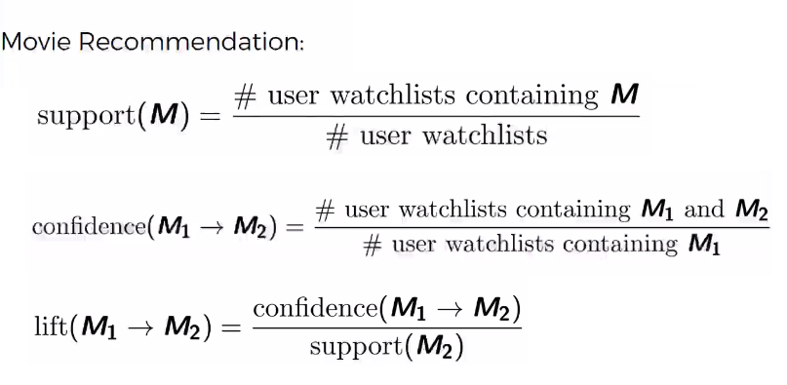
 |  |  |  |  |  |  | LOOK UP
 |  |  |  | Itemset | LEFT Subset | RIGHT Subset | Sup. Count Itemset | Sup. Count - LEFT | Support - RIGHT | Confidence | Lift | Confidence >= Threshold
bread, butter, egg, milk | bread, butter, egg | 3 | OK | bread, butter, egg, milk | bread, butter, egg | milk | 2 | 2 | 0.6 | 100.00% | 166.67% | TRUE
bread, butter, egg, milk | bread, butter, milk | 3 | OK | bread, butter, egg, milk | bread, butter, milk | egg | 2 | 2 | 0.6 | 100.00% | 166.7% | TRUE
bread, butter, egg, milk | bread, egg, milk | 3 | OK | bread, butter, egg, milk | bread, egg, milk | butter | 2 | 2 | 0.8 | 100.00% | 125.0% | TRUE
bread, butter, egg, milk | butter, egg, milk | 3 | OK | bread, butter, egg, milk | butter, egg, milk | bread | 2 | 2 | 0.8 | 100.00% | 125.0% | TRUE
bread, butter, egg, milk | bread, butter | 2 | OK | bread, butter, egg, milk | milk | bread, butter, egg | 2 | 3 | 0.4 | 66.67% | 166.7% | FALSE
bread, butter, egg, milk | bread, egg | 2 | OK | bread, butter, egg, milk | egg | bread, butter, milk | 2 | 3 | 0.4 | 66.67% | 166.7% | FALSE
bread, butter, egg, milk | bread, milk | 2 | OK | bread, butter, egg, milk | butter | bread, egg, milk | 2 | 4 | 0.4 | 50.00% | 125.0% | FALSE
bread, butter, egg, milk | butter, egg | 2 | Skip | bread, butter, egg, milk | bread | butter, egg, milk | 2 | 4 | 0.4 | 50.00% | 125.0% | FALSE
bread, butter, egg, milk | butter, milk | 2 | Skip | bread, butter, egg, milk | bread, butter | egg, milk | 2 | 4 | 0.6 | 50.00% | 83.3% | FALSE
bread, butter, egg, milk | egg, milk | 2 | Skip | bread, butter, egg, milk | egg, milk | bread, butter | 2 | 3 | 0.8 | 66.67% | 83.3% | FALSE
bread, butter, egg, milk | bread | 1 | Skip | bread, butter, egg, milk | bread, egg | butter, milk | 2 | 2 | 0.4 | 100.00% | 250.0% | TRUE
bread, butter, egg, milk | butter | 1 | Skip | bread, butter, egg, milk | butter, milk | bread, egg | 2 | 2 | 0.4 | 100.00% | 250.0% | TRUE
bread, butter, egg, milk | egg | 1 | Skip | bread, butter, egg, milk | bread, milk | butter, egg | 2 | 2 | 0.4 | 100.00% | 250.0% | TRUE
bread, butter, egg, milk | milk | 1 | Skip | bread, butter, egg, milk | butter, egg | bread, milk | 2 | 2 | 0.4 | 100.00% | 250.0% | TRUE
bread, butter, egg | bread, butter | 2 | OK | bread, butter, egg | bread, butter | egg | 2 | 4 | 0.6 | 50.00% | 83.3% | FALSE
bread, butter, egg | bread, egg | 2 | OK | bread, butter, egg | egg | bread, butter | 2 | 3 | 0.8 | 66.67% | 83.3% | FALSE
bread, butter, egg | butter, egg | 2 | OK | bread, butter, egg | bread, egg | butter | 2 | 2 | 0.8 | 100.00% | 125.0% | TRUE
bread, butter, milk | bread, butter | 2 | OK | bread, butter, egg | butter | bread, egg | 2 | 4 | 0.4 | 50.00% | 125.0% | FALSE
bread, butter, milk | bread, milk | 2 | OK | bread, butter, egg | butter, egg | bread | 2 | 2 | 0.8 | 100.00% | 125.0% | TRUE
bread, butter, milk | butter, milk | 2 | OK | bread, butter, egg | bread | butter, egg | 2 | 4 | 0.4 | 50.00% | 125.0% | FALSE
bread, egg, milk | bread, egg | 2 | OK | bread, butter, milk | bread, butter | milk | 2 | 4 | 0.6 | 50.00% | 83.3% | FALSE
bread, egg, milk | bread, milk | 2 | OK | bread, butter, milk | milk | bread, butter | 2 | 3 | 0.8 | 66.67% | 83.3% | FALSE
bread, egg, milk | egg, milk | 2 | OK | bread, butter, milk | bread, milk | butter | 2 | 2 | 0.8 | 100.00% | 125.0% | TRUE
butter, egg, milk | butter, egg | 2 | OK | bread, butter, milk | butter | bread, milk | 2 | 4 | 0.4 | 50.00% | 125.0% | FALSE
butter, egg, milk | butter, milk | 2 | OK | bread, butter, milk | butter, milk | bread | 2 | 2 | 0.8 | 100.00% | 125.0% | TRUE
butter, egg, milk | egg, milk | 2 | OK | bread, butter, milk | bread | butter, milk | 2 | 4 | 0.4 | 50.00% | 125.0% | FALSE
bread, butter | bread | 1 | OK | bread, egg, milk | bread, egg | milk | 2 | 2 | 0.6 | 100.00% | 166.7% | TRUE
bread, butter | butter | 1 | Skip | bread, egg, milk | milk | bread, egg | 2 | 3 | 0.4 | 66.67% | 166.7% | FALSE
bread, egg | bread | 1 | OK | bread, egg, milk | bread, milk | egg | 2 | 2 | 0.6 | 100.00% | 166.7% | TRUE
bread, egg | egg | 1 | Skip | bread, egg, milk | egg | bread, milk | 2 | 3 | 0.4 | 66.67% | 166.7% | FALSE
bread, milk | bread | 1 | OK | bread, egg, milk | egg, milk | bread | 2 | 3 | 0.8 | 66.67% | 83.3% | FALSE
bread, milk | milk | 1 | Skip | bread, egg, milk | bread | egg, milk | 2 | 4 | 0.6 | 50.00% | 83.3% | FALSE
butter, egg | butter | 1 | OK | butter, egg, milk | butter, egg | milk | 2 | 2 | 0.6 | 100.00% | 166.7% | TRUE
butter, egg | egg | 1 | Skip | butter, egg, milk | milk | butter, egg | 2 | 3 | 0.4 | 66.67% | 166.7% | FALSE
butter, milk | butter | 1 | OK | butter, egg, milk | butter, milk | egg | 2 | 2 | 0.6 | 100.00% | 166.7% | TRUE
butter, milk | milk | 1 | Skip | butter, egg, milk | egg | butter, milk | 2 | 3 | 0.4 | 66.67% | 166.7% | FALSE
egg, milk | egg | 1 | OK | butter, egg, milk | egg, milk | butter | 2 | 3 | 0.8 | 66.67% | 83.3% | FALSE
egg, milk | milk | 1 | Skip | butter, egg, milk | butter | egg, milk | 2 | 4 | 0.6 | 50.00% | 83.3% | FALSE
bread |  |  |  | bread, butter | bread | butter | 4 | 4 | 0.8 | 100.00% | 125.0% | TRUE
butter |  |  |  | bread, butter | butter | bread | 4 | 4 | 0.8 | 100.00% | 125.0% | TRUE
egg |  |  |  | bread, egg | bread | egg | 2 | 4 | 0.6 | 50.00% | 83.3% | FALSE
milk |  |  |  | bread, egg | egg | bread | 2 | 3 | 0.8 | 66.67% | 83.3% | FALSE
 |  |  |  | bread, milk | bread | milk | 2 | 4 | 0.6 | 50.00% | 83.3% | FALSE
 |  |  |  | bread, milk | milk | bread | 2 | 3 | 0.8 | 66.67% | 83.3% | FALSE
 |  |  |  | butter, egg | butter | egg | 2 | 4 | 0.6 | 50.00% | 83.3% | FALSE
 |  |  |  | butter, egg | egg | butter | 2 | 3 | 0.8 | 66.67% | 83.3% | FALSE
 |  |  |  | butter, milk | butter | milk | 2 | 4 | 0.6 | 50.00% | 83.3% | FALSE
 |  |  |  | butter, milk | milk | butter | 2 | 3 | 0.8 | 66.67% | 83.3% | FALSE
 |  |  |  | egg, milk | egg | milk | 3 | 3 | 0.6 | 100.00% | 166.7% | TRUE
 |  |  |  | egg, milk | milk | egg | 3 | 3 | 0.6 | 100.00% | 166.7% | TRUE

