Sheet1
Phases | Budget | Progress | EV | AC | CV | PV | SV | 1 | 2 | 3 | 4 | 5 | 6 | 7 | 8 | 9 | 10 | 11
Preparation | 600 | 100% | 600 | 600 | 0 | 600 | 0 | 300 | 300
Design | 1200 | 100% | 1200 | 1400 | -200 | 1200 | 0 |  |  | 400 | 400 | 400
Implementation | 400 | 50% | 200 | 200 | 0 | 400 | -200 |  |  |  |  |  | 200 | 200
Testing | 1200 | 33.30% | 400 | 500 | -100 | 800 | -400 |  |  |  |  |  | 400 | 400 | 400
Deployment | 300 | 0% | 0 | 0 | 0 | 0 | 0 |  |  |  |  |  |  |  |  | 100 | 100 | 100

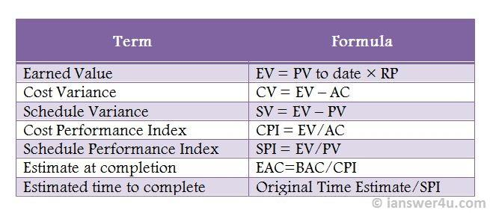
BAC | 3700 | 64.86% | 2400 | 2700 | -300 | 3000 | -600
EV = 2399
CV = -300
PV = 3000
EV = 2399
SV= -600

