Landing page
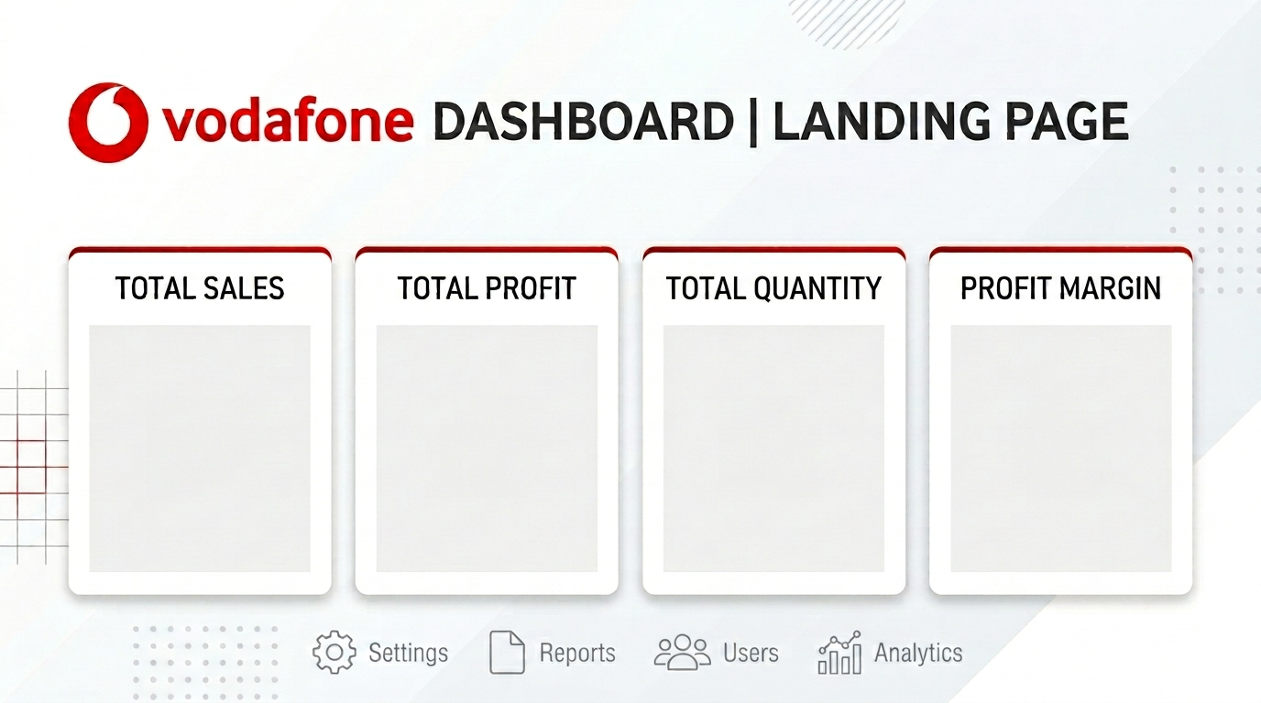

$2,297,200.86
$286,397.02
$37,873
12%

Sales Preformance

Dashboard
v

Total sales
Total Profit
Total Quantity
Profit Margin
Average Discount

$2,297,200.86
$286,397.02
$37,873
12%
16%

Total Sales By Month
 | Total
Jan | 94924.8356
Feb | 59751.2514
Mar | 205005.4888
Apr | 137762.1286
May | 155028.8117
Jun | 152718.6793
Jul | 147238.097
Aug | 159044.063
Sep | 307649.9457
Oct | 200322.9847
Nov | 352461.071
Dec | 325293.5035
Top 10 Sales Products
 | Total
Canon imageCLASS 2200 Advanced Copier | 61599.824
Cisco TelePresence System EX90 Videoconferencing Unit | 22638.48
Fellowes PB500 Electric Punch Plastic Comb Binding Machine with Manual Bind | 27453.384
GBC DocuBind P400 Electric Binding System | 17965.068
GBC DocuBind TL300 Electric Binding System | 19823.479
GBC Ibimaster 500 Manual ProClick Binding System | 19024.5
Hewlett Packard LaserJet 3310 Copier | 18839.686
High Speed Automatic Electric Letter Opener | 17030.312
HON 5400 Series Task Chairs for Big and Tall | 21870.576
HP Designjet T520 Inkjet Large Format Printer - 24" Color | 18374.895
Total Sales By Catogory
 | Total
Furniture | 741999.7953
Office Supplies | 719047.032
Technology | 836154.033

Total Profit By Years
 | Total
2014 | 49543.9741
2015 | 61618.6037
2016 | 81795.1743
2017 | 93439.2696

Total Sales By sub catogery
 | Total
Accessories | 167380.318
Appliances | 107532.161
Art | 27118.792
Binders | 203412.733
Bookcases | 114879.9963
Chairs | 328449.103
Copiers | 149528.03
Envelopes | 16476.402
Fasteners | 3024.28
Furnishings | 91705.164
Labels | 12486.312
Machines | 189238.631
Paper | 78479.206
Phones | 330007.054
Storage | 223843.608
Supplies | 46673.538
Tables | 206965.532

Total Profit By Region
 | Total
Central | 39706.3625
East | 91522.78
South | 46749.4303
West | 108418.4489

