Sheet1
0904009 | Map 4 relay 10A +12 VDC | Power board 4 relay 10A. Compatible with Arduino / Microcontroller. Input range 0 to 24Vdc. | 15.95 € | 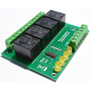
VITA1001 | Inter Sans Fil Mural EnOcean | N/A | 38.90 € | 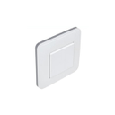
IPXV4M-1218 | IPX800 V4 | Standalone web relay controller. Control anything from internet with your smartphone, laptop... | 159.00 € | 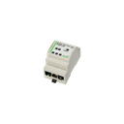
RE2010 | Forfait réparation | N/A | 24.90 € | 
050210 | Din Rail support for IPX cards | Din Rail support for IPX cards | 24.90 € | 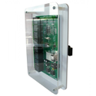
MOD-USB-TELEINFO | Module TELEINFO USB | N/A | 24.90 € | 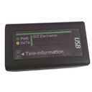
gce-rx470 | Buffer solution for ORP probe | Buffer solution for ORP probe | 6.20 € | 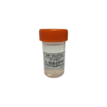
102911 | Temperature sensor to relay board ethernet IPX-800. | Temperature sensor to relay board ethernet IPX-800. | 21.57 € | 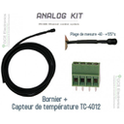
Rallonge-BNC | Rallonge BNC pour Sonde pH ou Redox | N/A | 3.48 € | 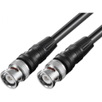
107504 | Cold water meter | Cold water meter with pulse output (1 imp. / 1 liter), connection 3/4 "Control your water consumption". | 74.90 € | 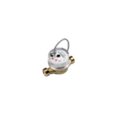
UBIEOSW | Détecteur de mouvement EnOcean | N/A | 84.90 € | 
X-4VR | IPX800 V4 - Roller shutter controller- X-4VR | Extension X - 4VR for IPX800 V4.control 4 roller shutter with power monitoring and start/stop ajustable position | 158.00 € | 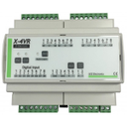
PA-X400CT | Current clamps for X400-CT | current clamps for X400 -CT module. Several declination available , 10A, 20A and 50A . Within the limit of 12 analog inputs IPX800 . | 12.00 € | 
Ecodevices | Eco-Devices Teleinfo, followed consumption. | Ecodevices, Monitoring consumption, Teleinfo 2 inputs and 2 configurable pulse counter inputs (Water, Gas, Fuel). | 89.00 € | 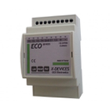
X-DISPLAY1 | X-DISPLAY | The X-DISPLAY is a multifunction control screen. It allows control lighting, heating, shutters etc ... and has several modes allowing a large number of actions from a single point. | 64.98 € | 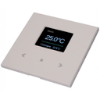
E27-W9W | Lampe Led RGBW E27 6W | N/A | 9.99 € | 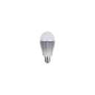
2009004 | RS232 - TTL 5V and 3.3V converter | RS232 to TTL Converter MAX3232 5V and 3.3V. | 14.50 € | 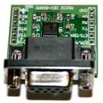
X-DMX | X-DMX Addon for IPX800 v4 | Control light ! Add the DMX 512 to our powerful web relay controller: IPX800 v4. | 69.90 € | 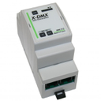
FAH60 | Sonde de luminosité extérieur Enocean | N/A | 105.00 € | 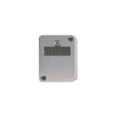
102011NF | LEVEL SENSOR NC | LEVEL SENSOR NC | 12.50 € | 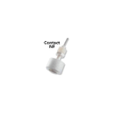
110501 | IPX800 V3.00 web relay board | Standalone internet relay controller. Keep control with your iPhone, your laptop, your PC, directly from the web ... | 178.00 € | 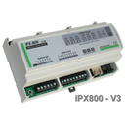
BF-5.8-2P | Pluggable terminal block 5.08mm Femal 2 ways | Pluggable terminal block 2 ways for IPX800 V4 and extensions.Not suitable for X-4FP neutral phase power supply and X-4FP driver extension outputs. | 0.31 € | 
1115032 | DC POWER EXTENSION 2.1MM 10M | DC POWER EXTENSION 2.1MM 10M | 4.52 € | 
IPX800-v2 | 8 relay board internet controller | 8 relay server ethernet IPX800. Control your home with your iPhone, mobile phone, laptop, etc ... from the internet. | 124.00 € | 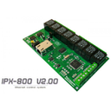
230612 | 5V - 2.4A Din Rail | 5V / 2.4A Din Rail | 28.00 € | 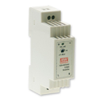
RF Pulse | RF Pulse | Wireless transmission of pulse count and TIC.Works with Linky. | 108.00 € | 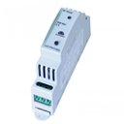
SHT-X3-Box | Humidity Sensor, temperature, brightness. | Humidity Sensor, temperature, brightness. | 6.94 € | 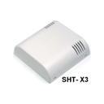
Kit pH7-4 | Kit d'étalonnage pour sonde pH | N/A | 5.90 € | 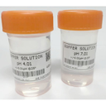
EcoRT2 | Ecodevices RT2 | Consumption Tracking and Eco-Devices RT2 Energy Manager. One product to supervise everything. | 249.00 € | 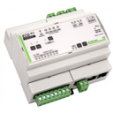
UBID1505 | Sonde de Température et Humidité EnOcean | N/A | 89.00 € | 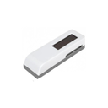
E14-W4W | Lampe Led RGBW E27 6W | N/A | 9.99 € | 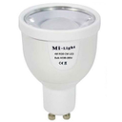
USB-X440 | usb relay controller X440 | usb relay controller with 0/10V analog inputs and 4 relay outputs of puissance. Easy control with virtual COM port. Quickly integrate into your applications in C, Visual Basic, labview, etc... | 43.80 € | 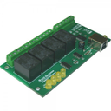
X-4FP | X4FP pilot wire extension for IPX800 V4 | X4FP pilot wire extension for IPX800 V4. Control your electric heater with this controller. | 69.90 € | 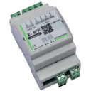
X-24D | IPX800 V4 - Extension 24 Entrées - X-24D | Extension X - 24D for IPX800 V4. Add 24 digital inputs to your IPX800 V4. | 120.00 € | 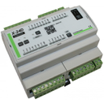
101603 | Map relay 2 X 2 12V for open collector outputs | Map 4 relay 12V power, open collector for controllers, alarms, microcontroller, etc ... | 19.50 € | 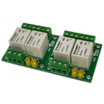
FR-0200 | Forfait réparation extension X-4FP | N/A | 10.99 € | 
UBID1507 | Micro-Module deux canaux EnOcean | N/A | 49.90 € | 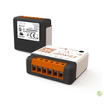
IS312 | IS312 motion detector | IS312 motion detector with Pet Immunity | 24.90 € | 
X-THL Extérieur | IPX800 V4 - Extension X-THL Extérieur | La X-THL permet de mesurer la température, le taux d'humidité ainsi que la présence de lumière. Il est possible d'associer jusqu'à 4 X-THL à une IPX800V4 et ainsi traiter jusqu'à 12 données analogiques supplémentaires. | 49.90 € | 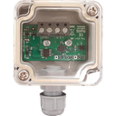
FRP61 | Enocean repeater | Extend your wireless network for a better reception of your actuators and captors signals. | 62.50 € | 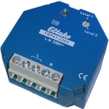
BNC-010 | Bouchon BNC pour X200pH | N/A | 1.99 € | 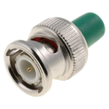
180660 | 12v power supply | 12V AC Adapter | 12.90 € | 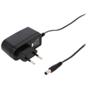
X-DIMMER | X-Dimmer | X-DIMMER extension, allows to control the intensity of lights with a push button (Stand alone via IPX800 V4). | 159.90 € | 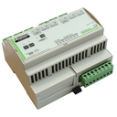
X-ENO | X-Eno Extension IPX800 v4 | Add the wireless technology Enocean to the IPX800 v4. | 64.00 € | 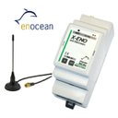
X8R-1809 | X8R addon for IPX800 V4 relay webserver | Standalone expansion 8 relay for webser ipx800 v4 or v3 | 126.00 € | 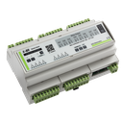
RE1410 | Forfait Réparation Extension X880 | N/A | 48.00 €
VITA1002 | Inter Double Sans Fil Mural EnOcean | N/A | 39.90 € | 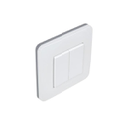
SPH200 | pH probe for internet relay controller IPX800 | pH probe for internet relay controller IPX800 | 34.00 € | 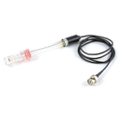
IPXV4-0915 | IPX800 V4 | Standalone web relay controller. Control anything from internet with your smartphone, laptop... | 238.00 € | 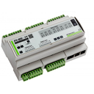
230611 | 12V Din Rail IPX800 V3 | 12V Din Rail IPX800 V3 | 28.00 €
EM-3PH | Compteur d'énergie Triphasé | N/A | 48.00 € | 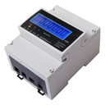
IPX800V3i | IPX800 V3i | Standalone relay webserver. Keep control with your iPhone, your laptop, your PC, directly from the web ... | 189.00 €
mini_fp | LED module for micro-management pilot wire. | LED module for micro-management pilot wire. | 9.80 € | 
250v100n | X2 capacitor for inductive load. | X2 capacitor for inductive load. | 1.50 € | 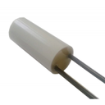
X400-CT | X400-CT for IPX800 | Enables current measurement from 0 to 100A ( depending on the selected clamps.Frequency 50 to 400Hz. | 58.80 € | 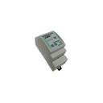
110101 | RJ45 Cat 5e FTP cable length: 2m | RJ45 Cat 5e FTP cable length: 2m | 3.51 € | 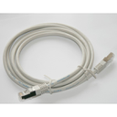
GCE-1906 | Ticket d'intervention | N/A | 65.00 € | 
SHT-X3 | Humidity Sensor, temperature, brightness. | Humidity Sensor, temperature, brightness. | 48.90 €
102011NO | LEVEL SENSOR NO | LEVEL SENSOR NO | 12.50 € | 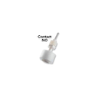
0904001 | Map 4 relay 10A +5 VDC | Map 4 relay 10A 5V electronics assembly | 15.95 €
UBID1511B | Micro-Module shutter | This built-in module can be controlled via an IPX800 V4 associated with an X-ENO or directly via other Enocean devices (switches, opening or presence detectors, etc.)It allows the management of a shutter. | 49.90 € | 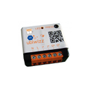
R2G4ML | Contrôleur Wifi Mi light | N/A | 7.25 € | 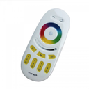
Filtre_X-200PH | Filter for X-200pH | Reduces noise and improves measurement precision for liquid pH and Redox | 30.00 € | 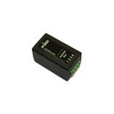
110518 | Magnetic proximity sensor | Magnetic proximity sensor | 4.90 € | 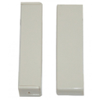
E14-W5W | Lampe Led RGBW E27 6W | N/A | 9.99 € | 
TC100 | TC-100 sensor | TC-100 sensor | 19.80 € | 
X-8D | Extension X-8D | Extension X-8D for IPX800-V4 and EcoDevice RT. Allows the addition of 8 digital inputs . | 68.00 € | 
X-PWM | IPX800 V4 - Extension XPWM | The X-PWM allows to integrate 12 PWM channels to the IPX800 V4 | 149.00 € | 
RE2009 | Forfait réparation Webserver IPX800 V3.00 | N/A | 65.00 €
X-GSM | Extension X-GSM | Extension X -GSM -V4 for IPX800 and Ecodevice RT. Enable control by SMS with your smartphone. | 120.00 € | 
FWZ12-16A | Module de comptage d'énergie Enocean | N/A | 89.90 € | 
E27-W6W | Lampe Led RGBW E27 6W | N/A | 7.50 € | 
ctrwifi | Contrôleur Wifi Mi light | N/A | 12.00 € | 
RJ12-DC | Bretelle d'alimentation RJ12 | N/A | 4.98 € | 
Kit pH | pH maintenance kit for IPX800 V3 and V4 | pH maintenance kit. Control the pool's pH with an IPX800 V3 or IPX800 V4 | 120.00 € | 
EM-45A | Energy meter with DIN rail 45 amps output pulse. | Energy meter with DIN rail 45 amps, output pulse. MID certification. | 35.00 € | 
FR-ECOD | Forfait réparation extension X-4FP | N/A | 35.00 €
HDR-60-12 | Alimentation 12V 1.25A Rail Din IPX 800 V3 | N/A | 34.90 € | 
XBridge | X-Bridge | The Xbridge must be use to connect the Analog X400 , the X400ct and the X200 PH on the IPX800 V4. | 24.90 € | 
UBID1003 | Contact de fenêtre Sans Pile | N/A | 47.90 € | 
SRX200 | Orb probe for internet relay controller IPX800 | Orp probe for internet relay controller IPX800 | 42.00 €
X400 Analog | Extension X400 Analog pour IPX800 V3 | N/A | 49.00 € | 
110630 | Recessed magnetic sensor | Recessed magnetic sensor | 6.52 € | 
USB-8R | usb 8 Relay board | 8 relay board over USB port. easy control with virtual com port.. | 42.00 € | 
USB-X220 | controller usb 2 relay board X220 | Controller usb 2 relay board X220 with 2 digital input and 2 relay output | 32.11 € | 
100901 | Cordon USB 2.0 Male Type A-B 1,80m | USB 2.0 cable type A-B 1.80 m | 2.41 € | 
BF-5.8-6P | Pluggable terminal block 5.08mm Femal 6 ways | Pluggable terminal block 6 ways for IPX800 V4 and extensions.Not suitable for X-4FP neutral phase power supply and X-4FP driver extension outputs. | 0.86 € | 
UBID1502 | Prise commandée Enocean | N/A | 46.90 € | 
X200pH | Extension X200pH pour IPX800 | N/A | 68.00 € | 
100812 | DB9 cable series M - F | Serial Cable for DB9 liason RS232. | 3.60 € | 
0909021 | usb serial to ttl converter | USB / TTL serial converter. | 14.00 € | 
BF-5.8-8P | Pluggable terminal block 5.08mm Femal 8 ways | Pluggable terminal block 8 ways for IPX800 V4 and extensions.Not suitable for X-4FP neutral phase power supply and X-4FP driver extension outputs. | 1.15 € | 
UBIA1501W | Ubi' Remote EnOcean | N/A | 44.90 € | 
101806 | Adapter sector card IPX800 V2 | Adapter sector card IPX800 V2 | 19.90 € | 
110104 | Temperature Sensor TC-4012 | Sensor TC-4012 | 19.87 € | 
MICITRV004 | Vanne thermostatique EnOcean | N/A | 89.90 € | 
UBID1004 | Sonde de Température EnOcean | N/A | 54.90 €
P2460MW | 24V 60W Din Rail | 24V 60W Din Rail | 38.00 € | 
UBID1001 | Prise gigone EnOcean | N/A | 72.88 € | 
UBID1503 | Contact de fenêtre Sans Pile | N/A | 49.90 € | 
X-THL | IPX800 V4 - Extension XTHL | The X-THL can measure temperature, humidity and the presence of light. It is possible to combine up to 14 X-THL to IPX800V4 and thus treat up to 12 additional analog data. | 49.90 € | 
EBX1 | Extender de bus EBX1 | Bus Extender for IPX800. Converted bus IPX800 fieldbus and can deport your extensions up to a distance of 1000m. | 39.90 € | 

