Dashboard
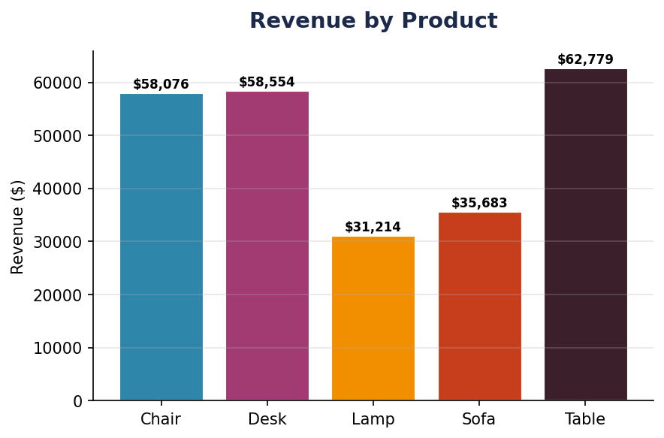
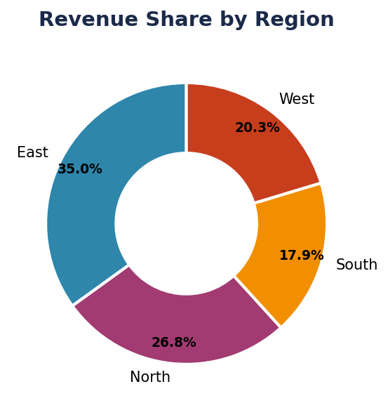
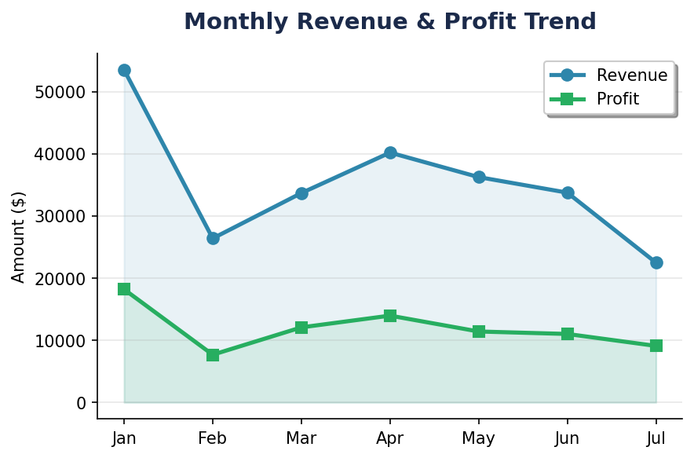
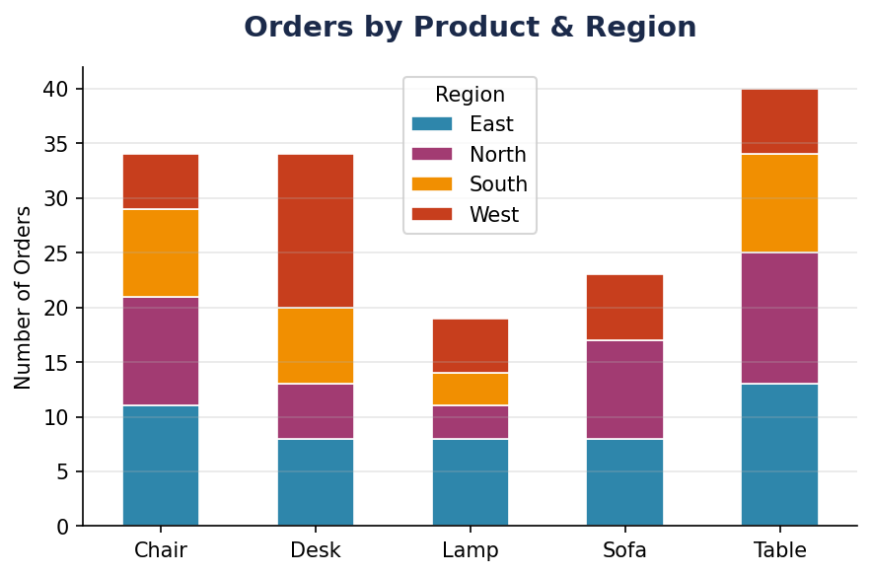
📊 Sales Dashboard 📊

$246,306 | $83,439 | 150
💰 Total Revenue | 📈 Total Profit | 📦 Total Orders

