Summary
Category | Count
Passed | 1
Failed | 4
Skipped | 0
Total | 5
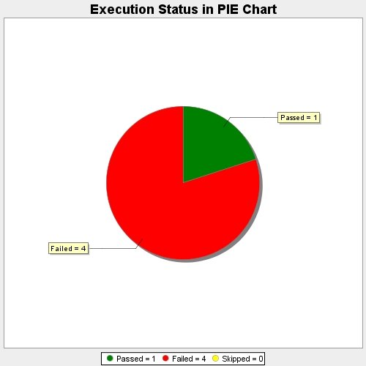
Start Time | 2019-07-02T06:08:44Z
End Time | 2019-07-02T06:11:05Z
Duration | 140347 ms

