recursion
Sr No | Description | Additional Information
1 | Recursion: | A recursive function can be of void type too. It shouldn't necessarily return something. | Prints nothing because base case is true now | printFrom5To1(0)
2 | A function that calls itself. This function has a condition to stop calling itself and that condition is called Base Case. The part that keeps calling itself is called recursive case. | A recursive function even works fine without using the "else" clause. However the "if" is mandatory because it checks base case. | Prints 1 | printFrom5To1(1)
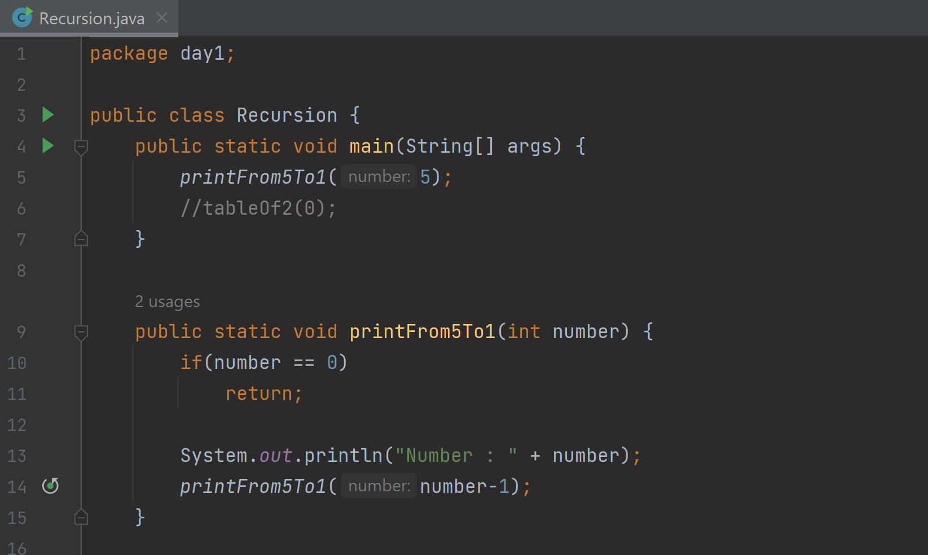
3 | Recursion is done within a recursive function |  | Prints 2 | printFrom5To1(2)
4 | All recursive calls are saved in form of stacks (i.e. one on top of other) in memory. Stack is a data structure for LIFO |  | Prints 3 | printFrom5To1(3)
5 | Now in Function call stack, when we have reached to base case i.e. "printFrom5To1(0)" then from that point, the function calls start popping out of the call stack one by one till we reach main and then when main call pops out, the program is finished |  | Prints 4 | printFrom5To1(4)
6 | During recursion, for each recursive call, the same variable is created again for every recursive call. That's why recursion can become memory expensive operation. In case of normal loops, the same variables are being updated but in recursion, new method parameters/attributes are created for each iteration (recursive call) |  | Prints 5 | printFrom5To1(5)
7 | When the recursion keeps going infinite (i.e. there's no base case) then we get a stack overflow error because the memory stack gets fully saturated. |  | Function call stack | Main(printFrom5to1(5);)
8
9
10

