Gridded Data
DATE | LONGITUDE | LATITUDE | fCO2 mean - per cruise weighted (uatm) | SST mean - per cruise weighted (degrees C) | Salinity mean - per cruise weighted (PSU)
2015 | 96.5E | 8.5N | 419.261 | 31.21565 | 32.69209
2015 | 97.5E | 8.5N | 420.9649 | 31.00751 | 32.82166
2015 | 97.5E | 7.5N | 417.95 | 30.40973 | 33.03777
2015 | 98.5E | 7.5N | 447.9948 | 30.39962 | 33.1333
1995 | 96.5E | 9.5N | 333.5295 | 28.08749 | 32.45242
1995 | 97.5E | 9.5N | 320.5973 | 28.1057 | 31.33151

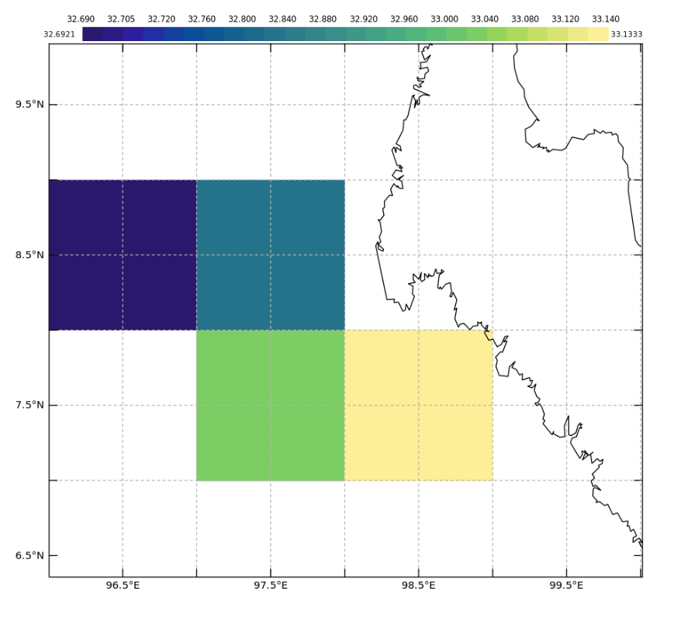

 |  |  | Selected Area on the map

Data Set
DATE | LONGITUDE | LATITUDE | FCO2_RECOMMENDED | salinity (PSU) | sea surface temperature (degrees C)
6/29/62 | 100.2 | 3.467 | 362.7889 | -1E+34 | 30 | Data is not available for wind speed
6/29/62 | 100.033 | 3.6 | 352.2741 | -1E+34 | 29.9 | I could not find the atmospheric co2 parameter
6/29/62 | 99.833 | 3.75 | 346.925 | -1E+34 | 29.9 | All latitudes & longitudes are unique values so I highlighted the nearest point to the station
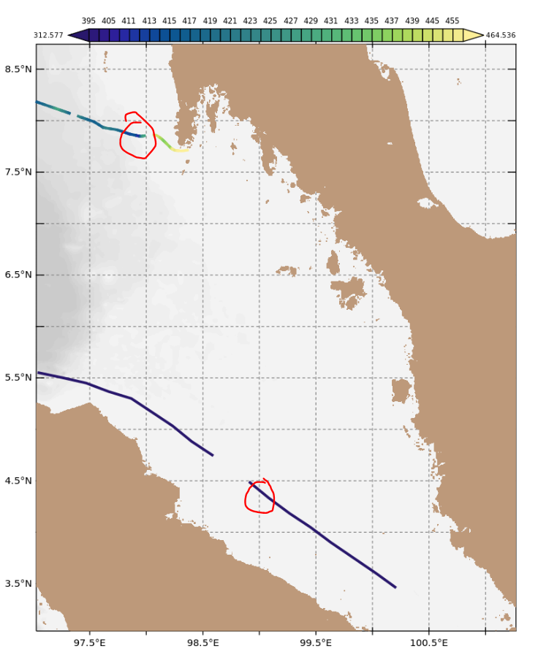
6/29/62 | 99.633 | 3.9 | 349.3015 | -1E+34 | 29.8
6/29/62 | 99.45 | 4.05 | 335.8434 | -1E+34 | 29.9
6/29/62 | 99.267 | 4.183 | 331.3386 | -1E+34 | 29.9
6/29/62 | 99.083 | 4.333 | 332.8398 | -1E+34 | 29.7
6/29/62 | 98.917 | 4.483 | 327.8354 | -1E+34 | 29.5
6/29/62 | 98.583 | 4.75 | 321.3315 | -1E+34 | 29.6
6/29/62 | 98.4 | 4.883 | 316.4183 | -1E+34 | 29.5
6/29/62 | 98.233 | 5.033 | 312.5767 | -1E+34 | 29.7
6/29/62 | 98.05 | 5.167 | 315.0613 | -1E+34 | 29.7
6/29/62 | 97.867 | 5.3 | 319.6251 | -1E+34 | 29.5
6/29/62 | 97.667 | 5.367 | 320.0622 | -1E+34 | 29.3
6/30/62 | 97.467 | 5.45 | 323.5058 | -1E+34 | 29.3
6/30/62 | 97.267 | 5.5 | 323.9575 | -1E+34 | 29.3
6/30/62 | 97.05 | 5.55 | 324.5927 | -1E+34 | 29.6
4/27/16 | 97.032 | 8.182 | 415.9929 | 32.6554 | 31.0228
4/27/16 | 97.0377 | 8.1793 | 416.4137 | 32.6574 | 31.026
4/27/16 | 97.0438 | 8.1773 | 416.6604 | 32.6614 | 31.038
4/27/16 | 97.0497 | 8.1752 | 417.013 | 32.6664 | 31.047
4/27/16 | 97.0554 | 8.1724 | 417.2191 | 32.6684 | 31.047
4/27/16 | 97.0613 | 8.1704 | 417.3762 | 32.6694 | 31.0599
4/27/16 | 97.0671 | 8.1685 | 417.3198 | 32.6694 | 31.0471
4/27/16 | 97.073 | 8.166 | 417.1267 | 32.6704 | 31.0679
4/27/16 | 97.0788 | 8.164 | 417.2205 | 32.6714 | 31.0889
4/27/16 | 97.0844 | 8.1616 | 417.5732 | 32.6785 | 31.086
4/27/16 | 97.0899 | 8.1599 | 418.1345 | 32.6835 | 31.085
4/27/16 | 97.0954 | 8.1574 | 418.8042 | 32.6885 | 31.09
4/27/16 | 97.1011 | 8.1553 | 419.0392 | 32.6935 | 31.079
4/27/16 | 97.1077 | 8.1533 | 419.52 | 32.6995 | 31.069
4/27/16 | 97.1134 | 8.1509 | 419.6786 | 32.7035 | 31.06
4/27/16 | 97.1191 | 8.1486 | 419.7182 | 32.7106 | 31.0451
4/27/16 | 97.125 | 8.1465 | 419.8972 | 32.7116 | 31.0291
4/27/16 | 97.1311 | 8.1442 | 419.7368 | 32.7176 | 30.9862
4/27/16 | 97.1371 | 8.1416 | 419.585 | 32.7196 | 31.0039
4/27/16 | 97.1433 | 8.1396 | 419.7815 | 32.7276 | 31.006
4/27/16 | 97.1493 | 8.1373 | 420.0516 | 32.7306 | 30.996
4/27/16 | 97.1551 | 8.1347 | 420.2968 | 32.7407 | 30.984
4/27/16 | 97.1609 | 8.1326 | 421.1571 | 32.7557 | 30.973
4/27/16 | 97.1669 | 8.1307 | 421.4764 | 32.7648 | 30.974
4/27/16 | 97.1728 | 8.1284 | 422.0367 | 32.7758 | 31.0049
4/27/16 | 97.1786 | 8.1258 | 423.1246 | 32.7828 | 31.0369
4/27/16 | 97.1844 | 8.1237 | 423.9279 | 32.7828 | 31.036
4/27/16 | 97.1903 | 8.1219 | 425.1228 | 32.8069 | 31.1007
4/27/16 | 97.1961 | 8.1195 | 426.3015 | 32.8189 | 31.106
4/27/16 | 97.2027 | 8.1168 | 427.202 | 32.831 | 31.0891
4/27/16 | 97.2087 | 8.1146 | 427.2351 | 32.839 | 31.0661
4/27/16 | 97.2147 | 8.1124 | 427.6196 | 32.848 | 31.076
4/27/16 | 97.2208 | 8.11 | 428.0169 | 32.8581 | 31.0561
4/27/16 | 97.227 | 8.1077 | 428.0757 | 32.8721 | 31.068
4/27/16 | 97.2331 | 8.1054 | 428.2583 | 32.8751 | 31.056
4/27/16 | 97.2392 | 8.1031 | 427.4421 | 32.8791 | 31.0361
4/27/16 | 97.2453 | 8.1008 | 426.6468 | 32.8862 | 31.033
4/27/16 | 97.2513 | 8.0982 | 425.7654 | 32.8912 | 31.033
4/27/16 | 97.2575 | 8.0963 | 424.7087 | 32.8982 | 31.025
4/27/16 | 97.2637 | 8.0937 | 424 | 32.9062 | 31.0469
4/27/16 | 97.2699 | 8.0915 | 423.52 | 32.9333 | 31.035
4/27/16 | 97.2761 | 8.089 | 423.3223 | 32.9404 | 31.0669
4/27/16 | 97.2823 | 8.0871 | 423.8028 | 32.9243 | 31.071
4/27/16 | 97.2884 | 8.0844 | 422.673 | 32.834 | 30.9575
4/27/16 | 97.2944 | 8.0819 | 421.8239 | 32.8089 | 30.8953
4/27/16 | 97.3013 | 8.0797 | 421.1909 | 32.7788 | 30.8372
4/27/16 | 97.3075 | 8.0774 | 420.3596 | 32.7688 | 30.825
4/27/16 | 97.3137 | 8.0749 | 419.9903 | 32.7698 | 30.8101
4/27/16 | 97.3197 | 8.0723 | 418.7655 | 32.7668 | 30.7951
4/27/16 | 97.3985 | 8.0431 | 423.6699 | 33.0226 | 31.0979
4/27/16 | 97.4045 | 8.0406 | 423.778 | 33.0216 | 31.108
4/27/16 | 97.4107 | 8.0376 | 423.7943 | 33.0156 | 31.097
4/27/16 | 97.4172 | 8.0349 | 423.2697 | 33.0116 | 31.0741
4/27/16 | 97.4235 | 8.0326 | 422.8875 | 33.0076 | 31.0332
4/27/16 | 97.4297 | 8.0307 | 422.0759 | 33.0026 | 30.9802
4/27/16 | 97.4358 | 8.0288 | 421.2082 | 32.9996 | 30.9521
4/27/16 | 97.4415 | 8.0261 | 420.7958 | 33.0006 | 30.9709
4/27/16 | 97.4473 | 8.0239 | 420.691 | 33.0006 | 30.972
4/27/16 | 97.4532 | 8.0221 | 420.2759 | 32.9965 | 30.96
4/27/16 | 97.4589 | 8.0196 | 420.429 | 32.9945 | 30.9859
4/27/16 | 97.4647 | 8.0172 | 420.1918 | 32.9915 | 30.9631
4/27/16 | 97.4705 | 8.0154 | 419.9019 | 32.9885 | 30.9421
4/27/16 | 97.476 | 8.0134 | 419.4706 | 32.9835 | 30.9111
4/27/16 | 97.4814 | 8.0108 | 418.7142 | 32.9815 | 30.901
4/27/16 | 97.4878 | 8.0084 | 418.3982 | 32.9765 | 30.891
4/27/16 | 97.4934 | 8.0067 | 418.0473 | 32.9755 | 30.897
4/27/16 | 97.4991 | 8.0046 | 417.7792 | 32.9765 | 30.908
4/27/16 | 97.5048 | 8.0019 | 417.6752 | 32.9755 | 30.902
4/27/16 | 97.5108 | 7.9997 | 417.9236 | 32.9775 | 30.911
4/27/16 | 97.5167 | 7.9977 | 417.8722 | 32.9725 | 30.8881
4/27/16 | 97.5226 | 7.9957 | 417.5564 | 32.9725 | 30.8651
4/27/16 | 97.5282 | 7.9931 | 417.6026 | 32.9745 | 30.8779
4/27/16 | 97.534 | 7.9905 | 417.0979 | 32.9775 | 30.8571
4/27/16 | 97.5398 | 7.9877 | 417.0923 | 32.9775 | 30.8271
4/27/16 | 97.5456 | 7.984 | 416.9542 | 32.9855 | 30.835
4/27/16 | 97.5512 | 7.9803 | 417.3102 | 32.9885 | 30.8181
4/27/16 | 97.5565 | 7.9765 | 417.2549 | 32.9915 | 30.826
4/27/16 | 97.5618 | 7.973 | 417.5425 | 32.9935 | 30.82
4/27/16 | 97.567 | 7.9695 | 417.8975 | 32.9945 | 30.8071
4/27/16 | 97.5724 | 7.9659 | 417.7853 | 32.9955 | 30.7741
4/27/16 | 97.5784 | 7.9618 | 418.0693 | 32.9976 | 30.7551
4/27/16 | 97.5837 | 7.9582 | 417.8562 | 32.9996 | 30.7132
4/27/16 | 97.5889 | 7.9546 | 417.8326 | 33.0036 | 30.6403
4/27/16 | 97.5941 | 7.951 | 417.4767 | 33.0066 | 30.628
4/27/16 | 97.5993 | 7.9471 | 417.5235 | 33.0116 | 30.6021
4/27/16 | 97.6045 | 7.9434 | 417.3303 | 33.0206 | 30.5044
4/27/16 | 97.6098 | 7.9397 | 417.9846 | 33.0256 | 30.4851
4/27/16 | 97.615 | 7.9359 | 418.7016 | 33.0277 | 30.5258
4/27/16 | 97.6207 | 7.934 | 419.9679 | 33.0367 | 30.528
4/27/16 | 97.6263 | 7.9327 | 420.7342 | 33.0387 | 30.5688
4/27/16 | 97.6322 | 7.9314 | 421.6335 | 33.0427 | 30.6297
4/27/16 | 97.6379 | 7.93 | 422.2424 | 33.0457 | 30.5971
4/27/16 | 97.6437 | 7.9286 | 422.4494 | 33.0457 | 30.6219
4/27/16 | 97.6495 | 7.9274 | 422.884 | 33.0437 | 30.6917
4/27/16 | 97.6554 | 7.9264 | 422.8024 | 33.0417 | 30.6591
4/27/16 | 97.6615 | 7.9253 | 422.529 | 33.0397 | 30.66
4/27/16 | 97.6683 | 7.9241 | 422.2003 | 33.0397 | 30.6291
4/27/16 | 97.6742 | 7.9231 | 422.082 | 33.0427 | 30.5971
4/27/16 | 97.6802 | 7.9221 | 421.9341 | 33.0477 | 30.5492
4/27/16 | 97.6861 | 7.921 | 421.8497 | 33.0467 | 30.5112
4/27/16 | 97.6922 | 7.92 | 421.3613 | 33.0437 | 30.514
4/27/16 | 97.6984 | 7.9189 | 420.9799 | 33.0447 | 30.517
4/27/16 | 97.7052 | 7.9179 | 420.6909 | 33.0467 | 30.4752
4/27/16 | 97.7115 | 7.9169 | 420.5782 | 33.0497 | 30.4222
4/27/16 | 97.7178 | 7.916 | 420.3518 | 33.0517 | 30.3891
4/27/16 | 97.7239 | 7.9145 | 420.2308 | 33.0558 | 30.382
4/27/16 | 97.7302 | 7.913 | 420.3646 | 33.0598 | 30.3501
4/27/16 | 97.7364 | 7.9115 | 420.3064 | 33.0608 | 30.3829
4/27/16 | 97.7423 | 7.91 | 419.8733 | 33.0628 | 30.3681
4/27/16 | 97.7483 | 7.9081 | 419.7829 | 33.0638 | 30.37
4/27/16 | 97.7543 | 7.9061 | 419.4281 | 33.0638 | 30.36
4/27/16 | 97.7602 | 7.9041 | 418.7585 | 33.0588 | 30.4128
4/27/16 | 97.7668 | 7.9021 | 418.5954 | 33.0568 | 30.4529
4/27/16 | 97.7727 | 7.9002 | 418.1187 | 33.0558 | 30.4211
4/27/16 | 97.7784 | 7.8984 | 417.7373 | 33.0578 | 30.3762
4/27/16 | 97.784 | 7.8962 | 417.4846 | 33.0568 | 30.3461
4/27/16 | 97.7896 | 7.8938 | 416.8296 | 33.0578 | 30.2912
4/27/16 | 97.7955 | 7.8919 | 416.4343 | 33.0568 | 30.282
4/27/16 | 97.8013 | 7.8898 | 415.8931 | 33.0558 | 30.2691
4/27/16 | 97.8068 | 7.8872 | 415.6156 | 33.0527 | 30.2192
4/27/16 | 97.8127 | 7.885 | 414.9297 | 33.0527 | 30.1543
4/27/16 | 97.8188 | 7.8832 | 414.5644 | 33.0527 | 30.1799
4/27/16 | 97.8246 | 7.8807 | 414.1958 | 33.0497 | 30.177
4/27/16 | 97.8302 | 7.8784 | 413.9824 | 33.0467 | 30.2069
4/27/16 | 97.8362 | 7.8765 | 413.3706 | 33.0447 | 30.1891
4/27/16 | 97.842 | 7.8741 | 413.0771 | 33.0477 | 30.1263
4/27/16 | 97.8478 | 7.8718 | 412.6703 | 33.0537 | 30.0832
4/27/16 | 97.8538 | 7.8698 | 412.8574 | 33.0578 | 30.0631
4/27/16 | 97.861 | 7.8681 | 413.4557 | 33.0638 | 30.064
4/27/16 | 97.8673 | 7.8666 | 414.2488 | 33.0698 | 30.0849
4/27/16 | 97.8736 | 7.8652 | 414.9192 | 33.0628 | 30.1019
4/27/16 | 97.8799 | 7.8638 | 414.7689 | 33.0628 | 30.11
4/27/16 | 97.886 | 7.8623 | 414.8432 | 33.0678 | 30.0463
4/27/16 | 97.8923 | 7.861 | 414.8281 | 33.0698 | 30.0151
4/27/16 | 97.8987 | 7.8595 | 415.0875 | 33.0768 | 29.9403
4/27/16 | 97.9048 | 7.858 | 415.4577 | 33.0778 | 29.8673
4/27/16 | 97.9109 | 7.8564 | 414.4145 | 33.0678 | 29.9377
4/27/16 | 97.9169 | 7.855 | 413.5547 | 33.0558 | 29.9858
4/27/16 | 97.9228 | 7.8537 | 412.1386 | 33.0367 | 29.992
4/27/16 | 97.9287 | 7.8525 | 411.1067 | 33.0327 | 30.0119
4/27/16 | 97.9347 | 7.8514 | 410.6079 | 33.0256 | 30.0598
4/27/16 | 97.9407 | 7.8502 | 411.6033 | 33.0307 | 30.1018
4/27/16 | 97.9467 | 7.849 | 413.4947 | 33.0357 | 30.1289
4/27/16 | 97.9527 | 7.8478 | 417.0346 | 33.0537 | 30.0971
4/27/16 | 97.9595 | 7.8491 | 420.436 | 33.0427 | 30.2524
4/27/16 | 97.9656 | 7.8503 | 424.15 | 33.0447 | 30.2938
4/27/16 | 97.9716 | 7.8514 | 426.3756 | 33.0427 | 30.3528
4/27/16 | 97.9776 | 7.8525 | 427.8183 | 33.0417 | 30.3759
4/27/16 | 97.9838 | 7.8536 | 428.5724 | 33.0487 | 30.387
4/27/16 | 98.0686 | 7.8608 | 444.4967 | 33.1089 | 30.3941
4/27/16 | 98.0755 | 7.8608 | 444.6315 | 33.1069 | 30.4318
4/27/16 | 98.0822 | 7.8596 | 444.896 | 33.1079 | 30.4758
4/27/16 | 98.0889 | 7.8573 | 444.77 | 33.1099 | 30.48
4/27/16 | 98.0953 | 7.8543 | 444.4701 | 33.115 | 30.4979
4/27/16 | 98.1012 | 7.8505 | 443.686 | 33.114 | 30.4831
4/27/16 | 98.1068 | 7.8465 | 442.3122 | 33.1119 | 30.479
4/27/16 | 98.1122 | 7.8422 | 441.3006 | 33.1119 | 30.488
4/27/16 | 98.1176 | 7.8377 | 440.3837 | 33.119 | 30.4721
4/27/16 | 98.1229 | 7.8334 | 439.6862 | 33.123 | 30.4581
4/27/16 | 98.1283 | 7.8288 | 438.8819 | 33.122 | 30.4381
4/27/16 | 98.1337 | 7.8243 | 438.2708 | 33.128 | 30.438
4/27/16 | 98.1387 | 7.8194 | 438.0676 | 33.126 | 30.435
4/27/16 | 98.1436 | 7.8144 | 437.4235 | 33.126 | 30.437
4/27/16 | 98.1492 | 7.8086 | 436.635 | 33.122 | 30.427
4/27/16 | 98.1539 | 7.8035 | 436.1662 | 33.116 | 30.3931
4/27/16 | 98.1588 | 7.7986 | 435.6797 | 33.117 | 30.3741
4/27/16 | 98.1636 | 7.7935 | 435.7942 | 33.126 | 30.364
4/27/16 | 98.1683 | 7.7884 | 436.0529 | 33.129 | 30.3401
4/27/16 | 98.173 | 7.7834 | 436.7104 | 33.129 | 30.3022
4/27/16 | 98.1777 | 7.7783 | 437.1915 | 33.132 | 30.2771
4/27/16 | 98.1823 | 7.7732 | 437.4639 | 33.133 | 30.278
4/27/16 | 98.187 | 7.7682 | 437.4628 | 33.134 | 30.271
4/27/16 | 98.1917 | 7.763 | 437.0881 | 33.135 | 30.271
4/27/16 | 98.1964 | 7.7579 | 437.1323 | 33.136 | 30.269
4/27/16 | 98.201 | 7.7528 | 437.3116 | 33.137 | 30.273
4/27/16 | 98.2057 | 7.7477 | 437.2562 | 33.141 | 30.27
4/27/16 | 98.2101 | 7.7424 | 436.9297 | 33.1431 | 30.261
4/27/16 | 98.2145 | 7.7373 | 436.9949 | 33.1461 | 30.258
4/27/16 | 98.2191 | 7.7321 | 437.8327 | 33.1531 | 30.25
4/27/16 | 98.2253 | 7.7276 | 444.5556 | 33.1661 | 30.3098
4/27/16 | 98.2309 | 7.724 | 452.1216 | 33.1651 | 30.2871
4/27/16 | 98.2365 | 7.7205 | 455.4608 | 33.1792 | 30.1356
4/27/16 | 98.2422 | 7.7172 | 456.5017 | 33.1691 | 30.144
4/27/16 | 98.2482 | 7.7144 | 455.0135 | 33.1651 | 30.2287
4/27/16 | 98.2543 | 7.7116 | 453.5865 | 33.1641 | 30.241
4/27/16 | 98.2609 | 7.7108 | 454.2096 | 33.1691 | 30.2261
4/27/16 | 98.2676 | 7.7102 | 457.687 | 33.1681 | 30.2907
4/27/16 | 98.2745 | 7.7094 | 459.8381 | 33.1621 | 30.3727
4/27/16 | 98.2813 | 7.7087 | 460.9531 | 33.1671 | 30.4258
4/27/16 | 98.2877 | 7.7082 | 461.8298 | 33.132 | 30.2886
4/27/16 | 98.2941 | 7.7076 | 462.7915 | 33.13 | 30.3388
4/27/16 | 98.3005 | 7.707 | 464.4379 | 33.1491 | 30.3868
4/27/16 | 98.3067 | 7.7067 | 464.1097 | 33.127 | 30.4866
4/27/16 | 98.313 | 7.7066 | 463.7071 | 33.131 | 30.4342
4/27/16 | 98.3192 | 7.7064 | 464.1997 | 33.135 | 30.5177
4/27/16 | 98.3262 | 7.7072 | 464.5363 | 33.13 | 30.6196
4/27/16 | 98.3324 | 7.7083 | 464.0993 | 33.126 | 30.6479
4/27/16 | 98.3386 | 7.7094 | 463.6734 | 33.123 | 30.7008
4/27/16 | 98.3448 | 7.7106 | 461.7378 | 33.1059 | 30.701
4/27/16 | 98.351 | 7.7117 | 461.9131 | 33.12 | 30.698
4/27/16 | 98.3572 | 7.7129 | 462.6043 | 33.1109 | 30.688
4/27/16 | 98.3634 | 7.7139 | 461.1757 | 33.1109 | 30.7209

