Sheet1
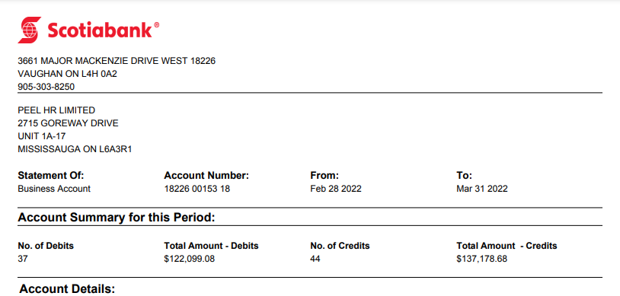

Date | Description | Withdrawals/Debits($) | Deposits/Credits($) | Balance($)

